Tabelle1
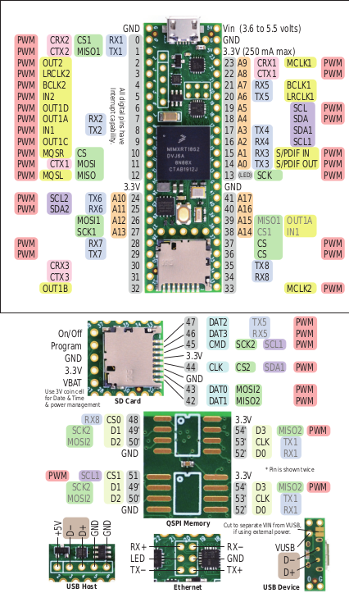
Pin |  | Funktion Teensy 4.1 | Verwendung Teensy 4.1 | neu | optional | Pad Name
0 | UART/SPI/PWM | RX1/CS1/PWM (F: 1.1) | SPI 2 Slave CS 1 oder UART 3 | x | x | GPIO_AD_B0_03
1 | UART/SPI/PWM | TX1/MISO1/PWM (F: 1.0) | SPI 2 Slave MOSI (SIN) oder UART 3 | x | x | GPIO_AD_B0_02
2 | I2S/PWM | OUT2/PWM (F: 4.2) | I2S Out | x | x | GPIO_EMC_04
3 | I2S/PWM | LRCLK2/PWM (F: 4.2) | I2S LRCLK | x | x | GPIO_EMC_05
4 | I2S/PWM | BCLK2/PWM (F: 2.0) | I2S BCLK | x | x | GPIO_EMC_06
5 | PWM | PWM (F: 2.1) | Servo 1 PWM |  | x | GPIO_EMC_08
6 | I2S/PWM | OUT1D/PWM (F: 2.2) | Servo 2 PWM | x | x | GPIO_B0_10
7 | UART/I2S/PWM | RX2/OUT1A/PWM (F: 1.3) | Uart 2 (Motor-Ctrl) RX | x |  | GPIO_B1_01
8 | UART/PWM | TX2/PWM (F: 1.3) | Uart 2 (Motor-Ctrl) TX | x |  | GPIO_B1_00
9 | I2S/PWM | OUT1C/PWM (F: 2.2) | Debug LED | x |  | GPIO_B0_11
10 | SPI/PWM | CS0/PWM (Q: 1.0) | SPI 1 Master CS 1 | x | x | GPIO_B0_00
11 | SPI/PWM | MOSI(SOUT)0/PWM (Q: 1.2) | SPI 1 Master MOSI | x | x | GPIO_B0_02
12 | SPI/PWM | MISO(SIN)0/PWM (Q: 1.1) | SPI 1 Master MISO | x | x | GPIO_B0_01
13 | SPI/PWM | SCK0/PWM (Q: 2.0) | SPI 1 Master SCK | x | x | GPIO_B0_03
14 | ADC/UART/PWM | A0/TX3/PWM (Q: 3.2) | Strommessung 5V | x |  | GPIO_AD_B1_02
15 | ADC/UART/PWM | A1/RX3/PWM (Q: 3.3) | Strommessung Servos | x |  | GPIO_AD_B1_03
16 | ADC/UART/I2C | A2/RX4/SCL1 | I2C 2 (IMU) | x | x | GPIO_AD_B1_07
17 | ADC/UART/I2C | A3/TX4/SDA1 | I2C 2 (IMU) | x | x | GPIO_AD_B1_06
18 | ADC/I2C/PWM | A4/SDA0/PWM (Q: 3.1) | I2C 1 (5V: LEDs, ENA, CNY70, Sens) | x |  | GPIO_AD_B1_01
19 | ADC/I2C/PWM | A5/SCL0/PWM (Q: 3.0) | I2C 1 (5V: LEDs, ENA, CNY70, Sens) | x |  | GPIO_AD_B1_00
20 | ADC/UART/I2S | A6/TX5/LRCLK1 | Überwachung Batterie | x |  | GPIO_AD_B1_10
21 | ADC/UART/I2S | A7/RX5/BCLK1 | Servo 1 Feedback | x | x | GPIO_AD_B1_11
22 | ADC/PWM | A8/PWM (F: 4.0) | Servo 2 Feedback | x | x | GPIO_AD_B1_08
23 | ADC/I2S/PWM | A9/MCLK1/PWM (F: 4.1) | Servo 3 Feedback | x | x | GPIO_AD_B1_09
24 | ADC/I2C/UART | A10/TX6/SCL2/PWM (F: 1.2) | I2C 3 oder Uart 4 | x | x | GPIO_AD_B0_12
25 | ADC/I2C/UART | A11/RX6/SDA2/PWM (F: 1.3) | I2C 3 oder Uart 4 | x | x | GPIO_AD_B0_13
26 | ADC/SPI | A12/MOSI(SOUT) | SPI 2 Slave MISO (SOUT) | x | x | GPIO_AD_B1_14
27 | ADC/SPI | A13/SCK1 | SPI 2 Slave SCK | x | x | GPIO_AD_B1_15
28 | UART/PWM | RX7/PWM (F: 3.1) | Servo 3 PWM | x | x | GPIO_EMC_32
29 | UART/PWM | TX7/PWM (F: 3.1) | Servo 4 PWM | x | x | GPIO_EMC_31
30 |  | GPIO30 | Fernbedienung |  |  | GPIO_EMC_37
31 |  | GPIO31 | BPS Sensor |  | x | GPIO_EMC_36
32 | I2S | OUT1B/GPIO32 | GPIO_1 | x | x | GPIO_B0_12
33 | PWM | PWM (F: 2.0) | GPIO_2 | x | x | GPIO_EMC_07
34 | UART | RX8 | Uart 1 (WiFi) RX |  |  | GPIO_B1_13
35 | UART | TX8 | Uart 1 (WiFi) TX |  |  | GPIO_B1_12
36 | SPI/PWM | CS0/PWM (F: 2.3) | SPI 1 Master CS 2 | x | x | GPIO_B1_02
37 | SPI/PWM | CS0/PWM (F: 2.3) | SPI 1 Master CS 3 | x | x | GPIO_B1_03
38 | ADC | A14/CS1 | Kantensensor L |  |  | GPIO_AD_B1_12
39 | ADC | A15/MISO(SIN)1/OUT1A | Kantensensor R |  |  | GPIO_AD_B1_13
40 | ADC | A16 | Liniensensor R |  |  | GPIO_AD_B1_04
41 | ADC | A17 | Liniensensor L |  |  | GPIO_AD_B1_05
Sources: https://www.pjrc.com/store/teensy41_card11a_rev3.png; https://www.pjrc.com/store/teensy41_card11b_rev4.png
D+ | USB | USB2_DP | USB Host | x | x
D- | USB | USB2_DN | USB Host | x | x
Vb |  | VBat | n/a |  |  | VDD_SNVS_IN
R |  | On/Off | On_Off | x | x | ONOFF

 | Anmerkungen
 | - Distanzsensoren über I2C (z.B. VL53L0X) - Transportfachüberwachung über I2C (z.B. VL6180X)

This work (excluding the teensy images) is licensed under the Creative Commons Attribution-ShareAlike 4.0 International License. To view a copy of this license, visit http://creativecommons.org/licenses/by-sa/4.0

