Sheet
 | Volume by Lane
 | Name: |  | 085 (Seq #)
 | Description: |  | DE Rt 20 E of MD Line
 | Site: |  | 000000003409 | Station: |  | 000000008085
 | City: |  | Seaford | County: | Sussex |  | State: | DE
 | Latitude: |  | 0.000000 N | Longitude: |  | 0.000000 E
 | Started: |  | 10/8/20 | Ended: |  | 10/8/20
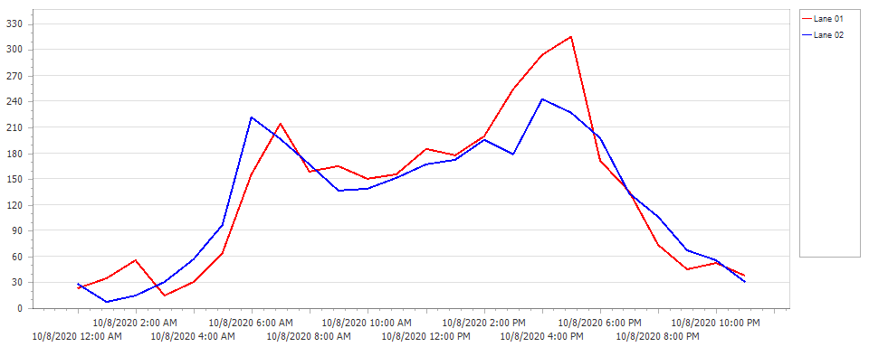

2020-10-08
Interval |  | Lane 01 | Lane 02 |  |  |  |  |  |  | Total
00:00 |  | 23 | 28 |  |  |  |  |  |  | 51
01:00 |  | 35 | 7 |  |  |  |  |  |  | 42
02:00 |  | 56 | 15 |  |  |  |  |  |  | 71
03:00 |  | 15 | 30 |  |  |  |  |  |  | 45
04:00 |  | 30 | 57 |  |  |  |  |  |  | 87
05:00 |  | 64 | 97 |  |  |  |  |  |  | 161
06:00 |  | 155 | 222 |  |  |  |  |  |  | 377
07:00 |  | 214 | 196 |  |  |  |  |  |  | 410
08:00 |  | 159 | 167 |  |  |  |  |  |  | 326
09:00 |  | 165 | 136 |  |  |  |  |  |  | 301
10:00 |  | 150 | 139 |  |  |  |  |  |  | 289
11:00 |  | 155 | 151 |  |  |  |  |  |  | 306
12:00 |  | 185 | 167 |  |  |  |  |  |  | 352
13:00 |  | 177 | 172 |  |  |  |  |  |  | 349
14:00 |  | 199 | 195 |  |  |  |  |  |  | 394
15:00 |  | 254 | 179 |  |  |  |  |  |  | 433
16:00 |  | 294 | 243 |  |  |  |  |  |  | 537
17:00 |  | 315 | 227 |  |  |  |  |  |  | 542
18:00 |  | 171 | 197 |  |  |  |  |  |  | 368
19:00 |  | 135 | 133 |  |  |  |  |  |  | 268
20:00 |  | 74 | 106 |  |  |  |  |  |  | 180
21:00 |  | 45 | 67 |  |  |  |  |  |  | 112
22:00 |  | 52 | 56 |  |  |  |  |  |  | 108
23:00 |  | 38 | 30 |  |  |  |  |  |  | 68
Daily Total |  | 3160 | 3017 |  |  |  |  |  |  | 6177
AM Peak |  | 410 (starting at 07:00:00)
PM Peak |  | 542 (starting at 17:00:00)
Average Interval |  | 132 | 126 |  |  |  |  |  |  | 257
Maximum in one Interval |  | 315 | 243 |  |  |  |  |  |  | 542
Grand Total |  | 3160 | 3017 |  |  |  |  |  |  | 6177

 | Report Generated Friday, October 09, 2020 04:52 AM |  |  |  |  |  |  |  | 1/1

