crosstab_trips_by_county
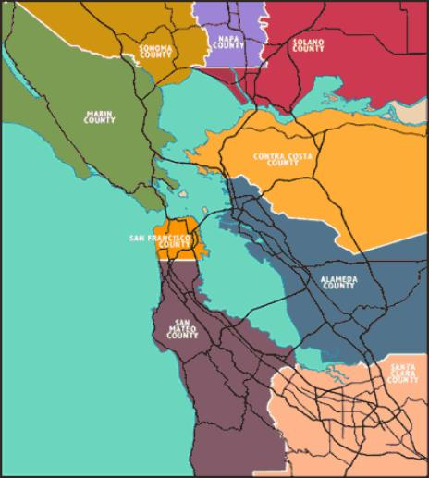
 | Destination
Origin | Almeda | Contra Costa | Marin | Napa | San Francisco | San Mateo | Santa Clara | Solano | Sonoma | Total
Almeda | 4,346,511 | 325,668 | 20,061 | 3,334 | 162,467 | 106,955 | 227,704 | 19,746 | 4,583 | 5,217,029
Contra Costa | 323,966 | 2,715,889 | 22,946 | 10,668 | 59,824 | 12,425 | 19,138 | 78,739 | 4,204 | 3,247,799
Marin | 20,285 | 22,663 | 611,203 | 2,687 | 56,342 | 6,494 | 1,068 | 7,407 | 31,071 | 759,220
Napa | 3,361 | 10,681 | 2,694 | 372,762 | 1,029 | 239 | 219 | 54,795 | 10,025 | 455,805
San Francisco | 163,417 | 59,108 | 56,532 | 967 | 3,106,642 | 291,610 | 18,666 | 7,455 | 7,745 | 3,712,142
San Mateo | 107,195 | 12,258 | 6,366 | 241 | 291,537 | 1,743,438 | 217,763 | 1,392 | 1,115 | 2,381,305
Santa Clara | 227,883 | 18,990 | 1,068 | 209 | 18,898 | 217,540 | 5,998,953 | 1,203 | 222 | 6,484,966
Solano | 19,742 | 78,314 | 7,510 | 54,859 | 7,604 | 1,423 | 1,230 | 1,042,786 | 5,382 | 1,218,850
Sonoma | 4,669 | 4,228 | 30,840 | 10,078 | 7,799 | 1,181 | 225 | 5,327 | 1,502,699 | 1,567,046
Total | 5,217,029 | 3,247,799 | 759,220 | 455,805 | 3,712,142 | 2,381,305 | 6,484,966 | 1,218,850 | 1,567,046 | 25,044,162
County Pairs to Include
 | Destination
Origin | Almeda | Contra Costa | Marin | Napa | San Francisco | San Mateo | Santa Clara | Solano | Sonoma
Almeda | - | - | 1 | - | 1 | 1 | - | - | -
Contra Costa | - | - | - | - | 1 | 1 | - | - | -
Marin | 1 | - | - | - | 1 | 1 | 1 | - | -
Napa | - | - | - | - | 1 | 1 | - | - | -
San Francisco | 1 | 1 | 1 | 1 | 1 | 1 | 1 | 1 | 1
San Mateo | 1 | 1 | 1 | 1 | 1 | - | - | 1 | 1
Santa Clara | - | - | 1 | - | 1 | - | - | - | 1
Solano | - | - | - | - | 1 | 1 | - | - | -
Sonoma | - | - | - | - | 1 | 1 | 1 | - | -

Trips Included
 | Destination
Origin | Almeda | Contra Costa | Marin | Napa | San Francisco | San Mateo | Santa Clara | Solano | Sonoma | Total
Almeda | - | - | 20,061 | - | 162,467 | 106,955 | - | - | - | 289,483
Contra Costa | - | - | - | - | 59,824 | 12,425 | - | - | - | 72,249
Marin | 20,285 | - | - | - | 56,342 | 6,494 | 1,068 | - | - | 84,189
Napa | - | - | - | - | 1,029 | 239 | - | - | - | 1,268
San Francisco | 163,417 | 59,108 | 56,532 | 967 | 3,106,642 | 291,610 | 18,666 | 7,455 | 7,745 | 3,712,142
San Mateo | 107,195 | 12,258 | 6,366 | 241 | 291,537 | - | - | 1,392 | 1,115 | 420,104
Santa Clara | - | - | 1,068 | - | 18,898 | - | - | - | 222 | 20,188
Solano | - | - | - | - | 7,604 | 1,423 | - | - | - | 9,027
Sonoma | - | - | - | - | 7,799 | 1,181 | 225 | - | - | 9,205
Total | 290,897 | 71,366 | 84,027 | 1,208 | 3,712,142 | 420,327 | 19,959 | 8,847 | 9,082 | 4,617,855

 |  |  |  |  |  |  |  | II Trips | 3,106,642 | 67%
 |  |  |  |  |  |  |  | IE Trips | 1,211,000 | 26%
 |  |  |  |  |  |  |  | EE Trips | 300,213 | 7%
 |  |  |  |  |  |  |  |  | 4,617,855 | 100%

