2015 YTD (Jan-May)
Date | Row | Database | Task Description | Developer | Value
2015-08-21 | 11 | Kronos | Number of YTD Avg Employee HC | TS | 267
2015-08-21 | 12 | Kronos | Number of YTD Terminated Employees | TS | 41
2015-08-21 | 13 | Kronos | Number of YTD Turnover Ratio | TS | 6.51

Log file ss attached

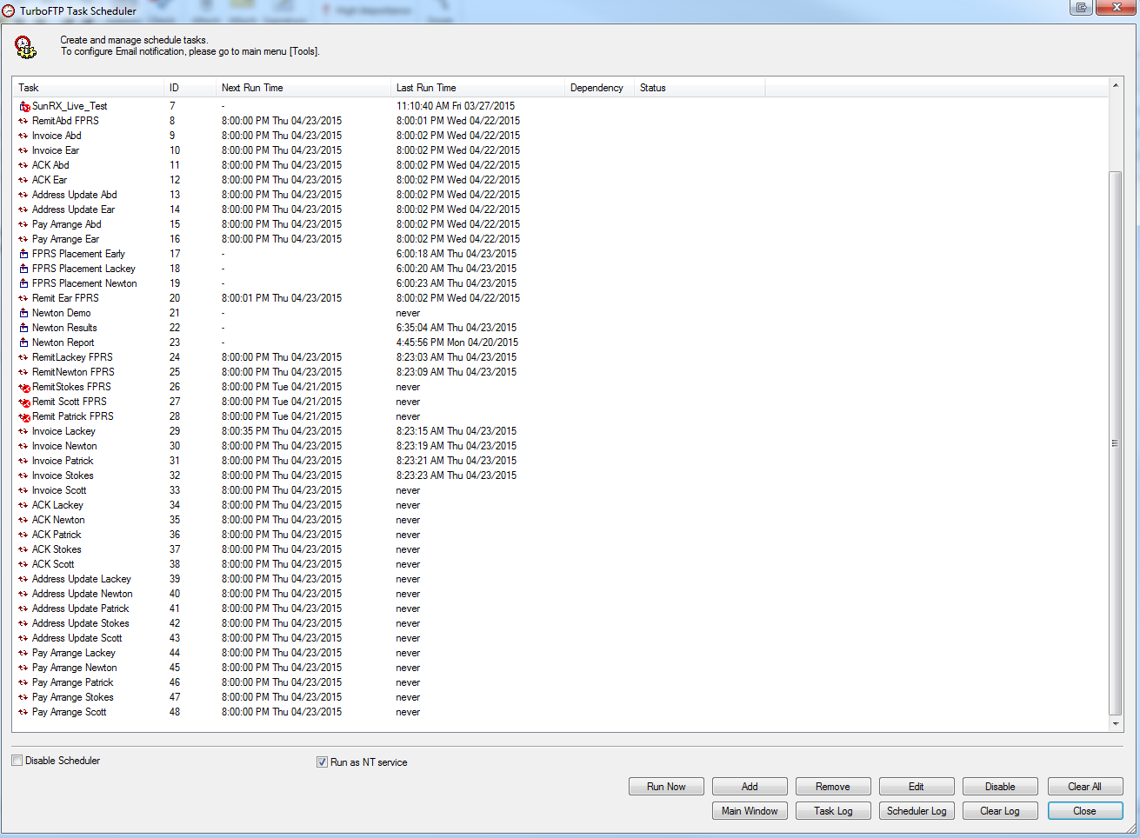
Auto uploader ss

FPRS Report WRITER
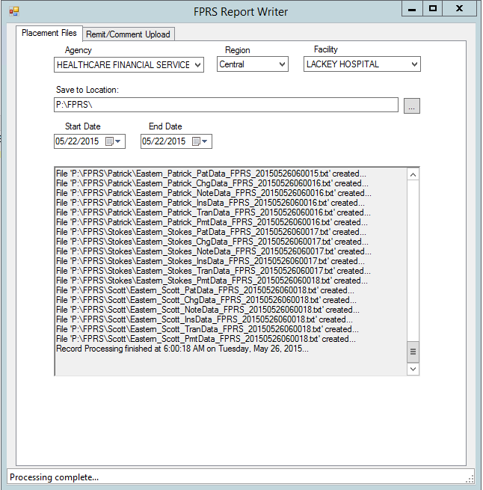
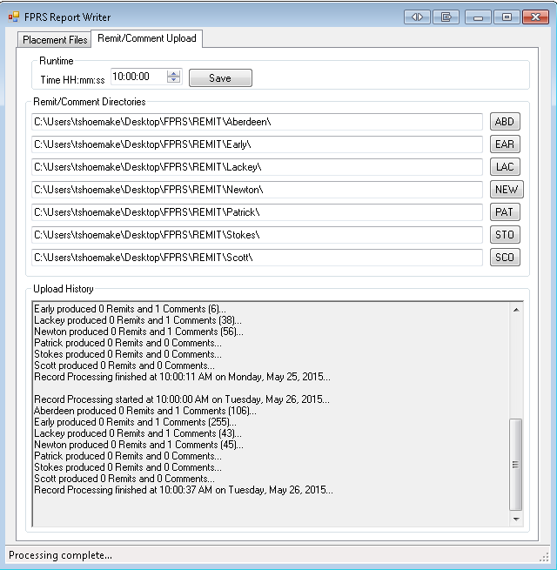
 | Placement Files Tab | Remit/Comment Tab
May

ACO
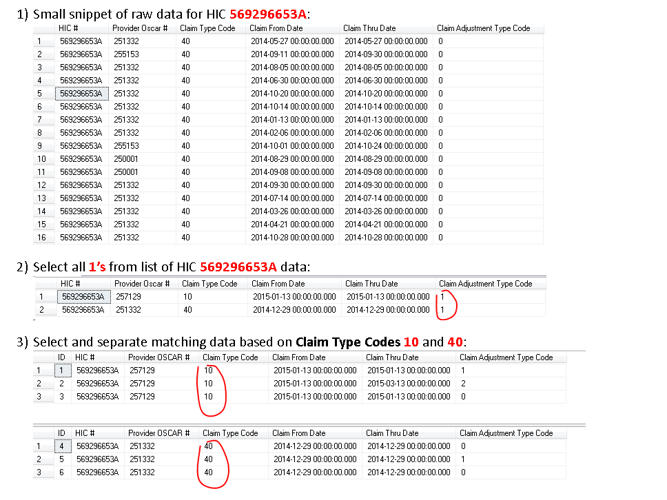
ACO Scrubbed data:

