TITLE
CAPSTONE PROJECT
LOAN APPLICATION

GROUP #11
TUSHAR SRIVASTAVA
NISHA TAMAR
SACHIN BHARDWAJ
HARDIK KAUSHIK

DATA EXPLORATION
DATA EXPLORATION

 | No of Rows | 4521 |  | Target variable | Discrete
 | NO of columns | 521 |  | Input variables | Discrete +continuous

 | Inference : Need to categorise or bin some of the continuous data field to make more sense out of data

DATA DESCRIPTION

 | Sl No | Data Set | Description | Approach
 | 1 | Age | Age of Customer | Age_Binning_>50- Equiwidth binning
 | 2 | Job | Type of job | Job_TargetBinning
 | 3 | Marital | Marital status | NA
 | 4 | Education | Education of Customer - Primary, Secondary, Tertiary | Education_MergeUnknown
 | 5 | Default | Has defaulted on loan previously
 | 6 | Balance | Bank Account Balance of customer | Binned based on median value-800
 | 7 | Housing | Customer has housing loan also
 | 8 | Loan | Customer has personal loan also
 | Add |  | Merge Housing and Personal Loan | Housing_Personal--- need to evaluate
 | 9 | Contact | Contact communication type (Does not make any sense) | Drop
 | 10 | Day | Last contact day of month (incomplete as no year defined) | Drop
 | 11 | Month | Last contact month of year (incomplete as no year defined) | Drop (ageing)
 | 12 | Duration | Last call duration with customer during campaign | Duration_Min_Binning_>3Min- Equi frequency binning
 | 13 | Campaign | Number of contacts performed during this campaign and for this customer | Binned with 5 as cutoff value
 | 14 | PDays | Number of days that passed by after the customer was last contacted from a previous campaign
 | 15 | Previous | Number of contacts performed before this campaign and for this client
 | 16 | Poutcome | Outcome of the previous marketing campaign | pOutcome_SuccessVsFailure- merge some categories into failure
 | 17 | Target | Final outcome if customer will pay or default
 | 18 | Customer_ID | Unique ID for each customer (additional Column) | New

 |  | TARGET
 |  | LOAN PAID | 12%
 |  | LOAN NOT PAID | 88%
TARGET VARIABLE DISTRIBUTION

1) Data is highly skewed towards non-Payment of loan as Target ie 88%, so prediction would be difficult to predict as low training data for identifying Loan paying customers. 2) Data is not balanced and very less business sense ie education vs employment vs bank balance vs personal loan vs house loan vs default etc 3) We need at least 60:40 for good prediction accuracy by the models ie right sample for training our models

STATISTICAL DESCRIPTION OF DATA

Pre-Processor Approach

1) Read default directory name
Approach:-os path join libraries are used to identify the data-set directory. Data-set is fetched from this directory.
2) Concatenate directory with files
3) Use concatenated string to read .csv file using panda data frame
Approach:-panda data frame libraries are used to fetched the data-set from the os directory and underlying operations were performed on the data-set.
4)Identify categorical variables
Approach:-Categorical variables will be those variables whose data-type is object.
5)Convert those variables into category
Approach:-Based on the above result, all categorical variables are label encoded into numeric variables.
6)Show dimension and basic stat of the data set
Approach:-panda data-frame functions are used to get dimension, stats of each variables in the data-set.

MISSING VALUES IN INPUT AND TARGET FIELDS

 | ORIGINAL DATASET
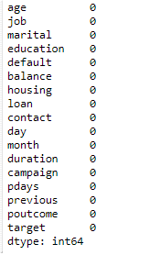
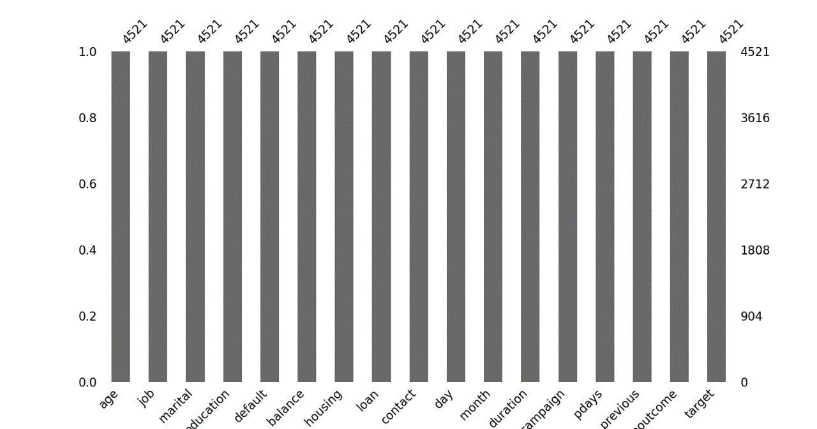

In thecurrent dataset, there are no fields with missing values. So, Dummy dataset is created to check for any future dataset with missing values.

 | DUMMY DATASET

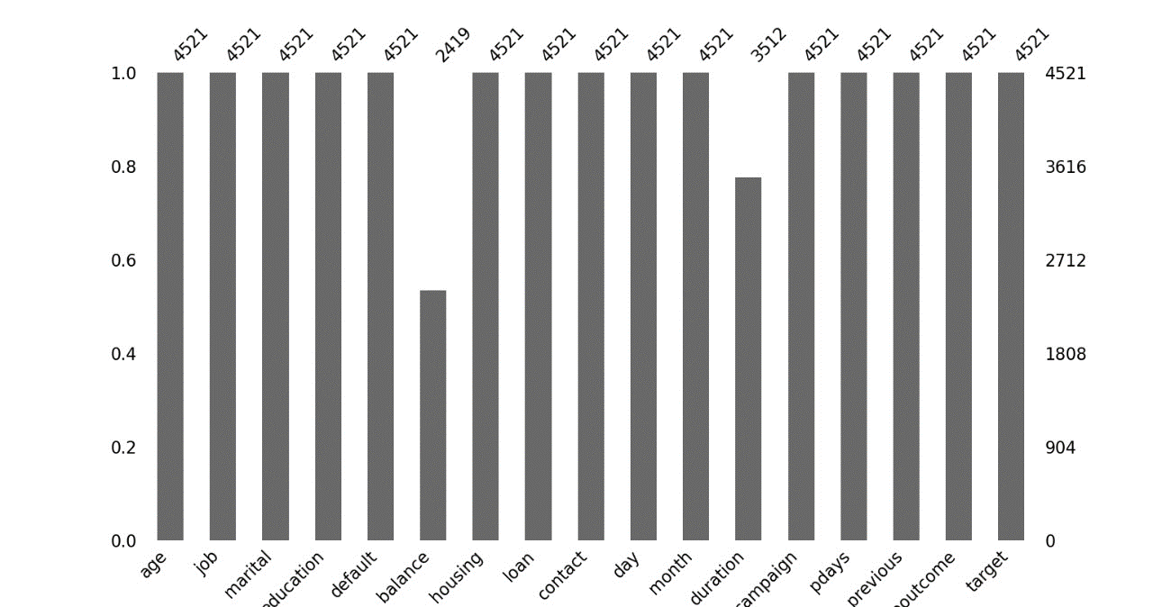
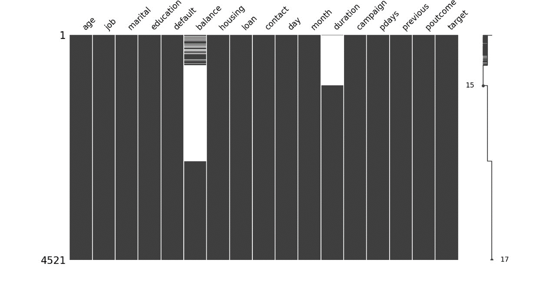

INFERENCE: No data clusetering can be found in given dataset so mean, median and mode based imputation is ised based on field type

DATA INFERENCE
Loan Processing Data Observations

Loan payment status based on age
loan paid | 521 | 12% |  | Note: Dataset is highly biased as 88% of total customershave not paid the loan
loan not paid | 4000 | 88%
total | 4521

1)Age is binned less than 50 & greater than 50 based on target value (adult & retired age group)
 |  |  |  | Note : 0 represent age > 50 & 1 represents age < 50

Count of age_group | Column Labels
Row Labels | no | yes | Grand Total |  |  | loan not paid | loan paid
0 | 889 | 139 | 1028 |  | age>50 | 22% | 27%
1 | 3111 | 382 | 3493 |  | age<50 | 78% | 73%
Grand Total | 4000 | 521 | 4521

Count of age_group | Column Labels
Row Labels | admin. | blue-collar | entrepreneur | housemaid | management | retired | self-employed | services | student | technician | unemployed | unknown | Grand Total
0 | 81 | 170 | 39 | 54 | 186 | 217 | 46 | 67 |  | 120 | 29 | 19 | 1028 | 21%
1 | 397 | 776 | 129 | 58 | 783 | 13 | 137 | 350 | 84 | 648 | 99 | 19 | 3493
Grand Total | 478 | 946 | 168 | 112 | 969 | 230 | 183 | 417 | 84 | 768 | 128 | 38 | 4521

out of total people who didn't pay loan,78% were of age less than 50 and among the ones who paid loan, 73% were of age <50 so cut off frequency 50 is apt as maximum customers who either pay loan or don’t pay loan lies in the age group of 20 to 50. Moreover this is a kind of equi-width binning, max-min = 78-19=59 , half of which is ~30 so cut off frequency should be 50

2) In job column, too many categories are there, so some of the categories are merged based on loan payment status i.e. target variable
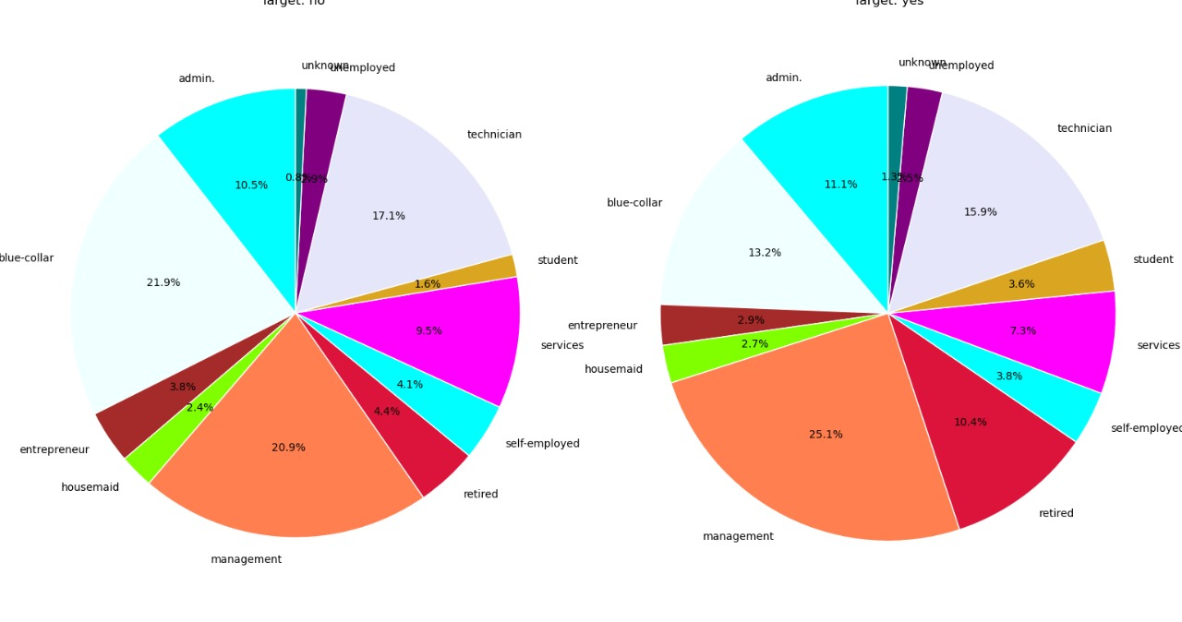
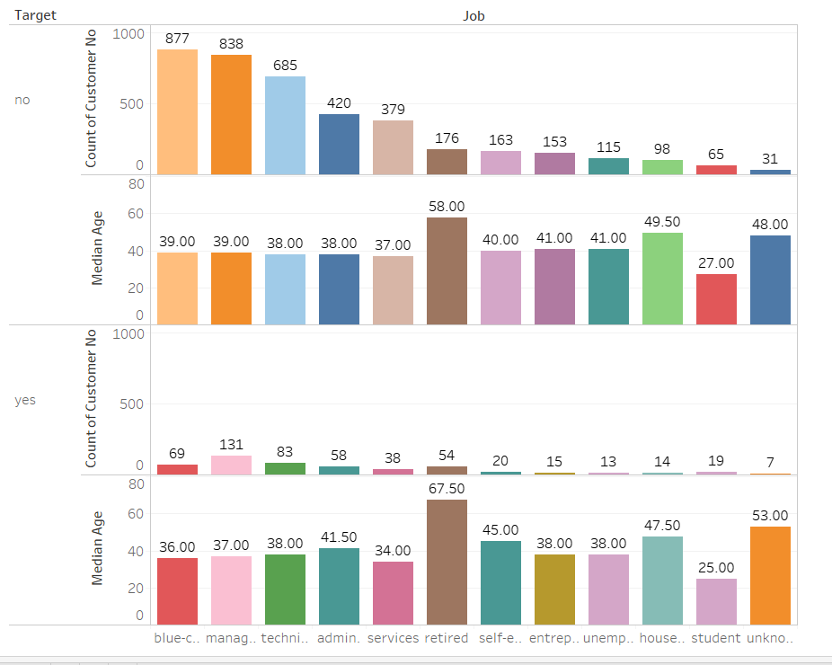

80% customers are Blue collar jobs, management, technicians, , services
Retired are mostly 60+ Median
Job title has very low impact on paying Loan see below

BINNING TECHNIQUE
 | Count of job | Column Labels
 | Row Labels | no | yes | Grand Total |  |  | loan not paid | loan paid
 | admin. | 420 | 58 | 478 |  | admin. | 11% | 11%
 | blue-collar | 877 | 69 | 946 |  | blue-collar | 22% | 13%
 | entrepreneur | 153 | 15 | 168 |  | entrepreneur | 4% | 3% |  |  | low | 943 | 21%
 | housemaid | 98 | 14 | 112 |  | housemaid | 2% | 3% |  |  | medium | 1663 | 37%
 | management | 838 | 131 | 969 |  | management | 21% | 25% |  |  | high | 1915 | 42%
 | retired | 176 | 54 | 230 |  | retired | 4% | 10%
 | self-employed | 163 | 20 | 183 |  | self-employed | 4% | 4%
 | services | 379 | 38 | 417 |  | services | 9% | 7%
 | student | 65 | 19 | 84 |  | student | 2% | 4%
 | technician | 685 | 83 | 768 |  | technician | 17% | 16%
 | unemployed | 115 | 13 | 128 |  | unemployed | 3% | 2%
 | unknown | 31 | 7 | 38 |  | unknown | 1% | 1%
 | Grand Total | 4000 | 521 | 4521

Based on target, similar percentages are grouped into one, such as the jobs which contributes very less to population of defaulters as well as timely payers are grouped into one and like wise other jobs are clubbed. Entrepreneur, housemaid, retired, self-employee, student, unemployed and unknown are grouped as low , admin, services and technician are termed as medium and blue- collar and management are termed as high

3) Marital status
loan payment status based on marital status
 | Count of marital | Column Labels
 | Row Labels | no | yes | Grand Total |  |  | loan not paid | loan paid
 | divorced | 451 | 77 | 528 |  | divorced | 11% | 15%
 | married | 2520 | 277 | 2797 |  | married | 63% | 53%
 | single | 1029 | 167 | 1196 |  | single | 26% | 32%
 | Grand Total | 4000 | 521 | 4521

out of total loan defaulters, 63% were married, 26% single & 11% divorced and out of total people who paid loan on time, 53% were married, 32% single and 15% divorced. Hence divorced people go less for loan.

3) Education
loan payment status based on education
 | Count of education | Column Labels
 | Row Labels | no | yes | Grand Total |  |  | loan not paid | loan paid
 | primary | 614 | 64 | 678 |  | primary | 15% | 12%
 | secondary | 2061 | 245 | 2306 |  | secondary | 52% | 47%
 | tertiary | 1157 | 193 | 1350 |  | tertiary | 29% | 37%
 | unknown | 168 | 19 | 187 |  | unknown | 4% | 4%
 | Grand Total | 4000 | 521 | 4521

Out of total defaulters, customers with secondary education contributes the most and same is the case with time;y payers of loan. Hence people with secondary education are the ones taking most loans.

4) Previous loan defaulted
loan payment status based on previous loan default
 | Count of default | Column Labels
 | Row Labels | no | yes | Grand Total |  |  | loan not paid | loan paid
 | no | 3933 | 512 | 4445 |  | loan defaulted | 98% | 98%
 | yes | 67 | 9 | 76 |  | loan not defaulted | 2% | 2%
 | Grand Total | 4000 | 521 | 4521

98% of defaulters are the ones who have defaulted their previous loans also.

5) balance- 800 is median value
loan payment status based on account balance
 | Count of balance_status | Column Labels |  |  |  | note: 0 denotes balance less than 800
 | Row Labels | no | yes | Grand Total |  |  | loan not paid | loan paid
 | 0 | 2548 | 272 | 2820 |  | balance <800 | 64% | 49%
 | 1 | 1452 | 249 | 1701 |  | balance>800 | 36% | 48%
 | Grand Total | 4000 | 521 | 4521

based on median value,column is binned. 61% of defaulters have balance less than 800

6) out of personal and housing loan, one column should be kept
 | housing
 | Count of housing | Column Labels
 | Row Labels | no | yes | Grand Total |  |  | loan not paid | loan paid
 | no | 1661 | 301 | 1962 |  | no housing loan | 42% | 58%
 | yes | 2339 | 220 | 2559 |  | housing loan taken | 58% | 42%
 | Grand Total | 4000 | 521 | 4521
 | personal
 | Count of loan | Column Labels
 | Row Labels | no | yes | Grand Total |  |  | loan not paid | loan paid
 | no | 3352 | 478 | 3830 |  | no personal loan | 84% | 92%
 | yes | 648 | 43 | 691 |  | personal loan taken | 16% | 8%
 | Grand Total | 4000 | 521 | 4521

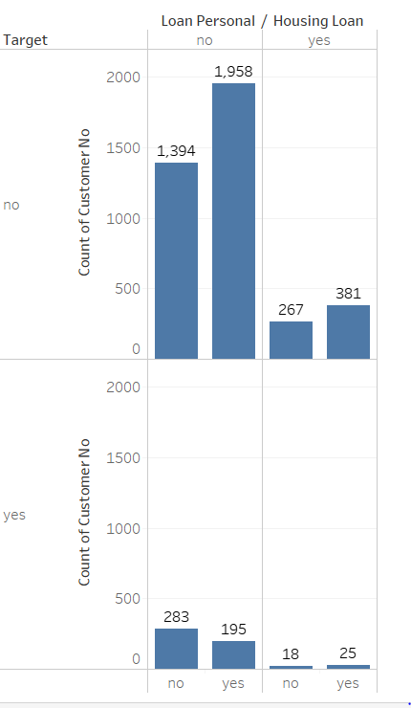

1) In absence of Personal Loan majority customers have not paid their current loan ie Target is No
2) 57% of Customers have Housing Loan out of which 91% will not pay current Loan
3) 84% Customer does not have any personal loan and 88% of that will not pay the current loan.
4) Person likely to have personal loan may not pay current loan similar observation with Housing loan with comparatively low probability
5) Only 9% customers have both Personal and Home loan out of which 6% can pay
So if you see from pattern shown in left figure, customers having any ongoing loan have low possibility of payment
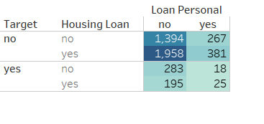

84% of defaulters are the ones who have not taken any personal loan but housing loan ratio is very balanced so personal loan affect the target in a grave manner

7) duration binning - duration is converted into minutes- 3 minutes is taken as cut off values-equi frequency binning

 | Count of duration_binning | Column Labels
 | Row Labels | no | yes | Grand Total |  |  | loan not paid | loan paid
duration less than 3 | 0 | 2156 | 56 | 2212 |  | duration less than 2 | 54% | 11%
duration more than 3 minutes | 1 | 1844 | 465 | 2309 |  | duration more than 2 minutes | 46% | 89%
 | Grand Total | 4000 | 521 | 4521

54% defaulters were in conversation for less than 2 minutes.

7) campaign status - 5 is chosen as cutoff value

 | Count of campaign | Column Labels
 | Row Labels | no | yes | Grand Total
 | 1 | 1494 | 240 | 1734
 | 2 | 1126 | 138 | 1264
 | 3 | 501 | 57 | 558
 | 4 | 282 | 43 | 325
 | 5 | 158 | 9 | 167
 | 6 | 139 | 16 | 155
 | 7 | 69 | 6 | 75
 | 8 | 52 | 4 | 56
 | 9 | 28 | 2 | 30
 | 10 | 26 | 1 | 27
 | 11 | 22 |  | 22
 | 12 | 20 | 1 | 21
 | 13 | 15 | 2 | 17
 | 14 | 10 |  | 10
 | 15 | 9 |  | 9
 | 16 | 8 |  | 8
 | 17 | 6 | 1 | 7
 | 18 | 7 |  | 7
 | 19 | 3 |  | 3
 | 20 | 3 |  | 3
 | 21 | 2 |  | 2
 | 22 | 2 |  | 2
 | 23 | 2 |  | 2
 | 24 | 2 | 1 | 3
 | 25 | 4 |  | 4
 | 28 | 3 |  | 3
 | 29 | 1 |  | 1
 | 30 | 1 |  | 1
 | 31 | 1 |  | 1
 | 32 | 2 |  | 2
 | 44 | 1 |  | 1
 | 50 | 1 |  | 1
 | Grand Total | 4000 | 521 | 4521

5 is chosen as cutoff value as max defaulters or timely payers have attened 5 campaigns on a gross sense.

8) p outcome

 | Count of poutcome | Column Labels
 | Row Labels | no | yes | Grand Total
 | failure | 427 | 63 | 490 |  | 11% | 12%
 | other | 159 | 38 | 197 |  | 4% | 7%
 | success | 46 | 83 | 129 |  | 1% | 16%
 | unknown | 3368 | 337 | 3705 |  | 84% | 65%
 | Grand Total | 4000 | 521 | 4521

Merge failure, other and unknown into one group as they correspond to loan not paid or indirectly failure of campaign

CORRELATION OF INPUT FIELD & TARGET

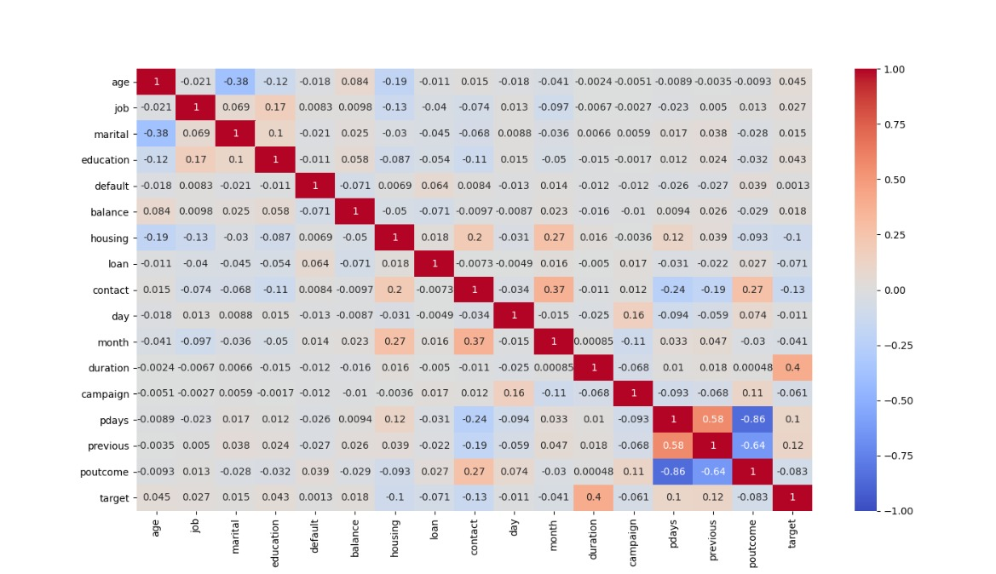

1) personal and housing loan have no correlation between each other .
2) call duration has a good correlation with target.
3) pdays and previous has good correlation so we can even thing of dropping one.

PYTHON PLOTS
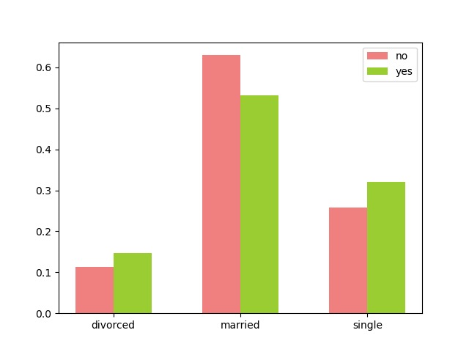
TARGET DISTRIBUTION BASED ON BALANCE
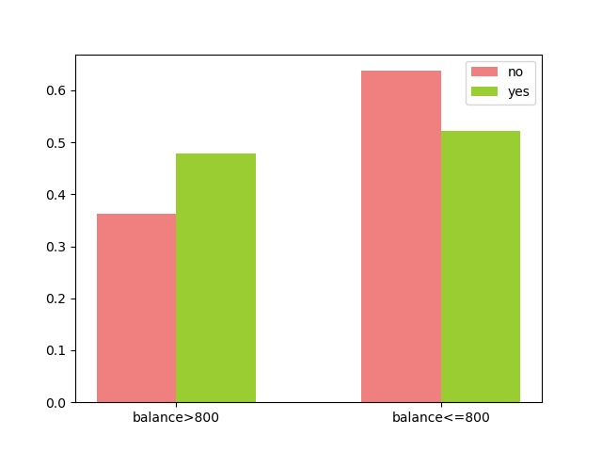

TARGET DISTRIBUTION BASED ON CAMPAIGN
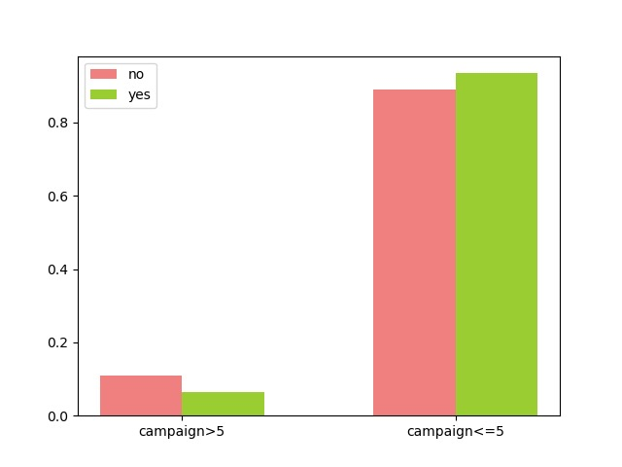

TARGET DISTRIBUTION BASED ON call duration

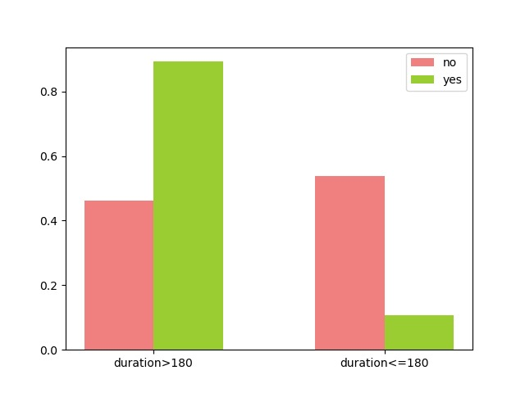

TARGET DISTRIBUTION BASED ON JOB

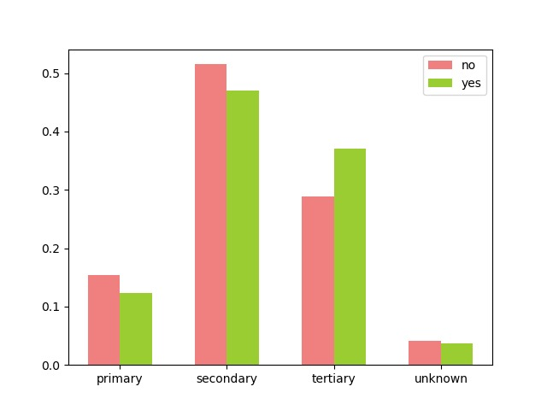

TARGET DISTRIBUTION BASED ON MARITAL STATUS

