case30
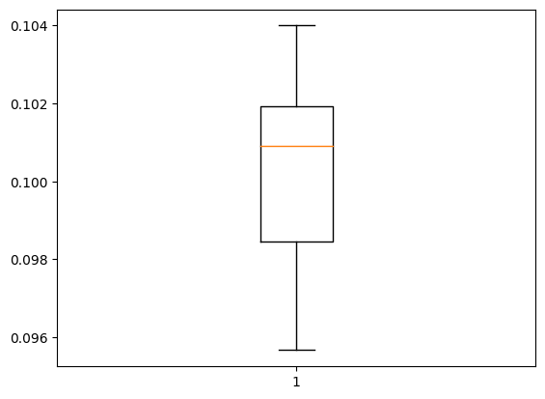
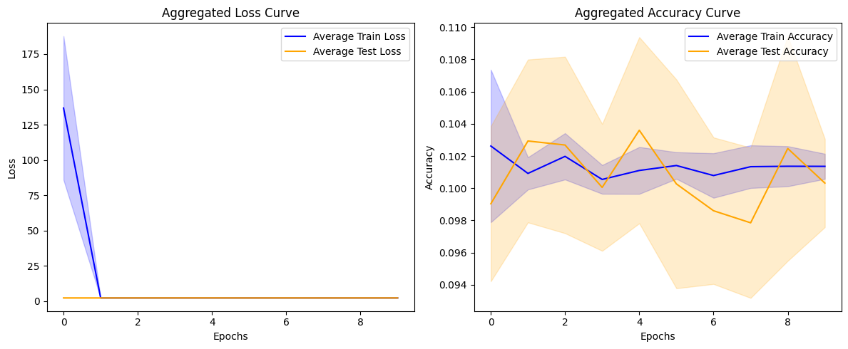
Fold 1: Accuracy at Last Epoch: 0.102 Stability Metric (Standard Deviation of Convergence Rates): 24.898 Rate of Convergence (Loss Reduction Per Epoch): [79.22601890563965, 0.0019347667694091797, -0.0019702911376953125, 0.00011205673217773438, 0.0016632080078125, -0.002390623092651367, 0.0024123191833496094, -0.0013861656188964844, 0.0015377998352050781] Average Rate of Convergence: 8.803 Mean Convergence Speed: 0.880 Initial Stage (Mean Accuracy for First 5 Epochs): 0.100 Mid Stage (Mean Accuracy for Middle Epochs): 0.100 Late Stage (Mean Accuracy for Last 5 Epochs): 0.101 -------------------------------------------------- Test Accuracy: 10.400% ================================================== Fold 2: Accuracy at Last Epoch: 0.102 Stability Metric (Standard Deviation of Convergence Rates): 52.340 Rate of Convergence (Loss Reduction Per Epoch): [166.54497718811035, -0.0004870891571044922, -0.0006945133209228516, 0.0002722740173339844, 0.00014591217041015625, 0.0011353492736816406, 0.0002570152282714844, -0.0009081363677978516, 0.0003714561462402344] Average Rate of Convergence: 18.505 Mean Convergence Speed: 1.851 Initial Stage (Mean Accuracy for First 5 Epochs): 0.104 Mid Stage (Mean Accuracy for Middle Epochs): 0.101 Late Stage (Mean Accuracy for Last 5 Epochs): 0.102 -------------------------------------------------- Test Accuracy: 9.933% ================================================== Fold 3: Accuracy at Last Epoch: 0.102 Stability Metric (Standard Deviation of Convergence Rates): 15.750 Rate of Convergence (Loss Reduction Per Epoch): [50.11695837974548, -3.886222839355469e-05, -0.00146484375, -0.0013608932495117188, 0.0002605915069580078, 0.0011174678802490234, -3.0994415283203125e-06, -0.0013134479522705078, -3.170967102050781e-05] Average Rate of Convergence: 5.568 Mean Convergence Speed: 0.557 Initial Stage (Mean Accuracy for First 5 Epochs): 0.102 Mid Stage (Mean Accuracy for Middle Epochs): 0.101 Late Stage (Mean Accura

Accuracy: mean=10.032 std=0.274, n=10

case29
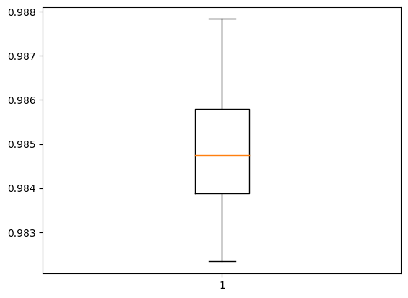
Fold 1: Accuracy at Last Epoch: 0.996 Stability Metric (Standard Deviation of Convergence Rates): 0.063 Rate of Convergence (Loss Reduction Per Epoch): [0.2097408026456833, 0.030847690999507904, 0.016719281673431396, 0.00926993042230606, 0.007555946707725525, 0.0060867127031087875, 0.004747349768877029, 0.003119954839348793, 0.00317506305873394] Average Rate of Convergence: 0.032 Mean Convergence Speed: 0.003 Initial Stage (Mean Accuracy for First 5 Epochs): 0.967 Mid Stage (Mean Accuracy for Middle Epochs): 0.990 Late Stage (Mean Accuracy for Last 5 Epochs): 0.993 -------------------------------------------------- Test Accuracy: 98.283% ================================================== Fold 2: Accuracy at Last Epoch: 0.995 Stability Metric (Standard Deviation of Convergence Rates): 0.067 Rate of Convergence (Loss Reduction Per Epoch): [0.22309548407793045, 0.03291679918766022, 0.016647346317768097, 0.0107245072722435, 0.00720495730638504, 0.005682043731212616, 0.004785560071468353, 0.0038275159895420074, 0.003715209662914276] Average Rate of Convergence: 0.034 Mean Convergence Speed: 0.003 Initial Stage (Mean Accuracy for First 5 Epochs): 0.964 Mid Stage (Mean Accuracy for Middle Epochs): 0.988 Late Stage (Mean Accuracy for Last 5 Epochs): 0.992 -------------------------------------------------- Test Accuracy: 98.383% ================================================== Fold 3: Accuracy at Last Epoch: 0.997 Stability Metric (Standard Deviation of Convergence Rates): 0.054 Rate of Convergence (Loss Reduction Per Epoch): [0.18026943504810333, 0.03339743614196777, 0.015671610832214355, 0.010407611727714539, 0.007681138813495636, 0.0052359625697135925, 0.004587206989526749, 0.003885013982653618, 0.0031315581873059273] Average Rate of Convergence: 0.029 Mean Convergence Speed: 0.003 Initial Stage (Mean Accuracy for First 5 Epochs): 0.968 Mid Stage (Mean Accuracy for Middle Epochs): 0.990 Late Stage (Mean Accuracy for Last 5 Epochs): 0.994

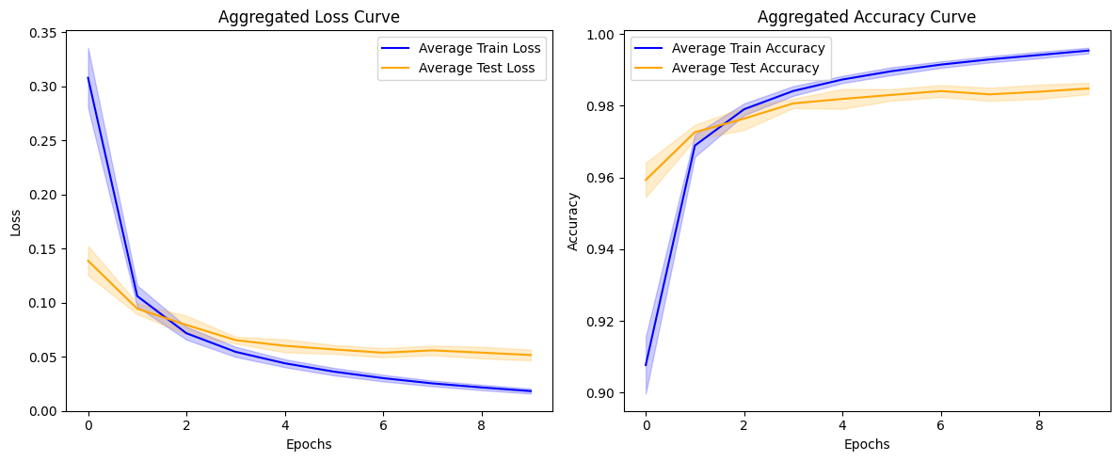

Accuracy: mean=98.482 std=0.159, n=10

case28
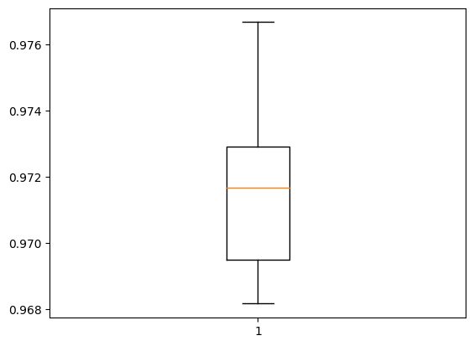
Fold 1: Accuracy at Last Epoch: 0.974 Stability Metric (Standard Deviation of Convergence Rates): 0.063 Rate of Convergence (Loss Reduction Per Epoch): [0.21664325892925262, 0.04629622399806976, 0.02937602996826172, 0.020523980259895325, 0.016100794076919556, 0.012291893362998962, 0.011124640703201294, 0.008754409849643707, 0.007301509380340576] Average Rate of Convergence: 0.041 Mean Convergence Speed: 0.004 Initial Stage (Mean Accuracy for First 5 Epochs): 0.933 Mid Stage (Mean Accuracy for Middle Epochs): 0.962 Late Stage (Mean Accuracy for Last 5 Epochs): 0.969 -------------------------------------------------- Test Accuracy: 96.933% ================================================== Fold 2: Accuracy at Last Epoch: 0.976 Stability Metric (Standard Deviation of Convergence Rates): 0.052 Rate of Convergence (Loss Reduction Per Epoch): [0.18069425225257874, 0.04391075670719147, 0.027407437562942505, 0.0200270414352417, 0.015035562217235565, 0.011890776455402374, 0.009782351553440094, 0.00815439224243164, 0.007143788039684296] Average Rate of Convergence: 0.036 Mean Convergence Speed: 0.004 Initial Stage (Mean Accuracy for First 5 Epochs): 0.937 Mid Stage (Mean Accuracy for Middle Epochs): 0.964 Late Stage (Mean Accuracy for Last 5 Epochs): 0.971 -------------------------------------------------- Test Accuracy: 97.200% ================================================== Fold 3: Accuracy at Last Epoch: 0.974 Stability Metric (Standard Deviation of Convergence Rates): 0.077 Rate of Convergence (Loss Reduction Per Epoch): [0.26276302337646484, 0.04817013442516327, 0.030697137117385864, 0.022445976734161377, 0.016898050904273987, 0.01403537392616272, 0.01096729189157486, 0.009399034082889557, 0.008063800632953644] Average Rate of Convergence: 0.047 Mean Convergence Speed: 0.005 Initial Stage (Mean Accuracy for First 5 Epochs): 0.928 Mid Stage (Mean Accuracy for Middle Epochs): 0.960 Late Stage (Mean Accuracy for Last 5 Epochs): 0.968 ----

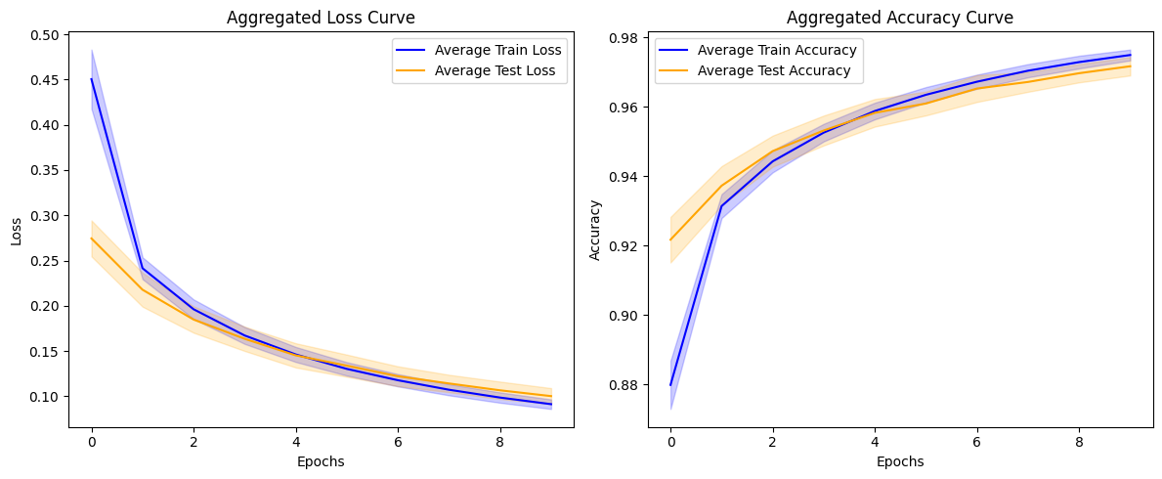

Accuracy: mean=97.165 std=0.266, n=10

case27
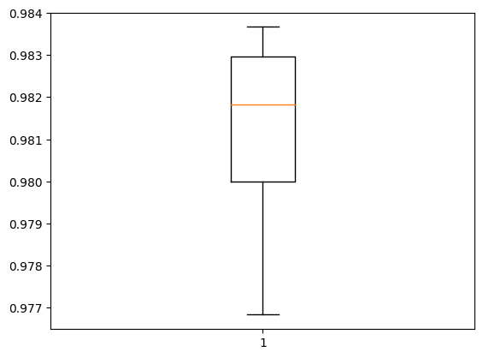
Fold 1: Accuracy at Last Epoch: 0.988 Stability Metric (Standard Deviation of Convergence Rates): 0.061 Rate of Convergence (Loss Reduction Per Epoch): [0.2043873518705368, 0.04254944622516632, 0.023371398448944092, 0.015060007572174072, 0.010542221367359161, 0.007601544260978699, 0.0067435018718242645, 0.00476384162902832, 0.004852514714002609] Average Rate of Convergence: 0.036 Mean Convergence Speed: 0.004 Initial Stage (Mean Accuracy for First 5 Epochs): 0.956 Mid Stage (Mean Accuracy for Middle Epochs): 0.981 Late Stage (Mean Accuracy for Last 5 Epochs): 0.985 -------------------------------------------------- Test Accuracy: 97.950% ================================================== Fold 2: Accuracy at Last Epoch: 0.985 Stability Metric (Standard Deviation of Convergence Rates): 0.062 Rate of Convergence (Loss Reduction Per Epoch): [0.21172656118869781, 0.04633243381977081, 0.02619224041700363, 0.01819583773612976, 0.013104915618896484, 0.00990770012140274, 0.007953263819217682, 0.006021171808242798, 0.006087224930524826] Average Rate of Convergence: 0.038 Mean Convergence Speed: 0.004 Initial Stage (Mean Accuracy for First 5 Epochs): 0.948 Mid Stage (Mean Accuracy for Middle Epochs): 0.976 Late Stage (Mean Accuracy for Last 5 Epochs): 0.982 -------------------------------------------------- Test Accuracy: 97.683% ================================================== Fold 3: Accuracy at Last Epoch: 0.988 Stability Metric (Standard Deviation of Convergence Rates): 0.062 Rate of Convergence (Loss Reduction Per Epoch): [0.2070191651582718, 0.041164979338645935, 0.021289773285388947, 0.013921007513999939, 0.00945744663476944, 0.007363621145486832, 0.006144825369119644, 0.004407219588756561, 0.003917217254638672] Average Rate of Convergence: 0.035 Mean Convergence Speed: 0.003 Initial Stage (Mean Accuracy for First 5 Epochs): 0.958 Mid Stage (Mean Accuracy for Middle Epochs): 0.982 Late Stage (Mean Accuracy for Last 5 Epochs): 0.986 ---

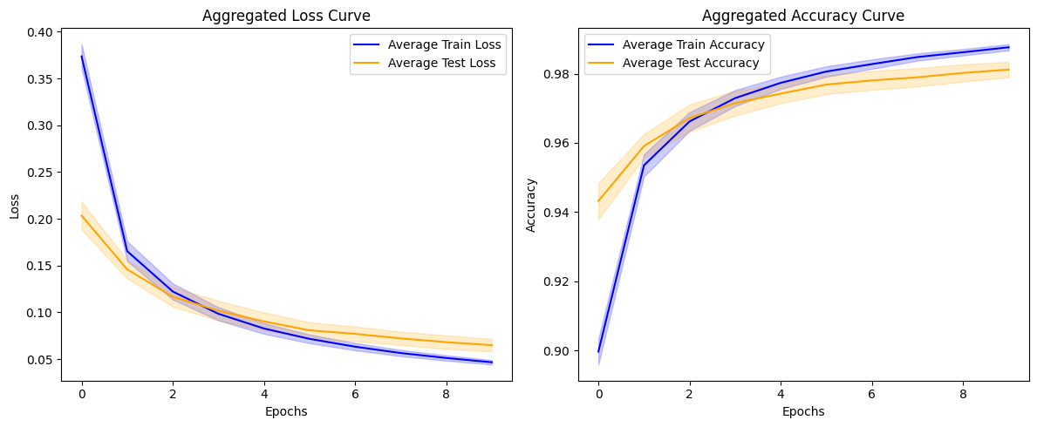

 | Accuracy: mean=98.118 std=0.224, n=10

case26
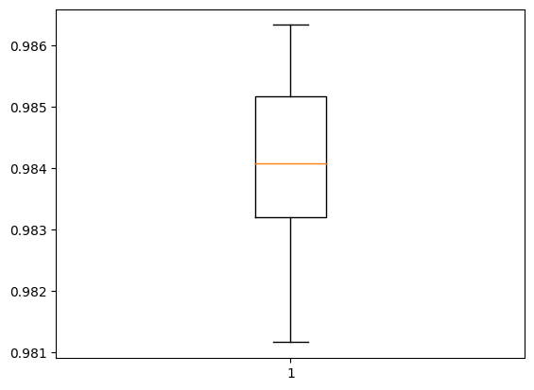
Fold 1: Accuracy at Last Epoch: 0.992 Stability Metric (Standard Deviation of Convergence Rates): 0.042 Rate of Convergence (Loss Reduction Per Epoch): [0.1400001272559166, 0.029424533247947693, 0.015392608940601349, 0.010305501520633698, 0.006825722754001617, 0.005569584667682648, 0.003917358815670013, 0.003513544797897339, 0.002965252846479416] Average Rate of Convergence: 0.024 Mean Convergence Speed: 0.002 Initial Stage (Mean Accuracy for First 5 Epochs): 0.969 Mid Stage (Mean Accuracy for Middle Epochs): 0.987 Late Stage (Mean Accuracy for Last 5 Epochs): 0.990 -------------------------------------------------- Test Accuracy: 98.417% ================================================== Fold 2: Accuracy at Last Epoch: 0.991 Stability Metric (Standard Deviation of Convergence Rates): 0.042 Rate of Convergence (Loss Reduction Per Epoch): [0.14194314181804657, 0.03644174337387085, 0.019226834177970886, 0.012272924184799194, 0.008949533104896545, 0.0067744180560112, 0.00555187463760376, 0.004021473228931427, 0.003560468554496765] Average Rate of Convergence: 0.027 Mean Convergence Speed: 0.003 Initial Stage (Mean Accuracy for First 5 Epochs): 0.964 Mid Stage (Mean Accuracy for Middle Epochs): 0.984 Late Stage (Mean Accuracy for Last 5 Epochs): 0.988 -------------------------------------------------- Test Accuracy: 98.150% ================================================== Fold 3: Accuracy at Last Epoch: 0.991 Stability Metric (Standard Deviation of Convergence Rates): 0.043 Rate of Convergence (Loss Reduction Per Epoch): [0.14621828496456146, 0.033712565898895264, 0.017165355384349823, 0.011722464114427567, 0.008067749440670013, 0.00586438924074173, 0.004679784178733826, 0.0038727521896362305, 0.0034124888479709625] Average Rate of Convergence: 0.026 Mean Convergence Speed: 0.003 Initial Stage (Mean Accuracy for First 5 Epochs): 0.966 Mid Stage (Mean Accuracy for Middle Epochs): 0.985 Late Stage (Mean Accuracy for Last 5 Epochs): 0.989

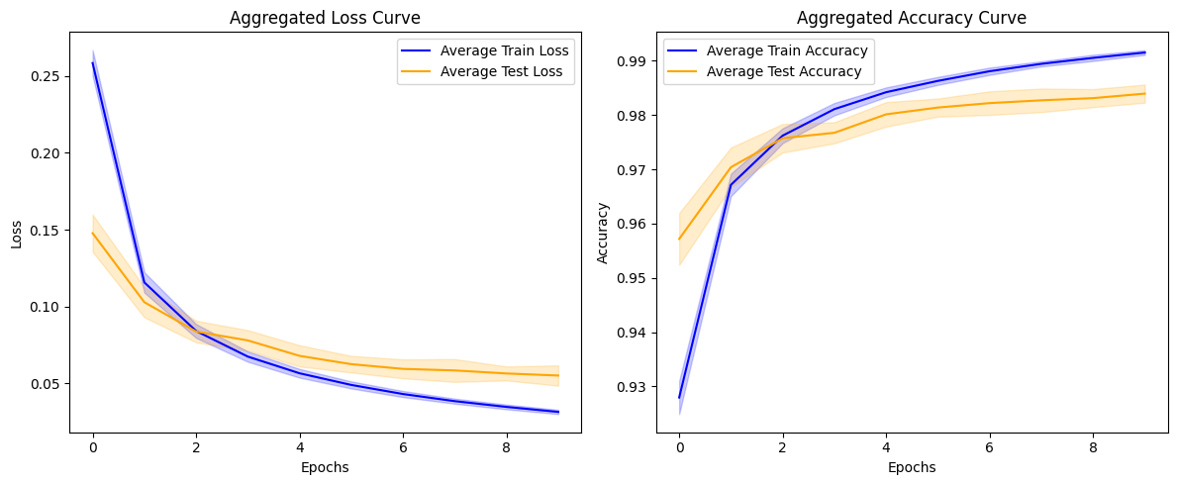

 | Accuracy: mean=98.395 std=0.167, n=10

case25
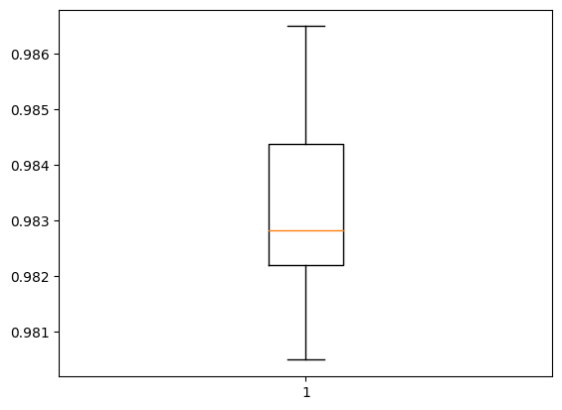
Fold 1: Accuracy at Last Epoch: 0.991 Stability Metric (Standard Deviation of Convergence Rates): 0.049 Rate of Convergence (Loss Reduction Per Epoch): [0.16456575691699982, 0.03538036346435547, 0.01934981346130371, 0.011734552681446075, 0.008618250489234924, 0.0065613314509391785, 0.0045038387179374695, 0.004569973796606064, 0.0036060474812984467] Average Rate of Convergence: 0.029 Mean Convergence Speed: 0.003 Initial Stage (Mean Accuracy for First 5 Epochs): 0.963 Mid Stage (Mean Accuracy for Middle Epochs): 0.984 Late Stage (Mean Accuracy for Last 5 Epochs): 0.988 -------------------------------------------------- Test Accuracy: 98.250% ================================================== Fold 2: Accuracy at Last Epoch: 0.990 Stability Metric (Standard Deviation of Convergence Rates): 0.051 Rate of Convergence (Loss Reduction Per Epoch): [0.17296777665615082, 0.038713306188583374, 0.020565591752529144, 0.013545744121074677, 0.009738162159919739, 0.006641194224357605, 0.005842145532369614, 0.004639342427253723, 0.00396757572889328] Average Rate of Convergence: 0.031 Mean Convergence Speed: 0.003 Initial Stage (Mean Accuracy for First 5 Epochs): 0.961 Mid Stage (Mean Accuracy for Middle Epochs): 0.983 Late Stage (Mean Accuracy for Last 5 Epochs): 0.987 -------------------------------------------------- Test Accuracy: 98.217% ================================================== Fold 3: Accuracy at Last Epoch: 0.990 Stability Metric (Standard Deviation of Convergence Rates): 0.051 Rate of Convergence (Loss Reduction Per Epoch): [0.1726759672164917, 0.0364031121134758, 0.019983239471912384, 0.012299858033657074, 0.009327273815870285, 0.00627480074763298, 0.005718078464269638, 0.003954317420721054, 0.0038638561964035034] Average Rate of Convergence: 0.030 Mean Convergence Speed: 0.003 Initial Stage (Mean Accuracy for First 5 Epochs): 0.962 Mid Stage (Mean Accuracy for Middle Epochs): 0.984 Late Stage (Mean Accuracy for Last 5 Epochs): 0.988

Accuracy: mean=98.330 std=0.166, n=10

case24
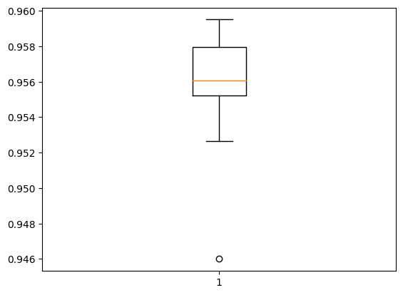
Fold 1: Accuracy at Last Epoch: 0.955 Stability Metric (Standard Deviation of Convergence Rates): 0.158 Rate of Convergence (Loss Reduction Per Epoch): [0.5236068069934845, 0.08279028534889221, 0.03995189070701599, 0.025378048419952393, 0.018964171409606934, 0.014889314770698547, 0.012144893407821655, 0.010519355535507202, 0.008873358368873596] Average Rate of Convergence: 0.082 Mean Convergence Speed: 0.008 Initial Stage (Mean Accuracy for First 5 Epochs): 0.895 Mid Stage (Mean Accuracy for Middle Epochs): 0.941 Late Stage (Mean Accuracy for Last 5 Epochs): 0.949 -------------------------------------------------- Test Accuracy: 95.267% ================================================== Fold 2: Accuracy at Last Epoch: 0.961 Stability Metric (Standard Deviation of Convergence Rates): 0.141 Rate of Convergence (Loss Reduction Per Epoch): [0.46983304619789124, 0.07096248865127563, 0.03590206801891327, 0.02419339120388031, 0.01830776035785675, 0.014732137322425842, 0.012279972434043884, 0.010261639952659607, 0.008576884865760803] Average Rate of Convergence: 0.074 Mean Convergence Speed: 0.007 Initial Stage (Mean Accuracy for First 5 Epochs): 0.906 Mid Stage (Mean Accuracy for Middle Epochs): 0.947 Late Stage (Mean Accuracy for Last 5 Epochs): 0.955 -------------------------------------------------- Test Accuracy: 95.867% ================================================== Fold 3: Accuracy at Last Epoch: 0.959 Stability Metric (Standard Deviation of Convergence Rates): 0.134 Rate of Convergence (Loss Reduction Per Epoch): [0.445823609828949, 0.06696116924285889, 0.034746766090393066, 0.023277193307876587, 0.01758737862110138, 0.014241084456443787, 0.011952295899391174, 0.009886607527732849, 0.00883476436138153] Average Rate of Convergence: 0.070 Mean Convergence Speed: 0.007 Initial Stage (Mean Accuracy for First 5 Epochs): 0.903 Mid Stage (Mean Accuracy for Middle Epochs): 0.945 Late Stage (Mean Accuracy for Last 5 Epochs): 0.953 ----------------------------------------
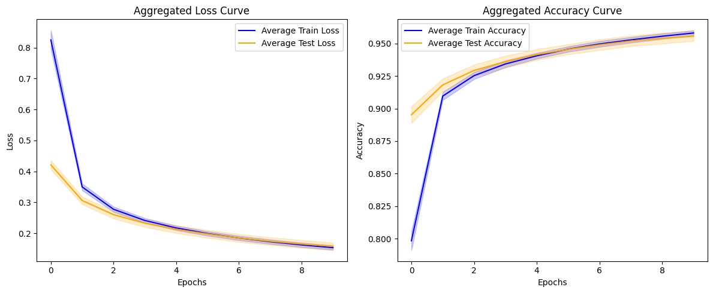

 | Accuracy: mean=95.557 std=0.370, n=10

case23
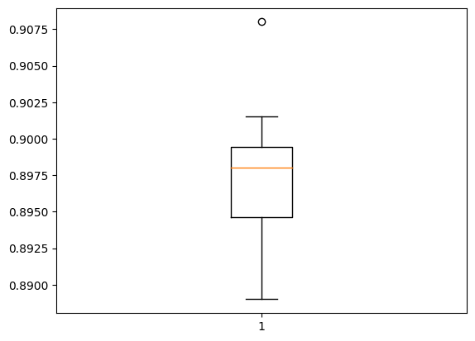
Fold 1: Accuracy at Last Epoch: 0.894 Stability Metric (Standard Deviation of Convergence Rates): 0.186 Rate of Convergence (Loss Reduction Per Epoch): [0.6083155870437622, 0.38050293922424316, 0.22911405563354492, 0.1404131054878235, 0.09250378608703613, 0.06416904926300049, 0.04664096236228943, 0.035321205854415894, 0.027660340070724487] Average Rate of Convergence: 0.181 Mean Convergence Speed: 0.018 Initial Stage (Mean Accuracy for First 5 Epochs): 0.685 Mid Stage (Mean Accuracy for Middle Epochs): 0.858 Late Stage (Mean Accuracy for Last 5 Epochs): 0.881 -------------------------------------------------- Test Accuracy: 89.433% ================================================== Fold 2: Accuracy at Last Epoch: 0.892 Stability Metric (Standard Deviation of Convergence Rates): 0.183 Rate of Convergence (Loss Reduction Per Epoch): [0.6095294952392578, 0.36608004570007324, 0.22372561693191528, 0.1427263617515564, 0.09654438495635986, 0.06801486015319824, 0.04958474636077881, 0.03785577416419983, 0.029834508895874023] Average Rate of Convergence: 0.180 Mean Convergence Speed: 0.018 Initial Stage (Mean Accuracy for First 5 Epochs): 0.687 Mid Stage (Mean Accuracy for Middle Epochs): 0.855 Late Stage (Mean Accuracy for Last 5 Epochs): 0.878 -------------------------------------------------- Test Accuracy: 89.917% ================================================== Fold 3: Accuracy at Last Epoch: 0.901 Stability Metric (Standard Deviation of Convergence Rates): 0.218 Rate of Convergence (Loss Reduction Per Epoch): [0.7228832244873047, 0.360806405544281, 0.193015456199646, 0.11300939321517944, 0.07229405641555786, 0.049492329359054565, 0.03636297583580017, 0.027908116579055786, 0.022146552801132202] Average Rate of Convergence: 0.178 Mean Convergence Speed: 0.018 Initial Stage (Mean Accuracy for First 5 Epochs): 0.730 Mid Stage (Mean Accuracy for Middle Epochs): 0.874 Late Stage (Mean Accuracy for Last 5 Epochs): 0.891 ----------------------

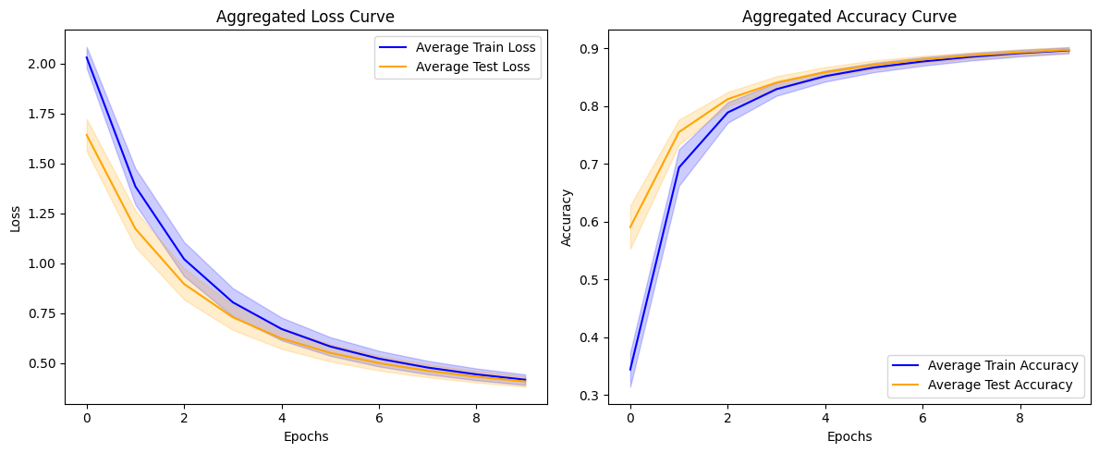

 | Accuracy: mean=89.738 std=0.514, n=10

case22
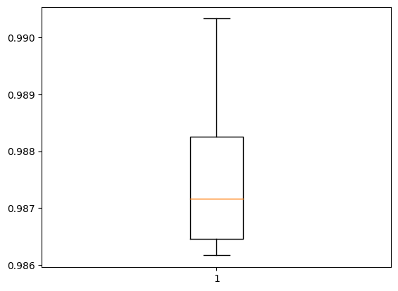
Fold 1: Accuracy at Last Epoch: 1.000 Stability Metric (Standard Deviation of Convergence Rates): 0.026 Rate of Convergence (Loss Reduction Per Epoch): [0.08476214483380318, 0.018077770248055458, 0.010327826254069805, 0.004803118761628866, 0.0029407269321382046, 0.000825001741759479, 0.0005157379200682044, 0.00010179023956879973, 0.00012354904902167618] Average Rate of Convergence: 0.014 Mean Convergence Speed: 0.001 Initial Stage (Mean Accuracy for First 5 Epochs): 0.988 Mid Stage (Mean Accuracy for Middle Epochs): 0.999 Late Stage (Mean Accuracy for Last 5 Epochs): 1.000 -------------------------------------------------- Test Accuracy: 98.633% ================================================== Fold 2: Accuracy at Last Epoch: 1.000 Stability Metric (Standard Deviation of Convergence Rates): 0.028 Rate of Convergence (Loss Reduction Per Epoch): [0.09193249046802521, 0.01790573261678219, 0.011286241002380848, 0.004785794299095869, 0.0030629117973148823, 0.0018986857030540705, 0.0007237151730805635, 0.0005266846274025738, 0.00020205514738336205] Average Rate of Convergence: 0.015 Mean Convergence Speed: 0.001 Initial Stage (Mean Accuracy for First 5 Epochs): 0.988 Mid Stage (Mean Accuracy for Middle Epochs): 0.999 Late Stage (Mean Accuracy for Last 5 Epochs): 1.000 -------------------------------------------------- Test Accuracy: 98.683% ================================================== Fold 3: Accuracy at Last Epoch: 1.000 Stability Metric (Standard Deviation of Convergence Rates): 0.026 Rate of Convergence (Loss Reduction Per Epoch): [0.08633659780025482, 0.017626717686653137, 0.010220502503216267, 0.0051170154474675655, 0.0028436537832021713, 0.0020338958129286766, 0.0010209131287410855, 0.0004735912079922855, 0.00023744470672681928] Average Rate of Convergence: 0.014 Mean Convergence Speed: 0.001 Initial Stage (Mean Accuracy for First 5 Epochs): 0.988 Mid Stage (Mean Accuracy for Middle Epochs): 0.999 Late Stage (Mean Accuracy for Last 5 Epochs): 1.000 ----------

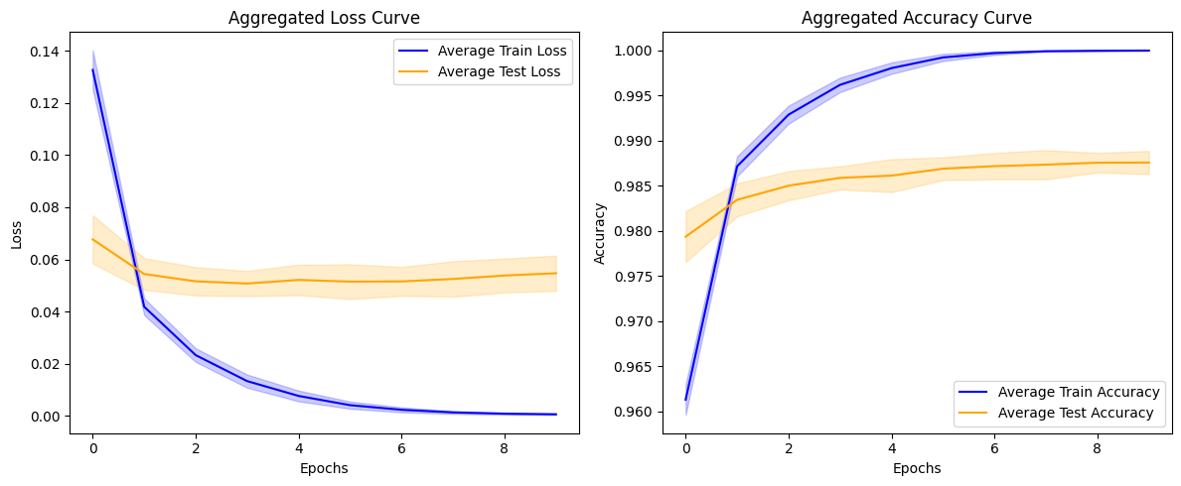

 | Accuracy: mean=98.757 std=0.129, n=10

case20
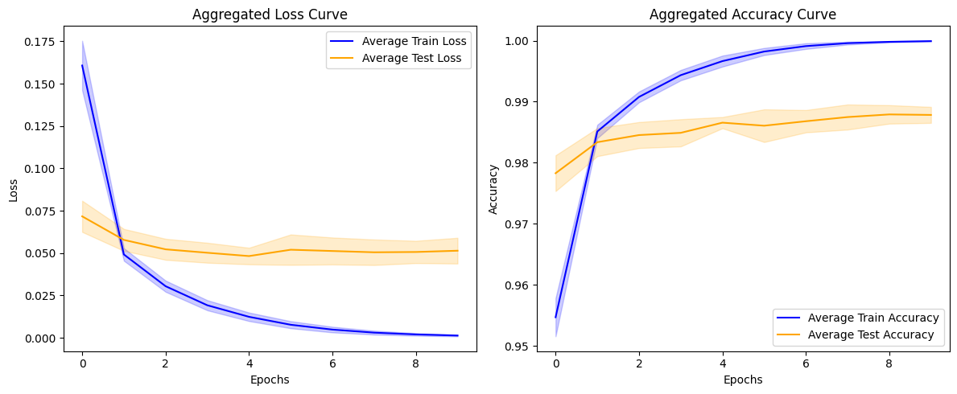
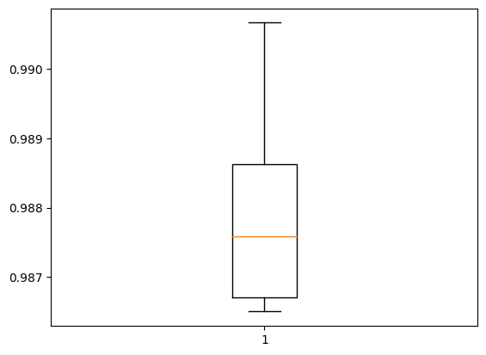
Fold 1: Accuracy at Last Epoch: 1.000 Stability Metric (Standard Deviation of Convergence Rates): 0.037 Rate of Convergence (Loss Reduction Per Epoch): [0.12362461164593697, 0.02032478339970112, 0.010593513026833534, 0.0069150375202298164, 0.005099017638713121, 0.0021921670995652676, 0.0013947656843811274, 0.0011996538378298283, 0.0004915918689221144] Average Rate of Convergence: 0.019 Mean Convergence Speed: 0.002 Initial Stage (Mean Accuracy for First 5 Epochs): 0.985 Mid Stage (Mean Accuracy for Middle Epochs): 0.998 Late Stage (Mean Accuracy for Last 5 Epochs): 0.999 -------------------------------------------------- Test Accuracy: 98.683% ==================================================
Fold 2: Accuracy at Last Epoch: 1.000 Stability Metric (Standard Deviation of Convergence Rates): 0.031 Rate of Convergence (Loss Reduction Per Epoch): [0.10242930054664612, 0.017669178545475006, 0.010272277519106865, 0.006017989479005337, 0.0042226267978549, 0.002565417205914855, 0.0008652941323816776, 0.0006460874574258924, 0.00040719431126490235] Average Rate of Convergence: 0.016 Mean Convergence Speed: 0.002 Initial Stage (Mean Accuracy for First 5 Epochs): 0.986 Mid Stage (Mean Accuracy for Middle Epochs): 0.998 Late Stage (Mean Accuracy for Last 5 Epochs): 1.000 -------------------------------------------------- Test Accuracy: 98.667% ================================================== | Accuracy: mean=98.783 std=0.131, n=10
Fold 3: Accuracy at Last Epoch: 1.000 Stability Metric (Standard Deviation of Convergence Rates): 0.033 Rate of Convergence (Loss Reduction Per Epoch): [0.10931413620710373, 0.019529322162270546, 0.011060060933232307, 0.006570716388523579, 0.004549202509224415, 0.002805191557854414, 0.0015395646914839745, 0.0007348499493673444, 0.000382576254196465] Average Rate of Convergence: 0.017 Mean Convergence Speed: 0.002 Initial Stage (Mean Accuracy for First 5 Epochs): 0.985 Mid Stage (Mean Accuracy for Middle Epochs): 0.998 Late Stage (Mean Accuracy for Last 5 Epochs): 1.000 -------------------------------------------------- Test Accuracy: 98.800% ==================================================
Fold 4: Accuracy at Last Epoch: 1.000 Stability Metric (Standard Deviation of Convergence Rates): 0.032 Rate of Convergence (Loss Reduction Per Epoch): [0.1061236634850502, 0.019885879009962082, 0.010744694620370865, 0.007791814394295216, 0.0051653096452355385, 0.002897565718740225, 0.0017193295061588287, 0.0012795126531273127, 0.0007325918413698673] Average Rate of Convergence: 0.017 Mean Convergence Speed: 0.002 Initial Stage (Mean Accuracy for First 5 Epochs): 0.984 Mid Stage (Mean Accuracy for Middle Epochs): 0.997 Late Stage (Mean Accuracy for Last 5 Epochs): 0.999 -------------------------------------------------- Test Accuracy: 98.650% ==================================================
Fold 5: Accuracy at Last Epoch: 1.000 Stability Metric (Standard Deviation of Convergence Rates): 0.039 Rate of Convergence (Loss Reduction Per Epoch): [0.13098577037453651, 0.01939190924167633, 0.011511474847793579, 0.00709625706076622, 0.0056123025715351105, 0.0030330540612339973, 0.003030446358025074, 0.001903509022668004, 0.0011064971331506968] Average Rate of Convergence: 0.020 Mean Convergence Speed: 0.002 Initial Stage (Mean Accuracy for First 5 Epochs): 0.982 Mid Stage (Mean Accuracy for Middle Epochs): 0.997 Late Stage (Mean Accuracy for Last 5 Epochs): 0.999 -------------------------------------------------- Test Accuracy: 98.717% ==================================================
Fold 6: Accuracy at Last Epoch: 1.000 Stability Metric (Standard Deviation of Convergence Rates): 0.036 Rate of Convergence (Loss Reduction Per Epoch): [0.12042785063385963, 0.017489522695541382, 0.011500837281346321, 0.006071046926081181, 0.0052840691059827805, 0.0026770238764584064, 0.002291795564815402, 0.001096647698432207, 0.0007997670909389853] Average Rate of Convergence: 0.019 Mean Convergence Speed: 0.002 Initial Stage (Mean Accuracy for First 5 Epochs): 0.984 Mid Stage (Mean Accuracy for Middle Epochs): 0.997 Late Stage (Mean Accuracy for Last 5 Epochs): 0.999 -------------------------------------------------- Test Accuracy: 98.650% ==================================================
Fold 7: Accuracy at Last Epoch: 1.000 Stability Metric (Standard Deviation of Convergence Rates): 0.037 Rate of Convergence (Loss Reduction Per Epoch): [0.1236412525177002, 0.018886052072048187, 0.012193242087960243, 0.008041925728321075, 0.004936911165714264, 0.0044911750592291355, 0.002274662721902132, 0.0015608207322657108, 0.0012079030275344849] Average Rate of Convergence: 0.020 Mean Convergence Speed: 0.002 Initial Stage (Mean Accuracy for First 5 Epochs): 0.981 Mid Stage (Mean Accuracy for Middle Epochs): 0.997 Late Stage (Mean Accuracy for Last 5 Epochs): 0.999 -------------------------------------------------- Test Accuracy: 99.067% ==================================================
Fold 8: Accuracy at Last Epoch: 1.000 Stability Metric (Standard Deviation of Convergence Rates): 0.030 Rate of Convergence (Loss Reduction Per Epoch): [0.09821456670761108, 0.018249638378620148, 0.011938517913222313, 0.006252875551581383, 0.004073914140462875, 0.0024232319556176662, 0.0016846030484884977, 0.0008405683329328895, 0.0005713039427064359] Average Rate of Convergence: 0.016 Mean Convergence Speed: 0.002 Initial Stage (Mean Accuracy for First 5 Epochs): 0.985 Mid Stage (Mean Accuracy for Middle Epochs): 0.998 Late Stage (Mean Accuracy for Last 5 Epochs): 0.999 -------------------------------------------------- Test Accuracy: 98.883% ==================================================
Fold 9: Accuracy at Last Epoch: 1.000 Stability Metric (Standard Deviation of Convergence Rates): 0.032 Rate of Convergence (Loss Reduction Per Epoch): [0.10546617582440376, 0.017674392089247704, 0.011783629655838013, 0.007313767448067665, 0.0035496451891958714, 0.0030041602440178394, 0.0016363505274057388, 0.0007824396016076207, 0.0005246126092970371] Average Rate of Convergence: 0.017 Mean Convergence Speed: 0.002 Initial Stage (Mean Accuracy for First 5 Epochs): 0.985 Mid Stage (Mean Accuracy for Middle Epochs): 0.998 Late Stage (Mean Accuracy for Last 5 Epochs): 0.999 -------------------------------------------------- Test Accuracy: 98.800% ==================================================
Fold 10: Accuracy at Last Epoch: 1.000 Stability Metric (Standard Deviation of Convergence Rates): 0.029 Rate of Convergence (Loss Reduction Per Epoch): [0.09554214775562286, 0.018195588141679764, 0.010908309370279312, 0.006178596988320351, 0.004303176887333393, 0.0024867947213351727, 0.0016053079161792994, 0.00047727779019623995, 0.0004590655444189906] Average Rate of Convergence: 0.016 Mean Convergence Speed: 0.002 Initial Stage (Mean Accuracy for First 5 Epochs): 0.986 Mid Stage (Mean Accuracy for Middle Epochs): 0.998 Late Stage (Mean Accuracy for Last 5 Epochs): 1.000 -------------------------------------------------- Test Accuracy: 98.917% ==================================================

Mean Performance Across All Folds: Mean Accuracy: 1.000 Mean Stability Metric: 0.034 Mean Rate of Convergence: 0.018 Mean Convergence Speed: 0.002 Mean Initial Accuracy (First 5 Epochs): 0.984 Mean Mid Accuracy (Middle Epochs): 0.998 Mean Late Accuracy (Last 5 Epochs): 0.999

case19
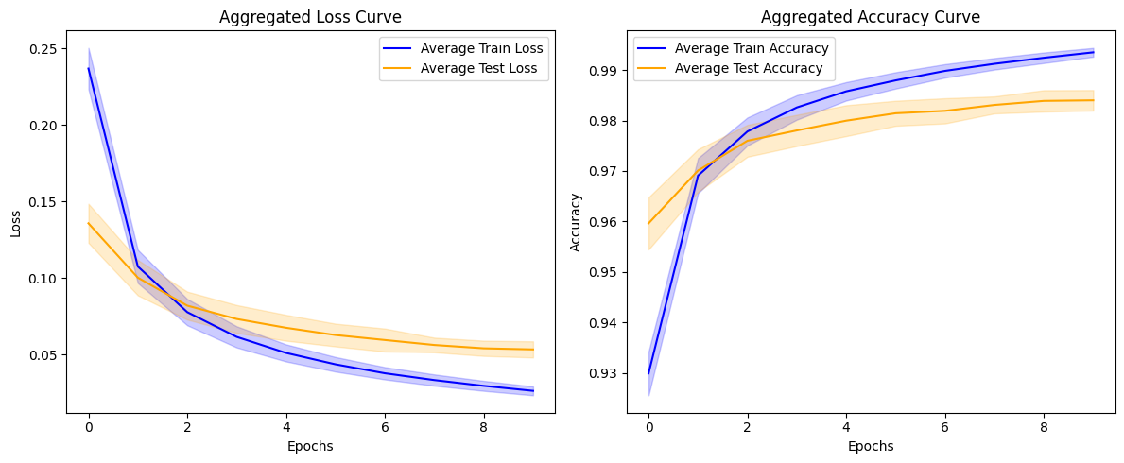
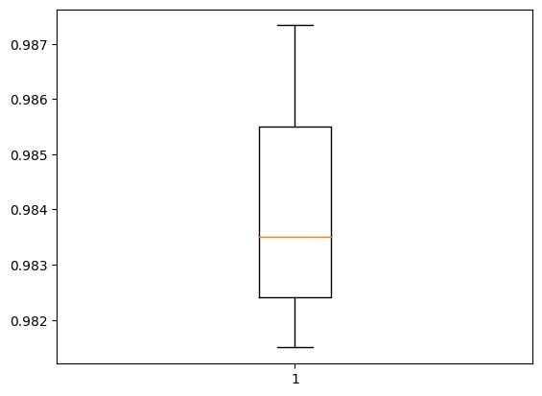
Fold 1: Accuracy at Last Epoch: 0.995 Stability Metric (Standard Deviation of Convergence Rates): 0.037 Rate of Convergence (Loss Reduction Per Epoch): [0.12335377931594849, 0.02559758722782135, 0.014359652996063232, 0.00876639038324356, 0.006678923964500427, 0.004735194146633148, 0.003996938467025757, 0.0034449007362127304, 0.002695241943001747] Average Rate of Convergence: 0.022 Mean Convergence Speed: 0.002 Initial Stage (Mean Accuracy for First 5 Epochs): 0.973 Mid Stage (Mean Accuracy for Middle Epochs): 0.990 Late Stage (Mean Accuracy for Last 5 Epochs): 0.993 -------------------------------------------------- Test Accuracy: 98.367% ==================================================
Fold 2: Accuracy at Last Epoch: 0.992 Stability Metric (Standard Deviation of Convergence Rates): 0.039 Rate of Convergence (Loss Reduction Per Epoch): [0.13148608803749084, 0.03394809365272522, 0.020328164100646973, 0.013628602027893066, 0.009713124483823776, 0.007461033761501312, 0.0051847100257873535, 0.004731375724077225, 0.004027199000120163] Average Rate of Convergence: 0.026 Mean Convergence Speed: 0.003 Initial Stage (Mean Accuracy for First 5 Epochs): 0.963 Mid Stage (Mean Accuracy for Middle Epochs): 0.984 Late Stage (Mean Accuracy for Last 5 Epochs): 0.988 -------------------------------------------------- Test Accuracy: 98.150% ================================================== | Accuracy: mean=98.400 std=0.204, n=10
Fold 3: Accuracy at Last Epoch: 0.993 Stability Metric (Standard Deviation of Convergence Rates): 0.037 Rate of Convergence (Loss Reduction Per Epoch): [0.12457004189491272, 0.030192531645298004, 0.016568362712860107, 0.010952197015285492, 0.007850918918848038, 0.006528403609991074, 0.004529524594545364, 0.003920998424291611, 0.00389893539249897] Average Rate of Convergence: 0.023 Mean Convergence Speed: 0.002 Initial Stage (Mean Accuracy for First 5 Epochs): 0.967 Mid Stage (Mean Accuracy for Middle Epochs): 0.986 Late Stage (Mean Accuracy for Last 5 Epochs): 0.990 -------------------------------------------------- Test Accuracy: 98.333% ==================================================
Fold 4: Accuracy at Last Epoch: 0.994 Stability Metric (Standard Deviation of Convergence Rates): 0.038 Rate of Convergence (Loss Reduction Per Epoch): [0.12946400791406631, 0.02988458424806595, 0.016853712499141693, 0.010278496891260147, 0.007857006043195724, 0.005542151629924774, 0.004639070481061935, 0.003918681293725967, 0.0030258391052484512] Average Rate of Convergence: 0.023 Mean Convergence Speed: 0.002 Initial Stage (Mean Accuracy for First 5 Epochs): 0.969 Mid Stage (Mean Accuracy for Middle Epochs): 0.988 Late Stage (Mean Accuracy for Last 5 Epochs): 0.991 -------------------------------------------------- Test Accuracy: 98.167% ==================================================
Fold 5: Accuracy at Last Epoch: 0.994 Stability Metric (Standard Deviation of Convergence Rates): 0.041 Rate of Convergence (Loss Reduction Per Epoch): [0.13825853168964386, 0.031245842576026917, 0.016003116965293884, 0.010180607438087463, 0.007095199078321457, 0.005163881927728653, 0.0044424645602703094, 0.0032808538526296616, 0.0032982639968395233] Average Rate of Convergence: 0.024 Mean Convergence Speed: 0.002 Initial Stage (Mean Accuracy for First 5 Epochs): 0.970 Mid Stage (Mean Accuracy for Middle Epochs): 0.988 Late Stage (Mean Accuracy for Last 5 Epochs): 0.992 -------------------------------------------------- Test Accuracy: 98.600% ==================================================
Fold 6: Accuracy at Last Epoch: 0.994 Stability Metric (Standard Deviation of Convergence Rates): 0.037 Rate of Convergence (Loss Reduction Per Epoch): [0.1246723160147667, 0.02842230349779129, 0.015117485076189041, 0.009596288204193115, 0.0075926631689071655, 0.005272131413221359, 0.004529379308223724, 0.003567734733223915, 0.0030880365520715714] Average Rate of Convergence: 0.022 Mean Convergence Speed: 0.002 Initial Stage (Mean Accuracy for First 5 Epochs): 0.970 Mid Stage (Mean Accuracy for Middle Epochs): 0.988 Late Stage (Mean Accuracy for Last 5 Epochs): 0.991 -------------------------------------------------- Test Accuracy: 98.317% ==================================================
Fold 7: Accuracy at Last Epoch: 0.993 Stability Metric (Standard Deviation of Convergence Rates): 0.038 Rate of Convergence (Loss Reduction Per Epoch): [0.12924129515886307, 0.031429558992385864, 0.01654265820980072, 0.011097226291894913, 0.0071456655859947205, 0.006218437105417252, 0.004628229886293411, 0.00393049418926239, 0.003312714397907257] Average Rate of Convergence: 0.024 Mean Convergence Speed: 0.002 Initial Stage (Mean Accuracy for First 5 Epochs): 0.968 Mid Stage (Mean Accuracy for Middle Epochs): 0.987 Late Stage (Mean Accuracy for Last 5 Epochs): 0.990 -------------------------------------------------- Test Accuracy: 98.400% ==================================================
Fold 8: Accuracy at Last Epoch: 0.995 Stability Metric (Standard Deviation of Convergence Rates): 0.037 Rate of Convergence (Loss Reduction Per Epoch): [0.12508392333984375, 0.026063524186611176, 0.0133931003510952, 0.008621849119663239, 0.0062528811395168304, 0.005136460065841675, 0.003769543021917343, 0.0030095726251602173, 0.002746252343058586] Average Rate of Convergence: 0.022 Mean Convergence Speed: 0.002 Initial Stage (Mean Accuracy for First 5 Epochs): 0.974 Mid Stage (Mean Accuracy for Middle Epochs): 0.990 Late Stage (Mean Accuracy for Last 5 Epochs): 0.993 -------------------------------------------------- Test Accuracy: 98.717% ==================================================
Fold 9: Accuracy at Last Epoch: 0.993 Stability Metric (Standard Deviation of Convergence Rates): 0.039 Rate of Convergence (Loss Reduction Per Epoch): [0.13344354182481766, 0.03119175136089325, 0.01620812714099884, 0.011198095977306366, 0.007244080305099487, 0.006660174578428268, 0.004376981407403946, 0.004171308130025864, 0.0033647138625383377] Average Rate of Convergence: 0.024 Mean Convergence Speed: 0.002 Initial Stage (Mean Accuracy for First 5 Epochs): 0.968 Mid Stage (Mean Accuracy for Middle Epochs): 0.987 Late Stage (Mean Accuracy for Last 5 Epochs): 0.990 -------------------------------------------------- Test Accuracy: 98.217% ==================================================
Fold 10: Accuracy at Last Epoch: 0.994 Stability Metric (Standard Deviation of Convergence Rates): 0.039 Rate of Convergence (Loss Reduction Per Epoch): [0.13239609450101852, 0.029954075813293457, 0.016069963574409485, 0.01042896881699562, 0.00695139542222023, 0.005711160600185394, 0.004304680973291397, 0.003782058134675026, 0.0031739063560962677] Average Rate of Convergence: 0.024 Mean Convergence Speed: 0.002 Initial Stage (Mean Accuracy for First 5 Epochs): 0.969 Mid Stage (Mean Accuracy for Middle Epochs): 0.988 Late Stage (Mean Accuracy for Last 5 Epochs): 0.991 -------------------------------------------------- Test Accuracy: 98.733% ================================================== Mean Performance Across All Folds: Mean Accuracy: 0.994 Mean Stability Metric: 0.038 Mean Rate of Convergence: 0.023 Mean Convergence Speed: 0.002 Mean Initial Accuracy (First 5 Epochs): 0.969 Mean Mid Accuracy (Middle Epochs): 0.987 Mean Late Accuracy (Last 5 Epochs): 0.991

case18
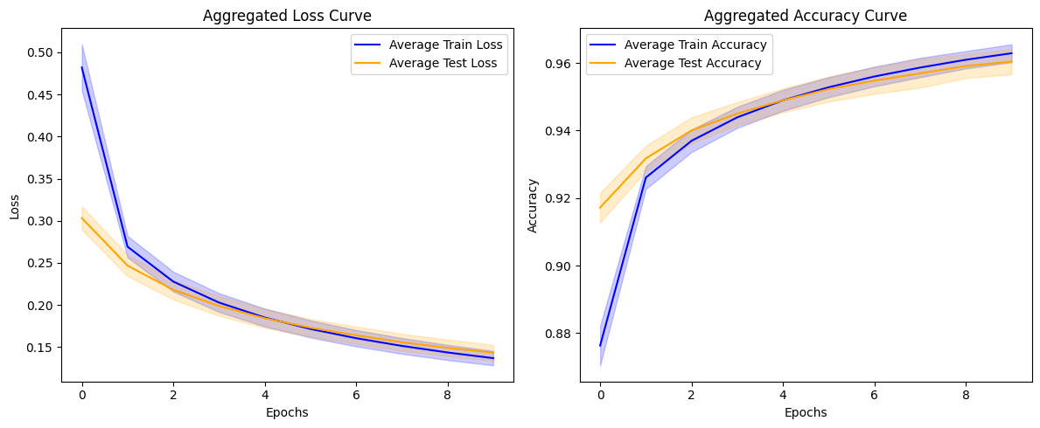
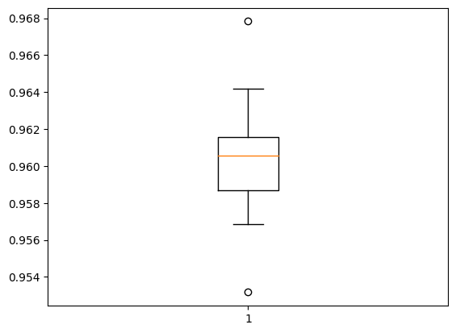
Fold 1: Accuracy at Last Epoch: 0.963 Stability Metric (Standard Deviation of Convergence Rates): 0.063 Rate of Convergence (Loss Reduction Per Epoch): [0.21490898728370667, 0.043262138962745667, 0.026133403182029724, 0.018657684326171875, 0.014315977692604065, 0.011876732110977173, 0.009509101510047913, 0.008420795202255249, 0.00709041953086853] Average Rate of Convergence: 0.039 Mean Convergence Speed: 0.004 Initial Stage (Mean Accuracy for First 5 Epochs): 0.925 Mid Stage (Mean Accuracy for Middle Epochs): 0.951 Late Stage (Mean Accuracy for Last 5 Epochs): 0.958 -------------------------------------------------- Test Accuracy: 96.033% ==================================================
Fold 2: Accuracy at Last Epoch: 0.957 Stability Metric (Standard Deviation of Convergence Rates): 0.074 Rate of Convergence (Loss Reduction Per Epoch): [0.24899372458457947, 0.044651806354522705, 0.02643066644668579, 0.018871992826461792, 0.014320343732833862, 0.011758685111999512, 0.009709864854812622, 0.008561104536056519, 0.007440090179443359] Average Rate of Convergence: 0.043 Mean Convergence Speed: 0.004 Initial Stage (Mean Accuracy for First 5 Epochs): 0.918 Mid Stage (Mean Accuracy for Middle Epochs): 0.945 Late Stage (Mean Accuracy for Last 5 Epochs): 0.952 -------------------------------------------------- Test Accuracy: 95.317% ================================================== | Accuracy: mean=96.042 std=0.377, n=10
Fold 3: Accuracy at Last Epoch: 0.964 Stability Metric (Standard Deviation of Convergence Rates): 0.065 Rate of Convergence (Loss Reduction Per Epoch): [0.21884691715240479, 0.040599972009658813, 0.023843884468078613, 0.017150700092315674, 0.013170257210731506, 0.010643094778060913, 0.008662179112434387, 0.007551401853561401, 0.006431475281715393] Average Rate of Convergence: 0.039 Mean Convergence Speed: 0.004 Initial Stage (Mean Accuracy for First 5 Epochs): 0.928 Mid Stage (Mean Accuracy for Middle Epochs): 0.954 Late Stage (Mean Accuracy for Last 5 Epochs): 0.960 -------------------------------------------------- Test Accuracy: 96.083% ==================================================
Fold 4: Accuracy at Last Epoch: 0.961 Stability Metric (Standard Deviation of Convergence Rates): 0.060 Rate of Convergence (Loss Reduction Per Epoch): [0.204816997051239, 0.03978237509727478, 0.024475887417793274, 0.018093779683113098, 0.013850018382072449, 0.011288836598396301, 0.00989578664302826, 0.008363813161849976, 0.007075265049934387] Average Rate of Convergence: 0.038 Mean Convergence Speed: 0.004 Initial Stage (Mean Accuracy for First 5 Epochs): 0.924 Mid Stage (Mean Accuracy for Middle Epochs): 0.949 Late Stage (Mean Accuracy for Last 5 Epochs): 0.956 -------------------------------------------------- Test Accuracy: 95.683% ==================================================
Fold 5: Accuracy at Last Epoch: 0.961 Stability Metric (Standard Deviation of Convergence Rates): 0.063 Rate of Convergence (Loss Reduction Per Epoch): [0.21354064345359802, 0.04015938937664032, 0.024402305483818054, 0.017581403255462646, 0.013490736484527588, 0.01072847843170166, 0.009132355451583862, 0.007625028491020203, 0.006853833794593811] Average Rate of Convergence: 0.038 Mean Convergence Speed: 0.004 Initial Stage (Mean Accuracy for First 5 Epochs): 0.926 Mid Stage (Mean Accuracy for Middle Epochs): 0.951 Late Stage (Mean Accuracy for Last 5 Epochs): 0.957 -------------------------------------------------- Test Accuracy: 96.083% ==================================================
Fold 6: Accuracy at Last Epoch: 0.965 Stability Metric (Standard Deviation of Convergence Rates): 0.058 Rate of Convergence (Loss Reduction Per Epoch): [0.19912311434745789, 0.0418783575296402, 0.02565300464630127, 0.018201187252998352, 0.01371254026889801, 0.011022523045539856, 0.008918538689613342, 0.0076770782470703125, 0.006363540887832642] Average Rate of Convergence: 0.037 Mean Convergence Speed: 0.004 Initial Stage (Mean Accuracy for First 5 Epochs): 0.929 Mid Stage (Mean Accuracy for Middle Epochs): 0.954 Late Stage (Mean Accuracy for Last 5 Epochs): 0.961 -------------------------------------------------- Test Accuracy: 95.817% ==================================================
Fold 7: Accuracy at Last Epoch: 0.965 Stability Metric (Standard Deviation of Convergence Rates): 0.054 Rate of Convergence (Loss Reduction Per Epoch): [0.18342381715774536, 0.03907625377178192, 0.0229596346616745, 0.016662105917930603, 0.012438192963600159, 0.010142698884010315, 0.008179157972335815, 0.007203161716461182, 0.00604228675365448] Average Rate of Convergence: 0.034 Mean Convergence Speed: 0.003 Initial Stage (Mean Accuracy for First 5 Epochs): 0.931 Mid Stage (Mean Accuracy for Middle Epochs): 0.955 Late Stage (Mean Accuracy for Last 5 Epochs): 0.961 -------------------------------------------------- Test Accuracy: 96.183% ==================================================
Fold 8: Accuracy at Last Epoch: 0.965 Stability Metric (Standard Deviation of Convergence Rates): 0.066 Rate of Convergence (Loss Reduction Per Epoch): [0.22508391737937927, 0.04260490834712982, 0.025376886129379272, 0.017579197883605957, 0.013264507055282593, 0.010842546820640564, 0.009066283702850342, 0.007499679923057556, 0.006647095084190369] Average Rate of Convergence: 0.040 Mean Convergence Speed: 0.004 Initial Stage (Mean Accuracy for First 5 Epochs): 0.929 Mid Stage (Mean Accuracy for Middle Epochs): 0.955 Late Stage (Mean Accuracy for Last 5 Epochs): 0.961 -------------------------------------------------- Test Accuracy: 96.417% ==================================================
Fold 9: Accuracy at Last Epoch: 0.962 Stability Metric (Standard Deviation of Convergence Rates): 0.057 Rate of Convergence (Loss Reduction Per Epoch): [0.19381117820739746, 0.03995831310749054, 0.025127872824668884, 0.01804487407207489, 0.01416313648223877, 0.011243388056755066, 0.00913393497467041, 0.007818728685379028, 0.00687408447265625] Average Rate of Convergence: 0.036 Mean Convergence Speed: 0.004 Initial Stage (Mean Accuracy for First 5 Epochs): 0.927 Mid Stage (Mean Accuracy for Middle Epochs): 0.952 Late Stage (Mean Accuracy for Last 5 Epochs): 0.958 -------------------------------------------------- Test Accuracy: 96.017% ==================================================
Fold 10: Accuracy at Last Epoch: 0.965 Stability Metric (Standard Deviation of Convergence Rates): 0.066 Rate of Convergence (Loss Reduction Per Epoch): [0.22512823343276978, 0.04198122024536133, 0.024449393153190613, 0.01704646646976471, 0.012923270463943481, 0.010288402438163757, 0.009076982736587524, 0.007408156991004944, 0.006510108709335327] Average Rate of Convergence: 0.039 Mean Convergence Speed: 0.004 Initial Stage (Mean Accuracy for First 5 Epochs): 0.929 Mid Stage (Mean Accuracy for Middle Epochs): 0.954 Late Stage (Mean Accuracy for Last 5 Epochs): 0.960 -------------------------------------------------- Test Accuracy: 96.783% ==================================================

Mean Performance Across All Folds: Mean Accuracy: 0.963 Mean Stability Metric: 0.063 Mean Rate of Convergence: 0.038 Mean Convergence Speed: 0.004 Mean Initial Accuracy (First 5 Epochs): 0.926 Mean Mid Accuracy (Middle Epochs): 0.952 Mean Late Accuracy (Last 5 Epochs): 0.958

case16
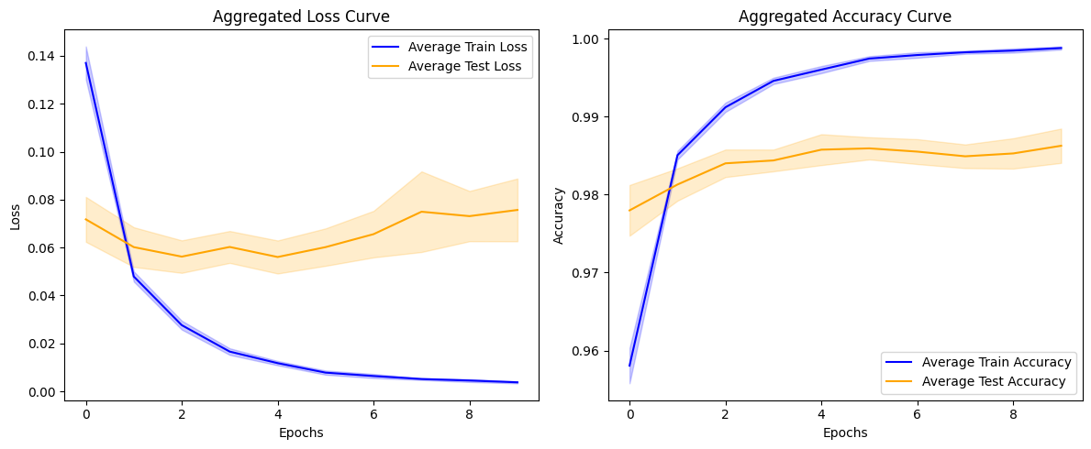
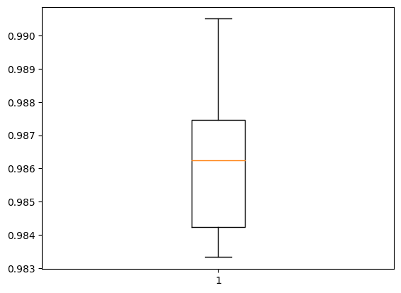
Fold 1: Accuracy at Last Epoch: 0.999 Stability Metric (Standard Deviation of Convergence Rates): 0.027 Rate of Convergence (Loss Reduction Per Epoch): [0.08915125951170921, 0.019923219457268715, 0.010594955645501614, 0.0036355461925268173, 0.00416165217757225, 0.0016268896870315075, 0.0001327325589954853, 0.0014353478327393532, 0.0007341890595853329] Average Rate of Convergence: 0.015 Mean Convergence Speed: 0.001 Initial Stage (Mean Accuracy for First 5 Epochs): 0.986 Mid Stage (Mean Accuracy for Middle Epochs): 0.997 Late Stage (Mean Accuracy for Last 5 Epochs): 0.998 -------------------------------------------------- Test Accuracy: 98.400% ==================================================
Fold 2: Accuracy at Last Epoch: 0.999 Stability Metric (Standard Deviation of Convergence Rates): 0.028 Rate of Convergence (Loss Reduction Per Epoch): [0.09193942323327065, 0.018700476735830307, 0.0126650370657444, 0.00395318865776062, 0.004900623112916946, 0.0009212475270032883, 0.001216920092701912, -4.335260018706322e-05, 0.001397166633978486] Average Rate of Convergence: 0.015 Mean Convergence Speed: 0.002 Initial Stage (Mean Accuracy for First 5 Epochs): 0.985 Mid Stage (Mean Accuracy for Middle Epochs): 0.997 Late Stage (Mean Accuracy for Last 5 Epochs): 0.998 -------------------------------------------------- Test Accuracy: 98.383% ================================================== | Accuracy: mean=98.625 std=0.220, n=10
Fold 3: Accuracy at Last Epoch: 0.999 Stability Metric (Standard Deviation of Convergence Rates): 0.028 Rate of Convergence (Loss Reduction Per Epoch): [0.09233678877353668, 0.02031981199979782, 0.011586647480726242, 0.0058220261707901955, 0.0036995550617575645, 0.0011308128014206886, 0.0028723259456455708, 0.0007164408452808857, 0.0012198863551020622] Average Rate of Convergence: 0.016 Mean Convergence Speed: 0.002 Initial Stage (Mean Accuracy for First 5 Epochs): 0.984 Mid Stage (Mean Accuracy for Middle Epochs): 0.996 Late Stage (Mean Accuracy for Last 5 Epochs): 0.998 -------------------------------------------------- Test Accuracy: 98.667% ==================================================
Fold 4: Accuracy at Last Epoch: 0.998 Stability Metric (Standard Deviation of Convergence Rates): 0.031 Rate of Convergence (Loss Reduction Per Epoch): [0.10116098821163177, 0.02157927118241787, 0.011888610199093819, 0.005049044266343117, 0.0058044614270329475, 0.0010001217015087605, 0.0005955030210316181, 0.000999219249933958, 0.0004048701375722885] Average Rate of Convergence: 0.016 Mean Convergence Speed: 0.002 Initial Stage (Mean Accuracy for First 5 Epochs): 0.984 Mid Stage (Mean Accuracy for Middle Epochs): 0.997 Late Stage (Mean Accuracy for Last 5 Epochs): 0.998 -------------------------------------------------- Test Accuracy: 98.500% ==================================================
Fold 5: Accuracy at Last Epoch: 0.999 Stability Metric (Standard Deviation of Convergence Rates): 0.027 Rate of Convergence (Loss Reduction Per Epoch): [0.09094541892409325, 0.02060995064675808, 0.010565800592303276, 0.006145180203020573, 0.0030956994742155075, 0.0031184302642941475, 0.0010617980733513832, -0.0008474597707390785, 0.0016951726283878088] Average Rate of Convergence: 0.015 Mean Convergence Speed: 0.002 Initial Stage (Mean Accuracy for First 5 Epochs): 0.985 Mid Stage (Mean Accuracy for Middle Epochs): 0.997 Late Stage (Mean Accuracy for Last 5 Epochs): 0.998 -------------------------------------------------- Test Accuracy: 98.683% ==================================================
Fold 6: Accuracy at Last Epoch: 0.999 Stability Metric (Standard Deviation of Convergence Rates): 0.025 Rate of Convergence (Loss Reduction Per Epoch): [0.08312071114778519, 0.01991863176226616, 0.01145930029451847, 0.005508881062269211, 0.002875995822250843, 0.0011896928772330284, 0.0016491301357746124, 0.0009741634130477905, 0.00025184452533721924] Average Rate of Convergence: 0.014 Mean Convergence Speed: 0.001 Initial Stage (Mean Accuracy for First 5 Epochs): 0.985 Mid Stage (Mean Accuracy for Middle Epochs): 0.997 Late Stage (Mean Accuracy for Last 5 Epochs): 0.998 -------------------------------------------------- Test Accuracy: 98.583% ==================================================
Fold 7: Accuracy at Last Epoch: 0.999 Stability Metric (Standard Deviation of Convergence Rates): 0.026 Rate of Convergence (Loss Reduction Per Epoch): [0.08697298169136047, 0.019841492176055908, 0.012191308662295341, 0.003052966669201851, 0.005450575612485409, 0.0005321744829416275, 0.0009808056056499481, 0.0015537766739726067, 0.0003624572418630123] Average Rate of Convergence: 0.015 Mean Convergence Speed: 0.001 Initial Stage (Mean Accuracy for First 5 Epochs): 0.985 Mid Stage (Mean Accuracy for Middle Epochs): 0.997 Late Stage (Mean Accuracy for Last 5 Epochs): 0.998 -------------------------------------------------- Test Accuracy: 99.050% ==================================================
Fold 8: Accuracy at Last Epoch: 0.999 Stability Metric (Standard Deviation of Convergence Rates): 0.026 Rate of Convergence (Loss Reduction Per Epoch): [0.08694031834602356, 0.021339019760489464, 0.009644724428653717, 0.0057404059916734695, 0.0031055216677486897, 0.0010269628837704659, 0.0012184055522084236, 0.0015585736837238073, -0.0005455359350889921] Average Rate of Convergence: 0.014 Mean Convergence Speed: 0.001 Initial Stage (Mean Accuracy for First 5 Epochs): 0.986 Mid Stage (Mean Accuracy for Middle Epochs): 0.997 Late Stage (Mean Accuracy for Last 5 Epochs): 0.998 -------------------------------------------------- Test Accuracy: 98.767% ==================================================
Fold 9: Accuracy at Last Epoch: 0.999 Stability Metric (Standard Deviation of Convergence Rates): 0.025 Rate of Convergence (Loss Reduction Per Epoch): [0.0822632908821106, 0.019252590835094452, 0.01011225301772356, 0.003987320698797703, 0.0040089040994644165, 0.001173775177448988, 0.001535224262624979, 7.628602907061577e-05, 0.0010242778807878494] Average Rate of Convergence: 0.014 Mean Convergence Speed: 0.001 Initial Stage (Mean Accuracy for First 5 Epochs): 0.986 Mid Stage (Mean Accuracy for Middle Epochs): 0.997 Late Stage (Mean Accuracy for Last 5 Epochs): 0.998 -------------------------------------------------- Test Accuracy: 98.333% ==================================================
Fold 10: Accuracy at Last Epoch: 0.999 Stability Metric (Standard Deviation of Convergence Rates): 0.026 Rate of Convergence (Loss Reduction Per Epoch): [0.0865255855023861, 0.02149295061826706, 0.009655026718974113, 0.005366905592381954, 0.0024624131619930267, 0.002443193458020687, 0.0013338662683963776, -0.00022283988073468208, 0.0009182686917483807] Average Rate of Convergence: 0.014 Mean Convergence Speed: 0.001 Initial Stage (Mean Accuracy for First 5 Epochs): 0.985 Mid Stage (Mean Accuracy for Middle Epochs): 0.997 Late Stage (Mean Accuracy for Last 5 Epochs): 0.998 -------------------------------------------------- Test Accuracy: 98.883% ==================================================

Mean Performance Across All Folds: Mean Accuracy: 0.999 Mean Stability Metric: 0.027 Mean Rate of Convergence: 0.015 Mean Convergence Speed: 0.001 Mean Initial Accuracy (First 5 Epochs): 0.985 Mean Mid Accuracy (Middle Epochs): 0.997 Mean Late Accuracy (Last 5 Epochs): 0.998

case15
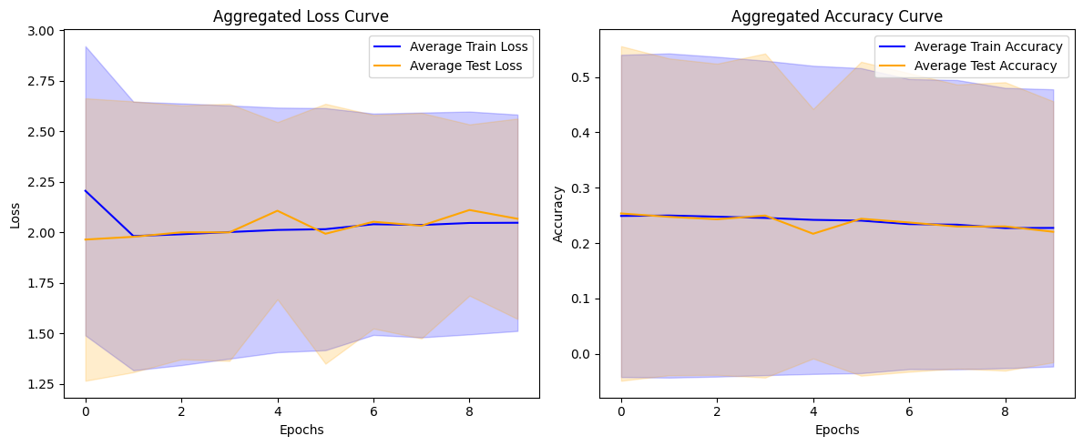
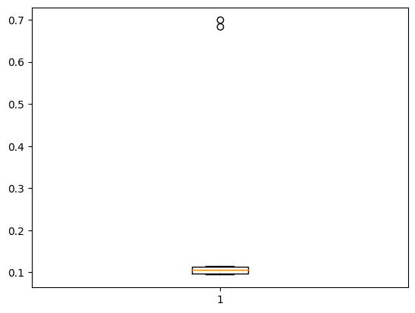
Fold 1: Accuracy at Last Epoch: 0.102 Stability Metric (Standard Deviation of Convergence Rates): 0.069 Rate of Convergence (Loss Reduction Per Epoch): [0.21970272064208984, -0.0006349086761474609, 0.0003399848937988281, -4.601478576660156e-05, 2.3603439331054688e-05, -0.0009462833404541016, -0.0004451274871826172, 0.0010089874267578125, 0.00032329559326171875] Average Rate of Convergence: 0.024 Mean Convergence Speed: 0.002 Initial Stage (Mean Accuracy for First 5 Epochs): 0.103 Mid Stage (Mean Accuracy for Middle Epochs): 0.102 Late Stage (Mean Accuracy for Last 5 Epochs): 0.102 -------------------------------------------------- Test Accuracy: 11.600% ==================================================
Fold 2: Accuracy at Last Epoch: 0.101 Stability Metric (Standard Deviation of Convergence Rates): 0.087 Rate of Convergence (Loss Reduction Per Epoch): [0.2783012390136719, -0.0007472038269042969, -0.0004172325134277344, 0.0005640983581542969, -0.0004115104675292969, 0.0006771087646484375, -0.0010001659393310547, 0.00016379356384277344, 0.0009508132934570312] Average Rate of Convergence: 0.031 Mean Convergence Speed: 0.003 Initial Stage (Mean Accuracy for First 5 Epochs): 0.103 Mid Stage (Mean Accuracy for Middle Epochs): 0.104 Late Stage (Mean Accuracy for Last 5 Epochs): 0.103 -------------------------------------------------- Test Accuracy: 10.683% ==================================================
Fold 3: Accuracy at Last Epoch: 0.772 Stability Metric (Standard Deviation of Convergence Rates): 0.129 Rate of Convergence (Loss Reduction Per Epoch): [0.14603203535079956, -0.04398840665817261, -0.03684300184249878, -0.043914973735809326, 0.010670304298400879, -0.22185587882995605, 0.07207596302032471, 0.18688654899597168, -0.1891772747039795] Average Rate of Convergence: -0.013 Mean Convergence Speed: -0.001 Initial Stage (Mean Accuracy for First 5 Epochs): 0.837 Mid Stage (Mean Accuracy for Middle Epochs): 0.801 Late Stage (Mean Accuracy for Last 5 Epochs): 0.789 -------------------------------------------------- Test Accuracy: 69.917% ================================================== | Accuracy: mean=22.037 std=23.584, n=10
Fold 4: Accuracy at Last Epoch: 0.104 Stability Metric (Standard Deviation of Convergence Rates): 0.062 Rate of Convergence (Loss Reduction Per Epoch): [0.1984391212463379, -0.00022792816162109375, -0.0014123916625976562, 0.0007276535034179688, -0.0004990100860595703, 0.0025360584259033203, -0.0007300376892089844, -0.0005855560302734375, 0.0005841255187988281] Average Rate of Convergence: 0.022 Mean Convergence Speed: 0.002 Initial Stage (Mean Accuracy for First 5 Epochs): 0.103 Mid Stage (Mean Accuracy for Middle Epochs): 0.103 Late Stage (Mean Accuracy for Last 5 Epochs): 0.103 -------------------------------------------------- Test Accuracy: 10.033% ==================================================
Fold 5: Accuracy at Last Epoch: 0.104 Stability Metric (Standard Deviation of Convergence Rates): 0.056 Rate of Convergence (Loss Reduction Per Epoch): [0.1773369312286377, -0.0012433528900146484, -0.001447916030883789, 0.0011229515075683594, -0.00038909912109375, 0.0007784366607666016, -0.000339508056640625, -0.0007171630859375, 0.0012395381927490234] Average Rate of Convergence: 0.020 Mean Convergence Speed: 0.002 Initial Stage (Mean Accuracy for First 5 Epochs): 0.104 Mid Stage (Mean Accuracy for Middle Epochs): 0.103 Late Stage (Mean Accuracy for Last 5 Epochs): 0.103 -------------------------------------------------- Test Accuracy: 10.700% ==================================================
Fold 6: Accuracy at Last Epoch: 0.682 Stability Metric (Standard Deviation of Convergence Rates): 0.120 Rate of Convergence (Loss Reduction Per Epoch): [0.102944016456604, -0.041361451148986816, -0.07013869285583496, -0.06346708536148071, -0.04623907804489136, -0.02589946985244751, -0.033403635025024414, -0.285916805267334, 0.17715609073638916] Average Rate of Convergence: -0.032 Mean Convergence Speed: -0.003 Initial Stage (Mean Accuracy for First 5 Epochs): 0.805 Mid Stage (Mean Accuracy for Middle Epochs): 0.766 Late Stage (Mean Accuracy for Last 5 Epochs): 0.715 -------------------------------------------------- Test Accuracy: 68.450% ==================================================
Fold 7: Accuracy at Last Epoch: 0.100 Stability Metric (Standard Deviation of Convergence Rates): 0.097 Rate of Convergence (Loss Reduction Per Epoch): [0.3073234558105469, 0.0007462501525878906, 0.00022029876708984375, 0.000141143798828125, -0.0008890628814697266, -0.000171661376953125, 2.5272369384765625e-05, 0.00030493736267089844, -0.0006384849548339844] Average Rate of Convergence: 0.034 Mean Convergence Speed: 0.003 Initial Stage (Mean Accuracy for First 5 Epochs): 0.103 Mid Stage (Mean Accuracy for Middle Epochs): 0.103 Late Stage (Mean Accuracy for Last 5 Epochs): 0.102 -------------------------------------------------- Test Accuracy: 10.400% ==================================================
Fold 8: Accuracy at Last Epoch: 0.104 Stability Metric (Standard Deviation of Convergence Rates): 0.109 Rate of Convergence (Loss Reduction Per Epoch): [0.3477938175201416, 0.0008194446563720703, -0.0005807876586914062, -0.00015044212341308594, 0.0002644062042236328, 0.0005068778991699219, 0.00035691261291503906, -0.0009951591491699219, 0.0005407333374023438] Average Rate of Convergence: 0.039 Mean Convergence Speed: 0.004 Initial Stage (Mean Accuracy for First 5 Epochs): 0.104 Mid Stage (Mean Accuracy for Middle Epochs): 0.103 Late Stage (Mean Accuracy for Last 5 Epochs): 0.103 -------------------------------------------------- Test Accuracy: 9.667% ==================================================
Fold 9: Accuracy at Last Epoch: 0.102 Stability Metric (Standard Deviation of Convergence Rates): 0.076 Rate of Convergence (Loss Reduction Per Epoch): [0.24123692512512207, 0.000255584716796875, -7.62939453125e-06, 0.00034236907958984375, -0.0008256435394287109, 0.0014698505401611328, -0.001583099365234375, 0.0008072853088378906, -0.0007977485656738281] Average Rate of Convergence: 0.027 Mean Convergence Speed: 0.003 Initial Stage (Mean Accuracy for First 5 Epochs): 0.103 Mid Stage (Mean Accuracy for Middle Epochs): 0.103 Late Stage (Mean Accuracy for Last 5 Epochs): 0.103 -------------------------------------------------- Test Accuracy: 9.450% ==================================================
Fold 10: Accuracy at Last Epoch: 0.103 Stability Metric (Standard Deviation of Convergence Rates): 0.069 Rate of Convergence (Loss Reduction Per Epoch): [0.21983122825622559, -0.0004878044128417969, 0.0007238388061523438, 0.00042819976806640625, -0.00024175643920898438, -0.0006670951843261719, 0.0005245208740234375, 2.6226043701171875e-06, -0.00035190582275390625] Average Rate of Convergence: 0.024 Mean Convergence Speed: 0.002 Initial Stage (Mean Accuracy for First 5 Epochs): 0.103 Mid Stage (Mean Accuracy for Middle Epochs): 0.102 Late Stage (Mean Accuracy for Last 5 Epochs): 0.102 -------------------------------------------------- Test Accuracy: 9.467% ==================================================

Mean Performance Across All Folds: Mean Accuracy: 0.227 Mean Stability Metric: 0.087 Mean Rate of Convergence: 0.018 Mean Convergence Speed: 0.002 Mean Initial Accuracy (First 5 Epochs): 0.247 Mean Mid Accuracy (Middle Epochs): 0.239 Mean Late Accuracy (Last 5 Epochs): 0.232

сase14
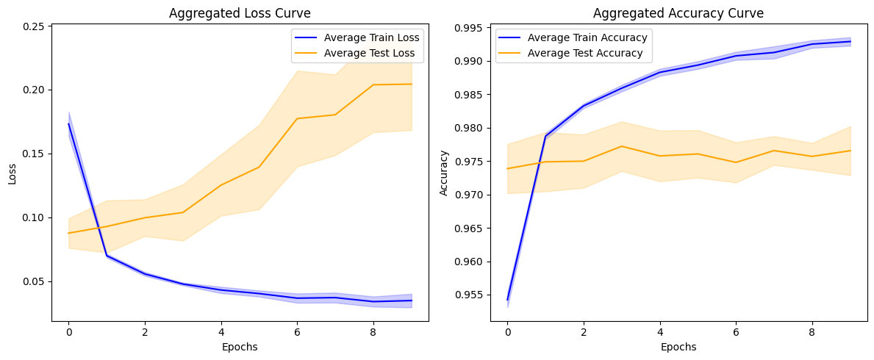
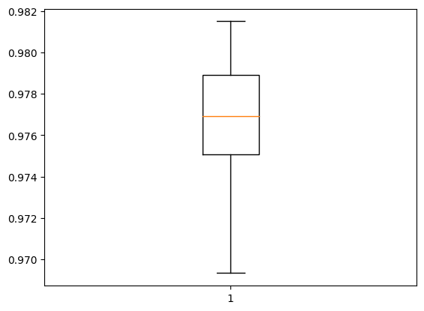
Fold 1: Accuracy at Last Epoch: 0.993 Stability Metric (Standard Deviation of Convergence Rates): 0.028 Rate of Convergence (Loss Reduction Per Epoch): [0.09298219531774521, 0.016108278185129166, 0.007500402629375458, 0.006497129797935486, -0.0009478889405727386, 0.0003330931067466736, 0.007735930383205414, 0.004664333537220955, -0.002509443089365959] Average Rate of Convergence: 0.015 Mean Convergence Speed: 0.001 Initial Stage (Mean Accuracy for First 5 Epochs): 0.979 Mid Stage (Mean Accuracy for Middle Epochs): 0.989 Late Stage (Mean Accuracy for Last 5 Epochs): 0.992 -------------------------------------------------- Test Accuracy: 97.667% ==================================================
Fold 2: Accuracy at Last Epoch: 0.994 Stability Metric (Standard Deviation of Convergence Rates): 0.027 Rate of Convergence (Loss Reduction Per Epoch): [0.08919741213321686, 0.01866878941655159, 0.006842687726020813, -0.0002018064260482788, 0.006926748901605606, 0.005550995469093323, 0.0004028789699077606, -0.0021161288022994995, 0.01075107790529728] Average Rate of Convergence: 0.015 Mean Convergence Speed: 0.002 Initial Stage (Mean Accuracy for First 5 Epochs): 0.978 Mid Stage (Mean Accuracy for Middle Epochs): 0.989 Late Stage (Mean Accuracy for Last 5 Epochs): 0.991 -------------------------------------------------- Test Accuracy: 96.933% ================================================== | Accuracy: mean=97.655 std=0.367, n=10
Fold 3: Accuracy at Last Epoch: 0.992 Stability Metric (Standard Deviation of Convergence Rates): 0.027 Rate of Convergence (Loss Reduction Per Epoch): [0.08967442810535431, 0.012115012854337692, 0.009829912334680557, 0.00327436625957489, 0.005539741367101669, 0.004256140440702438, -0.0010198242962360382, -0.0037504583597183228, -0.00022651627659797668] Average Rate of Convergence: 0.013 Mean Convergence Speed: 0.001 Initial Stage (Mean Accuracy for First 5 Epochs): 0.978 Mid Stage (Mean Accuracy for Middle Epochs): 0.990 Late Stage (Mean Accuracy for Last 5 Epochs): 0.992 -------------------------------------------------- Test Accuracy: 97.717% ==================================================
Fold 4: Accuracy at Last Epoch: 0.992 Stability Metric (Standard Deviation of Convergence Rates): 0.029 Rate of Convergence (Loss Reduction Per Epoch): [0.09613928943872452, 0.012877661734819412, 0.008639466017484665, 0.0046995654702186584, 0.0036597438156604767, 0.00011798739433288574, -0.0013777166604995728, 0.001747719943523407, -0.002500150352716446] Average Rate of Convergence: 0.014 Mean Convergence Speed: 0.001 Initial Stage (Mean Accuracy for First 5 Epochs): 0.978 Mid Stage (Mean Accuracy for Middle Epochs): 0.989 Late Stage (Mean Accuracy for Last 5 Epochs): 0.991 -------------------------------------------------- Test Accuracy: 97.633% ==================================================
Fold 5: Accuracy at Last Epoch: 0.993 Stability Metric (Standard Deviation of Convergence Rates): 0.035 Rate of Convergence (Loss Reduction Per Epoch): [0.11409943550825119, 0.009269405156373978, 0.010085199028253555, 0.005804732441902161, 0.004199035465717316, 0.002803020179271698, -0.005700521171092987, 0.013129223138093948, -0.005153153091669083] Average Rate of Convergence: 0.017 Mean Convergence Speed: 0.002 Initial Stage (Mean Accuracy for First 5 Epochs): 0.978 Mid Stage (Mean Accuracy for Middle Epochs): 0.989 Late Stage (Mean Accuracy for Last 5 Epochs): 0.992 -------------------------------------------------- Test Accuracy: 97.183% ==================================================
Fold 6: Accuracy at Last Epoch: 0.993 Stability Metric (Standard Deviation of Convergence Rates): 0.033 Rate of Convergence (Loss Reduction Per Epoch): [0.10633459687232971, 0.011788483709096909, 0.00825953483581543, 0.0056218914687633514, -0.001800641417503357, 0.009611889719963074, -0.00014429539442062378, 0.0014455020427703857, -0.009577874094247818] Average Rate of Convergence: 0.015 Mean Convergence Speed: 0.001 Initial Stage (Mean Accuracy for First 5 Epochs): 0.978 Mid Stage (Mean Accuracy for Middle Epochs): 0.989 Late Stage (Mean Accuracy for Last 5 Epochs): 0.992 -------------------------------------------------- Test Accuracy: 97.467% ==================================================
Fold 7: Accuracy at Last Epoch: 0.994 Stability Metric (Standard Deviation of Convergence Rates): 0.034 Rate of Convergence (Loss Reduction Per Epoch): [0.1108551025390625, 0.016681991517543793, 0.004969242960214615, 0.0035302527248859406, 0.009868692606687546, -0.006862107664346695, 0.006554372608661652, -0.0012800581753253937, 0.00740431621670723] Average Rate of Convergence: 0.017 Mean Convergence Speed: 0.002 Initial Stage (Mean Accuracy for First 5 Epochs): 0.978 Mid Stage (Mean Accuracy for Middle Epochs): 0.989 Late Stage (Mean Accuracy for Last 5 Epochs): 0.991 -------------------------------------------------- Test Accuracy: 98.133% ==================================================
Fold 8: Accuracy at Last Epoch: 0.993 Stability Metric (Standard Deviation of Convergence Rates): 0.031 Rate of Convergence (Loss Reduction Per Epoch): [0.1025252640247345, 0.016193300485610962, 0.00835781916975975, 0.0033640265464782715, 0.00022581219673156738, 0.010060559958219528, 0.0005426257848739624, -0.0026762299239635468, 0.000619892030954361] Average Rate of Convergence: 0.015 Mean Convergence Speed: 0.002 Initial Stage (Mean Accuracy for First 5 Epochs): 0.978 Mid Stage (Mean Accuracy for Middle Epochs): 0.990 Late Stage (Mean Accuracy for Last 5 Epochs): 0.992 -------------------------------------------------- Test Accuracy: 98.150% ==================================================
Fold 9: Accuracy at Last Epoch: 0.992 Stability Metric (Standard Deviation of Convergence Rates): 0.035 Rate of Convergence (Loss Reduction Per Epoch): [0.11475741118192673, 0.013749092817306519, 0.00893968716263771, 0.0035563483834266663, 0.0014200061559677124, 0.0023469775915145874, 0.0010876096785068512, 0.006507415324449539, -0.00556781142950058] Average Rate of Convergence: 0.016 Mean Convergence Speed: 0.002 Initial Stage (Mean Accuracy for First 5 Epochs): 0.978 Mid Stage (Mean Accuracy for Middle Epochs): 0.989 Late Stage (Mean Accuracy for Last 5 Epochs): 0.991 -------------------------------------------------- Test Accuracy: 97.717% ==================================================
Fold 10: Accuracy at Last Epoch: 0.993 Stability Metric (Standard Deviation of Convergence Rates): 0.035 Rate of Convergence (Loss Reduction Per Epoch): [0.11418808251619339, 0.015436969697475433, 0.005391143262386322, 0.010511696338653564, -0.0011726617813110352, 0.0078536756336689, -0.012320954352617264, 0.01348501443862915, -0.0013303980231285095] Average Rate of Convergence: 0.017 Mean Convergence Speed: 0.002 Initial Stage (Mean Accuracy for First 5 Epochs): 0.978 Mid Stage (Mean Accuracy for Middle Epochs): 0.989 Late Stage (Mean Accuracy for Last 5 Epochs): 0.991 -------------------------------------------------- Test Accuracy: 97.950% ==================================================

Mean Performance Across All Folds: Mean Accuracy: 0.993 Mean Stability Metric: 0.032 Mean Rate of Convergence: 0.015 Mean Convergence Speed: 0.002 Mean Initial Accuracy (First 5 Epochs): 0.978 Mean Mid Accuracy (Middle Epochs): 0.989 Mean Late Accuracy (Last 5 Epochs): 0.991

case13
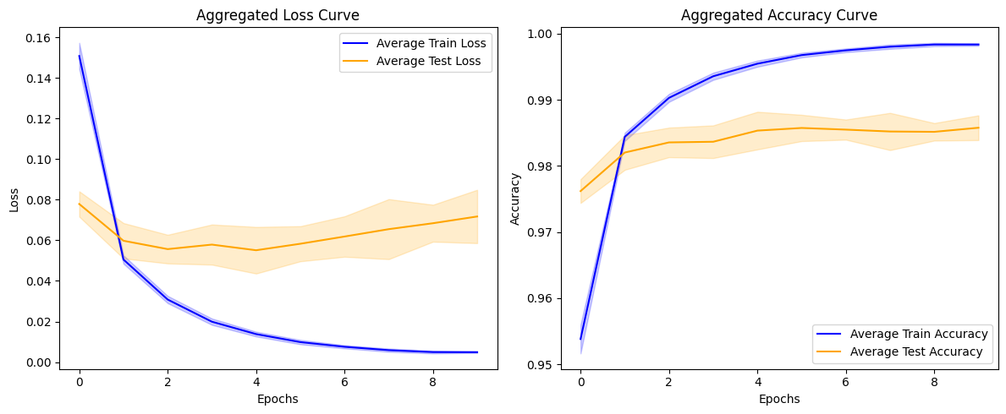
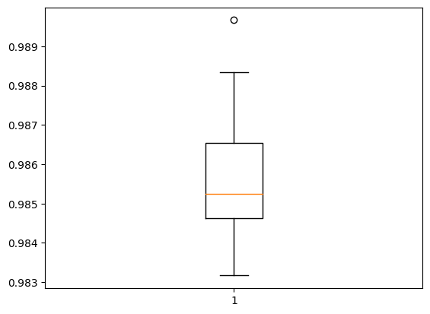
Fold 1: Accuracy at Last Epoch: 0.998 Stability Metric (Standard Deviation of Convergence Rates): 0.028 Rate of Convergence (Loss Reduction Per Epoch): [0.09433940425515175, 0.019535470753908157, 0.011586543172597885, 0.006427389569580555, 0.004158779978752136, 0.0009115599095821381, 0.002540948335081339, 0.001218307763338089, -0.00017276080325245857] Average Rate of Convergence: 0.016 Mean Convergence Speed: 0.002 Initial Stage (Mean Accuracy for First 5 Epochs): 0.984 Mid Stage (Mean Accuracy for Middle Epochs): 0.996 Late Stage (Mean Accuracy for Last 5 Epochs): 0.998 -------------------------------------------------- Test Accuracy: 98.517% ==================================================
Fold 2: Accuracy at Last Epoch: 0.999 Stability Metric (Standard Deviation of Convergence Rates): 0.028 Rate of Convergence (Loss Reduction Per Epoch): [0.09278994053602219, 0.01896601729094982, 0.010118866339325905, 0.007517065852880478, 0.0024452684447169304, 0.0021622534841299057, 0.003205161541700363, -0.0006882753223180771, 0.0010754065588116646] Average Rate of Convergence: 0.015 Mean Convergence Speed: 0.002 Initial Stage (Mean Accuracy for First 5 Epochs): 0.985 Mid Stage (Mean Accuracy for Middle Epochs): 0.996 Late Stage (Mean Accuracy for Last 5 Epochs): 0.998 -------------------------------------------------- Test Accuracy: 98.317% ==================================================
Fold 3: Accuracy at Last Epoch: 0.998 Stability Metric (Standard Deviation of Convergence Rates): 0.030 Rate of Convergence (Loss Reduction Per Epoch): [0.09903620183467865, 0.018326204270124435, 0.013154430314898491, 0.0032008951529860497, 0.005635332316160202, 0.0023467899300158024, 0.0009794174693524837, 0.000513018574565649, 0.0008313897997140884] Average Rate of Convergence: 0.016 Mean Convergence Speed: 0.002 Initial Stage (Mean Accuracy for First 5 Epochs): 0.983 Mid Stage (Mean Accuracy for Middle Epochs): 0.996 Late Stage (Mean Accuracy for Last 5 Epochs): 0.998 -------------------------------------------------- Test Accuracy: 98.967% ================================================== | Accuracy: mean=98.578 std=0.187, n=10
Fold 4: Accuracy at Last Epoch: 0.998 Stability Metric (Standard Deviation of Convergence Rates): 0.031 Rate of Convergence (Loss Reduction Per Epoch): [0.10411050170660019, 0.018813934177160263, 0.012045258656144142, 0.006165238097310066, 0.004571487195789814, 0.002966566476970911, -1.6339588910341263e-05, 0.0013206405565142632, -0.00014099478721618652] Average Rate of Convergence: 0.017 Mean Convergence Speed: 0.002 Initial Stage (Mean Accuracy for First 5 Epochs): 0.983 Mid Stage (Mean Accuracy for Middle Epochs): 0.996 Late Stage (Mean Accuracy for Last 5 Epochs): 0.998 -------------------------------------------------- Test Accuracy: 98.450% ==================================================
Fold 5: Accuracy at Last Epoch: 0.998 Stability Metric (Standard Deviation of Convergence Rates): 0.030 Rate of Convergence (Loss Reduction Per Epoch): [0.09785819798707962, 0.02113838493824005, 0.01052580215036869, 0.004777224734425545, 0.0031881220638751984, 0.0037331022322177887, -0.0005977721884846687, 0.0025260159745812416, -0.0005928627215325832] Average Rate of Convergence: 0.016 Mean Convergence Speed: 0.002 Initial Stage (Mean Accuracy for First 5 Epochs): 0.984 Mid Stage (Mean Accuracy for Middle Epochs): 0.996 Late Stage (Mean Accuracy for Last 5 Epochs): 0.998 -------------------------------------------------- Test Accuracy: 98.533% ==================================================
Fold 6: Accuracy at Last Epoch: 0.998 Stability Metric (Standard Deviation of Convergence Rates): 0.030 Rate of Convergence (Loss Reduction Per Epoch): [0.09959249570965767, 0.01963999681174755, 0.011177964508533478, 0.0069108931347727776, 0.001610608771443367, 0.0036476082168519497, 0.001513747964054346, 0.0007785987108945847, -0.0006998265162110329] Average Rate of Convergence: 0.016 Mean Convergence Speed: 0.002 Initial Stage (Mean Accuracy for First 5 Epochs): 0.984 Mid Stage (Mean Accuracy for Middle Epochs): 0.996 Late Stage (Mean Accuracy for Last 5 Epochs): 0.998 -------------------------------------------------- Test Accuracy: 98.683% ==================================================
Fold 7: Accuracy at Last Epoch: 0.998 Stability Metric (Standard Deviation of Convergence Rates): 0.031 Rate of Convergence (Loss Reduction Per Epoch): [0.10400614887475967, 0.018437810242176056, 0.011718319728970528, 0.007107514888048172, 0.004195442423224449, 0.0027804062701761723, 0.0004331311210989952, 0.0030008195899426937, -0.0008978936821222305] Average Rate of Convergence: 0.017 Mean Convergence Speed: 0.002 Initial Stage (Mean Accuracy for First 5 Epochs): 0.983 Mid Stage (Mean Accuracy for Middle Epochs): 0.996 Late Stage (Mean Accuracy for Last 5 Epochs): 0.998 -------------------------------------------------- Test Accuracy: 98.833% ==================================================
Fold 8: Accuracy at Last Epoch: 0.999 Stability Metric (Standard Deviation of Convergence Rates): 0.030 Rate of Convergence (Loss Reduction Per Epoch): [0.09769706800580025, 0.01869155839085579, 0.010190239176154137, 0.00505650881677866, 0.005614007357507944, -0.0006281142123043537, 0.0038359099999070168, -0.0003006886690855026, 0.00013576867058873177] Average Rate of Convergence: 0.016 Mean Convergence Speed: 0.002 Initial Stage (Mean Accuracy for First 5 Epochs): 0.984 Mid Stage (Mean Accuracy for Middle Epochs): 0.997 Late Stage (Mean Accuracy for Last 5 Epochs): 0.998 -------------------------------------------------- Test Accuracy: 98.500% ==================================================
Fold 9: Accuracy at Last Epoch: 0.998 Stability Metric (Standard Deviation of Convergence Rates): 0.033 Rate of Convergence (Loss Reduction Per Epoch): [0.1097525842487812, 0.022261008620262146, 0.009960614144802094, 0.007139664143323898, 0.003958846442401409, 0.003793158568441868, 0.0022265156731009483, 3.157602623105049e-05, 0.0010404428467154503] Average Rate of Convergence: 0.018 Mean Convergence Speed: 0.002 Initial Stage (Mean Accuracy for First 5 Epochs): 0.982 Mid Stage (Mean Accuracy for Middle Epochs): 0.996 Late Stage (Mean Accuracy for Last 5 Epochs): 0.998 -------------------------------------------------- Test Accuracy: 98.417% ==================================================
Fold 10: Accuracy at Last Epoch: 0.998 Stability Metric (Standard Deviation of Convergence Rates): 0.031 Rate of Convergence (Loss Reduction Per Epoch): [0.10295723378658295, 0.021101702004671097, 0.008698035031557083, 0.006727037951350212, 0.004026324488222599, 0.0013896459713578224, 0.002511331345885992, 0.0010445062071084976, -0.00011936016380786896] Average Rate of Convergence: 0.016 Mean Convergence Speed: 0.002 Initial Stage (Mean Accuracy for First 5 Epochs): 0.983 Mid Stage (Mean Accuracy for Middle Epochs): 0.996 Late Stage (Mean Accuracy for Last 5 Epochs): 0.998 -------------------------------------------------- Test Accuracy: 98.567% ==================================================

Mean Performance Across All Folds: Mean Accuracy: 0.998 Mean Stability Metric: 0.030 Mean Rate of Convergence: 0.016 Mean Convergence Speed: 0.002 Mean Initial Accuracy (First 5 Epochs): 0.984 Mean Mid Accuracy (Middle Epochs): 0.996 Mean Late Accuracy (Last 5 Epochs): 0.998

case12
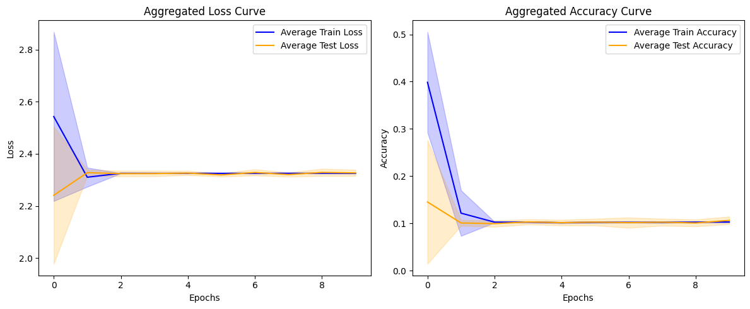
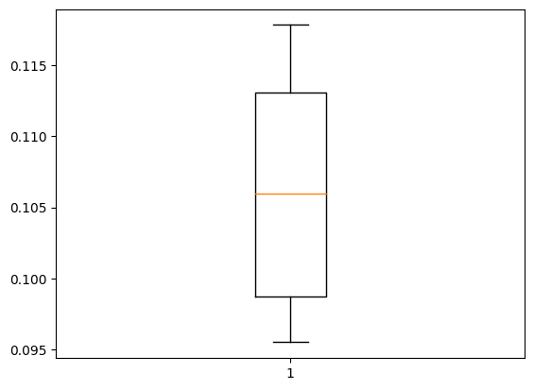
Fold 1: Accuracy at Last Epoch: 0.100 Stability Metric (Standard Deviation of Convergence Rates): 0.099 Rate of Convergence (Loss Reduction Per Epoch): [0.31556224822998047, -0.004316806793212891, 0.0005006790161132812, 0.000164031982421875, 0.0007936954498291016, -0.0010721683502197266, 0.0007185935974121094, -0.0006623268127441406, 0.000217437744140625] Average Rate of Convergence: 0.035 Mean Convergence Speed: 0.003 Initial Stage (Mean Accuracy for First 5 Epochs): 0.150 Mid Stage (Mean Accuracy for Middle Epochs): 0.102 Late Stage (Mean Accuracy for Last 5 Epochs): 0.102 -------------------------------------------------- Test Accuracy: 11.600% ==================================================
Fold 2: Accuracy at Last Epoch: 0.104 Stability Metric (Standard Deviation of Convergence Rates): 0.217 Rate of Convergence (Loss Reduction Per Epoch): [0.6905755996704102, 0.0004506111145019531, 0.0007936954498291016, 0.0008320808410644531, -0.0020215511322021484, 0.00047707557678222656, 0.0008015632629394531, -7.390975952148438e-05, -0.0006539821624755859] Average Rate of Convergence: 0.077 Mean Convergence Speed: 0.008 Initial Stage (Mean Accuracy for First 5 Epochs): 0.153 Mid Stage (Mean Accuracy for Middle Epochs): 0.103 Late Stage (Mean Accuracy for Last 5 Epochs): 0.103 -------------------------------------------------- Test Accuracy: 11.283% ==================================================
Fold 3: Accuracy at Last Epoch: 0.103 Stability Metric (Standard Deviation of Convergence Rates): 0.095 Rate of Convergence (Loss Reduction Per Epoch): [0.30356621742248535, -0.00046539306640625, 0.0002357959747314453, -0.0002772808074951172, 0.00038313865661621094, 9.799003601074219e-05, -7.009506225585938e-05, 0.000202178955078125, -0.00016927719116210938] Average Rate of Convergence: 0.034 Mean Convergence Speed: 0.003 Initial Stage (Mean Accuracy for First 5 Epochs): 0.178 Mid Stage (Mean Accuracy for Middle Epochs): 0.102 Late Stage (Mean Accuracy for Last 5 Epochs): 0.103 -------------------------------------------------- Test Accuracy: 11.000% ================================================== | Accuracy: mean=10.627 std=0.809, n=10
Fold 4: Accuracy at Last Epoch: 0.102 Stability Metric (Standard Deviation of Convergence Rates): 0.014 Rate of Convergence (Loss Reduction Per Epoch): [0.03543972969055176, -0.02352166175842285, 0.0003714561462402344, -0.0002522468566894531, -0.00019359588623046875, 0.00015878677368164062, -0.0011715888977050781, 0.0010297298431396484, -0.0001308917999267578] Average Rate of Convergence: 0.001 Mean Convergence Speed: 0.000 Initial Stage (Mean Accuracy for First 5 Epochs): 0.177 Mid Stage (Mean Accuracy for Middle Epochs): 0.102 Late Stage (Mean Accuracy for Last 5 Epochs): 0.103 -------------------------------------------------- Test Accuracy: 11.317% ==================================================
Fold 5: Accuracy at Last Epoch: 0.105 Stability Metric (Standard Deviation of Convergence Rates): 0.323 Rate of Convergence (Loss Reduction Per Epoch): [1.0040109157562256, -0.12345170974731445, -0.0004930496215820312, 0.0014238357543945312, 0.000762939453125, -0.0014536380767822266, 5.412101745605469e-05, -0.0002110004425048828, 0.0015790462493896484] Average Rate of Convergence: 0.098 Mean Convergence Speed: 0.010 Initial Stage (Mean Accuracy for First 5 Epochs): 0.186 Mid Stage (Mean Accuracy for Middle Epochs): 0.103 Late Stage (Mean Accuracy for Last 5 Epochs): 0.103 -------------------------------------------------- Test Accuracy: 9.983% ==================================================
Fold 6: Accuracy at Last Epoch: 0.102 Stability Metric (Standard Deviation of Convergence Rates): 0.016 Rate of Convergence (Loss Reduction Per Epoch): [-0.051718950271606445, -1.0251998901367188e-05, 0.0008494853973388672, -0.0006031990051269531, -0.00035071372985839844, 0.0007181167602539062, -0.0014302730560302734, 0.0009603500366210938, -0.0003528594970703125] Average Rate of Convergence: -0.006 Mean Convergence Speed: -0.001 Initial Stage (Mean Accuracy for First 5 Epochs): 0.147 Mid Stage (Mean Accuracy for Middle Epochs): 0.102 Late Stage (Mean Accuracy for Last 5 Epochs): 0.102 -------------------------------------------------- Test Accuracy: 9.833% ==================================================
Fold 7: Accuracy at Last Epoch: 0.105 Stability Metric (Standard Deviation of Convergence Rates): 0.006 Rate of Convergence (Loss Reduction Per Epoch): [-0.019156217575073242, -0.0007157325744628906, 0.00031948089599609375, 0.00015425682067871094, 2.5272369384765625e-05, 0.0006585121154785156, -0.00022149085998535156, -0.0005481243133544922, -0.00016427040100097656] Average Rate of Convergence: -0.002 Mean Convergence Speed: -0.000 Initial Stage (Mean Accuracy for First 5 Epochs): 0.214 Mid Stage (Mean Accuracy for Middle Epochs): 0.103 Late Stage (Mean Accuracy for Last 5 Epochs): 0.103 -------------------------------------------------- Test Accuracy: 9.717% ==================================================
Fold 8: Accuracy at Last Epoch: 0.102 Stability Metric (Standard Deviation of Convergence Rates): 0.025 Rate of Convergence (Loss Reduction Per Epoch): [0.08002138137817383, 0.0009436607360839844, -0.0012481212615966797, -0.0005121231079101562, 0.0001728534698486328, 0.00018215179443359375, -0.0003063678741455078, 0.0004918575286865234, 8.845329284667969e-05] Average Rate of Convergence: 0.009 Mean Convergence Speed: 0.001 Initial Stage (Mean Accuracy for First 5 Epochs): 0.143 Mid Stage (Mean Accuracy for Middle Epochs): 0.101 Late Stage (Mean Accuracy for Last 5 Epochs): 0.102 -------------------------------------------------- Test Accuracy: 9.550% ==================================================
Fold 9: Accuracy at Last Epoch: 0.103 Stability Metric (Standard Deviation of Convergence Rates): 0.057 Rate of Convergence (Loss Reduction Per Epoch): [0.18202495574951172, 0.0005519390106201172, 0.0001823902130126953, -0.0012125968933105469, 0.0009894371032714844, 0.0004112720489501953, -0.0002741813659667969, -0.0010645389556884766, 0.0012009143829345703] Average Rate of Convergence: 0.020 Mean Convergence Speed: 0.002 Initial Stage (Mean Accuracy for First 5 Epochs): 0.138 Mid Stage (Mean Accuracy for Middle Epochs): 0.102 Late Stage (Mean Accuracy for Last 5 Epochs): 0.102 -------------------------------------------------- Test Accuracy: 10.200% ==================================================
Fold 10: Accuracy at Last Epoch: 0.104 Stability Metric (Standard Deviation of Convergence Rates): 0.066 Rate of Convergence (Loss Reduction Per Epoch): [-0.20978236198425293, -0.0006296634674072266, 0.00010061264038085938, -0.00010800361633300781, -3.8623809814453125e-05, -0.0006589889526367188, 0.0010650157928466797, -0.00016689300537109375, 0.0003724098205566406] Average Rate of Convergence: -0.023 Mean Convergence Speed: -0.002 Initial Stage (Mean Accuracy for First 5 Epochs): 0.167 Mid Stage (Mean Accuracy for Middle Epochs): 0.101 Late Stage (Mean Accuracy for Last 5 Epochs): 0.102 -------------------------------------------------- Test Accuracy: 11.783% ==================================================

Mean Performance Across All Folds: Mean Accuracy: 0.103 Mean Stability Metric: 0.092 Mean Rate of Convergence: 0.024 Mean Convergence Speed: 0.002 Mean Initial Accuracy (First 5 Epochs): 0.165 Mean Mid Accuracy (Middle Epochs): 0.102 Mean Late Accuracy (Last 5 Epochs): 0.102

case11
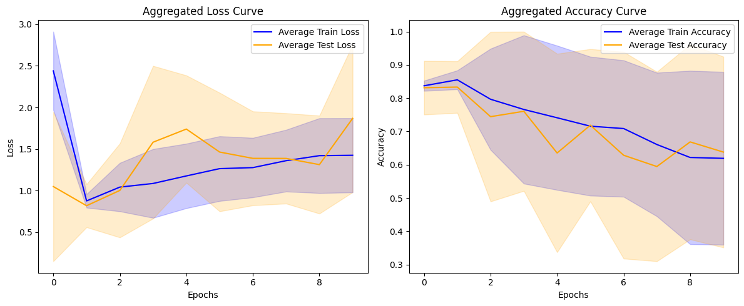
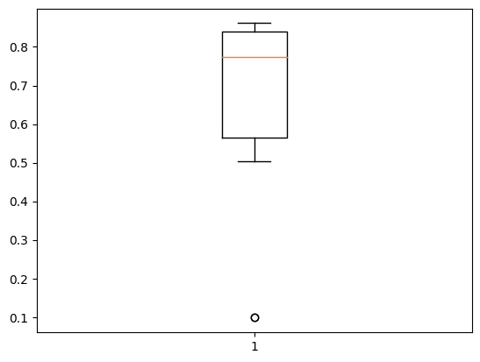
Fold 1: Accuracy at Last Epoch: 0.712 Stability Metric (Standard Deviation of Convergence Rates): 0.504 Rate of Convergence (Loss Reduction Per Epoch): [1.5464319586753845, -0.04979056119918823, -0.009248852729797363, -0.07015371322631836, -0.024396657943725586, -0.020328760147094727, -0.20241320133209229, -0.02267587184906006, 0.03139173984527588] Average Rate of Convergence: 0.131 Mean Convergence Speed: 0.013 Initial Stage (Mean Accuracy for First 5 Epochs): 0.835 Mid Stage (Mean Accuracy for Middle Epochs): 0.807 Late Stage (Mean Accuracy for Last 5 Epochs): 0.759 -------------------------------------------------- Test Accuracy: 74.933% ==================================================
Fold 2: Accuracy at Last Epoch: 0.782 Stability Metric (Standard Deviation of Convergence Rates): 0.509 Rate of Convergence (Loss Reduction Per Epoch): [1.3245915174484253, -0.0598185658454895, 0.11491996049880981, -0.1733776330947876, -0.5552138090133667, 0.5637156963348389, -0.14105963706970215, -0.03535950183868408, -0.021787166595458984] Average Rate of Convergence: 0.113 Mean Convergence Speed: 0.011 Initial Stage (Mean Accuracy for First 5 Epochs): 0.861 Mid Stage (Mean Accuracy for Middle Epochs): 0.809 Late Stage (Mean Accuracy for Last 5 Epochs): 0.778 -------------------------------------------------- Test Accuracy: 50.417% ==================================================
Fold 3: Accuracy at Last Epoch: 0.769 Stability Metric (Standard Deviation of Convergence Rates): 0.495 Rate of Convergence (Loss Reduction Per Epoch): [1.5366764068603516, -0.17029941082000732, 0.09216189384460449, -0.04520690441131592, -0.01074826717376709, -0.06026458740234375, -0.010986328125, -0.025418996810913086, 0.02637934684753418] Average Rate of Convergence: 0.148 Mean Convergence Speed: 0.015 Initial Stage (Mean Accuracy for First 5 Epochs): 0.794 Mid Stage (Mean Accuracy for Middle Epochs): 0.786 Late Stage (Mean Accuracy for Last 5 Epochs): 0.779 -------------------------------------------------- Test Accuracy: 74.633% ==================================================
Fold 4: Accuracy at Last Epoch: 0.747 Stability Metric (Standard Deviation of Convergence Rates): 0.380 Rate of Convergence (Loss Reduction Per Epoch): [1.1333290338516235, -0.04790949821472168, -0.08098530769348145, 0.017041444778442383, -0.1062765121459961, -0.23352956771850586, 0.04999136924743652, 0.026291728019714355, -0.010471582412719727] Average Rate of Convergence: 0.083 Mean Convergence Speed: 0.008 Initial Stage (Mean Accuracy for First 5 Epochs): 0.861 Mid Stage (Mean Accuracy for Middle Epochs): 0.811 Late Stage (Mean Accuracy for Last 5 Epochs): 0.770 -------------------------------------------------- Test Accuracy: 86.133% ================================================== | Accuracy: mean=63.805 std=28.659, n=10
Fold 5: Accuracy at Last Epoch: 0.738 Stability Metric (Standard Deviation of Convergence Rates): 0.315 Rate of Convergence (Loss Reduction Per Epoch): [0.9259623885154724, 0.0037392377853393555, -0.1522125005722046, -0.07973581552505493, -0.03553009033203125, -0.18734049797058105, 0.07613277435302734, 0.0444035530090332, -0.00948333740234375] Average Rate of Convergence: 0.065 Mean Convergence Speed: 0.007 Initial Stage (Mean Accuracy for First 5 Epochs): 0.850 Mid Stage (Mean Accuracy for Middle Epochs): 0.780 Late Stage (Mean Accuracy for Last 5 Epochs): 0.749 -------------------------------------------------- Test Accuracy: 79.900% ==================================================
Fold 6: Accuracy at Last Epoch: 0.101 Stability Metric (Standard Deviation of Convergence Rates): 0.637 Rate of Convergence (Loss Reduction Per Epoch): [1.631289541721344, -0.9006409049034119, -0.4318195581436157, -0.0003695487976074219, 0.0009307861328125, -0.00033855438232421875, -7.319450378417969e-05, 5.1021575927734375e-05, -0.0009176731109619141] Average Rate of Convergence: 0.033 Mean Convergence Speed: 0.003 Initial Stage (Mean Accuracy for First 5 Epochs): 0.440 Mid Stage (Mean Accuracy for Middle Epochs): 0.102 Late Stage (Mean Accuracy for Last 5 Epochs): 0.103 -------------------------------------------------- Test Accuracy: 9.833% ==================================================
Fold 7: Accuracy at Last Epoch: 0.786 Stability Metric (Standard Deviation of Convergence Rates): 0.705 Rate of Convergence (Loss Reduction Per Epoch): [2.2136536240577698, 0.04452776908874512, -0.003893435001373291, -0.0541614294052124, 0.04135739803314209, -0.10246086120605469, 0.0057125091552734375, -0.05930757522583008, -0.06513714790344238] Average Rate of Convergence: 0.224 Mean Convergence Speed: 0.022 Initial Stage (Mean Accuracy for First 5 Epochs): 0.836 Mid Stage (Mean Accuracy for Middle Epochs): 0.825 Late Stage (Mean Accuracy for Last 5 Epochs): 0.807 -------------------------------------------------- Test Accuracy: 84.183% ==================================================
Fold 8: Accuracy at Last Epoch: 0.103 Stability Metric (Standard Deviation of Convergence Rates): 0.796 Rate of Convergence (Loss Reduction Per Epoch): [2.2640751004219055, -0.11565428972244263, 0.019865036010742188, -0.06396031379699707, -0.21438562870025635, 0.08182978630065918, -0.5766266584396362, -0.5137841701507568, -0.0003345012664794922] Average Rate of Convergence: 0.098 Mean Convergence Speed: 0.010 Initial Stage (Mean Accuracy for First 5 Epochs): 0.832 Mid Stage (Mean Accuracy for Middle Epochs): 0.699 Late Stage (Mean Accuracy for Last 5 Epochs): 0.413 -------------------------------------------------- Test Accuracy: 10.033% ==================================================
Fold 9: Accuracy at Last Epoch: 0.716 Stability Metric (Standard Deviation of Convergence Rates): 0.425 Rate of Convergence (Loss Reduction Per Epoch): [1.226302444934845, -0.15110254287719727, 0.022987425327301025, -0.38021981716156006, 0.039882540702819824, 0.011059284210205078, -0.03534233570098877, 0.030248641967773438, -0.06887519359588623] Average Rate of Convergence: 0.077 Mean Convergence Speed: 0.008 Initial Stage (Mean Accuracy for First 5 Epochs): 0.835 Mid Stage (Mean Accuracy for Middle Epochs): 0.757 Late Stage (Mean Accuracy for Last 5 Epochs): 0.730 -------------------------------------------------- Test Accuracy: 84.650% ==================================================
Fold 10: Accuracy at Last Epoch: 0.737 Stability Metric (Standard Deviation of Convergence Rates): 0.596 Rate of Convergence (Loss Reduction Per Epoch): [1.8227350115776062, -0.2096741795539856, -0.01026153564453125, -0.05482470989227295, -0.012652039527893066, -0.175370454788208, 0.0016640424728393555, -0.048169851303100586, 0.07371354103088379] Average Rate of Convergence: 0.154 Mean Convergence Speed: 0.015 Initial Stage (Mean Accuracy for First 5 Epochs): 0.849 Mid Stage (Mean Accuracy for Middle Epochs): 0.809 Late Stage (Mean Accuracy for Last 5 Epochs): 0.764 -------------------------------------------------- Test Accuracy: 83.333% ==================================================

Mean Performance Across All Folds: Mean Accuracy: 0.619 Mean Stability Metric: 0.536 Mean Rate of Convergence: 0.113 Mean Convergence Speed: 0.011 Mean Initial Accuracy (First 5 Epochs): 0.799 Mean Mid Accuracy (Middle Epochs): 0.718 Mean Late Accuracy (Last 5 Epochs): 0.665

case10
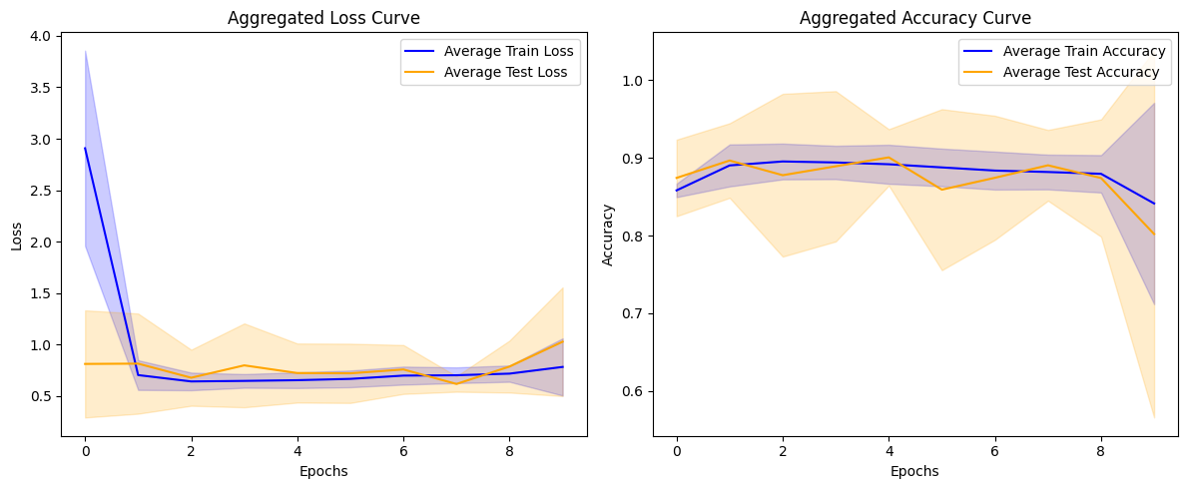
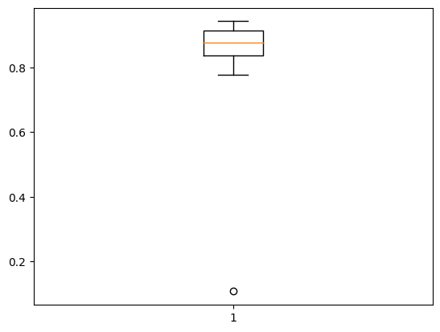
Fold 1: Accuracy at Last Epoch: 0.898 Stability Metric (Standard Deviation of Convergence Rates): 0.897 Rate of Convergence (Loss Reduction Per Epoch): [2.8541542291641235, -0.005457043647766113, 0.016404390335083008, 0.06964844465255737, 0.02333521842956543, -0.04244357347488403, -0.006679236888885498, -0.03256404399871826, -0.006894111633300781] Average Rate of Convergence: 0.319 Mean Convergence Speed: 0.032 Initial Stage (Mean Accuracy for First 5 Epochs): 0.889 Mid Stage (Mean Accuracy for Middle Epochs): 0.899 Late Stage (Mean Accuracy for Last 5 Epochs): 0.897 -------------------------------------------------- Test Accuracy: 77.717% ==================================================
Fold 2: Accuracy at Last Epoch: 0.869 Stability Metric (Standard Deviation of Convergence Rates): 0.469 Rate of Convergence (Loss Reduction Per Epoch): [1.4813891053199768, 0.0008156895637512207, -0.017391622066497803, -0.005399823188781738, -0.04901301860809326, -0.01936924457550049, -0.023297250270843506, 0.021886050701141357, 0.00685429573059082] Average Rate of Convergence: 0.155 Mean Convergence Speed: 0.016 Initial Stage (Mean Accuracy for First 5 Epochs): 0.893 Mid Stage (Mean Accuracy for Middle Epochs): 0.883 Late Stage (Mean Accuracy for Last 5 Epochs): 0.873 -------------------------------------------------- Test Accuracy: 83.300% ==================================================
Fold 3: Accuracy at Last Epoch: 0.892 Stability Metric (Standard Deviation of Convergence Rates): 0.355 Rate of Convergence (Loss Reduction Per Epoch): [1.1292148232460022, 0.15650981664657593, -0.01205974817276001, -0.026613831520080566, 0.02580350637435913, 0.0029875636100769043, 0.007881760597229004, 0.0057694315910339355, -0.044613420963287354] Average Rate of Convergence: 0.138 Mean Convergence Speed: 0.014 Initial Stage (Mean Accuracy for First 5 Epochs): 0.896 Mid Stage (Mean Accuracy for Middle Epochs): 0.908 Late Stage (Mean Accuracy for Last 5 Epochs): 0.906 -------------------------------------------------- Test Accuracy: 85.450% ==================================================
Fold 4: Accuracy at Last Epoch: 0.875 Stability Metric (Standard Deviation of Convergence Rates): 0.666 Rate of Convergence (Loss Reduction Per Epoch): [2.1129231452941895, 0.0931357741355896, 0.047079622745513916, -0.07319533824920654, -0.044157564640045166, -0.013212621212005615, -0.053856611251831055, 0.07365739345550537, -0.025573015213012695] Average Rate of Convergence: 0.235 Mean Convergence Speed: 0.024 Initial Stage (Mean Accuracy for First 5 Epochs): 0.895 Mid Stage (Mean Accuracy for Middle Epochs): 0.889 Late Stage (Mean Accuracy for Last 5 Epochs): 0.880 -------------------------------------------------- Test Accuracy: 92.433% ================================================== | Accuracy: mean=80.200 std=23.609, n=10
Fold 5: Accuracy at Last Epoch: 0.865 Stability Metric (Standard Deviation of Convergence Rates): 0.330 Rate of Convergence (Loss Reduction Per Epoch): [1.0176509022712708, -0.002617359161376953, -0.07691365480422974, 0.022100210189819336, -0.03642916679382324, -0.02468240261077881, -0.06519287824630737, -0.03840172290802002, 0.0024704337120056152] Average Rate of Convergence: 0.089 Mean Convergence Speed: 0.009 Initial Stage (Mean Accuracy for First 5 Epochs): 0.899 Mid Stage (Mean Accuracy for Middle Epochs): 0.894 Late Stage (Mean Accuracy for Last 5 Epochs): 0.879 -------------------------------------------------- Test Accuracy: 91.583% ==================================================
Fold 6: Accuracy at Last Epoch: 0.886 Stability Metric (Standard Deviation of Convergence Rates): 0.998 Rate of Convergence (Loss Reduction Per Epoch): [3.174678087234497, 0.011029064655303955, 0.009402751922607422, 0.004717230796813965, 0.0005592703819274902, -0.010115981101989746, 0.03237408399581909, -0.02592390775680542, -0.024015724658966064] Average Rate of Convergence: 0.353 Mean Convergence Speed: 0.035 Initial Stage (Mean Accuracy for First 5 Epochs): 0.877 Mid Stage (Mean Accuracy for Middle Epochs): 0.888 Late Stage (Mean Accuracy for Last 5 Epochs): 0.888 -------------------------------------------------- Test Accuracy: 88.883% ==================================================
Fold 7: Accuracy at Last Epoch: 0.893 Stability Metric (Standard Deviation of Convergence Rates): 0.520 Rate of Convergence (Loss Reduction Per Epoch): [1.6432086825370789, 0.00320357084274292, 0.014462590217590332, 0.016347825527191162, 0.0059278011322021484, -0.05814927816390991, -0.010057330131530762, -0.1113538146018982, 0.1410495638847351] Average Rate of Convergence: 0.183 Mean Convergence Speed: 0.018 Initial Stage (Mean Accuracy for First 5 Epochs): 0.895 Mid Stage (Mean Accuracy for Middle Epochs): 0.903 Late Stage (Mean Accuracy for Last 5 Epochs): 0.896 -------------------------------------------------- Test Accuracy: 90.883% ==================================================
Fold 8: Accuracy at Last Epoch: 0.454 Stability Metric (Standard Deviation of Convergence Rates): 0.738 Rate of Convergence (Loss Reduction Per Epoch): [2.1477807760238647, 0.2678956389427185, 0.00406646728515625, -0.04144161939620972, -0.01129007339477539, -0.03993237018585205, 0.03592556715011597, -0.04358482360839844, -0.7064436078071594] Average Rate of Convergence: 0.179 Mean Convergence Speed: 0.018 Initial Stage (Mean Accuracy for First 5 Epochs): 0.832 Mid Stage (Mean Accuracy for Middle Epochs): 0.826 Late Stage (Mean Accuracy for Last 5 Epochs): 0.749 -------------------------------------------------- Test Accuracy: 10.767% ==================================================
Fold 9: Accuracy at Last Epoch: 0.905 Stability Metric (Standard Deviation of Convergence Rates): 0.751 Rate of Convergence (Loss Reduction Per Epoch): [2.3759018182754517, 0.049766600131988525, -0.07304459810256958, 0.009032905101776123, -0.017939507961273193, -0.018729865550994873, -0.011208951473236084, -0.014692068099975586, -0.009556472301483154] Average Rate of Convergence: 0.254 Mean Convergence Speed: 0.025 Initial Stage (Mean Accuracy for First 5 Epochs): 0.907 Mid Stage (Mean Accuracy for Middle Epochs): 0.910 Late Stage (Mean Accuracy for Last 5 Epochs): 0.905 -------------------------------------------------- Test Accuracy: 94.283% ==================================================
Fold 10: Accuracy at Last Epoch: 0.877 Stability Metric (Standard Deviation of Convergence Rates): 1.291 Rate of Convergence (Loss Reduction Per Epoch): [4.104945003986359, 0.04367297887802124, 0.03581440448760986, -0.04394310712814331, -0.025175929069519043, -0.09383463859558105, 0.05972975492477417, 0.00814962387084961, 0.015271484851837158] Average Rate of Convergence: 0.456 Mean Convergence Speed: 0.046 Initial Stage (Mean Accuracy for First 5 Epochs): 0.878 Mid Stage (Mean Accuracy for Middle Epochs): 0.879 Late Stage (Mean Accuracy for Last 5 Epochs): 0.875 -------------------------------------------------- Test Accuracy: 86.700% ==================================================

Mean Performance Across All Folds: Mean Accuracy: 0.841 Mean Stability Metric: 0.701 Mean Rate of Convergence: 0.236 Mean Convergence Speed: 0.024 Mean Initial Accuracy (First 5 Epochs): 0.886 Mean Mid Accuracy (Middle Epochs): 0.888 Mean Late Accuracy (Last 5 Epochs): 0.875

case9
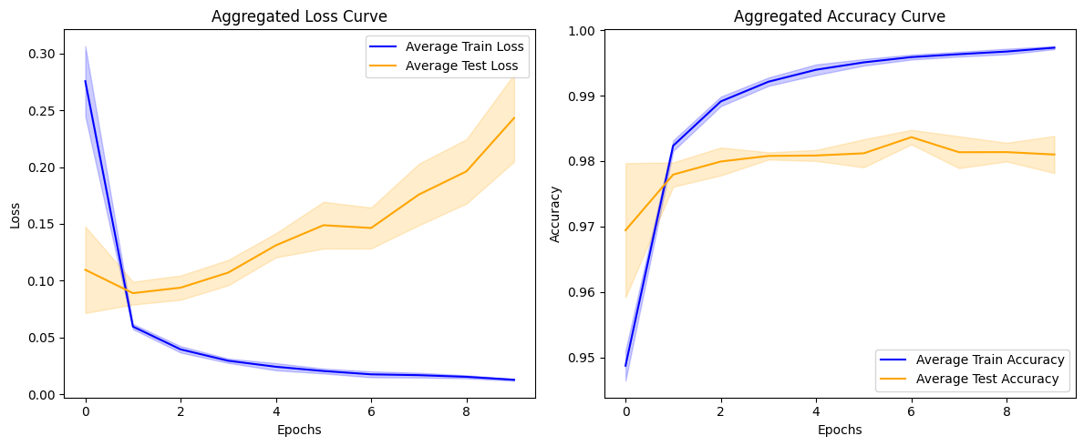
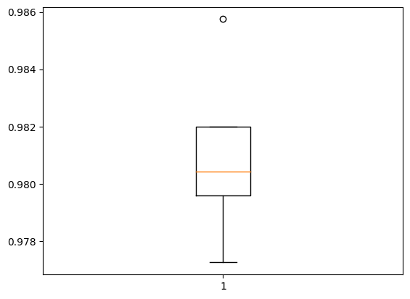
Fold 1: Accuracy at Last Epoch: 0.998 Stability Metric (Standard Deviation of Convergence Rates): 0.061 Rate of Convergence (Loss Reduction Per Epoch): [0.1975688934326172, 0.019869714975357056, 0.010358942672610283, 0.006899822503328323, 0.0010956469923257828, 0.004550625570118427, -0.002140798605978489, 0.0029359348118305206, 0.0017179148271679878] Average Rate of Convergence: 0.027 Mean Convergence Speed: 0.003 Initial Stage (Mean Accuracy for First 5 Epochs): 0.982 Mid Stage (Mean Accuracy for Middle Epochs): 0.995 Late Stage (Mean Accuracy for Last 5 Epochs): 0.997 -------------------------------------------------- Test Accuracy: 98.200% ==================================================
Fold 2: Accuracy at Last Epoch: 0.998 Stability Metric (Standard Deviation of Convergence Rates): 0.054 Rate of Convergence (Loss Reduction Per Epoch): [0.17577077448368073, 0.02139168605208397, 0.007457884028553963, 0.005378821864724159, 0.0050231218338012695, 0.00196244940161705, 0.0012514153495430946, -4.2887404561042786e-06, 0.0021382737904787064] Average Rate of Convergence: 0.024 Mean Convergence Speed: 0.002 Initial Stage (Mean Accuracy for First 5 Epochs): 0.983 Mid Stage (Mean Accuracy for Middle Epochs): 0.995 Late Stage (Mean Accuracy for Last 5 Epochs): 0.997 -------------------------------------------------- Test Accuracy: 97.958% ==================================================
Fold 3: Accuracy at Last Epoch: 0.997 Stability Metric (Standard Deviation of Convergence Rates): 0.070 Rate of Convergence (Loss Reduction Per Epoch): [0.2288997769355774, 0.019994810223579407, 0.010387776419520378, 0.004726981744170189, 0.005071409046649933, 0.003358732908964157, 0.0020693037658929825, -0.0007876250892877579, 0.0019549578428268433] Average Rate of Convergence: 0.031 Mean Convergence Speed: 0.003 Initial Stage (Mean Accuracy for First 5 Epochs): 0.981 Mid Stage (Mean Accuracy for Middle Epochs): 0.995 Late Stage (Mean Accuracy for Last 5 Epochs): 0.996 -------------------------------------------------- Test Accuracy: 97.725% ================================================== | Accuracy: mean=98.100 std=0.283, n=5
Fold 4: Accuracy at Last Epoch: 0.997 Stability Metric (Standard Deviation of Convergence Rates): 0.066 Rate of Convergence (Loss Reduction Per Epoch): [0.21646814048290253, 0.020103640854358673, 0.011079920455813408, 0.0069030895829200745, 0.0019517261534929276, 0.0012488532811403275, 0.002135328948497772, 0.0023017190396785736, 0.003973324783146381] Average Rate of Convergence: 0.030 Mean Convergence Speed: 0.003 Initial Stage (Mean Accuracy for First 5 Epochs): 0.981 Mid Stage (Mean Accuracy for Middle Epochs): 0.994 Late Stage (Mean Accuracy for Last 5 Epochs): 0.996 -------------------------------------------------- Test Accuracy: 98.042% ==================================================
Fold 5: Accuracy at Last Epoch: 0.997 Stability Metric (Standard Deviation of Convergence Rates): 0.081 Rate of Convergence (Loss Reduction Per Epoch): [0.2616385407745838, 0.018992140889167786, 0.010913651436567307, 0.0024437885731458664, 0.005721719935536385, 0.003462769091129303, 0.000258835032582283, 0.0029094964265823364, 0.003272480331361294] Average Rate of Convergence: 0.034 Mean Convergence Speed: 0.003 Initial Stage (Mean Accuracy for First 5 Epochs): 0.980 Mid Stage (Mean Accuracy for Middle Epochs): 0.994 Late Stage (Mean Accuracy for Last 5 Epochs): 0.996 -------------------------------------------------- Test Accuracy: 98.575% ==================================================
Mean Performance Across All Folds: Mean Accuracy: 0.997 Mean Stability Metric: 0.066 Mean Rate of Convergence: 0.029 Mean Convergence Speed: 0.003 Mean Initial Accuracy (First 5 Epochs): 0.981 Mean Mid Accuracy (Middle Epochs): 0.995 Mean Late Accuracy (Last 5 Epochs): 0.996

case8
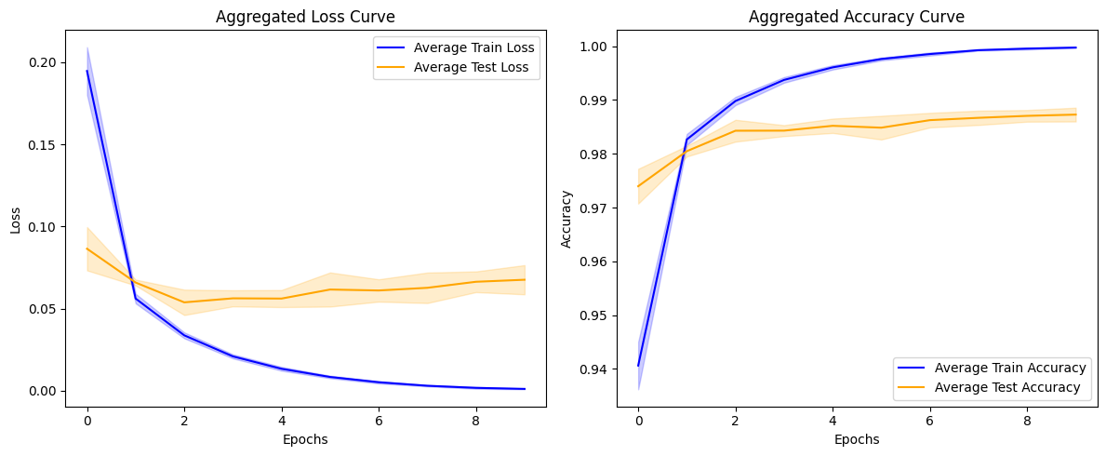
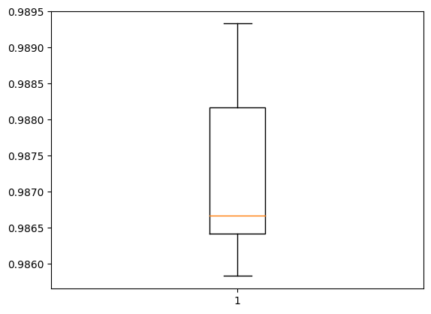
Fold 1: Accuracy at Last Epoch: 1.000 Stability Metric (Standard Deviation of Convergence Rates): 0.045 Rate of Convergence (Loss Reduction Per Epoch): [0.14929643273353577, 0.022789012640714645, 0.013402683660387993, 0.007603920064866543, 0.004507787525653839, 0.0037877862341701984, 0.0027262221556156874, 0.0010765179758891463, 0.0005565703613683581] Average Rate of Convergence: 0.023 Mean Convergence Speed: 0.002 Initial Stage (Mean Accuracy for First 5 Epochs): 0.980 Mid Stage (Mean Accuracy for Middle Epochs): 0.997 Late Stage (Mean Accuracy for Last 5 Epochs): 0.999 -------------------------------------------------- Test Accuracy: 98.583% ==================================================
Fold 2: Accuracy at Last Epoch: 1.000 Stability Metric (Standard Deviation of Convergence Rates): 0.036 Rate of Convergence (Loss Reduction Per Epoch): [0.11895549669861794, 0.02151307463645935, 0.011865299195051193, 0.00797866191715002, 0.004869972821325064, 0.003263353370130062, 0.001265757018700242, 0.0013347822241485119, 0.0004145247512497008] Average Rate of Convergence: 0.019 Mean Convergence Speed: 0.002 Initial Stage (Mean Accuracy for First 5 Epochs): 0.982 Mid Stage (Mean Accuracy for Middle Epochs): 0.997 Late Stage (Mean Accuracy for Last 5 Epochs): 0.999 -------------------------------------------------- Test Accuracy: 98.642% ================================================== | Accuracy: mean=98.728 std=0.128, n=5
Fold 3: Accuracy at Last Epoch: 1.000 Stability Metric (Standard Deviation of Convergence Rates): 0.041 Rate of Convergence (Loss Reduction Per Epoch): [0.13442455232143402, 0.02190248668193817, 0.011480780318379402, 0.007365182973444462, 0.004680328071117401, 0.0034527103416621685, 0.0020256973803043365, 0.001395094208419323, 0.0006778982933610678] Average Rate of Convergence: 0.021 Mean Convergence Speed: 0.002 Initial Stage (Mean Accuracy for First 5 Epochs): 0.981 Mid Stage (Mean Accuracy for Middle Epochs): 0.997 Late Stage (Mean Accuracy for Last 5 Epochs): 0.999 -------------------------------------------------- Test Accuracy: 98.667% ==================================================
Fold 4: Accuracy at Last Epoch: 1.000 Stability Metric (Standard Deviation of Convergence Rates): 0.042 Rate of Convergence (Loss Reduction Per Epoch): [0.13727754727005959, 0.0212116576731205, 0.01353655755519867, 0.007136759348213673, 0.004485374316573143, 0.002824514638632536, 0.00213642162270844, 0.0016306964680552483, 0.0003517440636642277] Average Rate of Convergence: 0.021 Mean Convergence Speed: 0.002 Initial Stage (Mean Accuracy for First 5 Epochs): 0.981 Mid Stage (Mean Accuracy for Middle Epochs): 0.997 Late Stage (Mean Accuracy for Last 5 Epochs): 0.999 -------------------------------------------------- Test Accuracy: 98.933% ==================================================
Fold 5: Accuracy at Last Epoch: 1.000 Stability Metric (Standard Deviation of Convergence Rates): 0.046 Rate of Convergence (Loss Reduction Per Epoch): [0.15236368030309677, 0.024407073855400085, 0.013684632256627083, 0.007724461145699024, 0.006373252719640732, 0.0027519091963768005, 0.002447687089443207, 0.000971019733697176, 0.0011808351846411824] Average Rate of Convergence: 0.024 Mean Convergence Speed: 0.002 Initial Stage (Mean Accuracy for First 5 Epochs): 0.978 Mid Stage (Mean Accuracy for Middle Epochs): 0.997 Late Stage (Mean Accuracy for Last 5 Epochs): 0.999 -------------------------------------------------- Test Accuracy: 98.817% ==================================================
Mean Performance Across All Folds: Mean Accuracy: 1.000 Mean Stability Metric: 0.042 Mean Rate of Convergence: 0.021 Mean Convergence Speed: 0.002 Mean Initial Accuracy (First 5 Epochs): 0.981 Mean Mid Accuracy (Middle Epochs): 0.997 Mean Late Accuracy (Last 5 Epochs): 0.999

case6
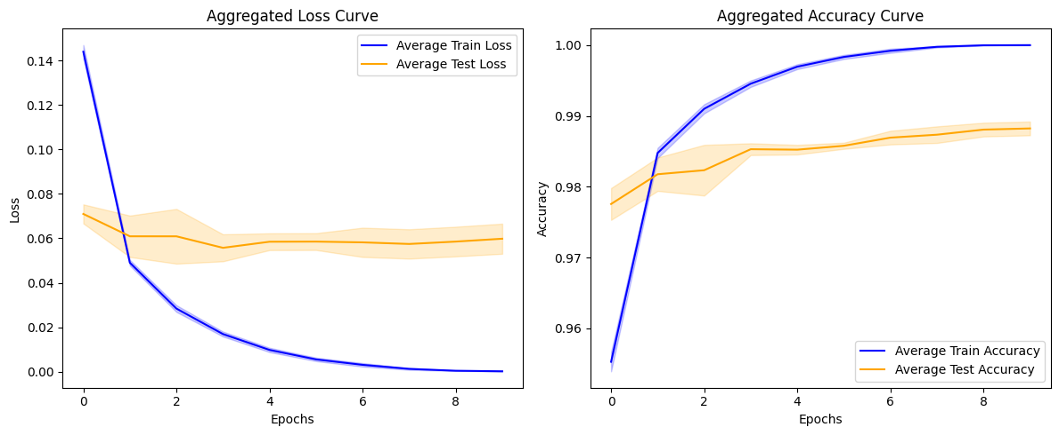
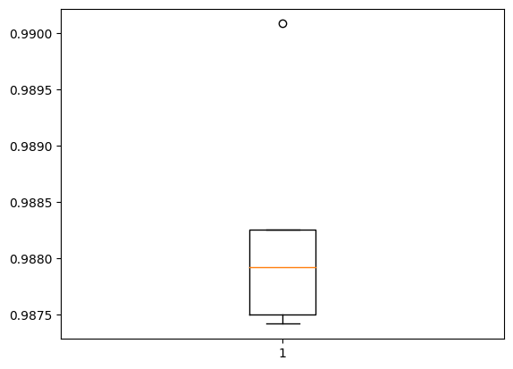
Fold 1: Accuracy at Last Epoch: 1.000 Stability Metric (Standard Deviation of Convergence Rates): 0.029 Rate of Convergence (Loss Reduction Per Epoch): [0.09532967209815979, 0.021912120282649994, 0.010869365185499191, 0.007978538051247597, 0.0037937364540994167, 0.002352021401748061, 0.0013723662705160677, 1.67352263815701e-05, 0.000381106641725637] Average Rate of Convergence: 0.016 Mean Convergence Speed: 0.002 Initial Stage (Mean Accuracy for First 5 Epochs): 0.985 Mid Stage (Mean Accuracy for Middle Epochs): 0.998 Late Stage (Mean Accuracy for Last 5 Epochs): 1.000 -------------------------------------------------- Test Accuracy: 98.792% ==================================================
Fold 2: Accuracy at Last Epoch: 1.000 Stability Metric (Standard Deviation of Convergence Rates): 0.029 Rate of Convergence (Loss Reduction Per Epoch): [0.09617994725704193, 0.01989971473813057, 0.01021934486925602, 0.008422494865953922, 0.005377806723117828, 0.0022958621848374605, 0.0012732279719784856, 0.001056052278727293, 0.0003100041067227721] Average Rate of Convergence: 0.016 Mean Convergence Speed: 0.002 Initial Stage (Mean Accuracy for First 5 Epochs): 0.984 Mid Stage (Mean Accuracy for Middle Epochs): 0.998 Late Stage (Mean Accuracy for Last 5 Epochs): 0.999 -------------------------------------------------- Test Accuracy: 98.742% ==================================================
Fold 3: Accuracy at Last Epoch: 1.000 Stability Metric (Standard Deviation of Convergence Rates): 0.028 Rate of Convergence (Loss Reduction Per Epoch): [0.09398012980818748, 0.021245457231998444, 0.010948818176984787, 0.006410638801753521, 0.004024146124720573, 0.0027759065851569176, 0.001733912737108767, 0.0006885618786327541, 0.0001609441969776526] Average Rate of Convergence: 0.016 Mean Convergence Speed: 0.002 Initial Stage (Mean Accuracy for First 5 Epochs): 0.985 Mid Stage (Mean Accuracy for Middle Epochs): 0.998 Late Stage (Mean Accuracy for Last 5 Epochs): 0.999 -------------------------------------------------- Test Accuracy: 98.750% ================================================== | Accuracy: mean=98.823 std=0.097, n=5
Fold 4: Accuracy at Last Epoch: 1.000 Stability Metric (Standard Deviation of Convergence Rates): 0.028 Rate of Convergence (Loss Reduction Per Epoch): [0.09191448986530304, 0.019577404484152794, 0.011631708592176437, 0.006550757214426994, 0.0034071672707796097, 0.0021573747508227825, 0.002567847492173314, 0.001394632359733805, 0.00020950721227563918] Average Rate of Convergence: 0.015 Mean Convergence Speed: 0.002 Initial Stage (Mean Accuracy for First 5 Epochs): 0.985 Mid Stage (Mean Accuracy for Middle Epochs): 0.998 Late Stage (Mean Accuracy for Last 5 Epochs): 0.999 -------------------------------------------------- Test Accuracy: 99.008% ==================================================
Fold 5: Accuracy at Last Epoch: 1.000 Stability Metric (Standard Deviation of Convergence Rates): 0.029 Rate of Convergence (Loss Reduction Per Epoch): [0.09721251577138901, 0.02039288729429245, 0.013669569045305252, 0.006319155916571617, 0.004682171158492565, 0.002669739304110408, 0.00213682116009295, 0.0010294059466104954, 0.00016637411317788064] Average Rate of Convergence: 0.016 Mean Convergence Speed: 0.002 Initial Stage (Mean Accuracy for First 5 Epochs): 0.984 Mid Stage (Mean Accuracy for Middle Epochs): 0.998 Late Stage (Mean Accuracy for Last 5 Epochs): 0.999 -------------------------------------------------- Test Accuracy: 98.825% ================================================== |  | Accuracy: mean=98.823 std=0.097, n=5
Mean Performance Across All Folds: Mean Accuracy: 1.000 Mean Stability Metric: 0.029 Mean Rate of Convergence: 0.016 Mean Convergence Speed: 0.002 Mean Initial Accuracy (First 5 Epochs): 0.985 Mean Mid Accuracy (Middle Epochs): 0.998 Mean Late Accuracy (Last 5 Epochs): 0.999

case5
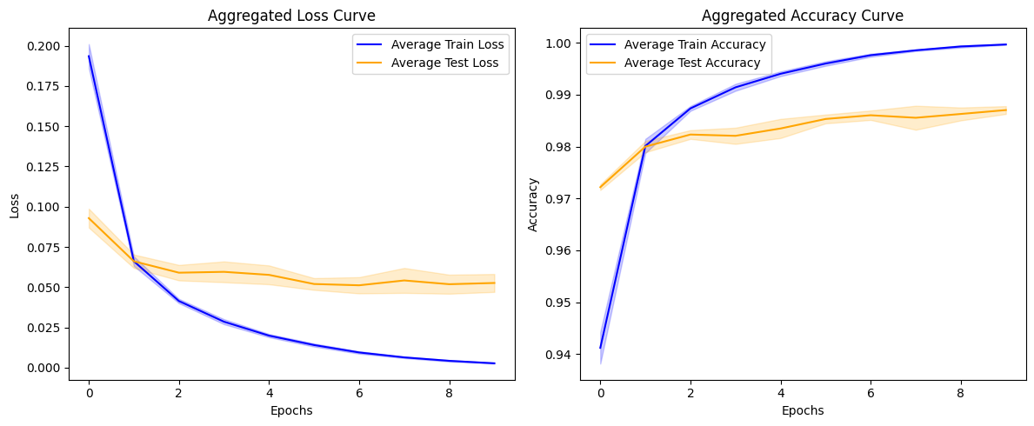
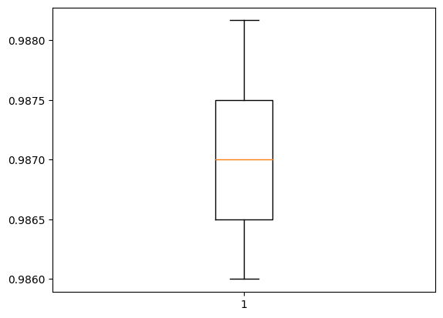
Fold 1: Accuracy at Last Epoch: 1.000 Stability Metric (Standard Deviation of Convergence Rates): 0.039 Rate of Convergence (Loss Reduction Per Epoch): [0.12840358167886734, 0.027590669691562653, 0.012026261538267136, 0.009510291740298271, 0.006182728335261345, 0.003908095881342888, 0.003778995480388403, 0.0014887354336678982, 0.0015949055086821318] Average Rate of Convergence: 0.022 Mean Convergence Speed: 0.002 Initial Stage (Mean Accuracy for First 5 Epochs): 0.978 Mid Stage (Mean Accuracy for Middle Epochs): 0.995 Late Stage (Mean Accuracy for Last 5 Epochs): 0.998 -------------------------------------------------- Test Accuracy: 98.600% ==================================================
Fold 2: Accuracy at Last Epoch: 1.000 Stability Metric (Standard Deviation of Convergence Rates): 0.036 Rate of Convergence (Loss Reduction Per Epoch): [0.11985449865460396, 0.021365344524383545, 0.012939579784870148, 0.007991353049874306, 0.004820168949663639, 0.00529205147176981, 0.0024699303321540356, 0.0014504268765449524, 0.0017856385093182325] Average Rate of Convergence: 0.020 Mean Convergence Speed: 0.002 Initial Stage (Mean Accuracy for First 5 Epochs): 0.981 Mid Stage (Mean Accuracy for Middle Epochs): 0.996 Late Stage (Mean Accuracy for Last 5 Epochs): 0.998 -------------------------------------------------- Test Accuracy: 98.700% ==================================================
Fold 3: Accuracy at Last Epoch: 1.000 Stability Metric (Standard Deviation of Convergence Rates): 0.042 Rate of Convergence (Loss Reduction Per Epoch): [0.13864168524742126, 0.024102982133626938, 0.01370001770555973, 0.007463119924068451, 0.006459526717662811, 0.004208427853882313, 0.002529161050915718, 0.0026577040553092957, 0.001058028545230627] Average Rate of Convergence: 0.022 Mean Convergence Speed: 0.002 Initial Stage (Mean Accuracy for First 5 Epochs): 0.979 Mid Stage (Mean Accuracy for Middle Epochs): 0.996 Late Stage (Mean Accuracy for Last 5 Epochs): 0.998 -------------------------------------------------- Test Accuracy: 98.650% ================================================== | Accuracy: mean=98.703 std=0.076, n=5
Fold 4: Accuracy at Last Epoch: 1.000 Stability Metric (Standard Deviation of Convergence Rates): 0.036 Rate of Convergence (Loss Reduction Per Epoch): [0.12161634862422943, 0.02501022070646286, 0.013294223695993423, 0.0085689015686512, 0.007323227822780609, 0.004423126578330994, 0.003199482336640358, 0.0024443105794489384, 0.00157448323443532] Average Rate of Convergence: 0.021 Mean Convergence Speed: 0.002 Initial Stage (Mean Accuracy for First 5 Epochs): 0.978 Mid Stage (Mean Accuracy for Middle Epochs): 0.995 Late Stage (Mean Accuracy for Last 5 Epochs): 0.998 -------------------------------------------------- Test Accuracy: 98.750% ==================================================
Fold 5: Accuracy at Last Epoch: 1.000 Stability Metric (Standard Deviation of Convergence Rates): 0.038 Rate of Convergence (Loss Reduction Per Epoch): [0.12837915122509003, 0.025495003908872604, 0.012239882722496986, 0.009749749675393105, 0.004450026899576187, 0.005202975124120712, 0.0032711164094507694, 0.002671419642865658, 0.0016291229985654354] Average Rate of Convergence: 0.021 Mean Convergence Speed: 0.002 Initial Stage (Mean Accuracy for First 5 Epochs): 0.978 Mid Stage (Mean Accuracy for Middle Epochs): 0.995 Late Stage (Mean Accuracy for Last 5 Epochs): 0.998 -------------------------------------------------- Test Accuracy: 98.817% ==================================================
Mean Performance Across All Folds: Mean Accuracy: 1.000 Mean Stability Metric: 0.038 Mean Rate of Convergence: 0.021 Mean Convergence Speed: 0.002 Mean Initial Accuracy (First 5 Epochs): 0.979 Mean Mid Accuracy (Middle Epochs): 0.996 Mean Late Accuracy (Last 5 Epochs): 0.998

case4
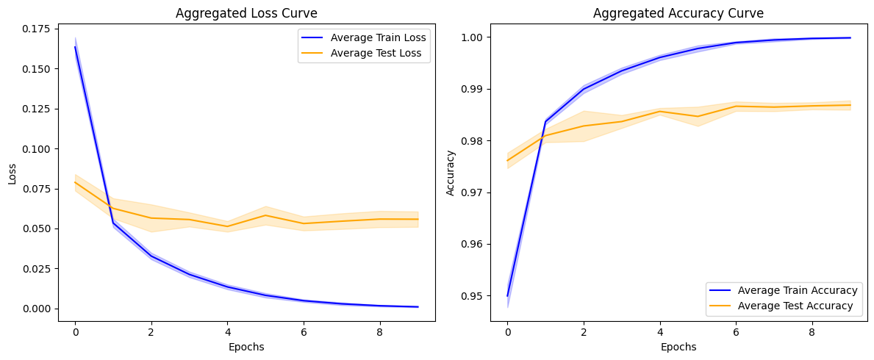
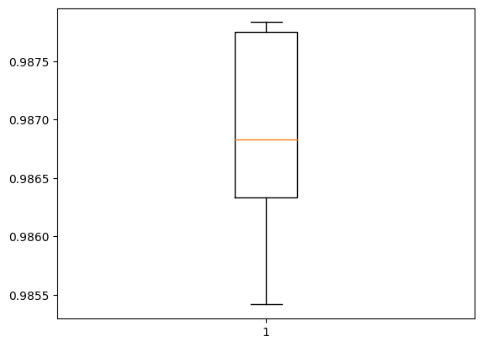
Fold 1: Accuracy at Last Epoch: 1.000 Stability Metric (Standard Deviation of Convergence Rates): 0.034 Rate of Convergence (Loss Reduction Per Epoch): [0.1138245016336441, 0.020098190754652023, 0.011984415352344513, 0.007938014343380928, 0.0054112644866108894, 0.003033615183085203, 0.0015978934243321419, 0.0010987434070557356, 0.0007225776789709926] Average Rate of Convergence: 0.018 Mean Convergence Speed: 0.002 Initial Stage (Mean Accuracy for First 5 Epochs): 0.982 Mid Stage (Mean Accuracy for Middle Epochs): 0.997 Late Stage (Mean Accuracy for Last 5 Epochs): 0.999 Test Accuracy: 98.542%
Fold 2: Accuracy at Last Epoch: 1.000 Stability Metric (Standard Deviation of Convergence Rates): 0.032 Rate of Convergence (Loss Reduction Per Epoch): [0.10777610540390015, 0.0200379379093647, 0.00994335487484932, 0.008642079308629036, 0.004715478979051113, 0.0026329178363084793, 0.002341240644454956, 0.000805773539468646, 0.000297114544082433] Average Rate of Convergence: 0.017 Mean Convergence Speed: 0.002 Initial Stage (Mean Accuracy for First 5 Epochs): 0.983 Mid Stage (Mean Accuracy for Middle Epochs): 0.998 Late Stage (Mean Accuracy for Last 5 Epochs): 0.999 Test Accuracy: 98.783%
Fold 3: Accuracy at Last Epoch: 1.000 Stability Metric (Standard Deviation of Convergence Rates): 0.031 Rate of Convergence (Loss Reduction Per Epoch): [0.10298265144228935, 0.020963076502084732, 0.01179054006934166, 0.007766224443912506, 0.005147659685462713, 0.0032566050067543983, 0.0016966818366199732, 0.0010142667451873422, 0.0007574656629003584] Average Rate of Convergence: 0.017 Mean Convergence Speed: 0.002 Initial Stage (Mean Accuracy for First 5 Epochs): 0.984 Mid Stage (Mean Accuracy for Middle Epochs): 0.997 Late Stage (Mean Accuracy for Last 5 Epochs): 0.999 Test Accuracy: 98.633% | Accuracy: mean=98.683 std=0.091, n=5
Fold 4: Accuracy at Last Epoch: 1.000 Stability Metric (Standard Deviation of Convergence Rates): 0.034 Rate of Convergence (Loss Reduction Per Epoch): [0.11490330100059509, 0.021764535456895828, 0.011739792302250862, 0.008892890065908432, 0.005168226547539234, 0.00443264190107584, 0.0017880038358271122, 0.0018845584709197283, 0.0009804434375837445] Average Rate of Convergence: 0.019 Mean Convergence Speed: 0.002 Initial Stage (Mean Accuracy for First 5 Epochs): 0.981 Mid Stage (Mean Accuracy for Middle Epochs): 0.996 Late Stage (Mean Accuracy for Last 5 Epochs): 0.999 -------------------------------------------------- Test Accuracy: 98.775% ==================================================
Fold 5: Accuracy at Last Epoch: 1.000 Stability Metric (Standard Deviation of Convergence Rates): 0.033 Rate of Convergence (Loss Reduction Per Epoch): [0.11041959375143051, 0.020542286336421967, 0.01189282163977623, 0.005827273242175579, 0.005913800559937954, 0.0033999010920524597, 0.0023479147348552942, 0.0012132551055401564, 0.0006034978432580829] Average Rate of Convergence: 0.018 Mean Convergence Speed: 0.002 Initial Stage (Mean Accuracy for First 5 Epochs): 0.983 Mid Stage (Mean Accuracy for Middle Epochs): 0.997 Late Stage (Mean Accuracy for Last 5 Epochs): 0.999 -------------------------------------------------- Test Accuracy: 98.683% ==================================================
Mean Performance Across All Folds: Mean Accuracy: 1.000 Mean Stability Metric: 0.033 Mean Rate of Convergence: 0.018 Mean Convergence Speed: 0.002 Mean Initial Accuracy (First 5 Epochs): 0.983 Mean Mid Accuracy (Middle Epochs): 0.997 Mean Late Accuracy (Last 5 Epochs): 0.999

case2
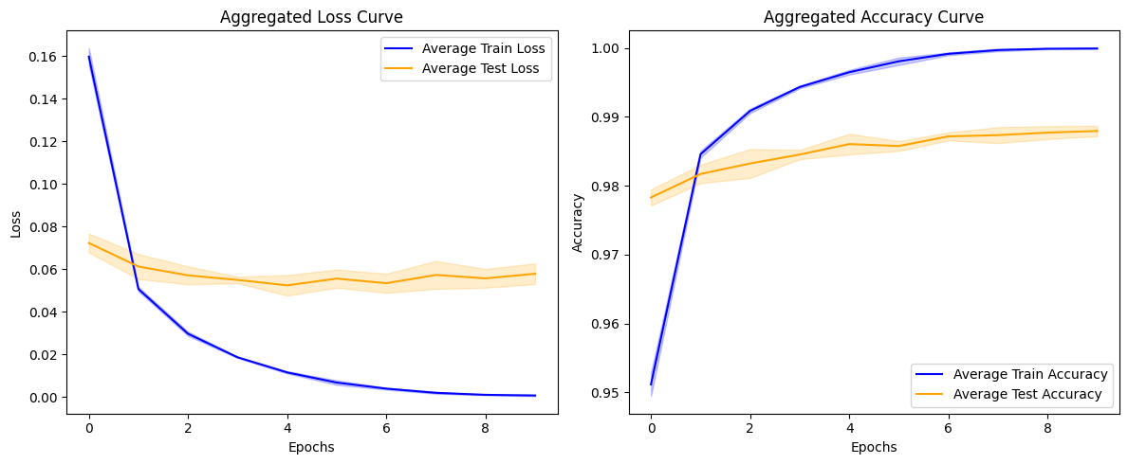
Fold 1: Accuracy at Last Epoch: 1.000 Stability Metric (Standard Deviation of Convergence Rates): 0.032 Rate of Convergence (Loss Reduction Per Epoch): [0.10594204813241959, 0.021539315581321716, 0.009435979649424553, 0.007736286148428917, 0.003625313751399517, 0.002692379057407379, 0.002225238597020507, 0.001289262087084353, 0.0006487739738076925] Average Rate of Convergence: 0.017 Mean Convergence Speed: 0.002 Initial Stage (Mean Accuracy for First 5 Epochs): 0.984 Mid Stage (Mean Accuracy for Middle Epochs): 0.997 Late Stage (Mean Accuracy for Last 5 Epochs): 0.999 Test Accuracy: 98.725%
Fold 2: Accuracy at Last Epoch: 1.000 Stability Metric (Standard Deviation of Convergence Rates): 0.032 Rate of Convergence (Loss Reduction Per Epoch): [0.1048024520277977, 0.020127033814787865, 0.011028047651052475, 0.00586672592908144, 0.006256392225623131, 0.0023961085826158524, 0.0015503435861319304, 0.0013856934383511543, 0.0003700125962495804] Average Rate of Convergence: 0.017 Mean Convergence Speed: 0.002 Initial Stage (Mean Accuracy for First 5 Epochs): 0.984 Mid Stage (Mean Accuracy for Middle Epochs): 0.997 Late Stage (Mean Accuracy for Last 5 Epochs): 0.999 -------------------------------------------------- Test Accuracy: 98.858%
Fold 3: Accuracy at Last Epoch: 1.000 Stability Metric (Standard Deviation of Convergence Rates): 0.033 Rate of Convergence (Loss Reduction Per Epoch): [0.10948771238327026, 0.019620247185230255, 0.012058183550834656, 0.007057463750243187, 0.0032482463866472244, 0.004720797762274742, 0.0024358126102015376, 0.00022941327188163996, 0.0005926023004576564] Average Rate of Convergence: 0.018 Mean Convergence Speed: 0.002 Initial Stage (Mean Accuracy for First 5 Epochs): 0.984 Mid Stage (Mean Accuracy for Middle Epochs): 0.997 Late Stage (Mean Accuracy for Last 5 Epochs): 0.999 -------------------------------------------------- Test Accuracy: 98.825% ==================================================
Fold 4: Accuracy at Last Epoch: 1.000 Stability Metric (Standard Deviation of Convergence Rates): 0.034 Rate of Convergence (Loss Reduction Per Epoch): [0.11186222359538078, 0.021726472303271294, 0.01184931956231594, 0.007935091853141785, 0.005322212353348732, 0.0021205453667789698, 0.0017759095644578338, 0.001003801531624049, 0.0002691500703804195] Average Rate of Convergence: 0.018 Mean Convergence Speed: 0.002 Initial Stage (Mean Accuracy for First 5 Epochs): 0.983 Mid Stage (Mean Accuracy for Middle Epochs): 0.998 Late Stage (Mean Accuracy for Last 5 Epochs): 0.999 -------------------------------------------------- Test Accuracy: 98.875%
Fold 5: Accuracy at Last Epoch: 1.000 Stability Metric (Standard Deviation of Convergence Rates): 0.034 Rate of Convergence (Loss Reduction Per Epoch): [0.11298860609531403, 0.021823706105351448, 0.010922584682703018, 0.00679109338670969, 0.005406430922448635, 0.002313428558409214, 0.0017984433798119426, 0.0007851071422919631, -0.0003377494867891073] Average Rate of Convergence: 0.018 Mean Convergence Speed: 0.002 Initial Stage (Mean Accuracy for First 5 Epochs): 0.983 Mid Stage (Mean Accuracy for Middle Epochs): 0.998 Late Stage (Mean Accuracy for Last 5 Epochs): 0.999 -------------------------------------------------- Test Accuracy: 98.683%

Mean Performance Across All Folds: Mean Accuracy: 1.000 Mean Stability Metric: 0.033 Mean Rate of Convergence: 0.018 Mean Convergence Speed: 0.002 Mean Initial Accuracy (First 5 Epochs): 0.983 Mean Mid Accuracy (Middle Epochs): 0.998 Mean Late Accuracy (Last 5 Epochs): 0.999

case 1
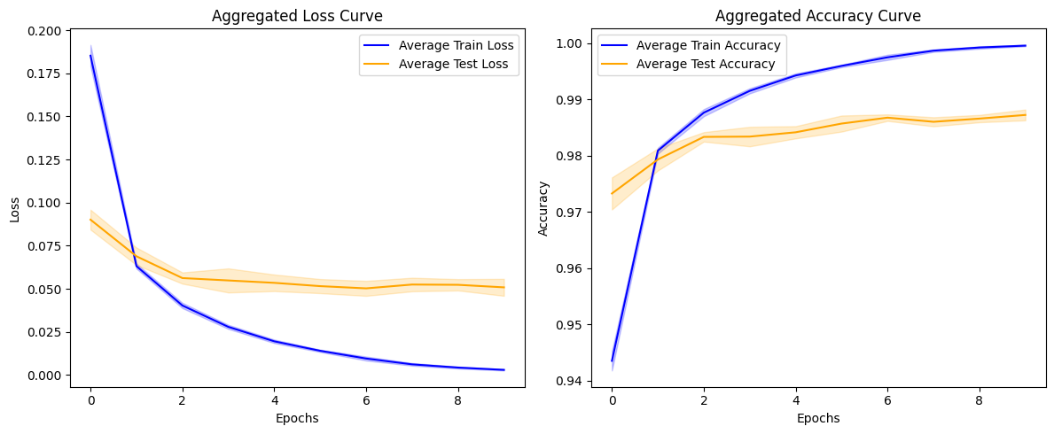
Fold 1
Accuracy at Last Epoch: | 1
Stability Metric (Standard Deviation of Convergence Rates): | 0.035
Rate of Convergence (Loss Reduction Per Epoch): | [0.1167537271976471, 0.023018285632133484, 0.01039021648466587, 0.008874239400029182, 0.004535031504929066, 0.004647422581911087, 0.0033257496543228626, 0.0018034502863883972, 0.0010579901281744242]
Average Rate of Convergence: | 0.019
Mean Convergence Speed: | 0.002
Initial Stage (Mean Accuracy for First 5 Epochs): | 0.98
Mid Stage (Mean Accuracy for Middle Epochs): | 0.996
Late Stage (Mean Accuracy for Last 5 Epochs): | 0.998
Test Accuracy: | 98.60%
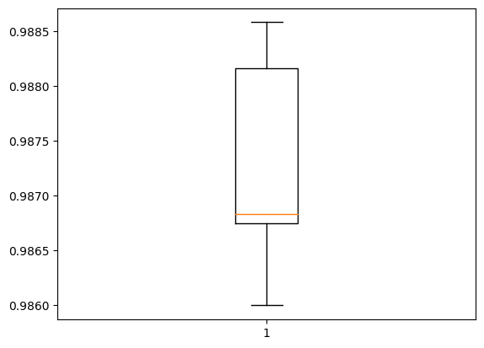
Fold 2
Accuracy at Last Epoch: | 1
Stability Metric (Standard Deviation of Convergence Rates): | 0.035
Rate of Convergence (Loss Reduction Per Epoch): | [0.11820781975984573, 0.022455722093582153, 0.013208093121647835, 0.007295211777091026, 0.005900975316762924, 0.004391638562083244, 0.002815146464854479, 0.0018642558716237545, 0.0014542064163833857]
Average Rate of Convergence: | 0.02
Mean Convergence Speed: | 0.002
Initial Stage (Mean Accuracy for First 5 Epochs): | 0.98
Mid Stage (Mean Accuracy for Middle Epochs): | 0.996 | Accuracy: mean=98.727 std=0.096, n=5
Late Stage (Mean Accuracy for Last 5 Epochs): | 0.998
Test Accuracy: | 98.68%

Fold 3
Accuracy at Last Epoch: | 1
Stability Metric (Standard Deviation of Convergence Rates): | 0.037
Rate of Convergence (Loss Reduction Per Epoch): | [0.12411702424287796, 0.02315651997923851, 0.013399269431829453, 0.008426431566476822, 0.0052849771454930305, 0.0053121186792850494, 0.0027253865264356136, 0.0017533281352370977, 0.0011114329099655151]
Average Rate of Convergence: | 0.021
Mean Convergence Speed: | 0.002
Initial Stage (Mean Accuracy for First 5 Epochs): | 0.98
Mid Stage (Mean Accuracy for Middle Epochs): | 0.996
Late Stage (Mean Accuracy for Last 5 Epochs): | 0.999
Test Accuracy: | 98.68%

Fold 4
Accuracy at Last Epoch: | 0.999
Stability Metric (Standard Deviation of Convergence Rates): | 0.039
Rate of Convergence (Loss Reduction Per Epoch): | [0.13098204135894775, 0.0234132781624794, 0.012420929968357086, 0.008553417399525642, 0.0059976233169436455, 0.004220606759190559, 0.004116951487958431, 0.0015668314881622791, 0.0011675970163196325]
Average Rate of Convergence: | 0.021
Mean Convergence Speed: | 0.002
Initial Stage (Mean Accuracy for First 5 Epochs): | 0.979
Mid Stage (Mean Accuracy for Middle Epochs): | 0.995
Late Stage (Mean Accuracy for Last 5 Epochs): | 0.998
Test Accuracy: | 98.86%

Fold 5
Accuracy at Last Epoch: | 1
Stability Metric (Standard Deviation of Convergence Rates): | 0.036
Rate of Convergence (Loss Reduction Per Epoch): | [0.12061484903097153, 0.02222398668527603, 0.012616775929927826, 0.008794035762548447, 0.005805907770991325, 0.003867007791996002, 0.003898227121680975, 0.0023457366041839123, 0.001814910676330328]
Average Rate of Convergence: | 0.02
Mean Convergence Speed: | 0.002
Initial Stage (Mean Accuracy for First 5 Epochs): | 0.979
Mid Stage (Mean Accuracy for Middle Epochs): | 0.995
Late Stage (Mean Accuracy for Last 5 Epochs): | 0.998
Test Accuracy: | 98.82%

Mean Accuracy: | 1
Mean Stability Metric: | 0.037
Mean Rate of Convergence: | 0.02
Mean Convergence Speed: | 0.002
Mean Initial Accuracy (First 5 Epochs): | 0.98
Mean Mid Accuracy (Middle Epochs): | 0.996
Mean Late Accuracy (Last 5 Epochs): | 0.998

