Visualizations_Of_Data
Visualizations of Data of Feature Matrix

Created on 07/11/2024 by Tom Lever
Updated on 07/11/2024 by Tom Lever

index | visualization of data

 | Visualizations For Single Categorical Variable
 | table of numbers of students with genders
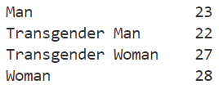

 | table of proportions of students with genders
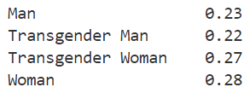

 | bar chart of numbers of students with genders
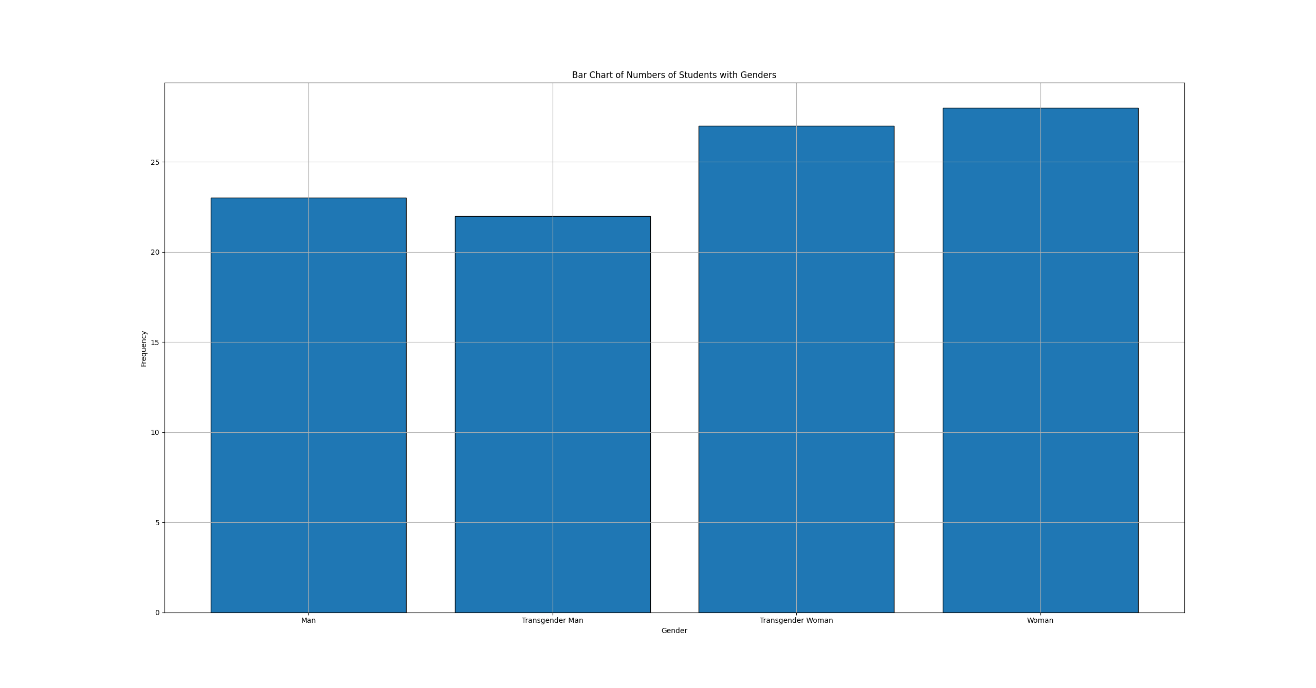

 | Visualizations for Single Quantitative Variable
 | histogram of scores for "The BSDS program was satisfying overall."
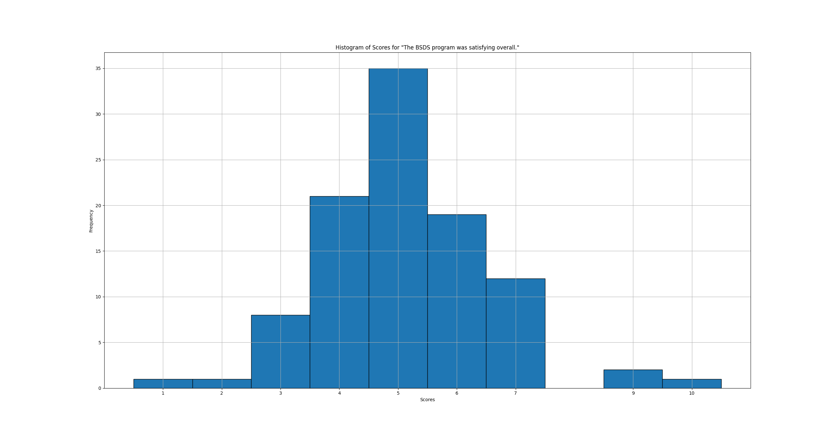

 | plot of probability distributions of scores for "The BSDS program was satisfying overall."
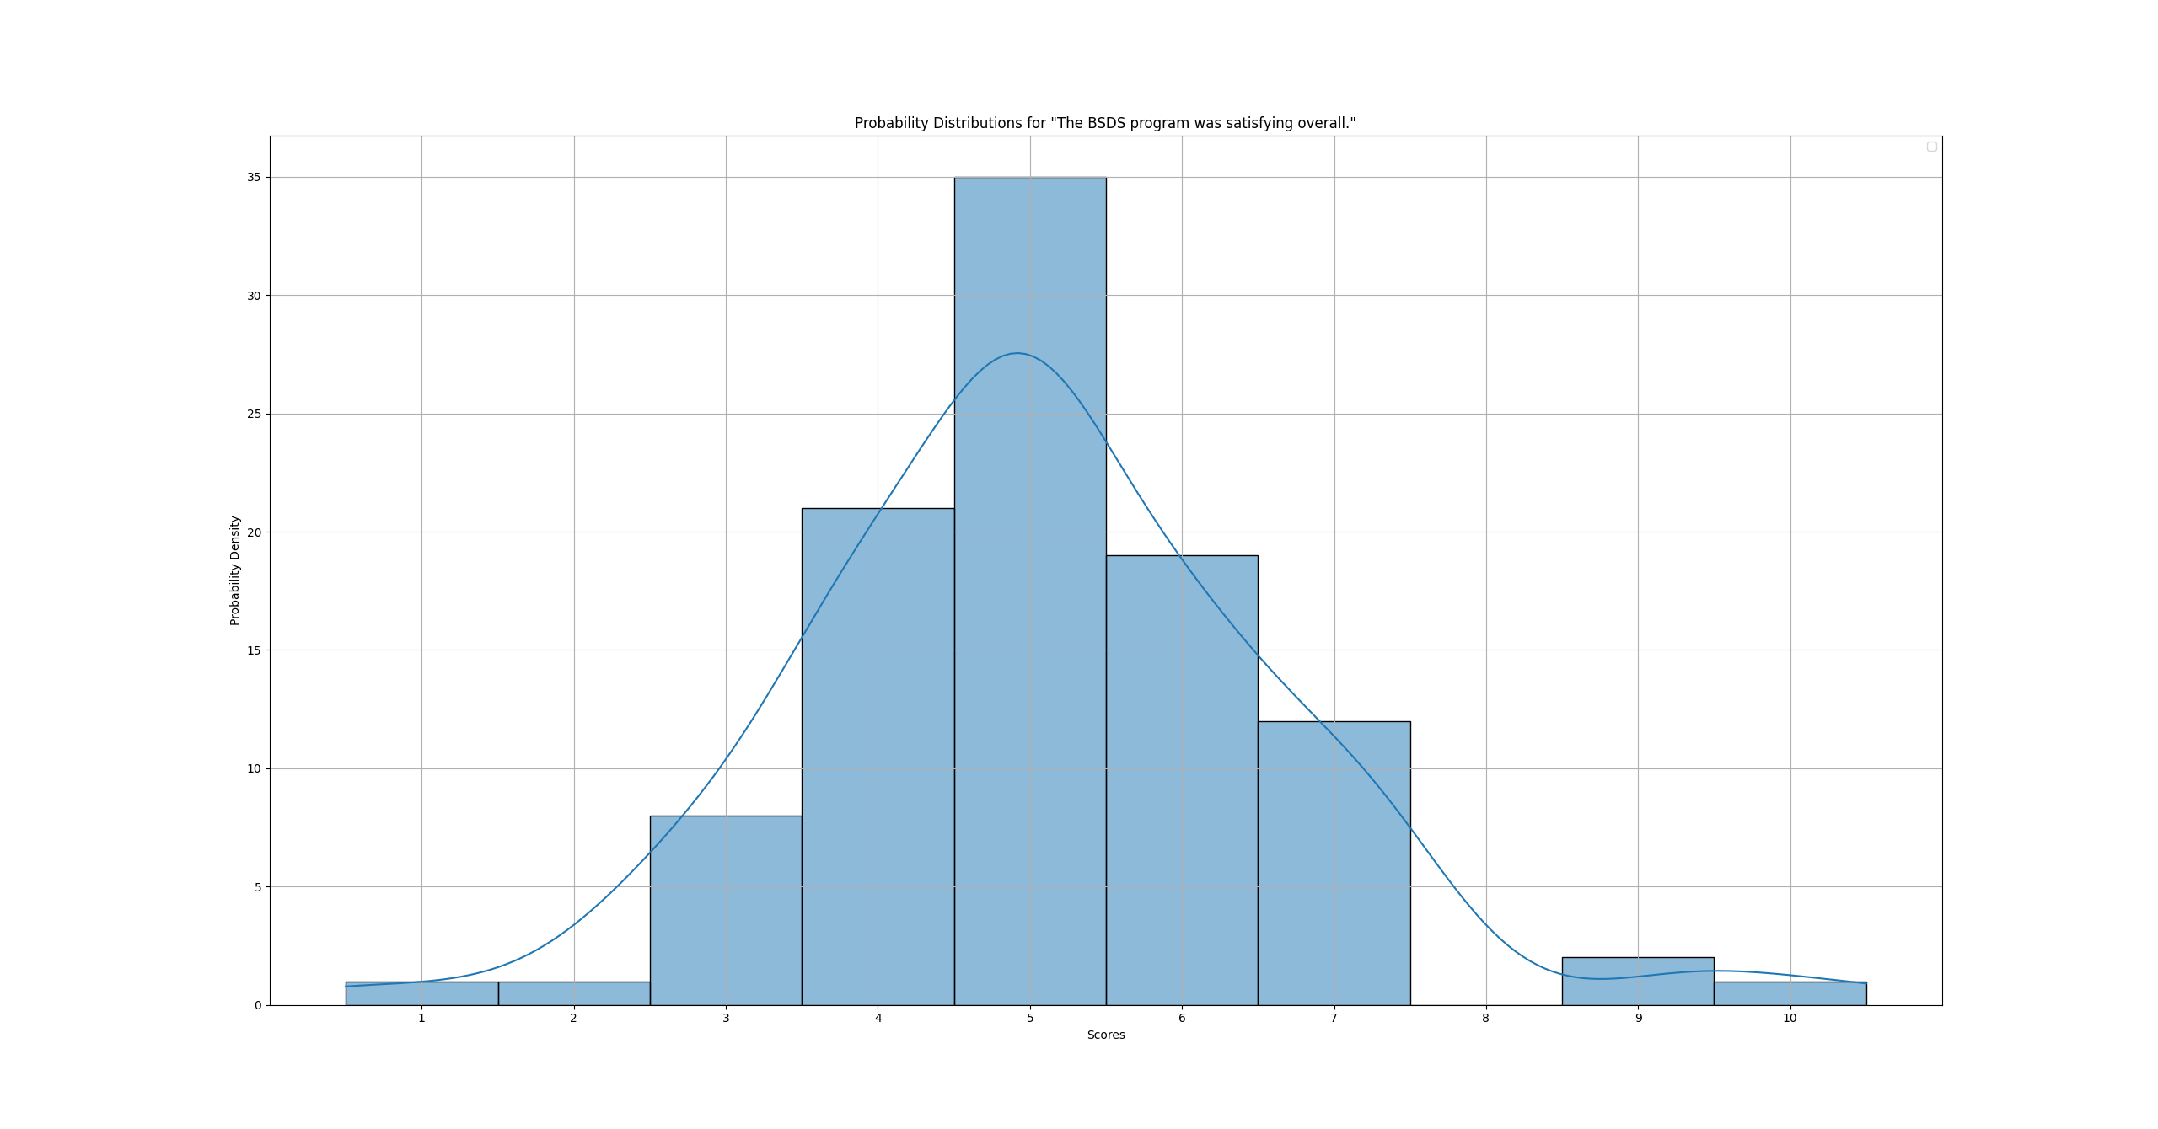

 | box plot of scores for "The BSDS program was satisfying overall."
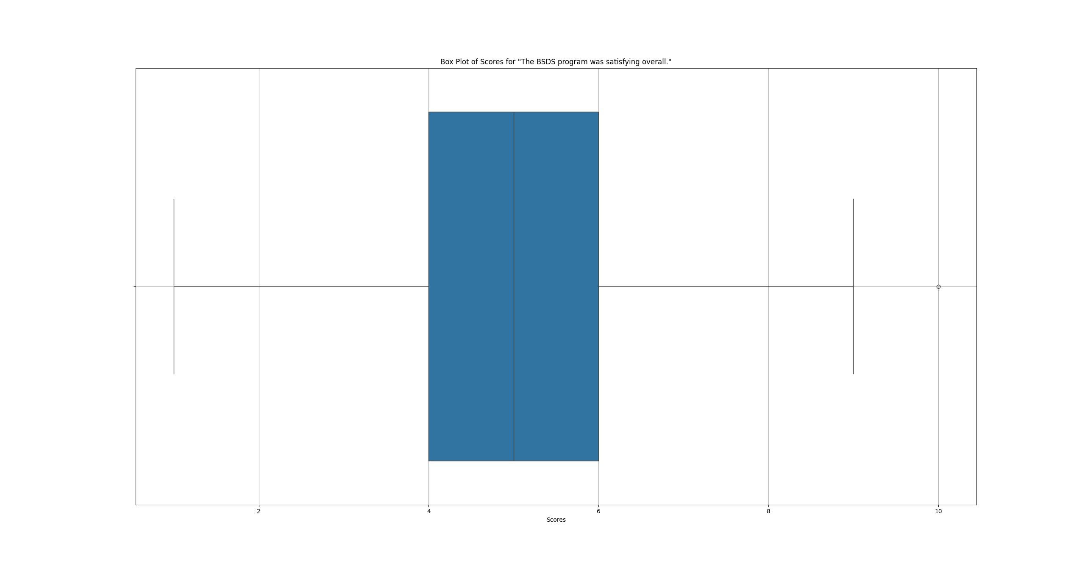

 | violin plot of scores for "The BSDS program was satisfying overall."
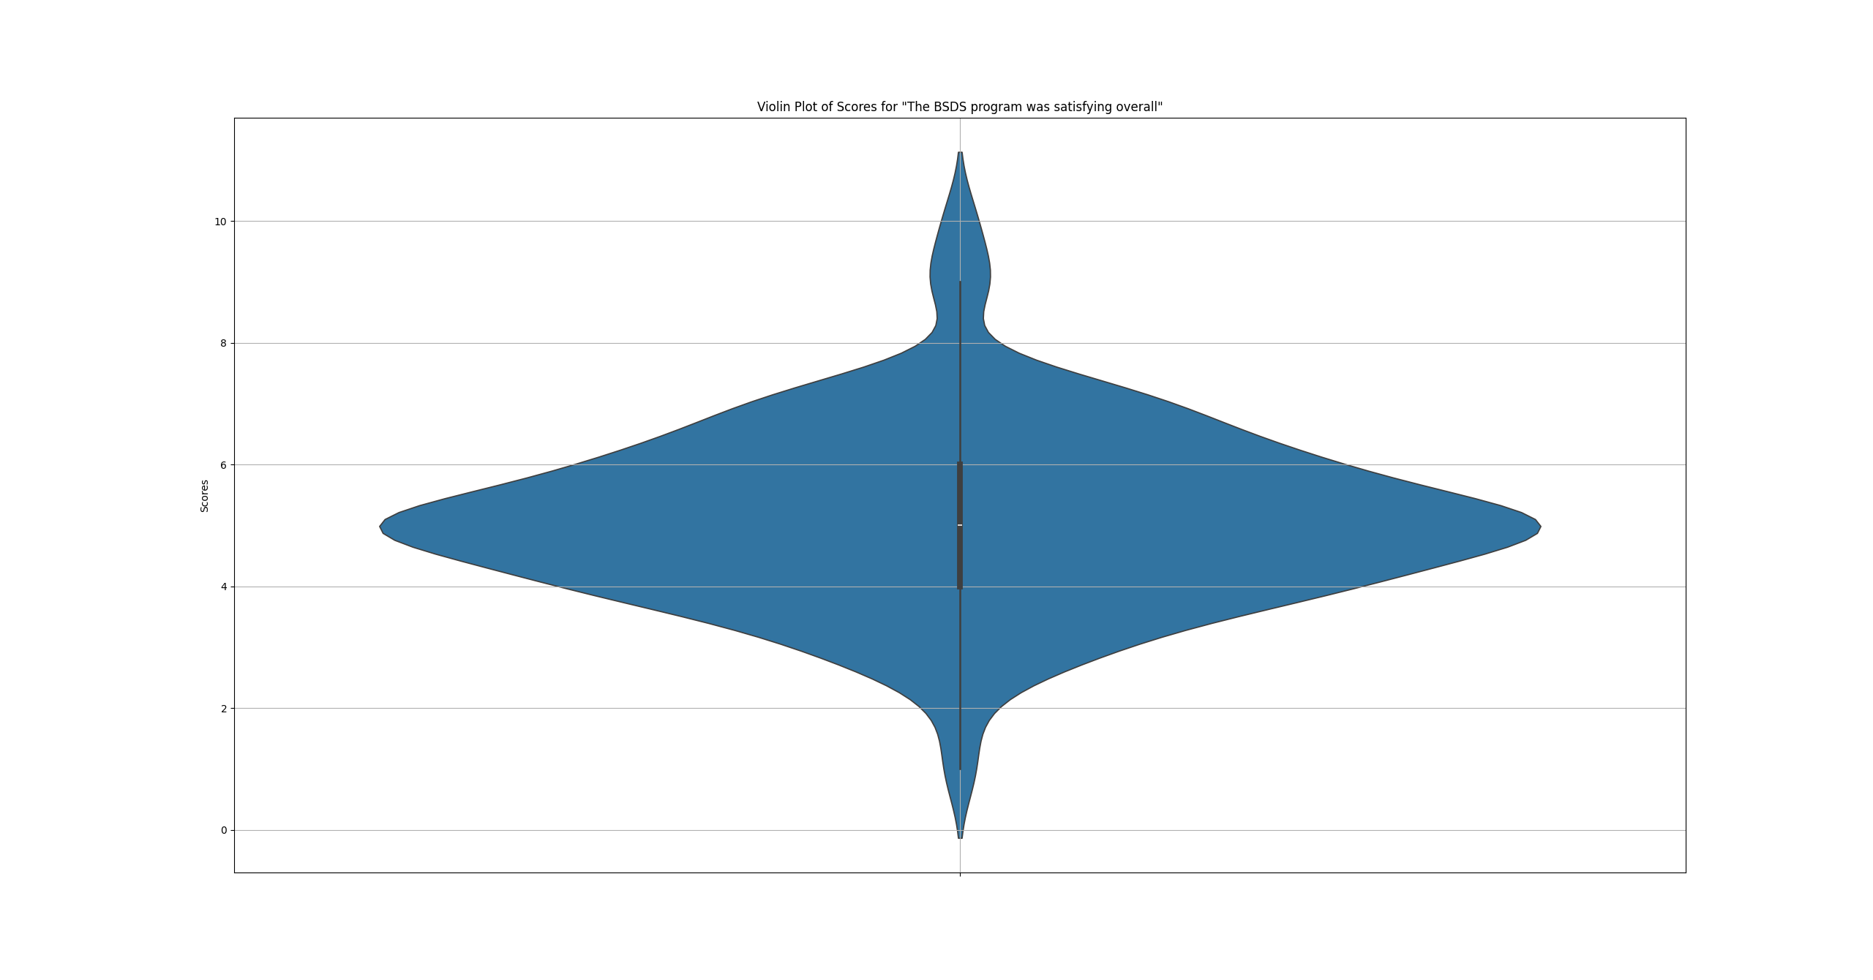

 | Visualizations for Two Categorical Variables
 | bar chart of numbers of BSDS students by age and gender
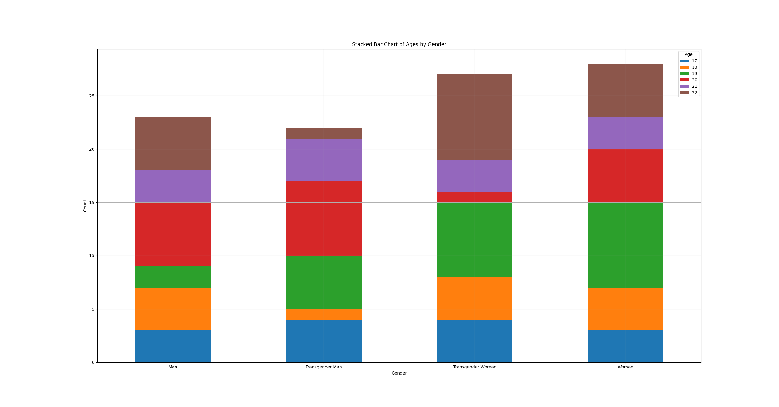

 | Visualizations for Three Categorical Variables
 | stacked bar charts of ages, genders, and scores

 | Visualizations for Quantitative Variable and Categorical Variable
 | box plots of scores for "The BSDS program was satisfying overall." by gender
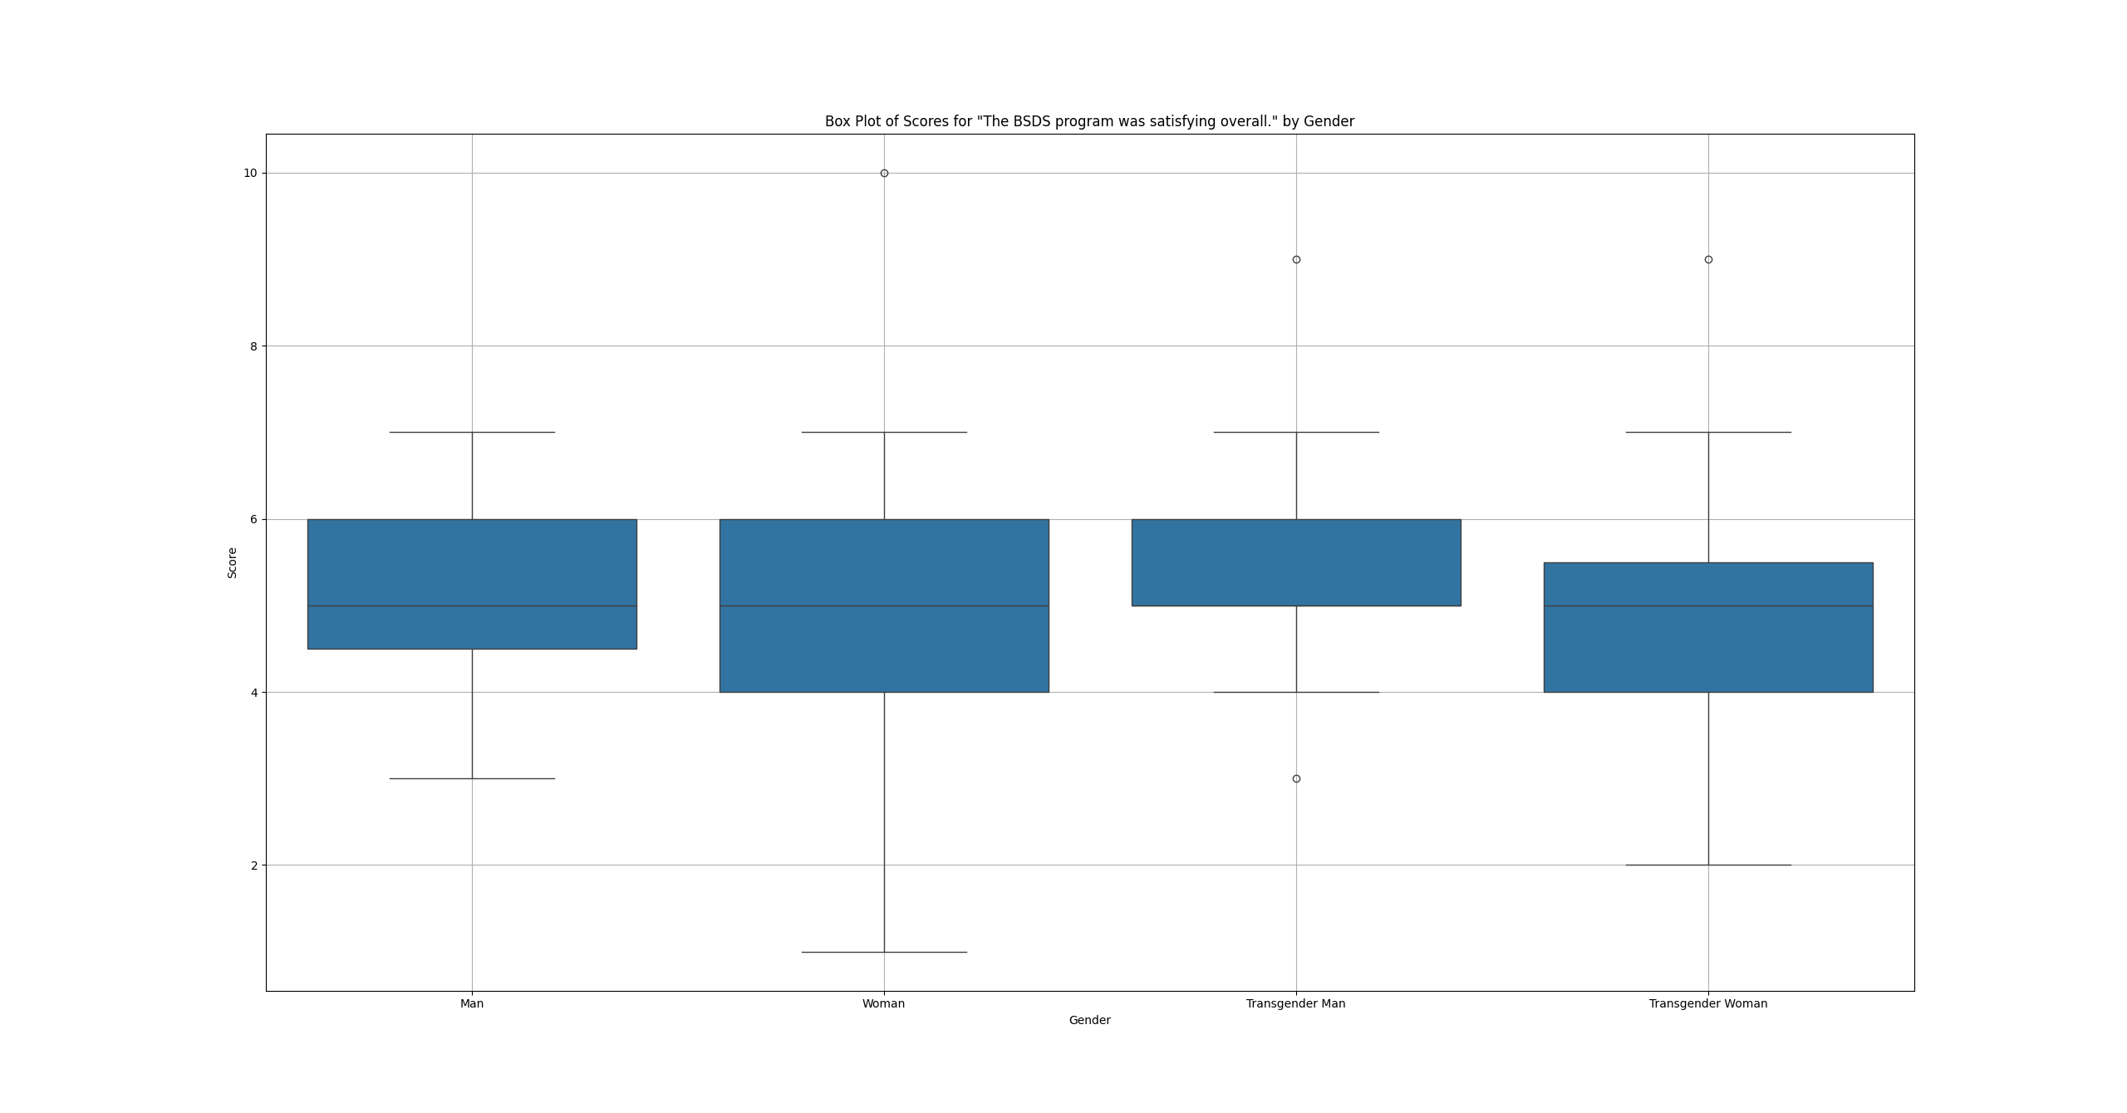

 | probability density distributions of scores by gender
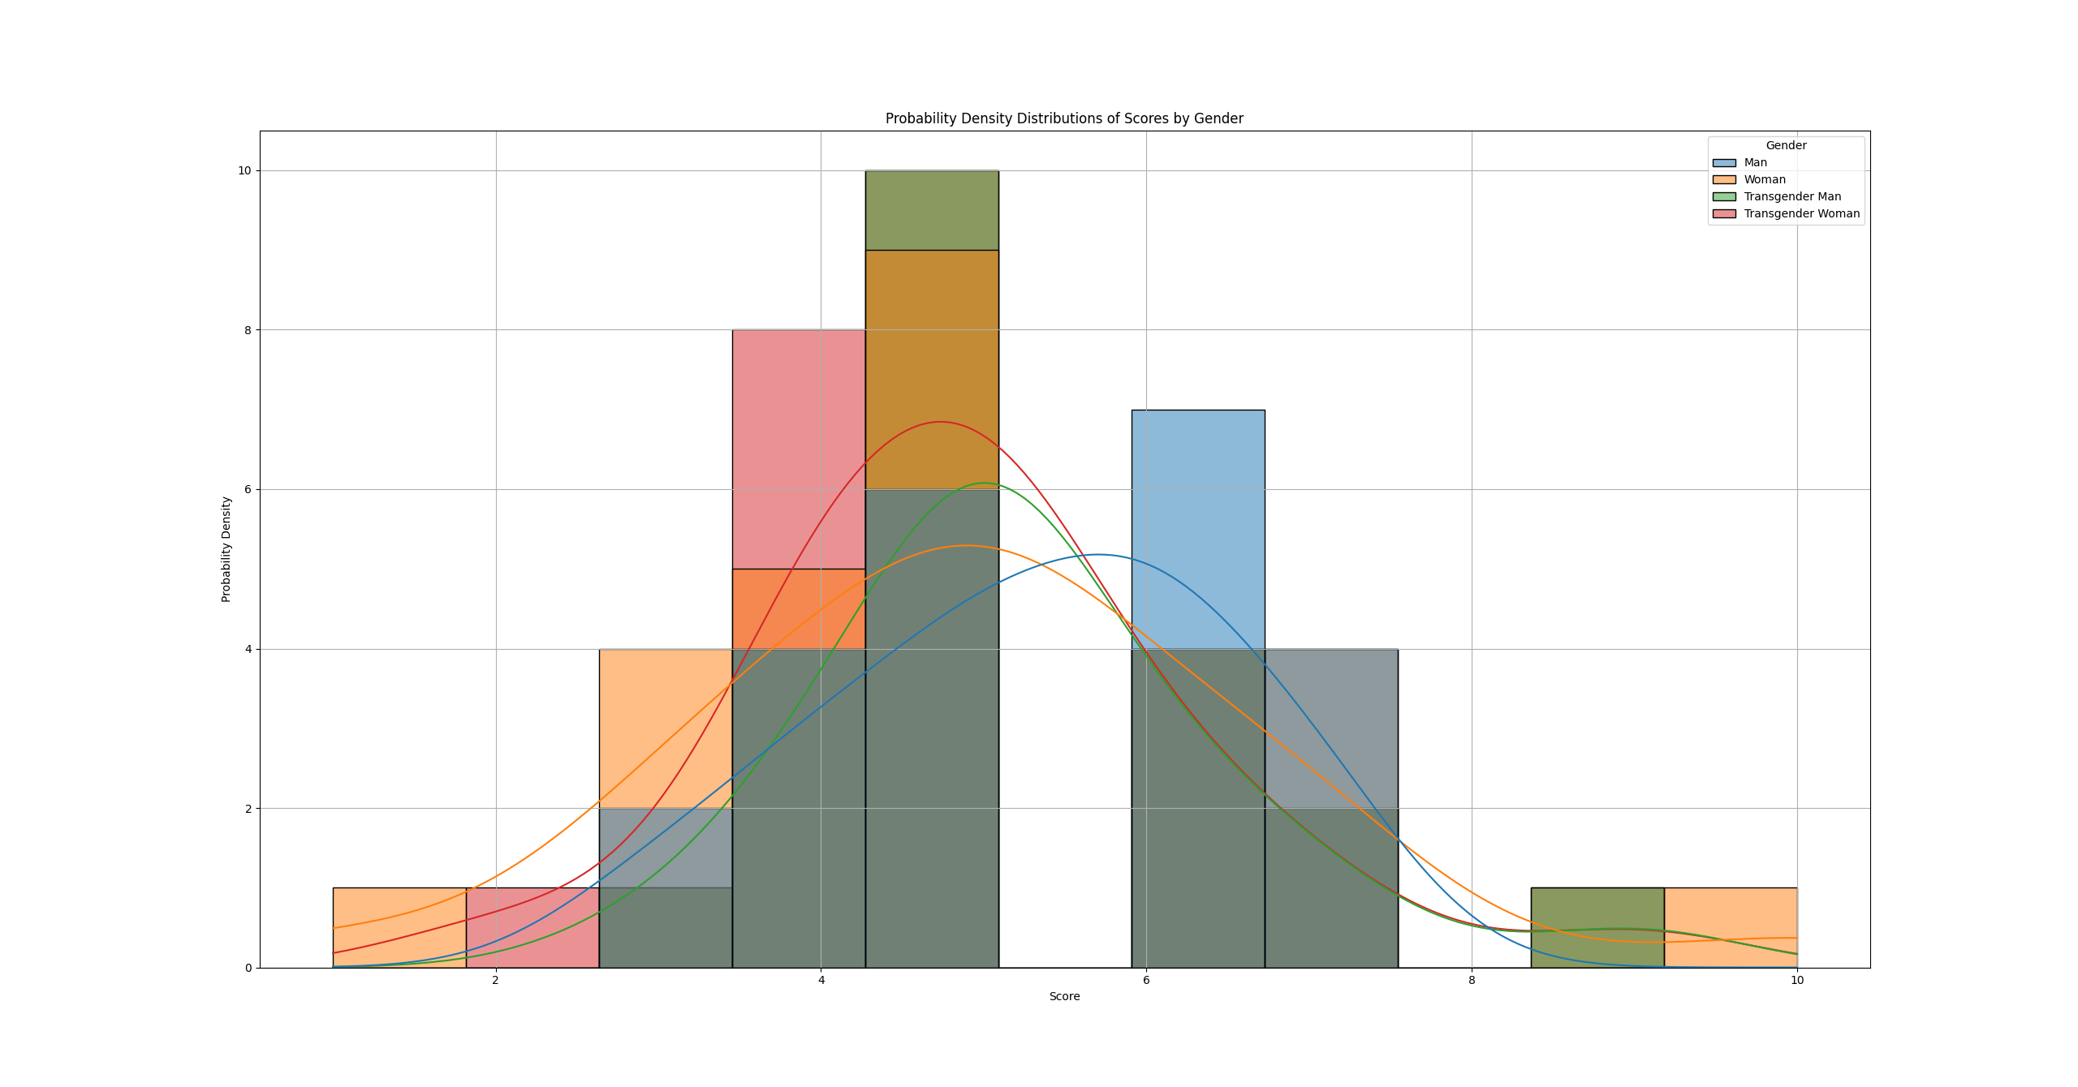

 | Visualizations for Quantitative Variable and Two Categorical Variables
 | box plot of scores for "The BSDS program was satisfying overall." by age and gender
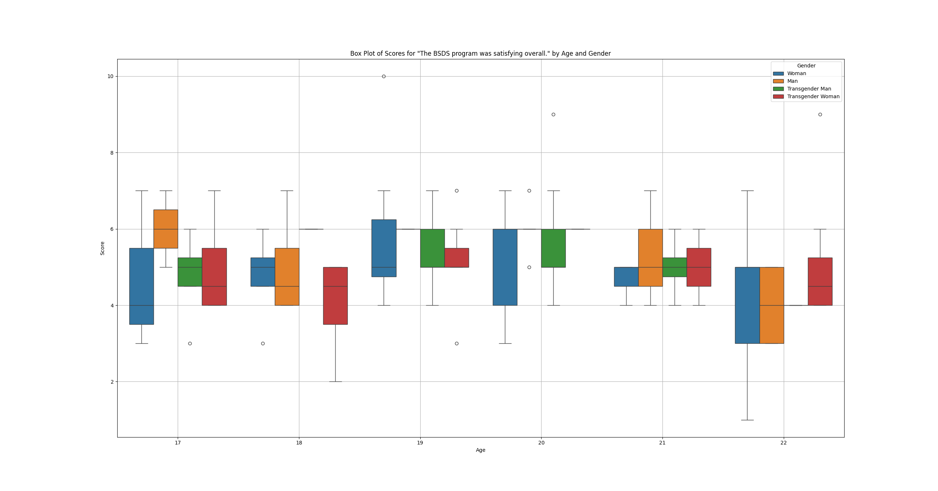

 | Visualizations for Two Quantitative Variables
 | scatter plot of scores for "Loreto Alonzi perfomed satisfactorily overall." vs. scores for "Loreto Alonzi was hardworking."
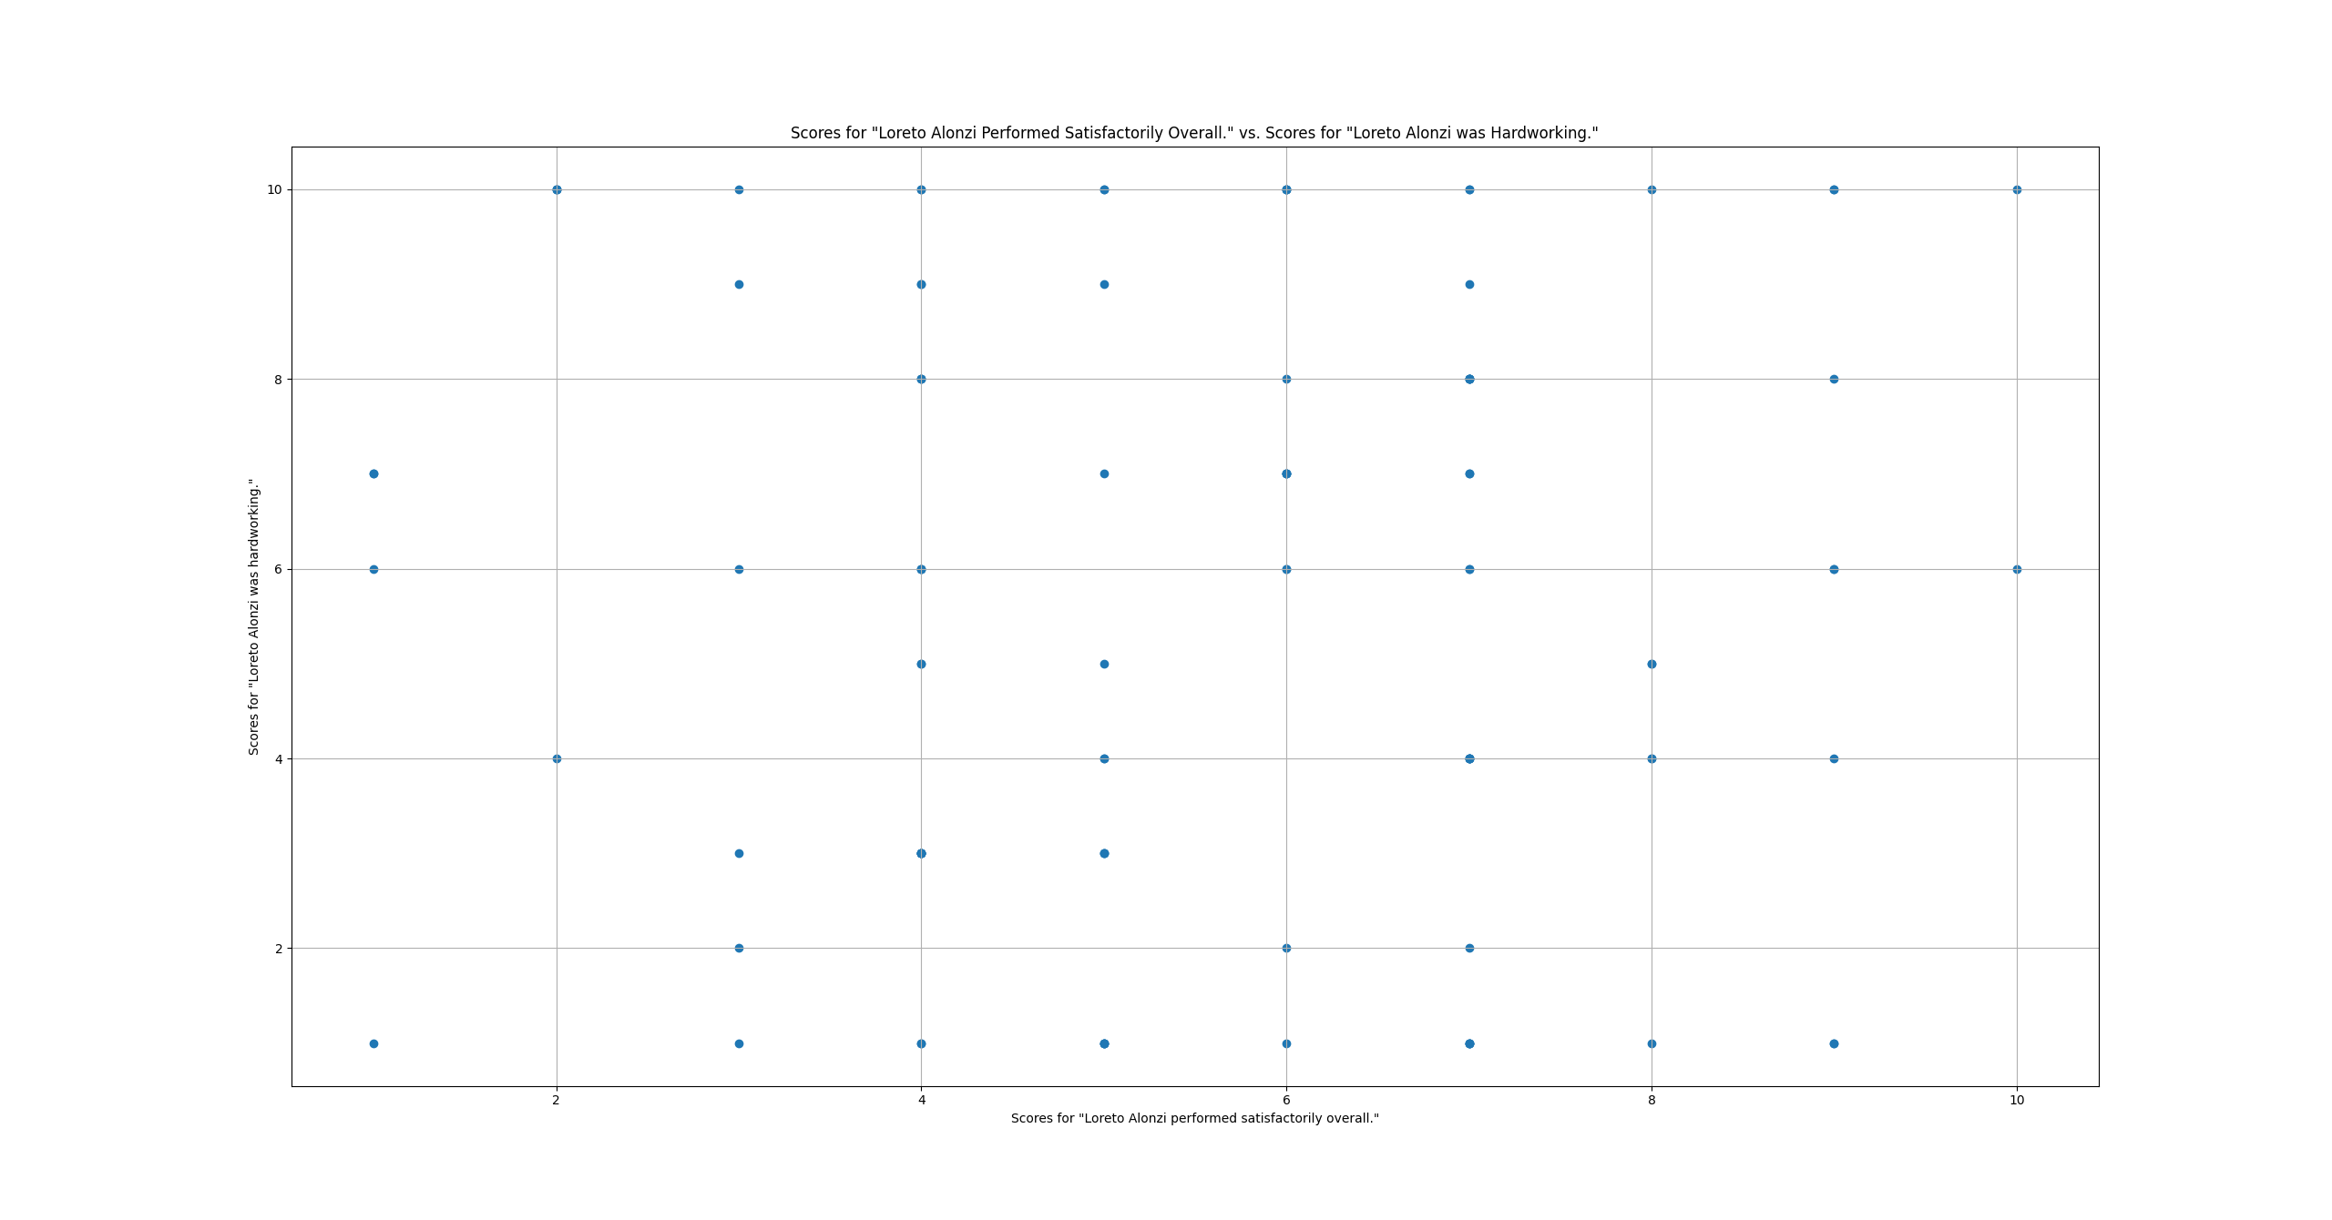

 | Visualizations for Three Quantitative Variables
 | scatter plot of scores for "Loreto Alonzi perfomed satisfactorily overall." vs. scores for "Loreto Alonzi was hardworking." and age
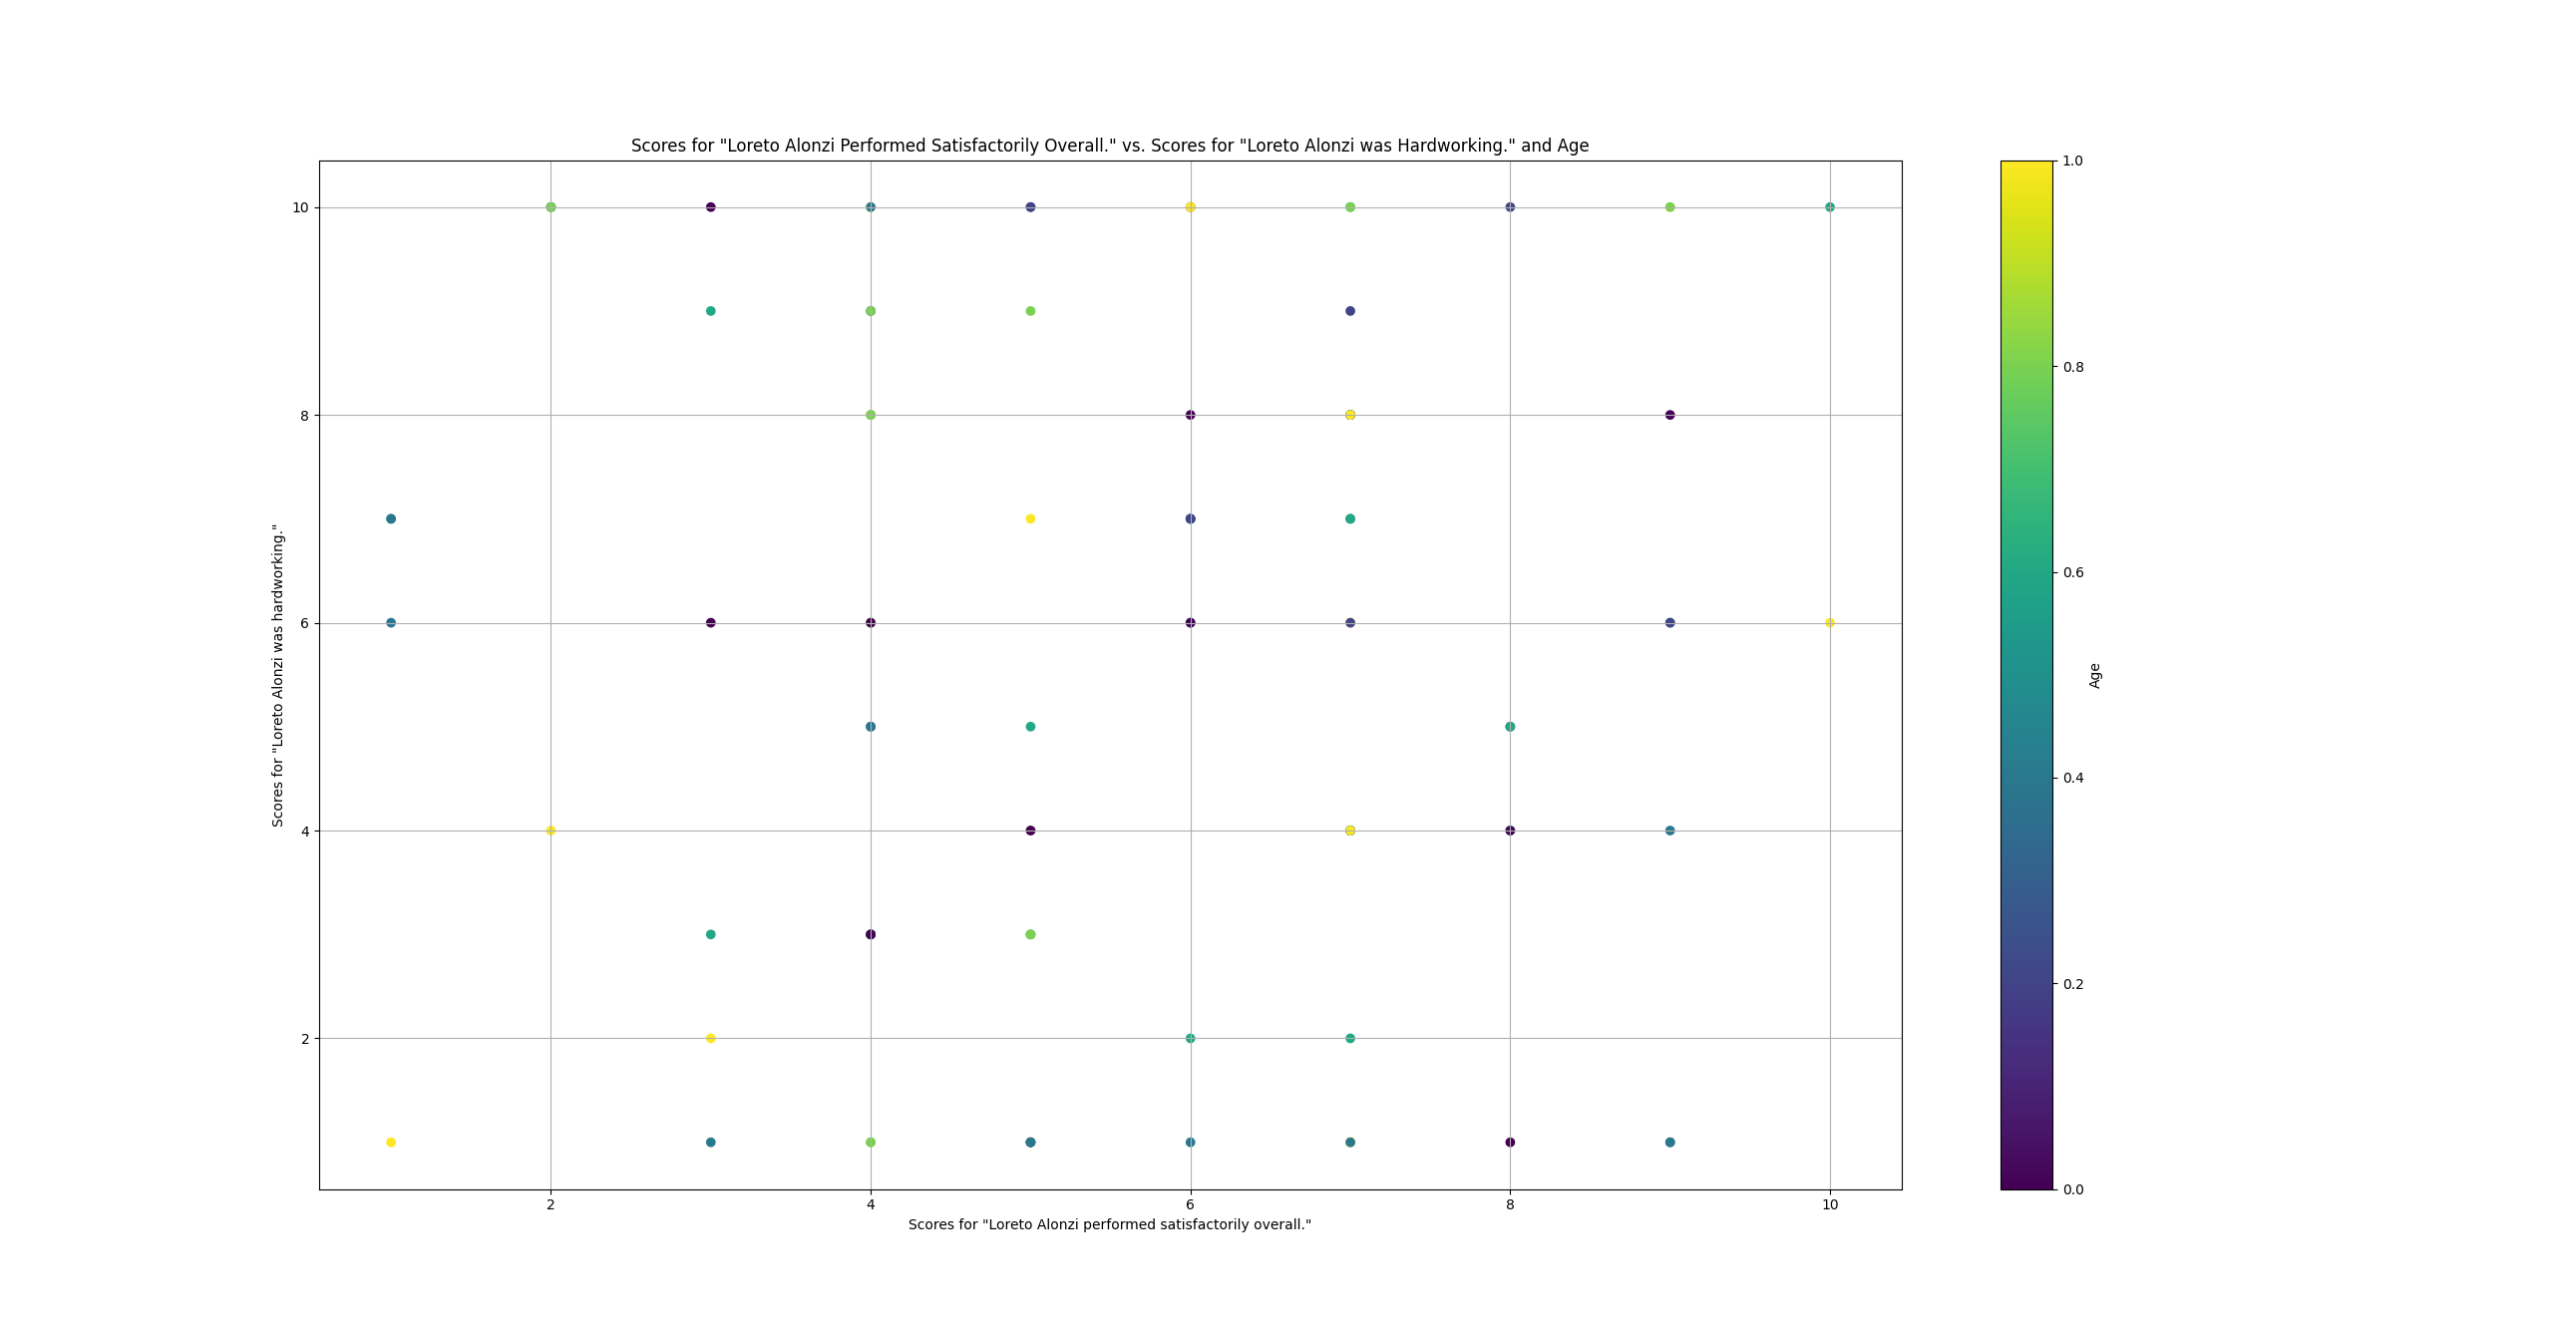

 | scatterplot matrix of scores in rows 0, 1, and 2
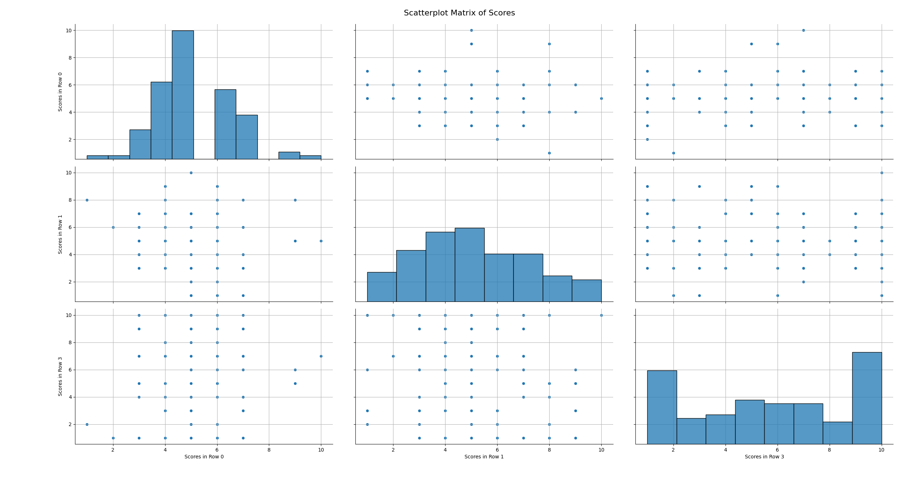

 | correlation matrix of rows 0, 1, and 2

 | correlation heat map of rows 0, 1, and 2
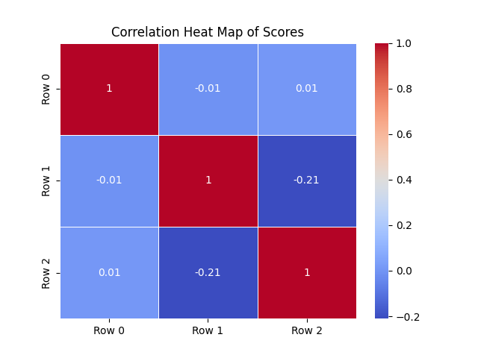

 | analysis of correlation matrix
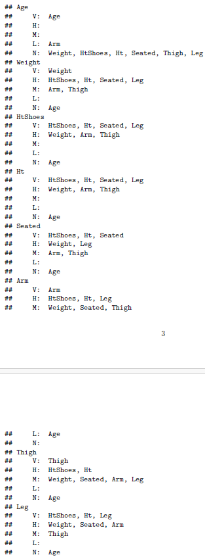

 | 3D scatterplot of pixels of aerial imagery of Haiti in 2010
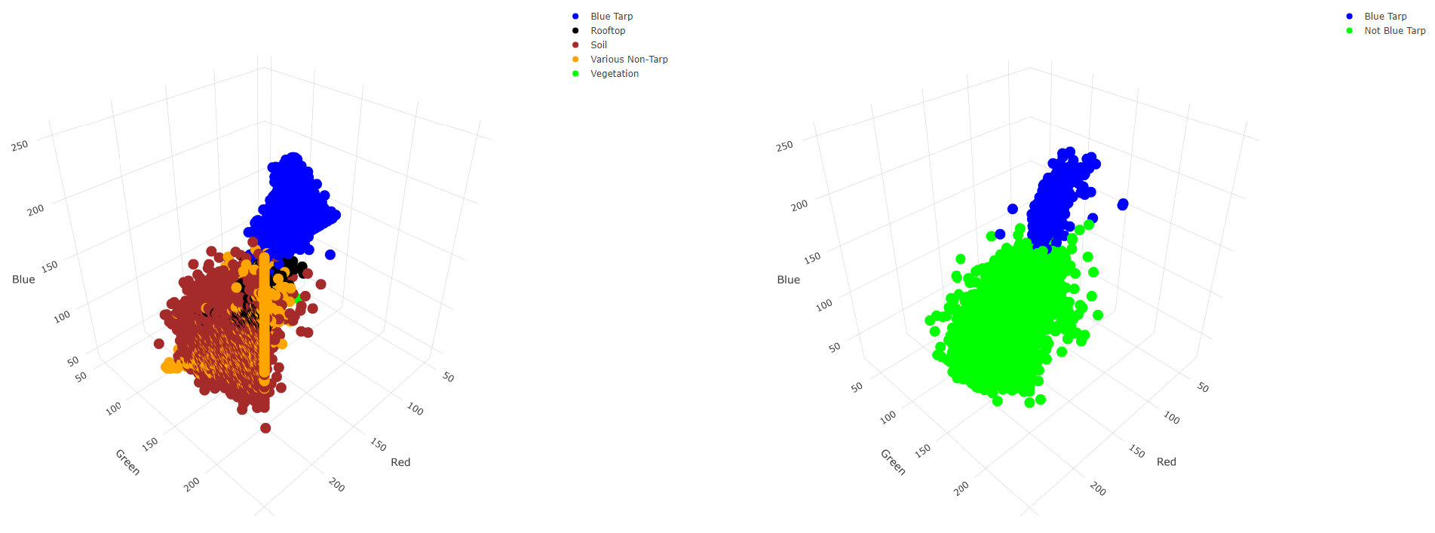

 | Visualizations for Two Quantitative Variables and Three Categorical Variables
 | diamond price vs. carat vs. cut vs. color vs. clarity
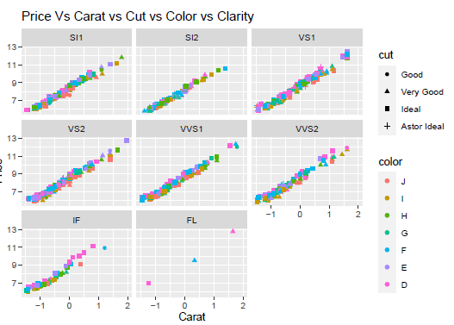

 | distribution of scores for "Course [course] was satisfying overall." by course
 | distribution of numbers of scores greater than 5 for "Course [course] was satisfying overall." by course
 | distribution of numbers of scores greater than 5 for "Course [course] was satisfying overall." by age

 | distribution of ages of respondents
 | distribution of genders of respondents
 | distribution of locations of respondents
 | distribution of ages of respondents who responded with score greater than 5 to "The BSDS program was satisfying overall."
 | distribution of genders of respondents who responded with score greater than 5 to "The BSDS program was satisfying overall."
 | distribution of locations of respondents who responded with score greater than 5 to "The BSDS program was satisfying overall."
 | divergence between first in section and distribution of ages of students
 | divergence between second in section and distribution of ages of students
 | divergence between third in section and distribution of ages of students
 | divergence between fourth in section and distribution of ages of students
 | divergence between fifth in section and distribution of ages of students
 | divergence between sixth in section and distribution of ages of students

 | distribution of topics mentioned in text responses
 | distribution of scores for "Course [course] was satisfying overall." by time

Visualizations_Of_Models
Visualizations of Models of Feature Matrix

Created on 07/11/2024 by Tom Lever
Updated on 07/11/2024 by Tom Lever

index | visualization of model

 | linear model
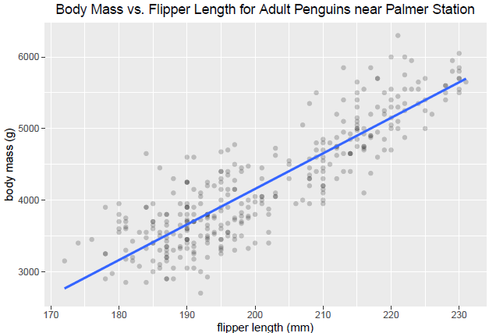

 | linear models by characteristic
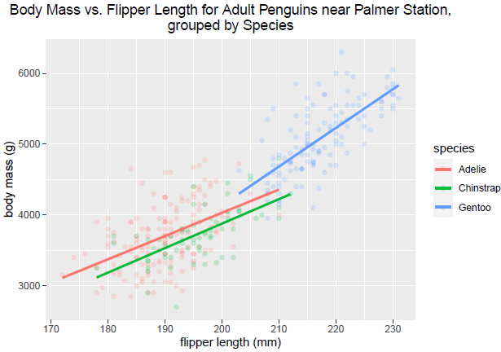

 | linear model with confidence interval for expected response and prediction interval for response
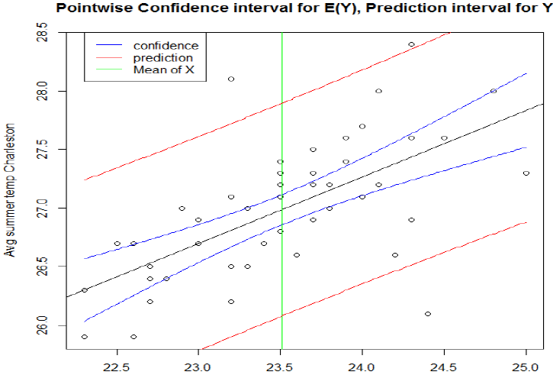

 | automated model selection

 | confusion matrix

 | analysis of performance of best binary classifier based on random forests
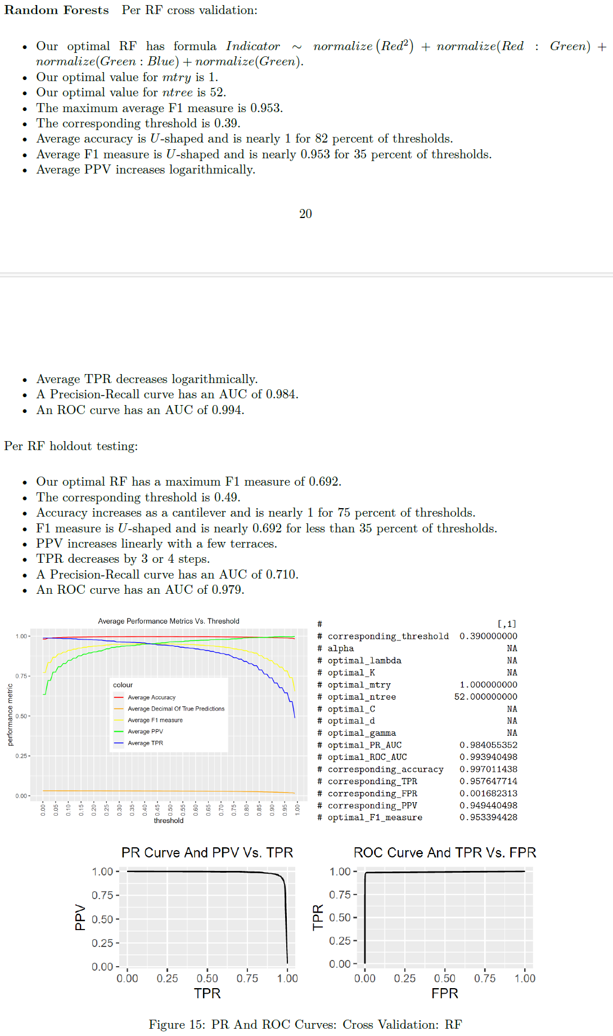

 | determination of best binary classifier
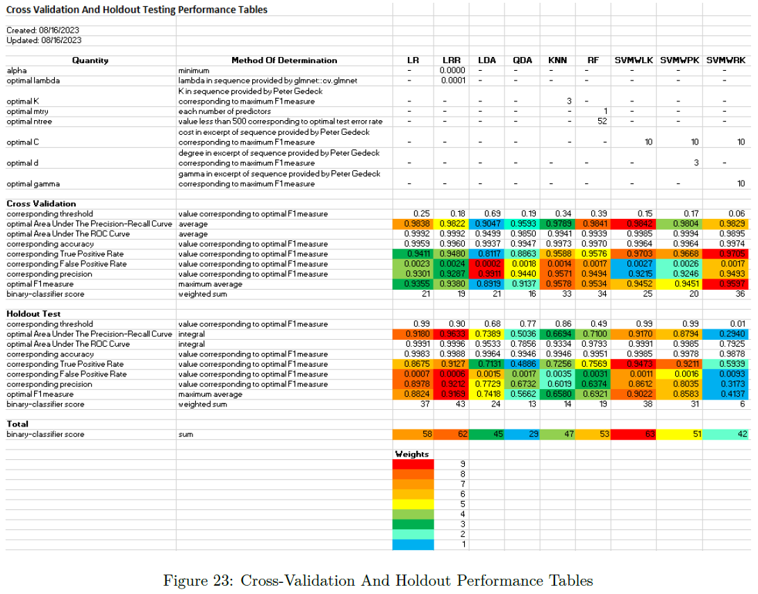

 | potential direction for developing multiclass classifier


 | Gains curve for 132,577 observed docking scores and averages of docking scores predicted by Bayesian Neural Network based on numbers of occurrences of substructures in medicinal molecule
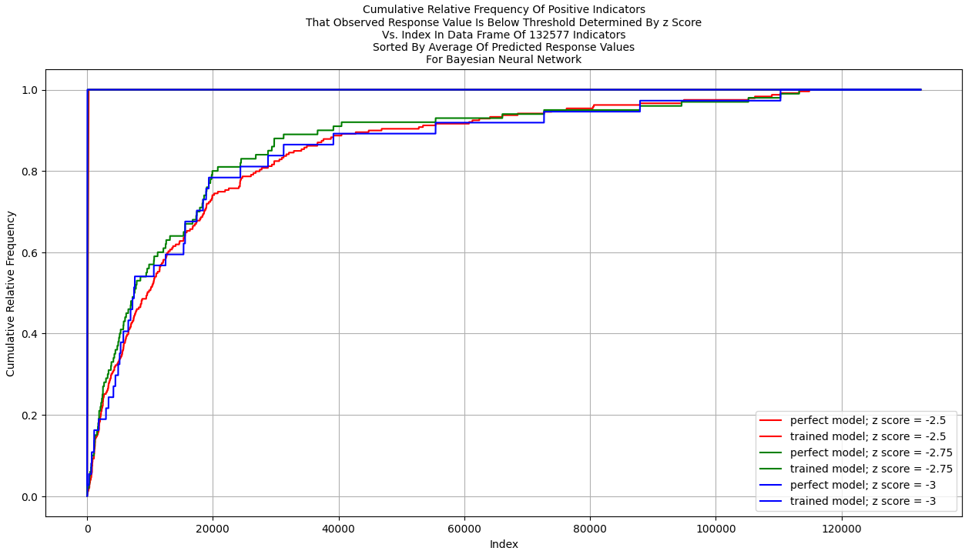

 | decile-wise lift chart for Bayesian Neural Network and 1,060,613 testing observations
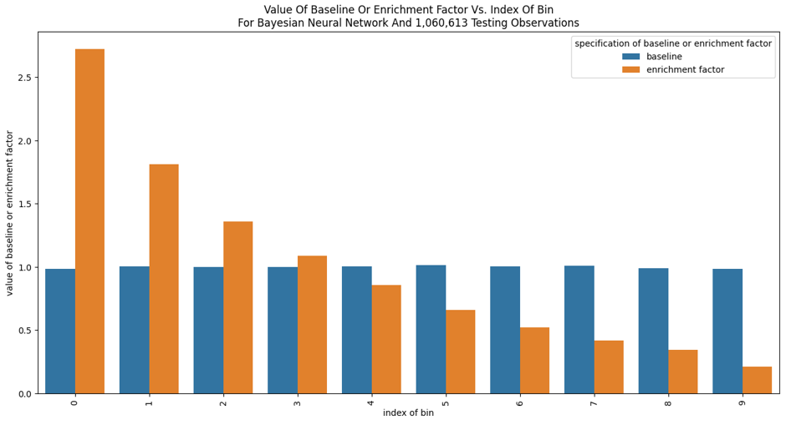

 | posterior predictive checks for training and testing data for 132,577 training or testing observations and Bayesian Neural Network
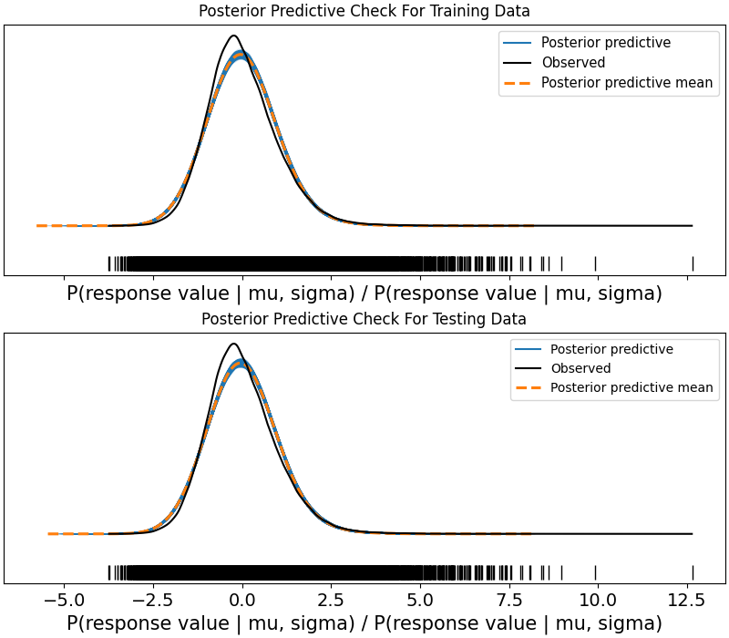

 | potential direction for sentiment analysis

 | potential direction for factor analysis or principal component analysis

Dashboards
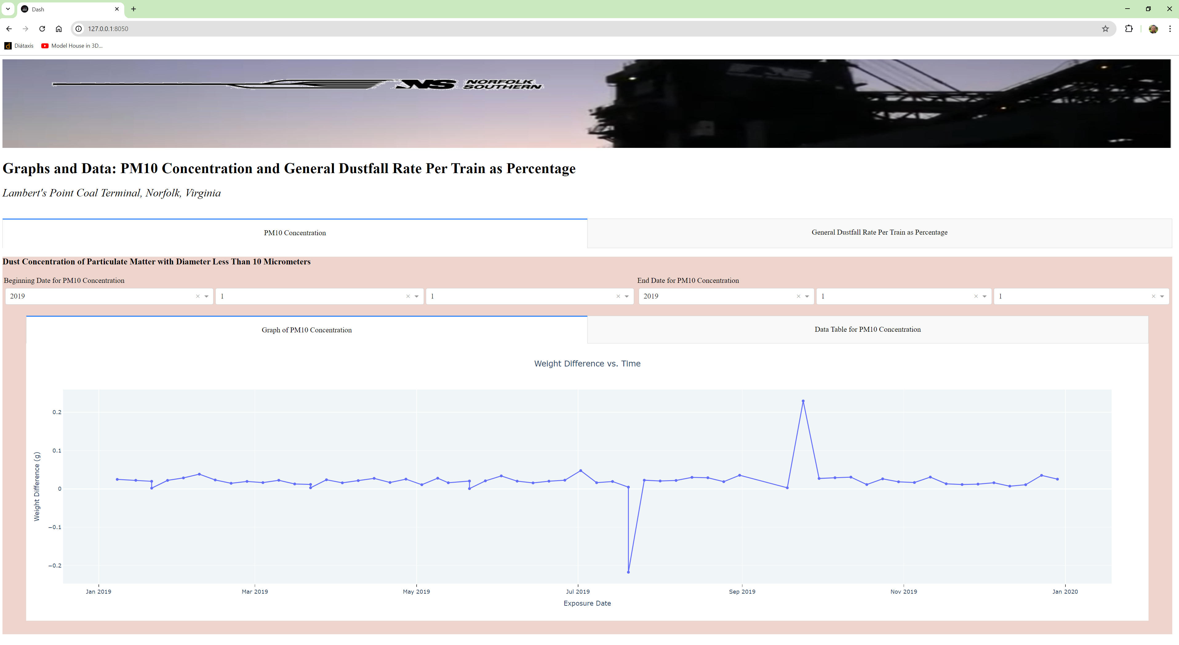
Dashboards of Feature Matrix

Created on 07/11/2024 by Tom Lever
Updated on 07/11/2024 by Tom Lever

index | dashboard
1 | dashboard "Gender Wage Gap"

2 | dashboard "Graphs and Data: PM10 Concentration and General Dustfall Rate Per Train as Percentage"

