Sheet1
Analyses of Retrospective Questionnaires of BSDS Program

Created on 07/11/2024 by Tom Lever
Updated on 07/11/2024 by Tom Lever

index | statistic | value
 | table of numbers of students with genders
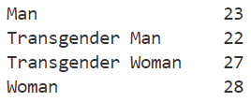

 | table of proportions of students with genders
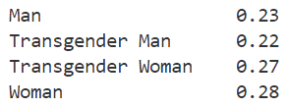

 | bar chart of numbers of students with genders
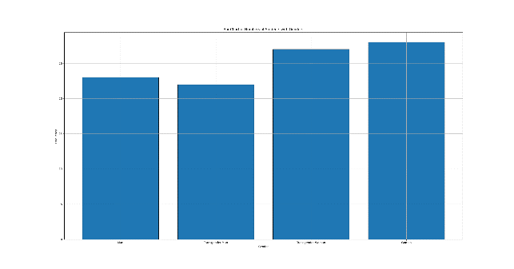

 | number of scores for "The BSDS program was satisfying overall." | 100
 | mean of scores for "The BSDS program was satisfying overall". | 5.12
 | minimum of scores for "The BSDS program was satisfying overall." | 1
 | first quartile of scores for "The BSDS program was satisfying overall." | 4
 | median of scores for "The BSDS program was satisfying overall". | 5
 | third quartile of scores for "The BSDS program was satisfying overall." | 6
 | maximum of scores for "The BSDS program was satisfying overall." | 10
 | mode of scores for "The BSDS program was satisfying overall". | 5
 | range of scores for "The BSDS program was satisfying overall." | 9
 | interquartile range of scores for "The BSDS program was satisfying overall." | 2
 | sample standard deviation of scores for "The BSDS program was satisfying overall." | 1.423
 | standard error of the mean of scores for "The BSDS program was satisfying overall." | 0.1423
 | histogram of scores for "The BSDS program was satisfying overall."
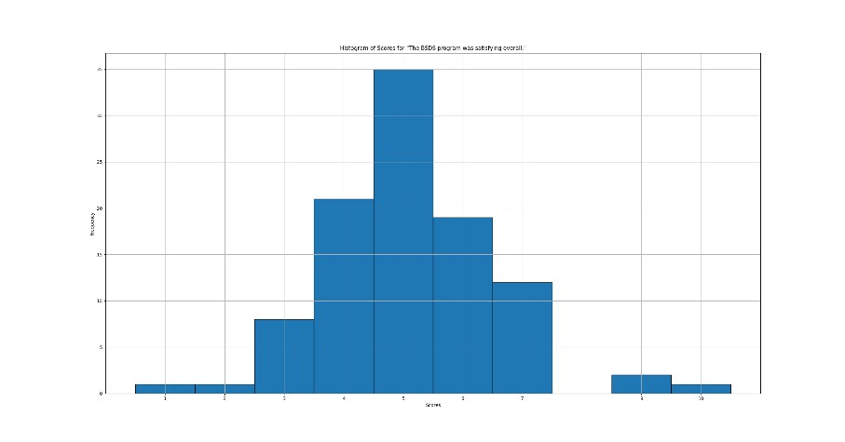

 | graph of probability distributions of scores for "The BSDS program was satisfying overall."
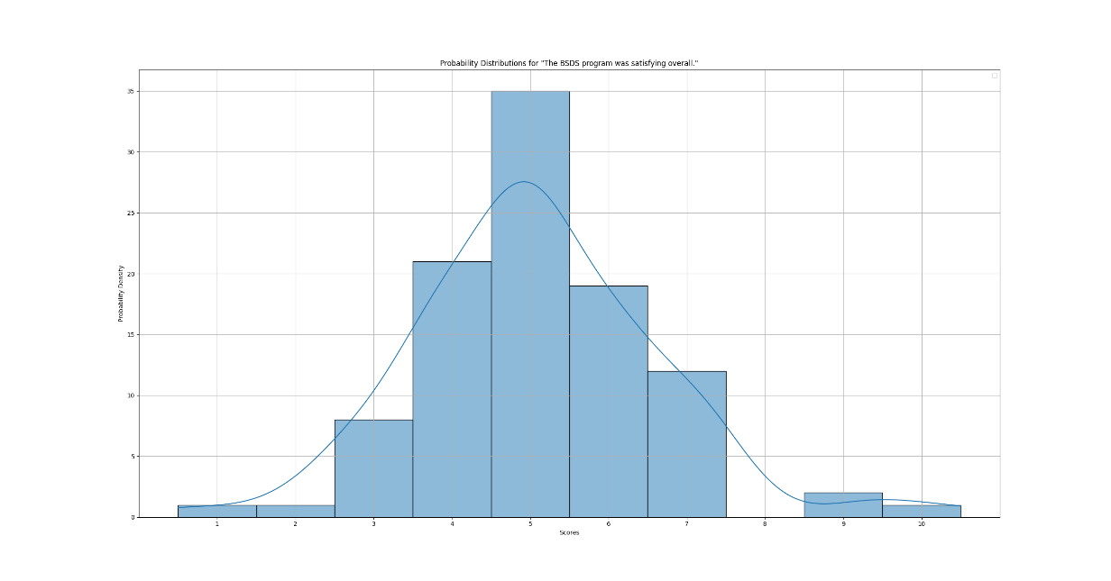

 | box plot of scores for "The BSDS program was satisfying overall."
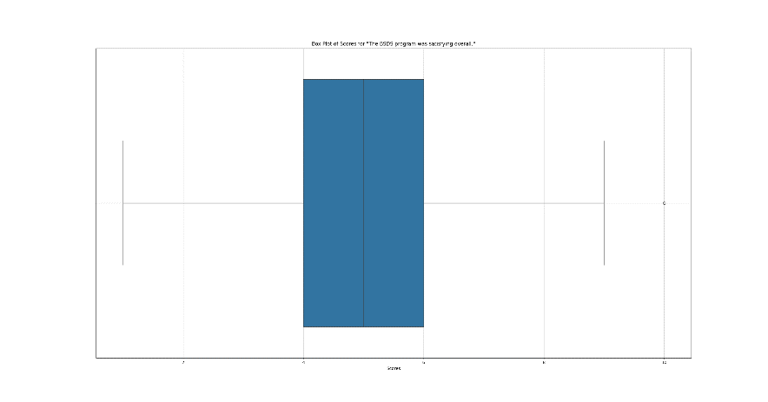

 | violin plot of scores for "The BSDS program was satisfying overall."
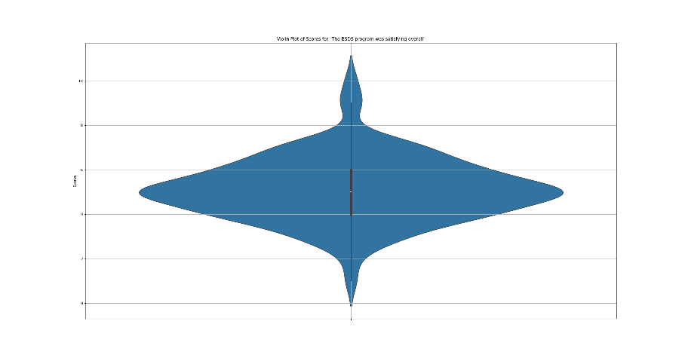

 | skewness of distribution of scores for "The BSDS program was satisfying overall." | 0.421
 | kurtosis of distribution of scores for "The BSDS program was satisfying overall." | 1.374
 | 95 percent confidence interval for the mean of scores for "The BSDS program was satisfying overall." | [4.8368, 5.402]
 | hypothesis test for the mean of scores for "The BSDS program was satisfying overall." | There is insufficient evidence to conclude that the true population mean is greater than 5.
 | bar chart of numbers of BSDS students by age and gender
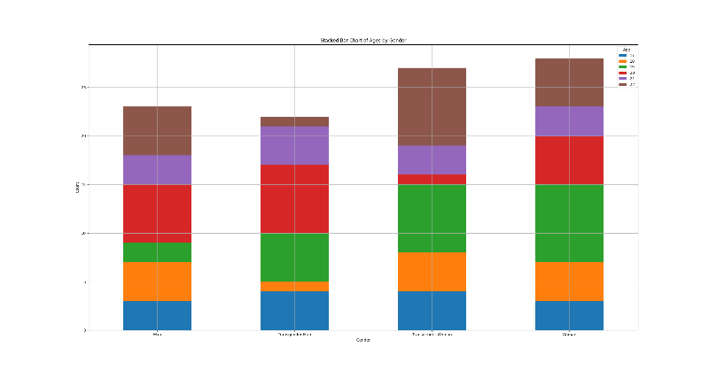

 | box plots of scores for "The BSDS program was satisfying overall." by gender
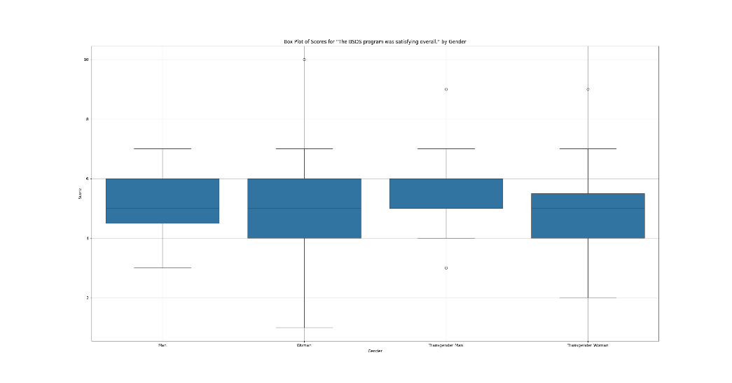

 | box plot of scores for "The BSDS program was satisfying overall." by age and gender
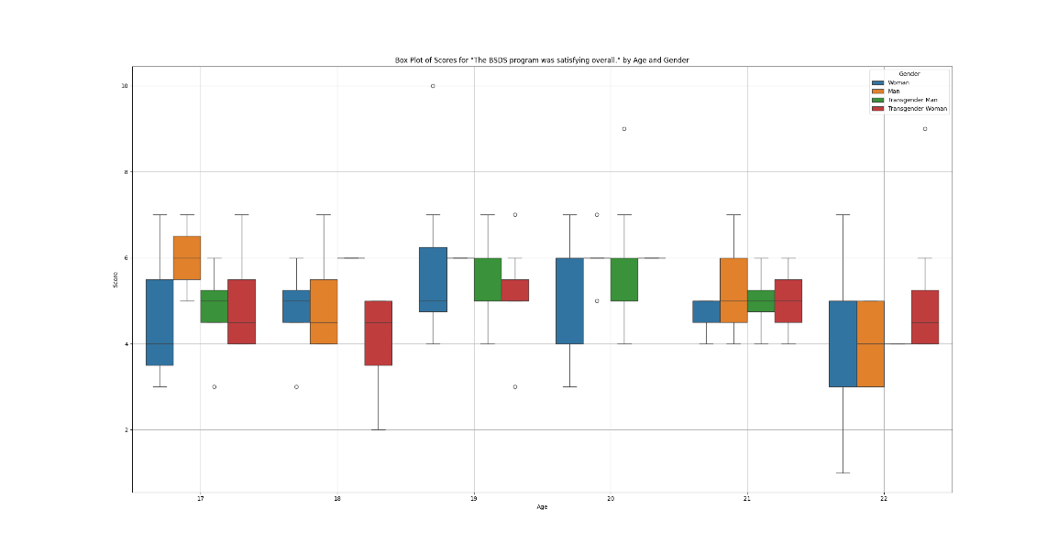

 | bar charts of ages, genders, and scores
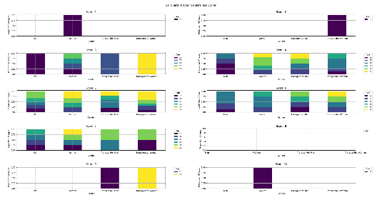

 | probability density distributions of age by indicator of coronary heart disease
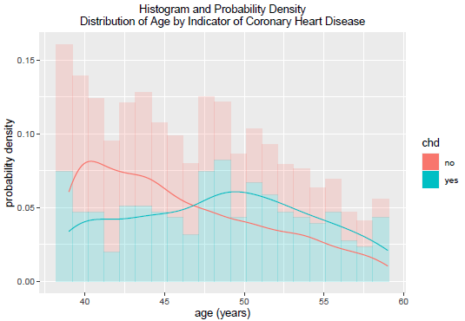

 | scatter plot of scores for "Loreto Alonzi perfomed satisfactorily overall." vs. scores for "Loreto Alonzi was hardworking."
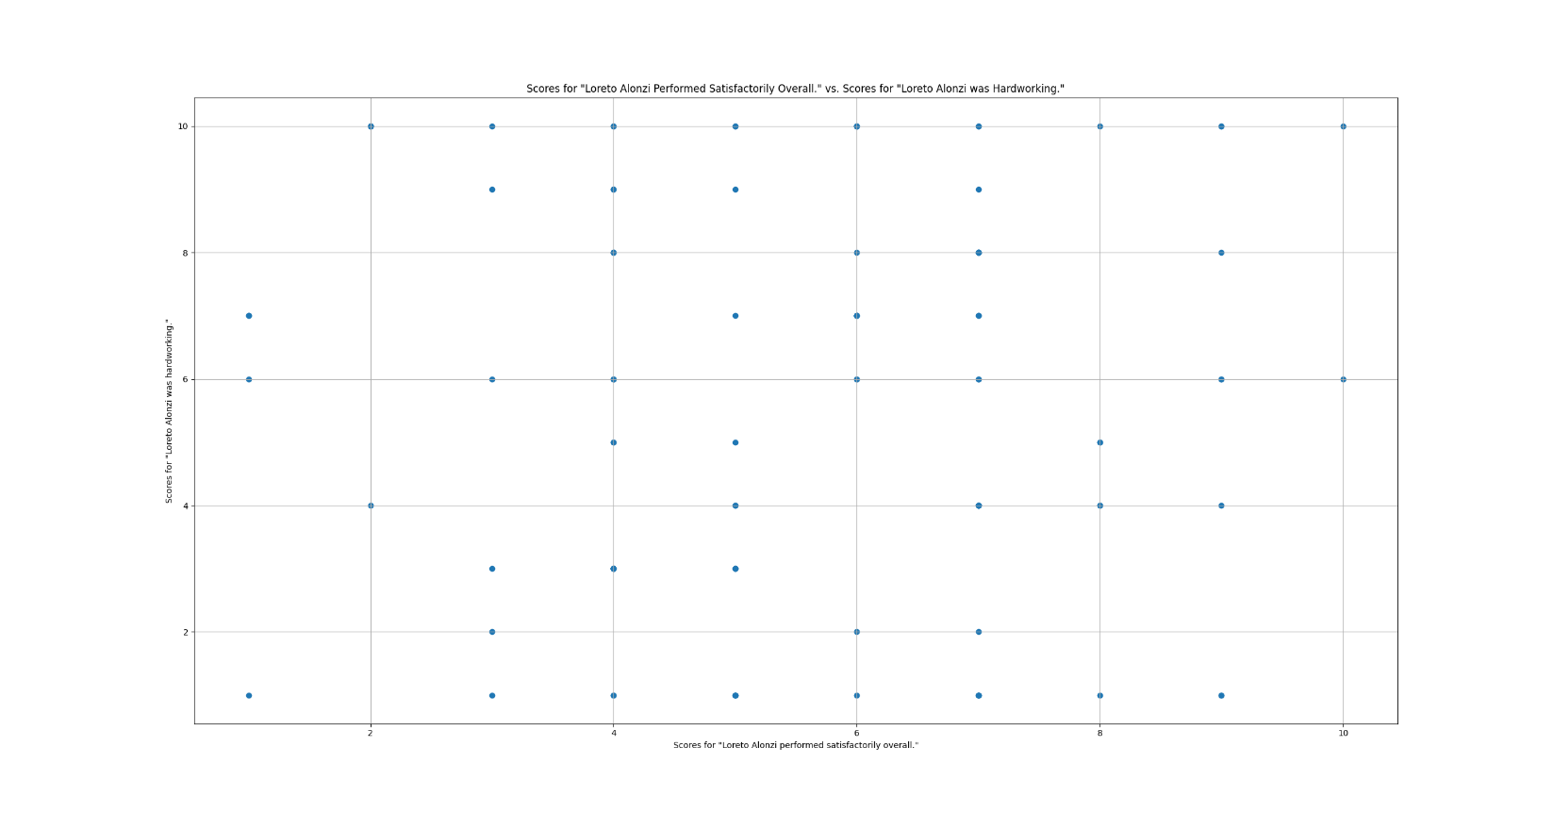

 | scatter plot of scores for "Loreto Alonzi perfomed satisfactorily overall." vs. scores for "Loreto Alonzi was hardworking." and age
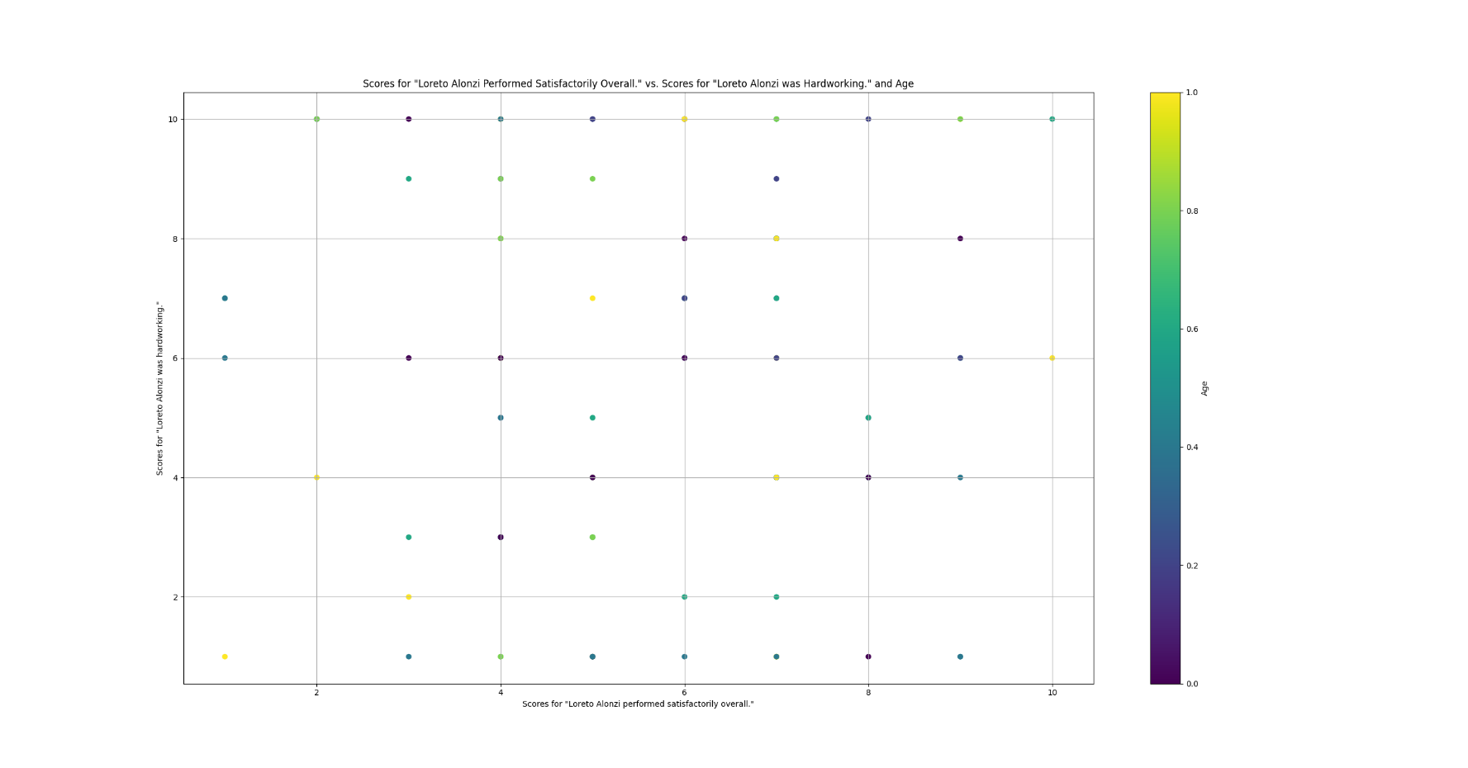

 | distribution of topics mentioned in text responses

 | diamond price vs. carat vs. cut vs. color vs. clarity
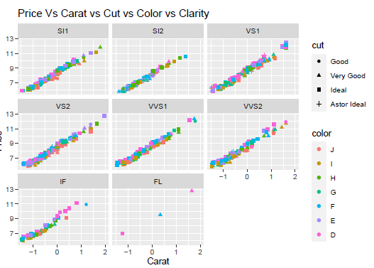

 | scatterplot matrix of scores in rows 0, 1, and 2
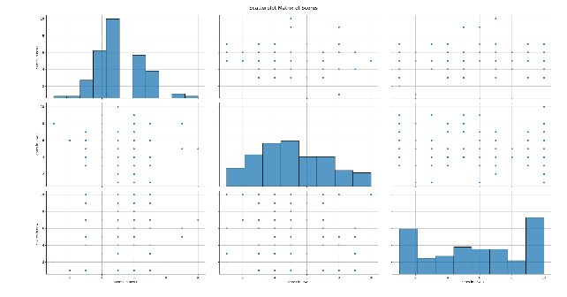

 | 3D scatterplot of pixels of aerial imagery of Haiti in 2010
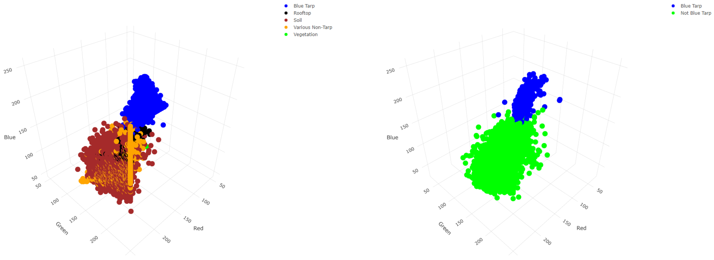

 | linear model
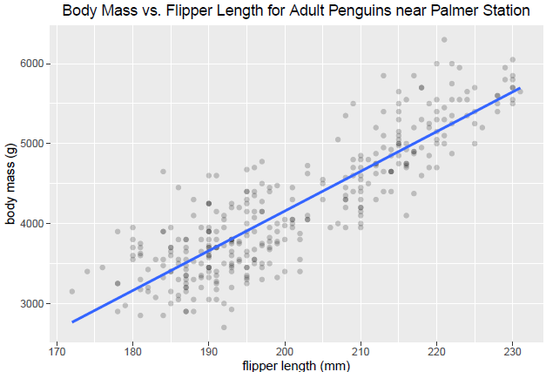

 | linear models by characteristic
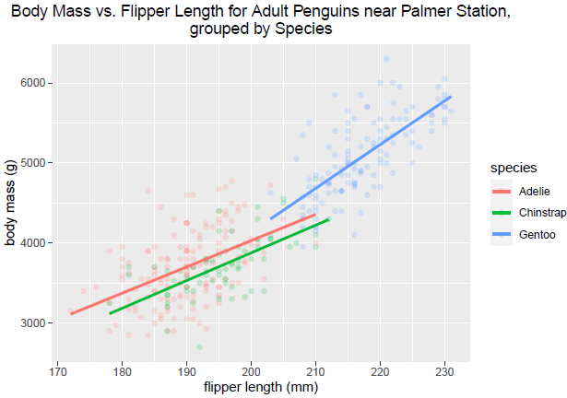

 | distribution of scores for "Course [course] was satisfying overall." by course
 | linear model with confidence interval for expected response and prediction interval for response
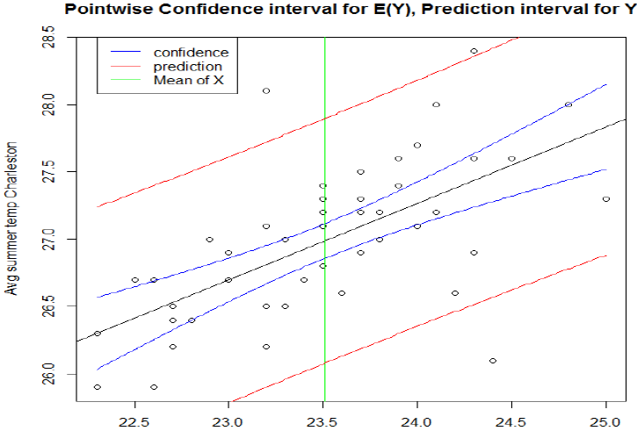

 | correlation matrix of rows 0, 1, and 2

 | correlation heat map of rows 0, 1, and 2
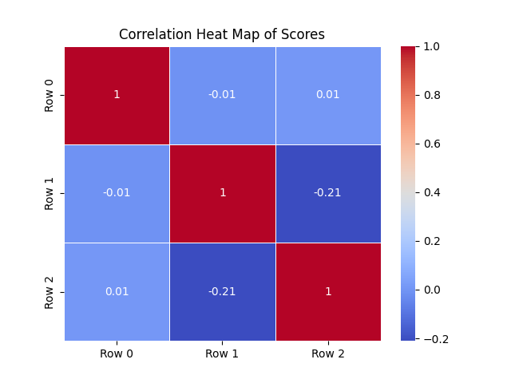

 | analysis of correlation matrix
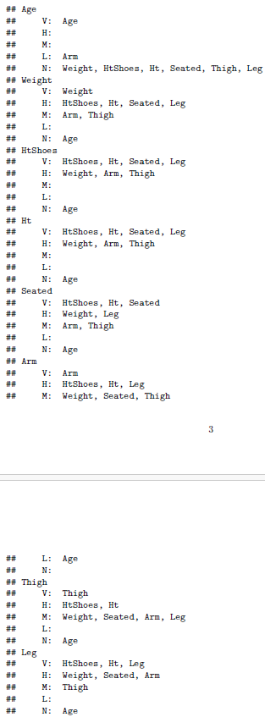

 | automated linear model selection

 | confusion matrix

 | analysis of performance of best binary classifier based on random forests
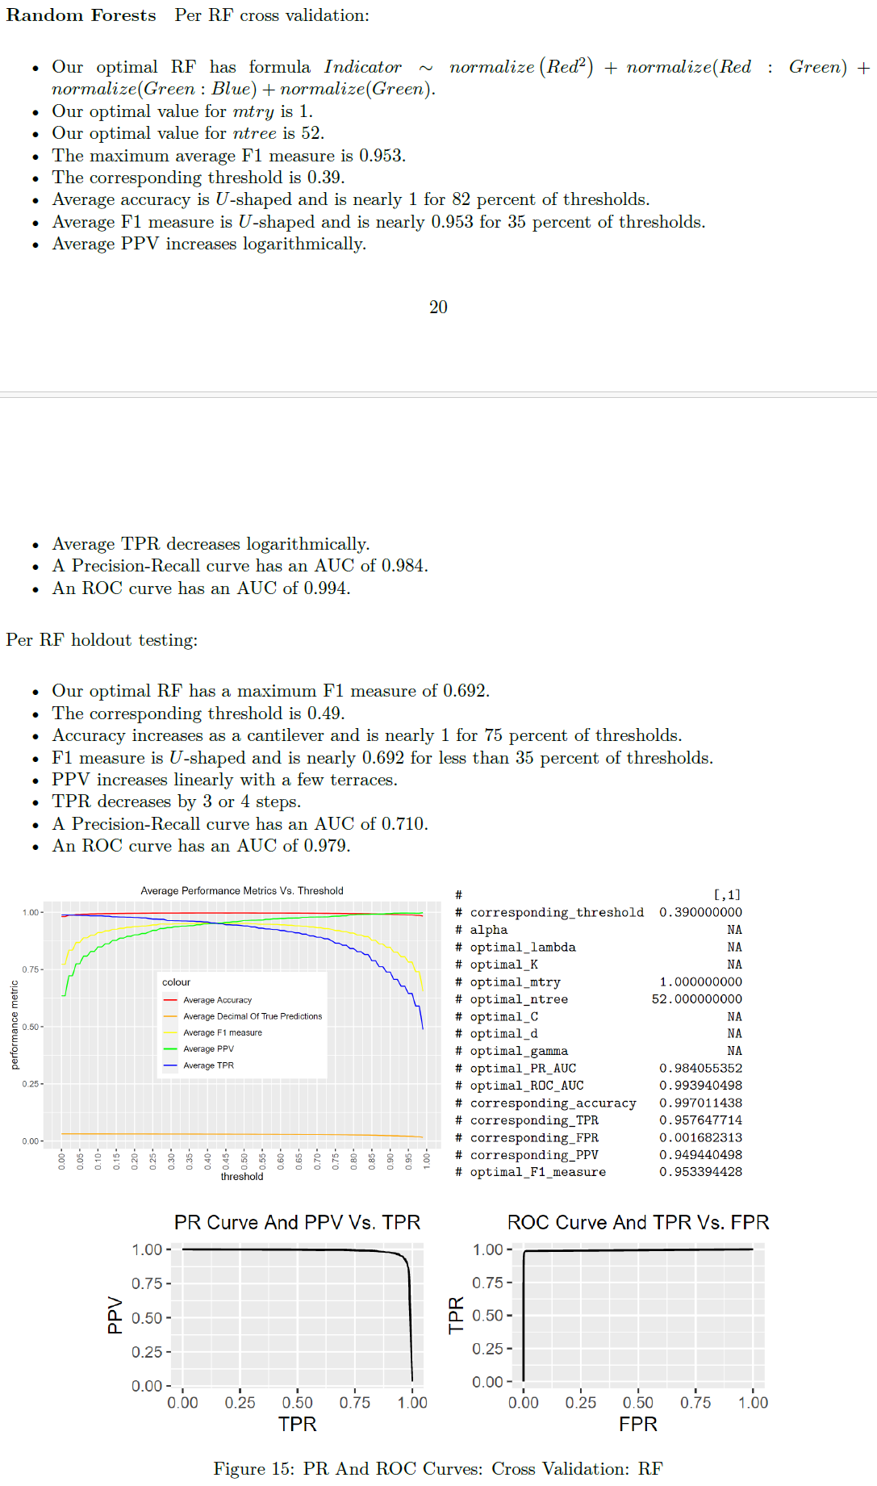

 | distribution of scores for "Course [course] was satisfying overall." by age

 | determination of best binary classifier
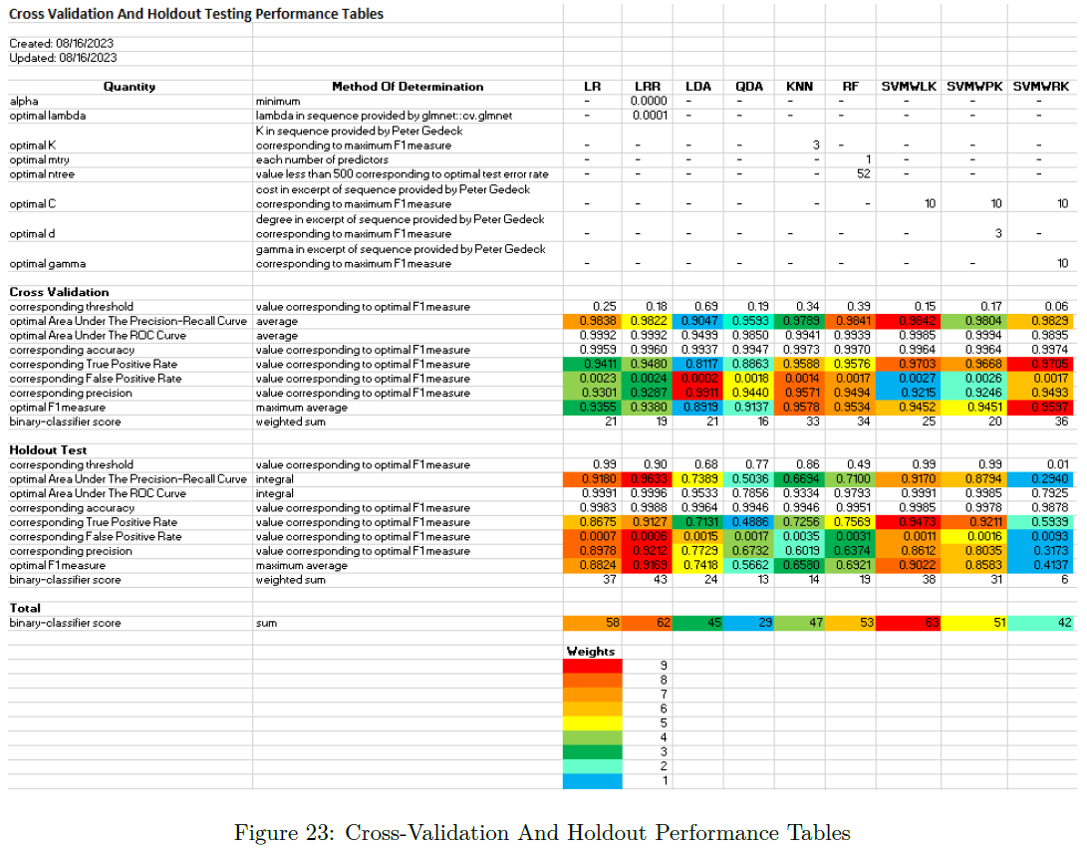

 | potential direction for developing multiclass classifier


 | Gains curve for 132,577 observed docking scores and averages of docking scores predicted by Bayesian Neural Network based on numbers of occurrences of substructures in medicinal molecule
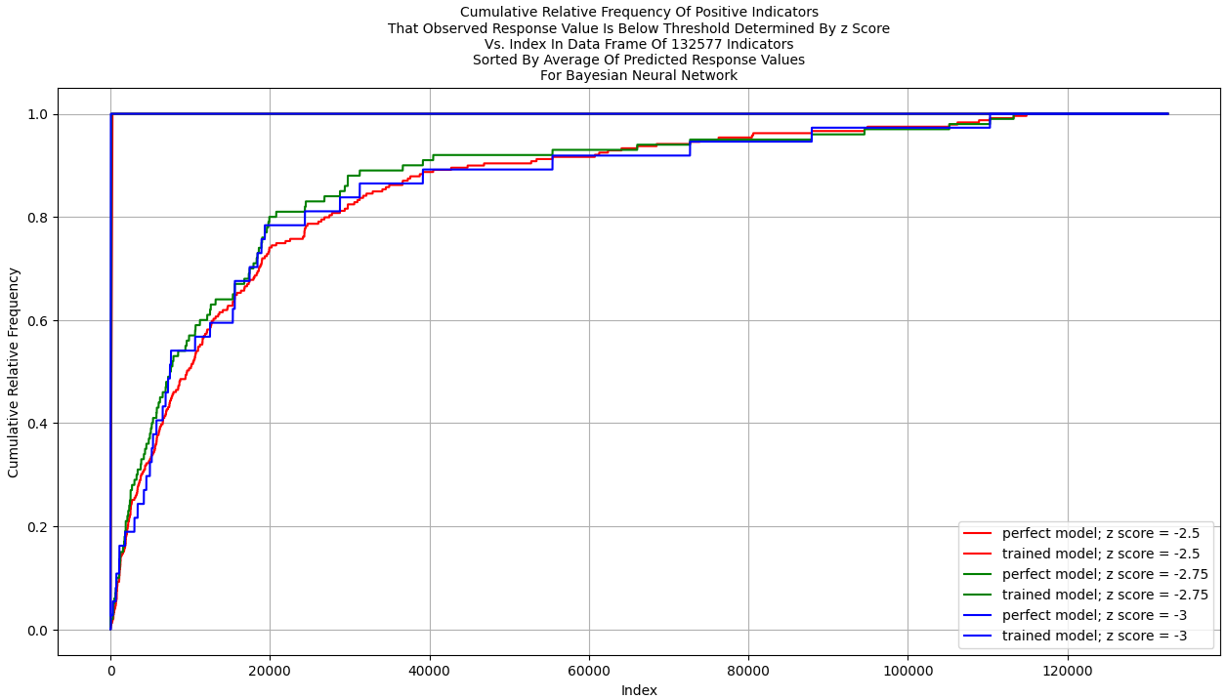

 | posterior predictive checks for training and testing data for 132,577 training or testing observations and Bayesian Neural Network
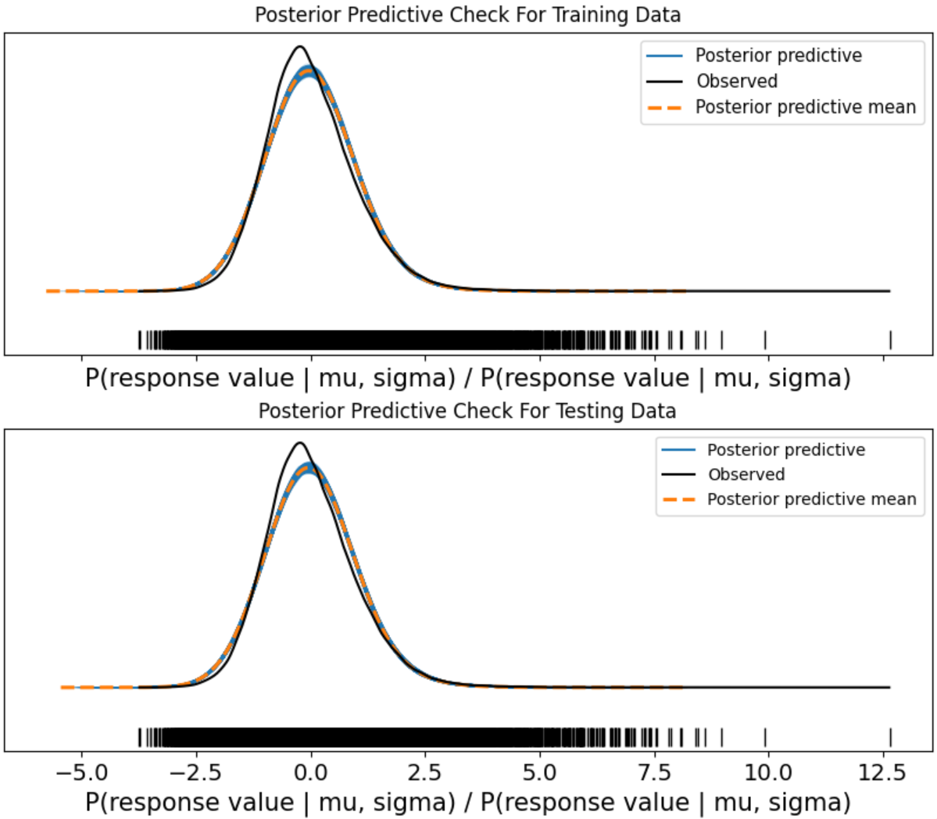

 | decile-wise lift chart for Bayesian Neural Network and 1,060,613 testing observations
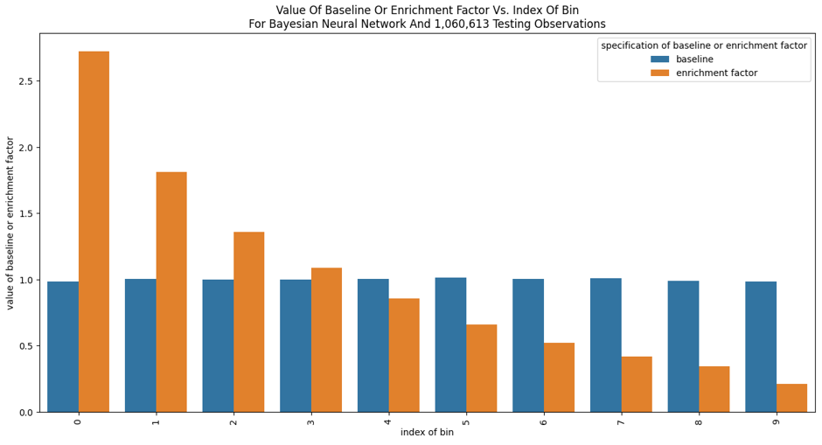

 | distribution of numbers of scores greater than 5 for "Course [course] was satisfying overall." by course
 | distribution of numbers of scores greater than 5 for "Course [course] was satisfying overall." by age
 | distribution of ages of respondents
 | distribution of genders of respondents
 | distribution of locations of respondents
 | distribution of ages of respondents who responded with score greater than 5 to "The BSDS program was satisfying overall."
 | distribution of genders of respondents who responded with score greater than 5 to "The BSDS program was satisfying overall."
 | distribution of locations of respondents who responded with score greater than 5 to "The BSDS program was satisfying overall."
 | divergence between first in section and distribution of ages of students
 | divergence between second in section and distribution of ages of students
 | divergence between third in section and distribution of ages of students
 | divergence between fourth in section and distribution of ages of students
 | divergence between fifth in section and distribution of ages of students
 | divergence between sixth in section and distribution of ages of students

 | distribution of scores for "Course [course] was satisfying overall." by time

