Solution
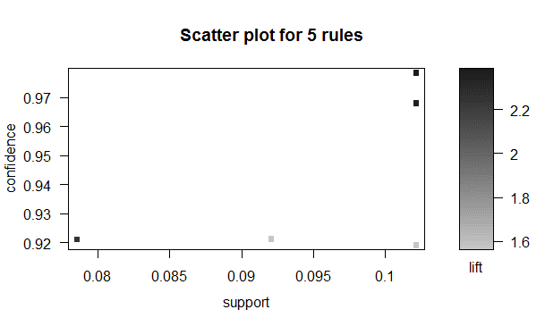
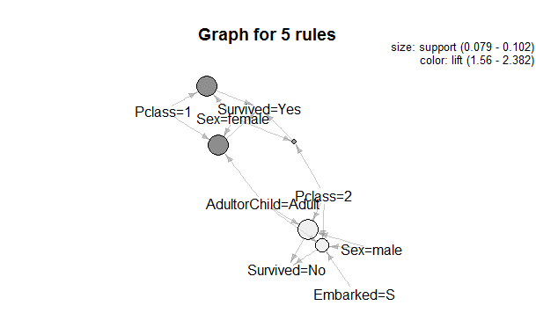
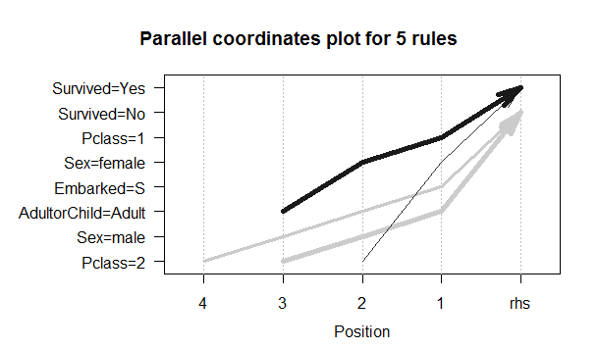
Summary
PassengerId | Pclass | Survived | Sex | Age | Fare | Embarked | AdultorChild
Min. : 1.0 | 1 -> 216 | No :525 | female:314 | Min. : 0.42 | Min. : 0.00 | NA : 2 | Adult:814
1st Qu.:223.5 | 2 -> 184 | Yes:366 | male :577 | 1st Qu.:21.00 | 1st Qu.: 7.91 | C:168 | Child: 77
Median :446.0 | 3 -> 491 | NA | NA | Median :30.00 | Median : 14.45 | Q: 77 | NA
Mean :446.0 | NA | NA | NA | Mean :29.53 | Mean : 32.20 | S:644 | NA
3rd Qu.:668.5 | NA | NA | NA | 3rd Qu.:36.00 | 3rd Qu.: 31.00 | NA | NA
Max. :891.0 | NA | NA | NA | Max. :80.00 | Max. :512.33 | NA | NA
NA | NA | NA | NA | NA | NA | NA | NA

Solution
S.No | lhs |  | rhs | support | confidence | lift |  | Inference: As we can see from the graphs and solution table, the maximum survivors are female from Pclass1, while those who have not survived are male from PClass2
4 | {Pclass=1,Sex=female,AdultorChild=Adult} | => | {Survived=Yes} | 0.10213243547 | 0.97849462366 | 1.5636597111
2 | {Pclass=1,Sex=female} | => | {Survived=Yes} | 0.10213243547 | 0.96808510638 | 2.3567317754
3 | {Pclass=2,Sex=male,AdultorChild=Adult} | => | {Survived=No} | 0.10213243547 | 0.91919191919 | 2.2422346851
5 | {Pclass=2,Sex=male,Embarked=S,AdultorChild=Adult} | => | {Survived=No} | 0.092031425365 | 0.92134831461 | 1.56
1 | {Pclass=2,Sex=female} | => | {Survived=Yes} | 0.078563411897 | 0.92105263158 | 2.3820729773

