fmRadioSolution
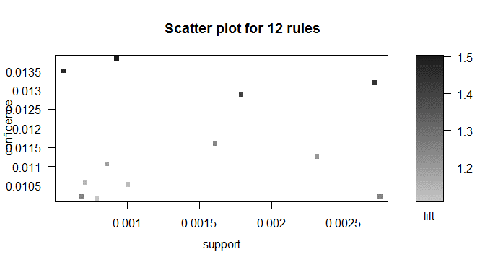
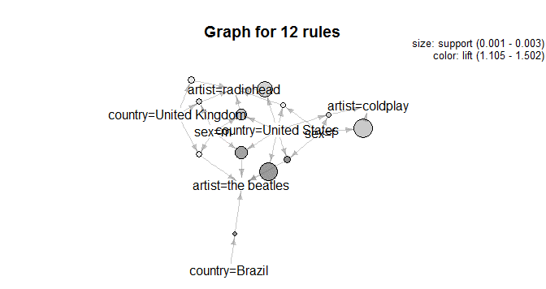
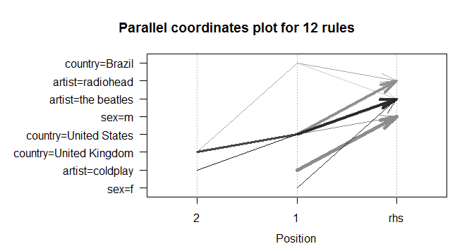
 | Summary:
 | user | artist | sex | country
 | Min. : 1 | radiohead : 2704 | f: 78132 | United States : 59558
 | 1st Qu.: 4935 | the beatles : 2668 | m:211823 | United Kingdom: 27638
 | Median : 9838 | coldplay : 2378 | NA | Germany : 24251
 | Mean : 9852 | red hot chili peppers: 1786 | NA | Poland : 17111
 | 3rd Qu.:14769 | muse : 1711 | NA | Sweden : 12379
 | Max. :19718 | metallica : 1670 | NA | Brazil : 11922
 | NA | (Other) :277038 | NA | (Other) :137096

Solution:
 | lhs |  | rhs | support | confidence | lift | Inference: As you can see from the graphs and solution table, lot of women are intered in listening to coldplay, and in countries like US beatles appears to be favorite band. Radiohead is more popular in UK. Beatles is very popular in US, UK and Brazil where it predominantly listened by men. Whereas Radiohead the most popular band in terms of number of listeners is very popular in US and UK.
1 | {sex=f} | => | {artist=coldplay} | 0.0027521511959 | 0.010213484872 | 1.2453536611
3 | {country=United States} | => | {artist=the beatles} | 0.0027107654636 | 0.013197219517 | 1.4342577905
5 | {country=United States} | => | {artist=radiohead} | 0.002314152196 | 0.011266328621 | 1.208109584
9 | {sex=m,country=United States} | => | {artist=the beatles} | 0.0017864841096 | 0.012896158538 | 1.4015388489
12 | {sex=m,country=United States} | => | {artist=radiohead} | 0.0016071459364 | 0.011601563473 | 1.244057447
4 | {country=United Kingdom} | => | {artist=radiohead} | 0.0010036040075 | 0.010528981837 | 1.1290425031
8 | {sex=f,country=United States} | => | {artist=the beatles} | 0.000924281354 | 0.013820844722 | 1.5020326204
10 | {sex=m,country=United Kingdom} | => | {artist=radiohead} | 0.00085530513356 | 0.01106401963 | 1.1864156108
7 | {sex=m,country=United Kingdom} | => | {artist=the beatles} | 0.00078632891311 | 0.010171759982 | 1.1054545223
11 | {sex=f,country=United States} | => | {artist=radiohead} | 0.00070700625959 | 0.010571914806 | 1.1336462861
6 | {sex=f,country=United States} | => | {artist=coldplay} | 0.00068286458244 | 0.010210922593 | 1.2450412365
2 | {country=Brazil} | => | {artist=the beatles} | 0.00055525857461 | 0.013504445563 | 1.4676467441

