UVEX
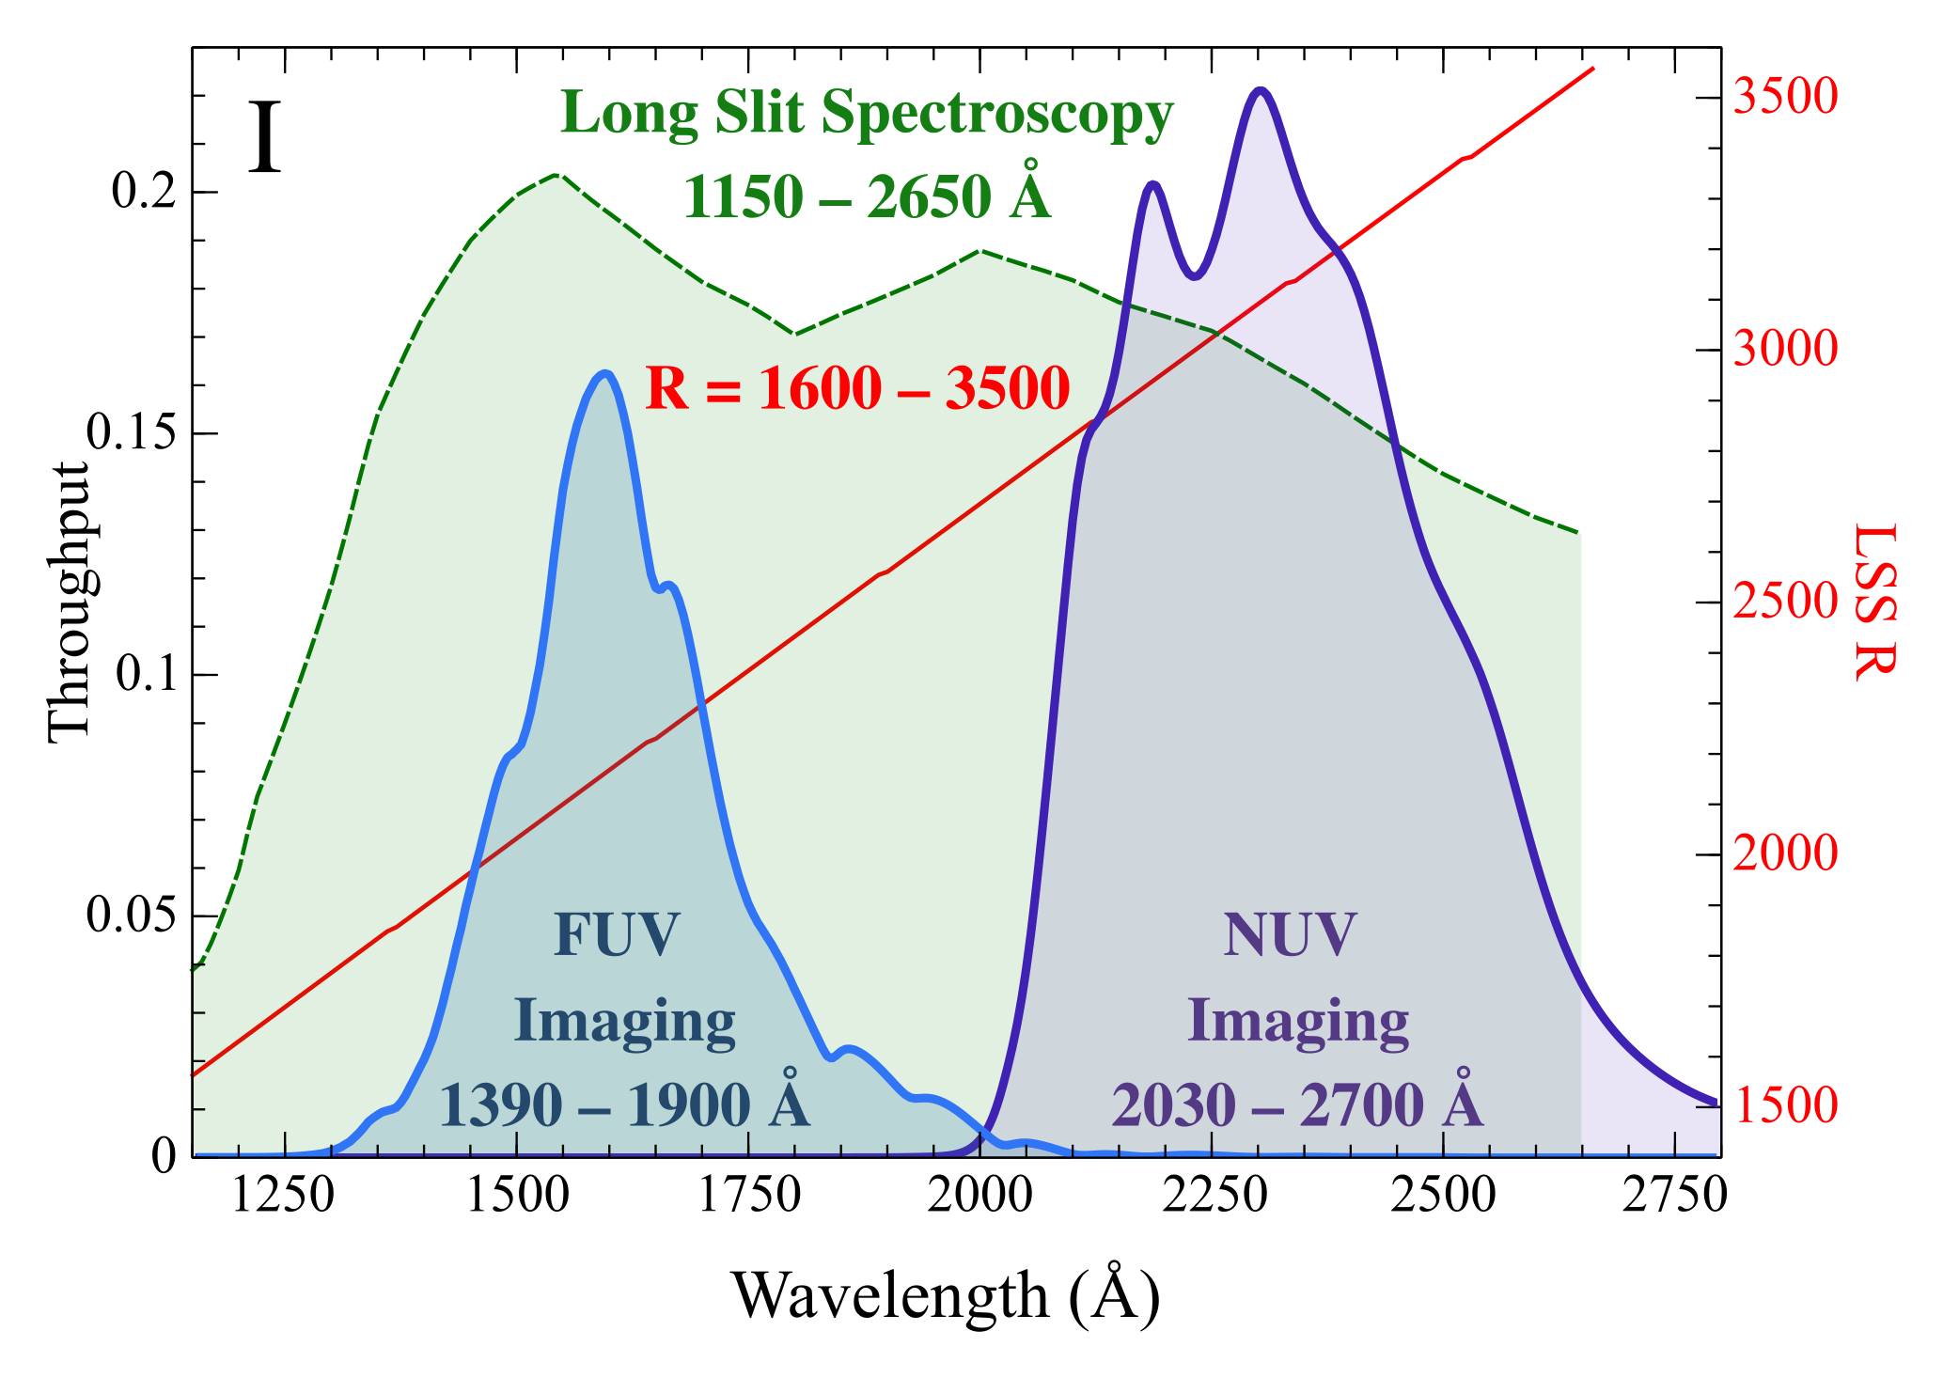
X | Y | lambda [A] | throughput | UVEX
-0.065905773313 | 0.14118913087 | 1151.14134 | 0.028237826175 | 124.75089459 | https://uvex2023.caltech.edu/system/media_files/binaries/6/original/UVEX_slides_bg_-_Brian_Grefenstette.pdf?1680041999
-0.054580977454 | 0.16452014898 | 1168.1285338 | 0.032904029796 | 145.36555071
-0.046750001594 | 0.18914911846 | 1179.8749976 | 0.037829823692 | 167.12704153
-0.041328556767 | 0.2090184997 | 1188.0071648 | 0.04180369994 | 184.683089
-0.035907111941 | 0.22974727015 | 1196.1393321 | 0.045949454031 | 202.99846953
-0.03229281539 | 0.24516803944 | 1201.5607769 | 0.049033607888 | 216.62384389
-0.029280901598 | 0.26165992375 | 1206.0786476 | 0.05233198475 | 231.19562649
-0.025064222289 | 0.28323625999 | 1212.4036666 | 0.056647251999 | 250.25989321
-0.020245160221 | 0.3062322218 | 1219.6322597 | 0.061246444359 | 270.57850264
-0.015426098153 | 0.32344683801 | 1226.8608528 | 0.064689367602 | 285.7888716
-0.010607036086 | 0.33971091767 | 1234.0894459 | 0.067942183535 | 300.15937218
-0.0051855912594 | 0.35861674132 | 1242.2216131 | 0.071723348264 | 316.86404625
0.00083823632527 | 0.38047681411 | 1251.2573545 | 0.076095362822 | 336.1790149
0.0062596811515 | 0.40028109011 | 1259.3895217 | 0.080056218023 | 353.67753714
0.011078743219 | 0.41771706415 | 1266.6181148 | 0.083543412831 | 369.08349188
0.015897805287 | 0.43479495936 | 1273.8467079 | 0.086958991871 | 384.17305785
0.021319250113 | 0.45623858538 | 1281.9788752 | 0.091247717076 | 403.12006541
0.027343077698 | 0.47978618607 | 1291.0146165 | 0.095957237215 | 423.92608804
 | UVEX |  | Baseline(LAPYUTA MRS) |  | Target(LAPYUTA MRS) |  | Baseline(LAPYUTA UVI) |  | Target(LAPYUTA UVI) |  | UVEX LSS
1151.14134 | 124.75089459 | 1150 | 203 | 1150 | 444 | 1150 | 184 | 1150 | 558 | 1152.7758049 | 174.28666901
1168.1285338 | 145.36555071 | 1200 | 305 | 1200 | 468 | 1200 | 361 | 1200 | 615 | 1163.2943933 | 185.47309952
1179.8749976 | 167.12704153 | 1250 | 312 | 1250 | 436 | 1250 | 396 | 1250 | 574 | 1173.9131587 | 206.25762354
1188.0071648 | 184.683089 | 1300 | 265 | 1300 | 355 | 1300 | 343 | 1300 | 448 | 1183.4299768 | 225.37817547
1196.1393321 | 202.99846953 | 1350 | 280 | 1350 | 343 | 1350 | 357 | 1350 | 434 | 1186.3239799 | 241.21784508
1201.5607769 | 216.62384389 | 1400 | 213 | 1400 | 243 | 1400 | 273 | 1400 | 308 | 1197.1542302 | 257.90126619
1206.0786476 | 231.19562649 | 1450 | 155 | 1450 | 180 | 1450 | 188 | 1450 | 235 | 1204.4671536 | 278.24710666
1212.4036666 | 250.25989321 | 1500 | 125 | 1500 | 155 | 1500 | 145 | 1500 | 214 | 1209.7264478 | 300.10564902
1219.6322597 | 270.57850264 | 1550 | 87 | 1550 | 117 | 1550 | 101 | 1550 | 163 | 1216.4883975 | 322.27753678
1226.8608528 | 285.7888716 | 1600 | 64 | 1600 | 93 | 1600 | 75 | 1600 | 133 | 1224.0016749 | 341.74276864
1234.0894459 | 300.15937218 | 1650 | 46 | 1650 | 64 | 1650 | 53 | 1650 | 95 | 1232.0158375 | 359.78173873
1242.2216131 | 316.86404625 | 1700 | 29 | 1700 | 36 | 1700 | 33 | 1700 | 59 | 1240.5308853 | 379.06868787
1251.2573545 | 336.1790149 | 1750 | 17 | 1750 | 21 | 1750 | 20 | 1750 | 35 | 1249.5468182 | 399.84312721
1259.3895217 | 353.67753714 | 1800 | 11 | 1800 | 13 | 1800 | 13 | 1800 | 24 | 1258.0618659 | 420.02509164
1266.6181148 | 369.08349188 |  |  |  |  |  |  |  |  | 1266.0760285 | 439.42549343
1273.8467079 | 384.17305785 |  |  |  |  |  |  |  |  | 1274.0901911 | 459.27970578
1281.9788752 | 403.12006541 |  |  |  |  |  |  |  |  | 1282.1043537 | 479.47427606
1291.0146165 | 423.92608804 |  |  |  |  |  |  |  |  | 1290.1185163 | 500.46301484
1299.1467838 | 443.38046813 |  |  |  |  |  |  |  |  | 1297.6317938 | 520.39826479
1305.4718027 | 459.10991504 |  |  |  |  |  |  |  |  | 1304.644186 | 541.40321109
1310.8932476 | 472.90786509 |  |  |  |  |  |  |  |  | 1312.9588797 | 564.40492388
1317.2182665 | 490.84628086 |  |  |  |  |  |  |  |  | 1319.6707409 | 585.70376655
1324.4468596 | 512.0622839 |  |  |  |  |  |  |  |  | 1325.4992228 | 604.57128471
1330.7718786 | 530.92932126 |  |  |  |  |  |  |  |  | 1331.1910996 | 625.48782635
1336.1933234 | 546.7916053 |  |  |  |  |  |  |  |  | 1336.1999512 | 644.09405964
1341.6147683 | 562.78537558 |  |  |  |  |  |  |  |  | 1342.7114583 | 663.28376367
1347.9397872 | 581.05743769 |  |  |  |  |  |  |  |  | 1351.2265061 | 684.39243809
1355.1683803 | 599.68480535 |  |  |  |  |  |  |  |  | 1361.2442093 | 703.81553041
1363.3005476 | 616.55055006 |  |  |  |  |  |  |  |  | 1371.7627977 | 723.96471963
1372.3362889 | 632.13788376 |  |  |  |  |  |  |  |  | 1382.7822713 | 743.93238463
1380.4684562 | 644.86181186 |  |  |  |  |  |  |  |  | 1393.8017449 | 763.32247254
1390.4077717 | 662.12917499 |  |  |  |  |  |  |  |  | 1402.8176778 | 777.25504634
1403.0578096 | 682.32627223 |  |  |  |  |  |  |  |  | 1420.8495436 | 802.76273646
1416.6114217 | 702.27548188 |  |  |  |  |  |  |  |  | 1431.8690172 | 817.28467463
1432.8757562 | 722.35623406 |  |  |  |  |  |  |  |  | 1442.8884908 | 831.64159079
1448.2365165 | 741.07690666 |  |  |  |  |  |  |  |  | 1453.9079643 | 844.01824265
1464.500851 | 759.69076546 |  |  |  |  |  |  |  |  | 1464.9274379 | 853.58952008
1485.2830562 | 777.0706649 |  |  |  |  |  |  |  |  | 1475.9469115 | 863.07828651
1506.0652613 | 792.22625542 |  |  |  |  |  |  |  |  | 1486.966385 | 871.90696483
1529.5581889 | 805.80892336 |  |  |  |  |  |  |  |  | 1497.9858586 | 880.24057708
1550.8423797 | 814.55580133 |  |  |  |  |  |  |  |  | 1509.0053322 | 885.93383694
1569.1146567 | 816.98289325 |  |  |  |  |  |  |  |  | 1520.0248057 | 891.13203072
1588.1901107 | 807.67363733 |  |  |  |  |  |  |  |  | 1531.0442793 | 895.91766943
1607.2655647 | 796.06337218 |  |  |  |  |  |  |  |  | 1542.8343454 | 898.00301186
1628.951344 | 783.44512772 |  |  |  |  |  |  |  |  | 1552.2245662 | 893.66826207
1652.4442716 | 769.72945891 |  |  |  |  |  |  |  |  | 1564.1027 | 886.92396909
1675.9371992 | 755.70001611 |  |  |  |  |  |  |  |  | 1575.1221736 | 879.41546696
1699.4301268 | 742.80015967 |  |  |  |  |  |  |  |  | 1586.1416471 | 872.07198686
1722.9230544 | 729.77479363 |  |  |  |  |  |  |  |  | 1597.1611207 | 864.97603979
1744.2072452 | 720.23213461 |  |  |  |  |  |  |  |  | 1608.1805943 | 857.96260374
...
0.032764522524 | 0.50180404034 | 1299.1467838 | 0.10036080807 | 443.38046813
0.036981201833 | 0.51960613263 | 1305.4718027 | 0.10392122653 | 459.10991504
0.040595498384 | 0.53522221765 | 1310.8932476 | 0.10704444353 | 472.90786509
0.044812177693 | 0.55552435127 | 1317.2182665 | 0.11110487025 | 490.84628086
0.049631239761 | 0.57953595487 | 1324.4468596 | 0.11590719097 | 512.0622839
0.05384791907 | 0.60088907314 | 1330.7718786 | 0.12017781463 | 530.92932126
0.057462215621 | 0.61884150631 | 1336.1933234 | 0.12376830126 | 546.7916053
0.061076512172 | 0.63694275146 | 1341.6147683 | 0.12738855029 | 562.78537558
0.065293191481 | 0.6576224955 | 1347.9397872 | 0.1315244991 | 581.05743769
0.070112253549 | 0.67870436315 | 1355.1683803 | 0.13574087263 | 599.68480535
0.075533698375 | 0.69779248148 | 1363.3005476 | 0.1395584963 | 616.55055006
0.08155752596 | 0.71543373452 | 1372.3362889 | 0.1430867469 | 632.13788376
0.086978970786 | 0.72983427533 | 1380.4684562 | 0.14596685507 | 644.86181186
0.093605181129 | 0.74937693273 | 1390.4077717 | 0.14987538655 | 662.12917499
0.10203853975 | 0.77223537086 | 1403.0578096 | 0.15444707417 | 682.32627223
0.11107428112 | 0.79481325762 | 1416.6114217 | 0.15896265152 | 702.27548188
0.12191717078 | 0.81754002008 | 1432.8757562 | 0.16350800402 | 722.35623406
0.13215767767 | 0.83872748733 | 1448.2365165 | 0.16774549747 | 741.07690666
0.14300056732 | 0.85979406609 | 1464.500851 | 0.17195881322 | 759.69076546
0.15685537077 | 0.87946408854 | 1485.2830562 | 0.17589281771 | 777.0706649
0.17071017421 | 0.89661670825 | 1506.0652613 | 0.17932334165 | 792.22625542
0.18637212593 | 0.91198914375 | 1529.5581889 | 0.18239782875 | 805.80892336
0.20056158647 | 0.92188858457 | 1550.8423797 | 0.18437771691 | 814.55580133
0.21274310447 | 0.92463549072 | 1569.1146567 | 0.18492709814 | 816.98289325
0.22546007382 | 0.91409956826 | 1588.1901107 | 0.18281991365 | 807.67363733
0.23817704316 | 0.90095943607 | 1607.2655647 | 0.18019188721 | 796.06337218
0.25263422936 | 0.88667850466 | 1628.951344 | 0.17733570093 | 783.44512772
0.26829618108 | 0.87115554296 | 1652.4442716 | 0.17423110859 | 769.72945891
0.2839581328 | 0.85527746175 | 1675.9371992 | 0.17105549235 | 755.70001611
0.29962008452 | 0.84067781078 | 1699.4301268 | 0.16813556216 | 742.80015967
0.31528203624 | 0.825936112 | 1722.9230544 | 0.1651872224 | 729.77479363
0.32947149678 | 0.81513603127 | 1744.2072452 | 0.16302720625 | 720.23213461
0.34165301478 | 0.80737929153 | 1762.4795222 | 0.16147585831 | 713.37848932
0.35410225846 | 0.79901422334 | 1781.1533877 | 0.15980284467 | 705.98734148
0.36829171899 | 0.78844299741 | 1802.4375785 | 0.15768859948 | 696.64689237
0.38395367071 | 0.77490870496 | 1825.9305061 | 0.15498174099 | 684.68835788
0.39814313124 | 0.77025613749 | 1847.2146969 | 0.1540512275 | 680.5774752
0.41032464925 | 0.77647532327 | 1865.4869739 | 0.15529506465 | 686.07257943
0.42190378449 | 0.783379643 | 1882.8556767 | 0.1566759286 | 692.17304946
0.43696335346 | 0.7916778512 | 1905.4450302 | 0.15833557024 | 699.50512162
0.45088508832 | 0.79894219562 | 1926.3276325 | 0.15978843912 | 705.92369974
0.46306660632 | 0.80542180238 | 1944.5999095 | 0.16108436048 | 711.64890489
0.47611823276 | 0.81263706016 | 1964.1773491 | 0.16252741203 | 718.02411138
0.49117780172 | 0.82115721805 | 1986.7667026 | 0.16423144361 | 725.55229228
0.50509953658 | 0.82944746327 | 2007.6493049 | 0.16588949265 | 732.87732857
0.51754878025 | 0.83827017927 | 2026.3231704 | 0.16765403585 | 740.67284164
0.52973029826 | 0.84648592585 | 2044.5954474 | 0.16929718517 | 747.93205294
0.54418748446 | 0.84708844759 | 2066.2812267 | 0.16941768952 | 748.46442485
0.55834347929 | 0.84123743673 | 2087.5152189 | 0.16824748735 | 743.29463001
0.56933696463 | 0.83681493057 | 2104.0054469 | 0.16736298611 | 739.38702327
0.58394474652 | 0.83086511517 | 2125.9171198 | 0.16617302303 | 734.12992742
0.60081146376 | 0.82364889218 | 2151.2171956 | 0.16472977844 | 727.7538681
0.61473319862 | 0.81623496361 | 2172.0997979 | 0.16324699272 | 721.20312148
0.62686451806 | 0.80864111438 | 2190.2967771 | 0.16172822288 | 714.49340184
0.6393639603 | 0.80115483957 | 2209.0459405 | 0.16023096791 | 707.87873204
0.65803782581 | 0.79280001494 | 2237.0567387 | 0.15856000299 | 700.49663514
0.67430216029 | 0.78624584313 | 2261.4532404 | 0.15724916863 | 694.70554632
0.68822389515 | 0.78054437974 | 2282.3358427 | 0.15610887595 | 689.66788758
0.69990342753 | 0.77603332535 | 2299.8551413 | 0.15520666507 | 685.68204202
0.71405942235 | 0.77002251071 | 2321.0891335 | 0.15400450214 | 680.37104889
0.72972137407 | 0.75918712652 | 2344.5820611 | 0.1518374253 | 670.7971967
0.7439108346 | 0.74828445571 | 2365.8662519 | 0.14965689114 | 661.16389186
0.75636007828 | 0.73896451062 | 2384.5401174 | 0.14779290212 | 652.92904064
0.76880932195 | 0.72947095155 | 2403.2139829 | 0.14589419031 | 644.5407888
0.78273105682 | 0.71942124708 | 2424.0965852 | 0.14388424942 | 635.66114193
0.79718824302 | 0.70709741873 | 2445.7823645 | 0.14141948375 | 624.77214077
0.81137770355 | 0.69472692063 | 2467.0665553 | 0.13894538413 | 613.84190346
0.82381356094 | 0.68370559249 | 2485.7203414 | 0.1367411185 | 604.10375623
0.83654391657 | 0.67278768529 | 2504.8158749 | 0.13455753706 | 594.45698893
0.84718601197 | 0.66377615134 | 2520.779018 | 0.13275523027 | 586.49464144
0.86525749473 | 0.64867795242 | 2547.8862421 | 0.12973559048 | 573.15428153
0.88031706369 | 0.63621764977 | 2570.4755955 | 0.12724352995 | 562.14469536
0.89450652422 | 0.62567799002 | 2591.7597863 | 0.125135598 | 552.83213727
0.90682190506 | 0.6178883579 | 2610.2328576 | 0.12357767158 | 545.94942917
0.9191372859 | 0.61016383103 | 2628.7059288 | 0.12203276621 | 539.12424629
0.93332674643 | 0.60142344345 | 2649.9901196 | 0.12028468869 | 531.4014764
0.94751620696 | 0.59299082611 | 2671.2743104 | 0.11859816522 | 523.95064395
0.95969772497 | 0.58601534928 | 2689.5465875 | 0.11720306986 | 517.78730143
0.97187924297 | 0.57964752139 | 2707.8188645 | 0.11592950428 | 512.16086106
0.98754119469 | 0.57237911537 | 2731.311792 | 0.11447582307 | 505.73869423
0.99537217055 | 0.56990891519 | 2743.0582558 | 0.11398178304 | 503.55609221

UVEX202403
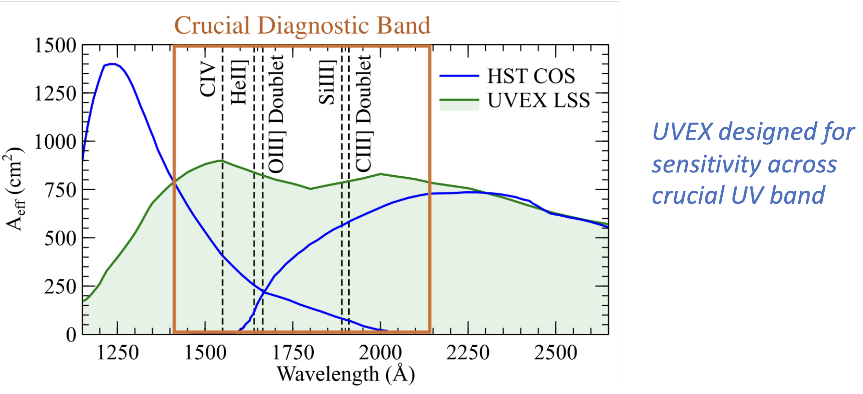
lambda [A] | UVEX (Aeff)
1152.7758049 | 174.28666901 | https://science.nasa.gov/wp-content/uploads/2024/04/harrison-uvex-apac-3-2024-final.pdf
1163.2943933 | 185.47309952
1173.9131587 | 206.25762354
1183.4299768 | 225.37817547
1186.3239799 | 241.21784508
1197.1542302 | 257.90126619
1204.4671536 | 278.24710666
1209.7264478 | 300.10564902
1216.4883975 | 322.27753678
1224.0016749 | 341.74276864
1232.0158375 | 359.78173873
1240.5308853 | 379.06868787
1249.5468182 | 399.84312721
1258.0618659 | 420.02509164
1266.0760285 | 439.42549343
1274.0901911 | 459.27970578
1282.1043537 | 479.47427606
1290.1185163 | 500.46301484
1297.6317938 | 520.39826479
1304.644186 | 541.40321109
1312.9588797 | 564.40492388
1319.6707409 | 585.70376655
1325.4992228 | 604.57128471
1331.1910996 | 625.48782635
1336.1999512 | 644.09405964
1342.7114583 | 663.28376367
1351.2265061 | 684.39243809
1361.2442093 | 703.81553041
1371.7627977 | 723.96471963
1382.7822713 | 743.93238463
1393.8017449 | 763.32247254
1402.8176778 | 777.25504634
1420.8495436 | 802.76273646
1431.8690172 | 817.28467463
1442.8884908 | 831.64159079
1453.9079643 | 844.01824265
1464.9274379 | 853.58952008
1475.9469115 | 863.07828651
1486.966385 | 871.90696483
1497.9858586 | 880.24057708
1509.0053322 | 885.93383694
1520.0248057 | 891.13203072
1531.0442793 | 895.91766943
1542.8343454 | 898.00301186
1552.2245662 | 893.66826207
1564.1027 | 886.92396909
1575.1221736 | 879.41546696
1586.1416471 | 872.07198686
1597.1611207 | 864.97603979
1608.1805943 | 857.96260374
1619.2000678 | 851.0316787
1630.2195414 | 843.52317657
1640.5711681 | 836.31208081
1652.2584885 | 829.41379345
1663.1443927 | 821.1053929
1674.2974357 | 815.96449844
1685.3169092 | 809.44612846
1696.3363828 | 802.92775848
1707.3558564 | 797.89458672
1718.3753299 | 793.10894801
1729.3948035 | 788.24079828
1740.4142771 | 783.70269259
1751.4337506 | 778.75203185
1762.4532242 | 772.97626099
1773.4726978 | 767.03546809
1784.4921714 | 760.92965318
1795.5116449 | 755.0713713
1806.5311185 | 755.97899243
1817.5505921 | 760.26956508
1828.5700656 | 764.31260468
1839.5895392 | 768.68568834
1850.6090128 | 772.72872795
1861.6284863 | 776.44172351
1872.6479599 | 780.15471906
1884.5260937 | 782.93848346
1892.4607507 | 791.90184245
1895.0876152 | 783.68619039
1906.3742275 | 790.89241408
1916.7258542 | 796.07934445
1927.7453277 | 800.12238406
1938.7648013 | 804.08291265
1949.7842749 | 808.29097428
1960.8037484 | 813.15912402
1971.823222 | 818.3573178
1982.8426956 | 823.39048955
1993.8621691 | 828.25863928
2004.8816427 | 828.50617232
2015.9011163 | 825.28824284
2026.9205898 | 822.4003574
2037.9400634 | 819.34744994
2048.959537 | 816.45956451
2059.9790105 | 814.89185528
2070.9984841 | 811.26137073
2082.0179577 | 807.79590821
2093.0374312 | 804.49546772
2104.0569048 | 800.69996115
2115.0763784 | 796.16185546
2126.0958519 | 791.54123877
2133.1082442 | 788.70836068
2148.1347991 | 783.0426045
2159.1542726 | 779.82467501
2170.1737462 | 777.1018116
2181.1932198 | 774.13141516
2192.2126933 | 771.40855175
2203.2321669 | 768.4381553
2214.2516405 | 765.7152919
2225.271114 | 762.66238444
2236.2905876 | 759.774499
2247.3100612 | 756.63908053
2258.3295347 | 752.01846384
2269.3490083 | 747.0678031
2280.3684819 | 743.43731855
2287.8817593 | 741.66333179
2311.4233619 | 722.97458748
2322.4428355 | 719.01405889
2333.4623091 | 715.1360413
2344.4817826 | 709.85533651
2355.5012562 | 704.07956565
2366.5207298 | 697.97375073
2377.5402033 | 691.70291379
2388.5596769 | 685.18454381
2399.5791505 | 679.07872889
2410.598624 | 672.56035892
2421.6180976 | 666.53705501
2432.6375712 | 660.34872908
2443.6570447 | 653.8303591
2453.674748 | 646.01014871
2480.7225467 | 636.99811258
2491.7420203 | 631.30485272
2502.7614939 | 627.01428008
2513.7809674 | 622.55868541
2524.800441 | 618.10309074
2535.8199146 | 613.64749607
2546.8393881 | 609.60445647
2552.8500101 | 606.88159306
2595.0245407 | 590.72593683
2605.9438373 | 586.33635098
2616.9633108 | 581.71573428
2627.9827844 | 577.1776286
2639.002258 | 573.21710001
2575.9013283 | 597.42120344
2466.7931689 | 640.40114613
2300.7590133 | 730.65902579

LAPYUTA
Wavelength [nm] |  | Baseline(LAPYUTA MRS) | Target(LAPYUTA MRS) | Baseline(LAPYUTA UVI) | Target(LAPYUTA UVI)
115 | 1150 | 203 | 444 | 184 | 558
120 | 1200 | 305 | 468 | 361 | 615
125 | 1250 | 312 | 436 | 396 | 574
130 | 1300 | 265 | 355 | 343 | 448
135 | 1350 | 280 | 343 | 357 | 434
140 | 1400 | 213 | 243 | 273 | 308
145 | 1450 | 155 | 180 | 188 | 235
150 | 1500 | 125 | 155 | 145 | 214
155 | 1550 | 87 | 117 | 101 | 163
160 | 1600 | 64 | 93 | 75 | 133
165 | 1650 | 46 | 64 | 53 | 95
170 | 1700 | 29 | 36 | 33 | 59
175 | 1750 | 17 | 21 | 20 | 35
180 | 1800 | 11 | 13 | 13 | 24

