Inherent Risk Results
Summary Results of the Inherent Risk Profile:
Inherent Risk Profile (by Category) | Inherent Risk Level | Average Risk Score | Risk Score | # of Questions
1. Technologies and Connection Types | Minimal | 1.93 | 27 | 14
2. Delivery Channels | Minimal | 1.67 | 5 | 3
3. Online/Mobile Products and Technology Services | Minimal | 1.57 | 22 | 14
4. Organizational Characteristics | Minimal | 1.86 | 13 | 7
5. External Threats | Minimal | 2.00 | 2 | 1
Composite - Inherent Risk Results | Minimal | 1.77 | 69 | 39

Potential Cybersecurity Maturity Levels based on Inherent Risk Results:
Baseline
Evolving
Intermediate
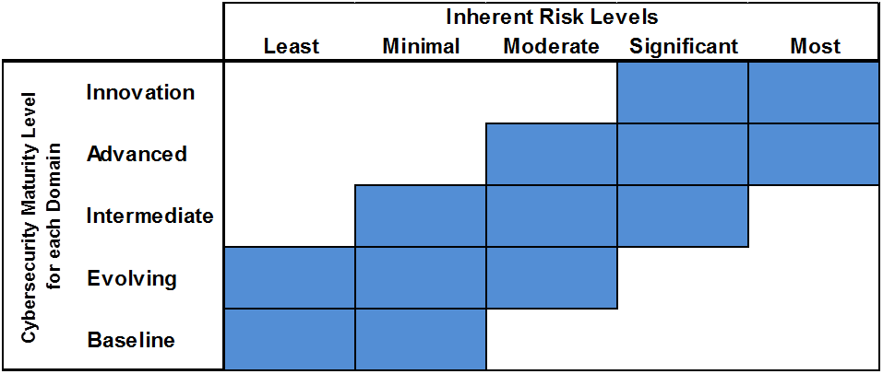

Summary Graph of the Inherent Risk Profile:

Charts of Assessment Factor
D1 - Cyber Risk Management & Oversight
D4 - External Dependency Management
Instructions: Select the desired maturity level your institution wants to achieve in column C.
This selection will set the red line on each of the charts on this and the next sheets.
 |  |  | HIDE | HIDE
Domain | Assessment Factor | Select Desired Maturity Level for each Domain | Assessment Factor Maturity | Target Maturity
1: Cyber Risk Management & Oversight | 1: Governance | Baseline | 2 | 2
 | 2: Risk Management |  | 2 | 2
 | 3: Resources |  | 2 | 2
 | 4: Training & Culture |  | 2 | 2
2: Threat Intelligence & Collaboration | 1: Threat Intelligence | Baseline | 2 | 2
 | 2: Monitoring & Analyzing |  | 2 | 2
 | 3: Information Sharing |  | 2 | 2
3: Cybersecurity Controls | 1: Preventative Controls | Baseline | 2 | 2
D2 - Threat Intelligence & Collaboration
D5 - Cyber Incident Management and Resilience
 | 2: Detective Controls |  | 2 | 2
 | 3: Corrective Controls |  | 2 | 2
4: External Dependency Management | 1: Connections | Baseline | 2 | 2
 | 2: Relationship Management |  | 2 | 2
5: Cyber Incident Management and Resilience | 1: Incident Resilience Planning and Strategy | Baseline | 2 | 2
 | 2: Detection, Response, and Mitigation |  | 2 | 2
 | 3: Escalation and Reporting |  | 2 | 2

Based on the Inherent Risk Assessment, your institution is recommended to be at the following
maturity levels in all domains:
 | Baseline- Minimum Maturity
D3 - Cybersecurity Controls
 | Evolving
 | Intermediate

Charts of Component
D1 - Cyber Risk Management & Oversight
D4 - External Dependency Management
Instructions: No input required on this sheet. All data is pulled from the "Maturity Results" sheet and the "Charts of Assessment Factor" sheet.

 |  |  |  | HIDE | HIDE
Domain | Assessment Factor | Component | Component Maturity Level | Component Maturity | Target Maturity
1: Cyber Risk Management & Oversight | 1: Governance | 1: Oversight | Baseline | 2 | 2
 |  | 2: Strategy / Policies | Baseline | 2 | 2
 |  | 3: IT Asset Management | Baseline | 2 | 2
 | 2: Risk Management | 1: Risk Management Program | Baseline | 2 | 2
 |  | 2: Risk Assessment | Baseline | 2 | 2
 |  | 3: Audit | Baseline | 2 | 2
 | 3: Resources | 1: Staffing | Baseline | 2 | 2
 | 4: Training & Culture | 1: Training | Baseline | 2 | 2
 |  | 2: Culture | Baseline | 2 | 2
2: Threat Intelligence & Collaboration | 1: Threat Intelligence | 1: Threat Intelligence and Information | Baseline | 2 | 2
 | 2: Monitoring & Analyzing | 1: Monitoring and Analyzing | Baseline | 2 | 2
 | 3: Information Sharing | 1: Information Sharing | Baseline | 2 | 2
3: Cybersecurity Controls | 1: Preventative Controls | 1: Infrastructure Management | Baseline | 2 | 2
D2 - Threat Intelligence & Collaboration
 | Component Maturity Level | Target Maturity
1: Threat Intelligence and Information | 2 | 2
1: Monitoring and Analyzing | 2 | 2
1: Information Sharing | 2 | 2
D5 - Cyber Incident Management and Resilience
 |  | 2: Access and Data Management | Baseline | 2 | 2
 |  | 3: Device / End-Point Security | Baseline | 2 | 2
 |  | 4: Secure Coding | Baseline | 2 | 2
 | 2: Detective Controls | 1: Threat and Vulnerability Detection | Baseline | 2 | 2
 |  | 2: Anomalous Activity Detection | Baseline | 2 | 2
 |  | 3: Event Detection | Baseline | 2 | 2
 | 3: Corrective Controls | 1: Patch Management | Baseline | 2 | 2
 |  | 2: Remediation | Baseline | 2 | 2
4: External Dependency Management | 1: Connections | 1: Connections | Baseline | 2 | 2
 | 2: Relationship Management | 1: Due Diligence | Baseline | 2 | 2
 |  | 2: Contracts | Baseline | 2 | 2
 |  | 3: Ongoing Monitoring | Baseline | 2 | 2
5: Cyber Incident Management and Resilience | 1: Incident Resilience Planning and Strategy | 1: Planning | Baseline | 2 | 2
 |  | 2: Testing | Baseline | 2 | 2
 | 2: Detection, Response, and Mitigation | 1: Detection | Baseline | 2 | 2
 |  | 2: Response and Mitigation | Baseline | 2 | 2
D3 - Cybersecurity Controls
 | 3: Escalation and Reporting | 1: Escalation and Reporting | Baseline | 2 | 2

