Inherent Risk Results
Summary Results of the Inherent Risk Profile:
Inherent Risk Profile (by Category) | Inherent Risk Level | Average Risk Score | Risk Score | # of Questions
1. Technologies and Connection Types | Minimal | 2.14 | 30 | 14
2. Delivery Channels | Minimal | 1.67 | 5 | 3
3. Online/Mobile Products and Technology Services | Minimal | 1.57 | 22 | 14
4. Organizational Characteristics | Minimal | 1.86 | 13 | 7
5. External Threats | Minimal | 2.00 | 2 | 1
Composite - Inherent Risk Results | Minimal | 1.85 | 72 | 39

Potential Cybersecurity Maturity Levels based on Inherent Risk Results:
Baseline
Evolving
Intermediate
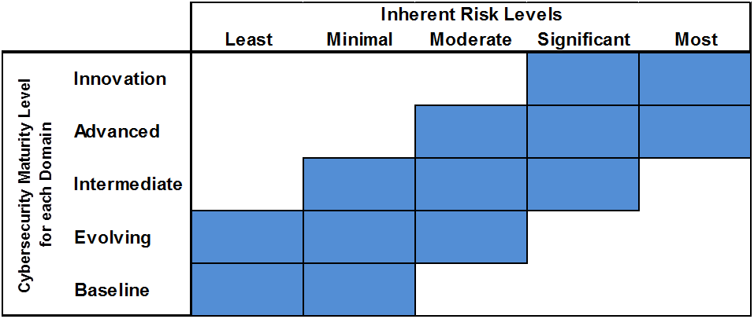

Summary Graph of the Inherent Risk Profile:

Charts of Assessment Factor
D1 - Cyber Risk Management & Oversight
Instructions: Select the desired maturity level your institution wants to achieve in column C.
This selection will drive the line on each of the charts.
 |  |  | HIDE | HIDE
Domain | Assessment Factor | Select Desired Maturity Level for each Domain | Assessment Factor Maturity | Target Maturity
1: Cyber Risk Management & Oversight | 1: Governance | Evolving | 0 | 3
 | 2: Risk Management |  | 0 | 3
 | 3: Resources |  | 0 | 3
 | 4: Training & Culture |  | 0 | 3
2: Threat Intelligence & Collaboration | 1: Threat Intelligence | Evolving | 0 | 3
 | 2: Monitoring & Analyzing |  | 0 | 3
 | 3: Information Sharing |  | 0 | 3
3: Cybersecurity Controls | 1: Preventative Controls | Evolving | 0 | 3
D2 - Threat Intelligence & Collaboration
 | 2: Detective Controls |  | 0 | 3
 | 3: Corrective Controls |  | 0 | 3
4: External Dependency Management | 1: Connections | Evolving | 0 | 3
 | 2: Relationship Management |  | 0 | 3
5: Cyber Incident Management and Resilience | 1: Incident Resilience Planning and Strategy | Evolving | 0 | 3
 | 2: Detection, Response, and Mitigation |  | 0 | 3
 | 3: Escalation and Reporting |  | 0 | 3

Based on the Inherent Risk Assessment, your institution is recommended to be at the following
maturity levels in all domains:
 | Baseline- Minimum Maturity
D3 - Cybersecurity Controls
 | Evolving
 | Intermediate

D4 - External Dependency Management

D5 - Cyber Incident Management and Resilience

Charts of Component
D1 - Cyber Risk Management & Oversight
D4 - External Dependency Management
Instructions: No input required on this sheet. All data is pulling off of the "Results" tab and the
"CHARTS of Assessment Factor" tab.
 |  |  |  | HIDE | HIDE
Domain | Assessment Factor | Component | Component Maturity Level | Component Maturity | Target Maturity
1: Cyber Risk Management & Oversight | 1: Governance | 1:Oversight | Incomplete | 0 | 3
 |  | 2: Strategy / Policies | Incomplete | 0 | 3
 |  | 3: IT Asset Management | Incomplete | 0 | 3
 | 2: Risk Management | 1: Risk Management Program | Incomplete | 0 | 3
 |  | 2: Risk Assessment | Incomplete | 0 | 3
 |  | 3: Audit | Incomplete | 0 | 3
 | 3: Resources | 1: Staffing | Incomplete | 0 | 3
 | 4: Training & Culture | 1: Training | Incomplete | 0 | 3
 |  | 2: Culture | Incomplete | 0 | 3
2: Threat Intelligence & Collaboration | 1: Threat Intelligence | 1: Threat Intelligence and Information | Incomplete | 0 | 3
 | 2: Monitoring & Analyzing | 1: Monitoring and Analyzing | Incomplete | 0 | 3
 | 3: Information Sharing | 1: Information Sharing | Incomplete | 0 | 3
3: Cybersecurity Controls | 1: Preventative Controls | 1: Infrastructure Management | Incomplete | 0 | 3
 |  | 2: Access and Data Management | Incomplete | 0 | 3
D2 - Threat Intelligence & Collaboration
 | Component Maturity Level | Target Maturity
1: Threat Intelligence and Information | 0 | 3
1: Monitoring and Analyzing | 0 | 3
1: Information Sharing | 0 | 3
D5 - Cyber Incident Management and Resilience
 |  | 3: Device / End-Point Security | Incomplete | 0 | 3
 |  | 4: Secure Coding | Incomplete | 0 | 3
 | 2: Detective Controls | 1: Threat and Vulnerability Detection | Incomplete | 0 | 3
 |  | 2: Anomalous Activity Detection | Incomplete | 0 | 3
 |  | 3: Event Detection | Incomplete | 0 | 3
 | 3: Corrective Controls | 1: Patch Management | Incomplete | 0 | 3
 |  | 2: Remediation | Incomplete | 0 | 3
4: External Dependency Management | 1: Connections | 1: Connections | Incomplete | 0 | 3
 | 2: Relationship Management | 1: Due Diligence | Incomplete | 0 | 3
 |  | 2: Contracts | Incomplete | 0 | 3
 |  | 3: Ongoing Monitoring | Incomplete | 0 | 3
5: Cyber Incident Management and Resilience | 1: Incident Resilience Planning and Strategy | 1: Planning | Incomplete | 0 | 3
 |  | 2: Testing | Incomplete | 0 | 3
 | 2: Detection, Response, and Mitigation | 1: Detection | Incomplete | 0 | 3
 |  | 2: Response and Mitigation | Incomplete | 0 | 3
 | 3: Escalation and Reporting | 1: Escalation and Reporting | Incomplete | 0 | 3

D3 - Cybersecurity Controls

