teraterm画面サンプル
 | Text |  |  | Background |  |  | 画面イメージ
 | R | G | B | R | G | B
Amber | 255 | 127 | 0 | 31 | 0 | 0 | 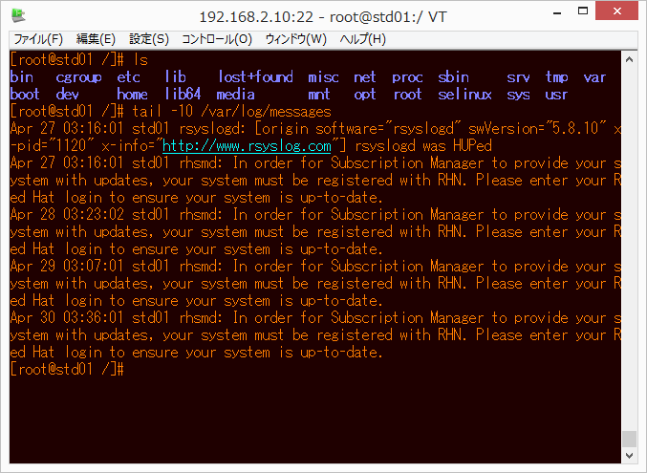
Amber Light | 255 | 127 | 0 | 62 | 0 | 0 | 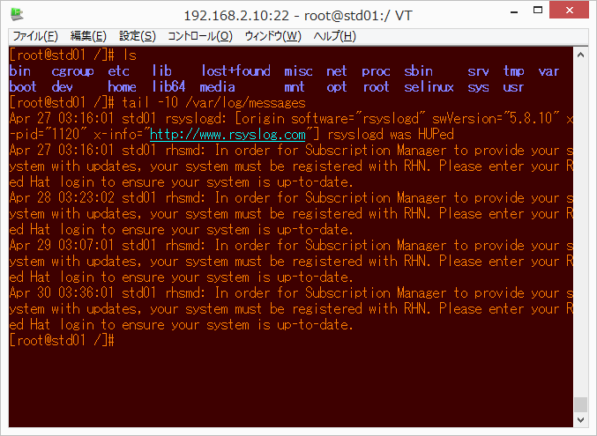
Red | 255 | 120 | 0 | 93 | 0 | 0 | 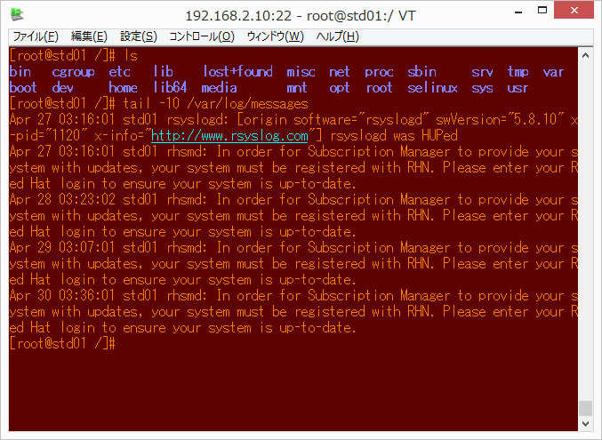
Murasaki | 255 | 127 | 0 | 62 | 0 | 31 | 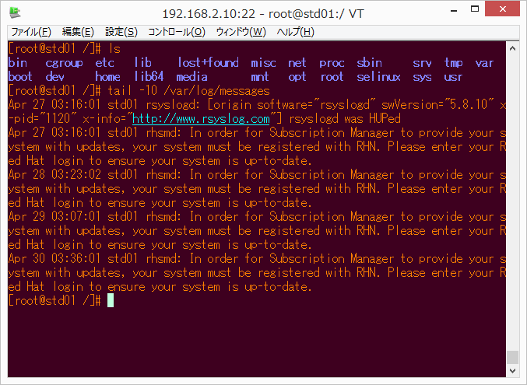
Green | 0 | 223 | 31 | 0 | 31 | 0 | 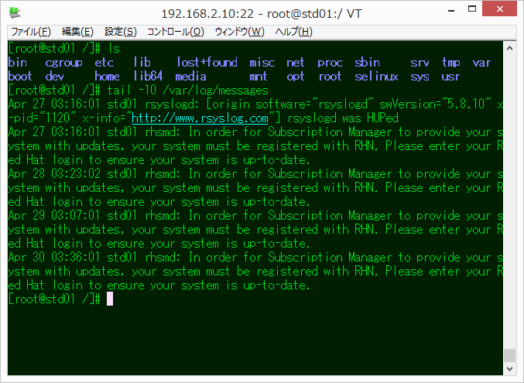
Green Light | 0 | 223 | 31 | 0 | 62 | 0 | 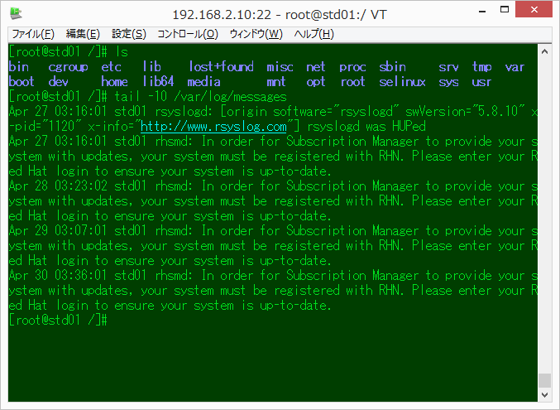
Solarized Dark | 131 | 148 | 150 | 0 | 43 | 54 | 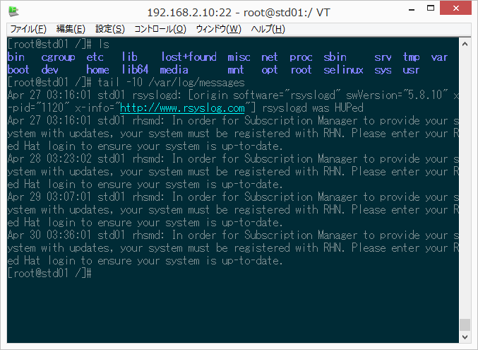
Solarized Green Light | 161 | 178 | 190 | 0 | 73 | 84 | 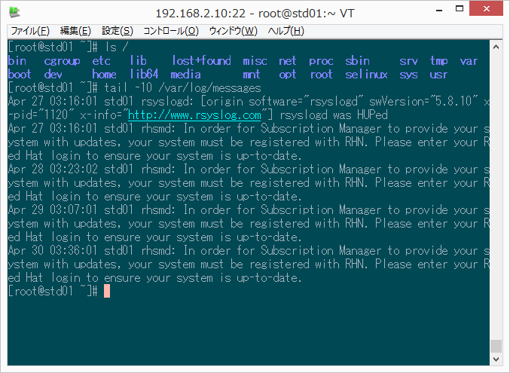
Solarized Light | 101 | 123 | 131 | 253 | 246 | 227 | 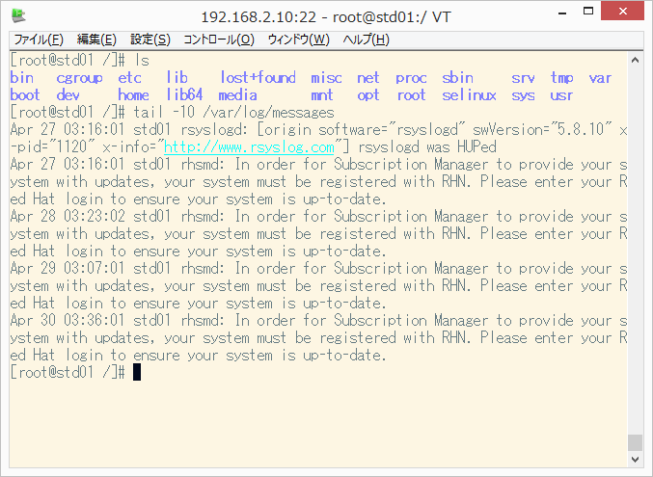
Blue | 0 | 127 | 255 | 0 | 0 | 31 | 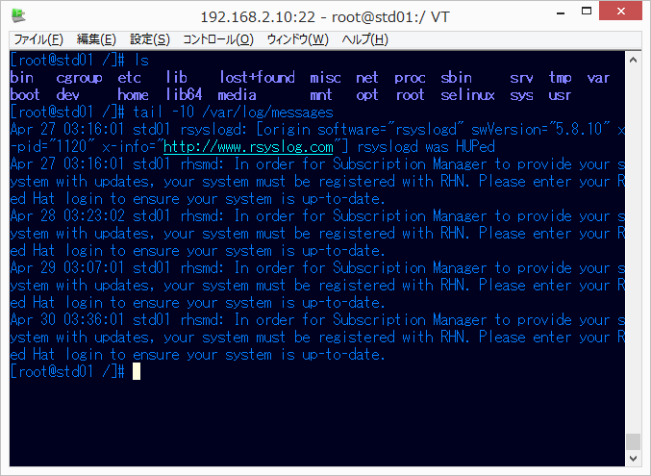
Blue Light | 0 | 127 | 255 | 0 | 0 | 62 | 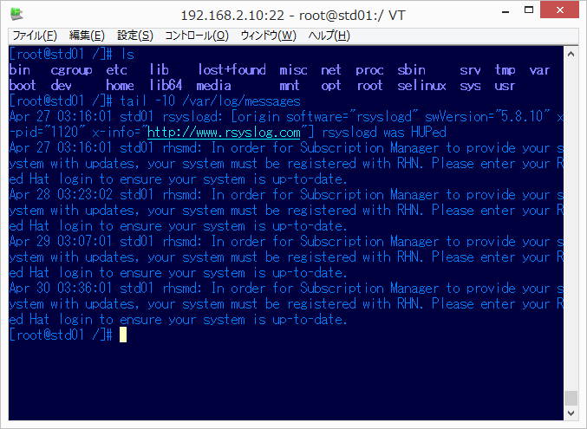
Black Board | 255 | 255 | 255 | 0 | 31 | 31 | 