Analyzer(20240310)
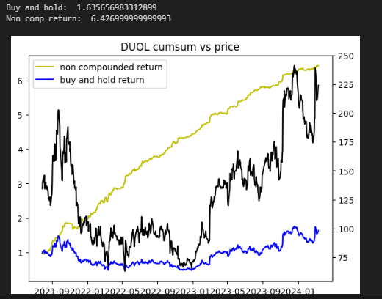
Stock Screener
1. 用下一階段to_date return最高的幾支股票逆向工程出相同的特性，用再下一個階段的工作表驗證
EX: 60days_ago 中最好的幾支股票是: |  | 0 days
ticker |  | CHTR | AMD | 2024-03-11 | 手動新增清單
VFC | 其中特色:(手動) | VTRS | NVDA |  | REASON
NCLH |  | ALB | MSTR | DUOL | 波動大，回測極佳
BBWI |  | FMC | TSM | NVAX | ..
WBD |  | CMCSA
CCL |  | DIS
ILMN |  | GE
ALB |  | TGT
CTLT |  | MPC
PARA |  | MAR
AMD |  | DXCM
CMA |  | CARR
ON |  | DLR
IVZ |  | STZ
AVGO |  | D
INTC |  | EIX
LUV |  | BR
ETSY |  | EBAY
FSLR |  | ALGN
PANW |  | HUBB
EXR |  | OMC
ENPH |  | CINF
ZBRA |  | EPAM
BEN |  | HII
FMC |  | BBWI
EL |  | FOXA
WBA
PODD
MHK
F
TSCO
LYV
CRL
DXCM
RCL
EXPE
BBY
AAL
MKTX

