Table S2 LCNEC RB1 (G1-S)
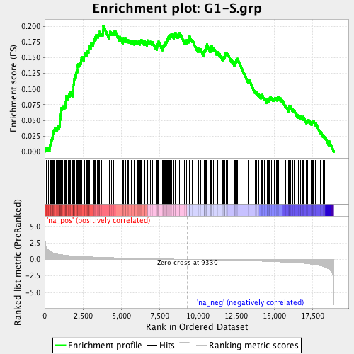
Table S2. Validation on top 145 D.E. (P < 4.62E-04 at FDR<0.05) genes

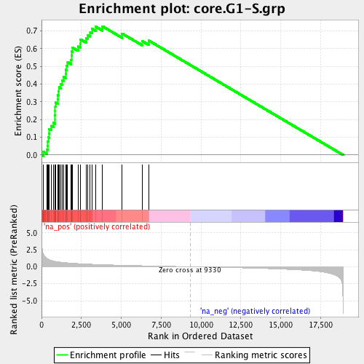
 |  | Wilcoxon U-test |  | Log2FC
Ensembl_ID | Gene_Name | P | FDR | RB1/WT | Tirosh 2016 | Dominguez 2016 | Tirosh et al., Nature 2016
ENSG00000073111 | MCM2 | 4.19E-07 | 3.60E-03 | 1.17 | yes | yes
ENSG00000159259 | CHAF1B | 6.64E-06 | 1.48E-02 | 0.81 | yes
ENSG00000132436 | FIGNL1 | 1.29E-05 | 1.72E-02 | 0.96 |  | yes
ENSG00000186767 | SPIN4 | 1.40E-05 | 1.72E-02 | 1.46 |  | yes
ENSG00000167325 | RRM1 | 1.94E-05 | 1.89E-02 | 1.06 | yes
ENSG00000105011 | ASF1B | 2.46E-05 | 2.03E-02 | 0.74 |  | yes
ENSG00000175305 | CCNE2 | 3.37E-05 | 2.11E-02 | 1.86 | yes | yes
ENSG00000165244 | ZNF367 | 9.08E-05 | 3.23E-02 | 1.22 |  | yes
ENSG00000119640 | ACYP1 | 1.22E-04 | 3.23E-02 | 1.09 |  | yes
ENSG00000143476 | DTL | 1.52E-04 | 3.70E-02 | 0.52 | yes | yes
ENSG00000104738 | MCM4 | 1.52E-04 | 3.70E-02 | 0.81 | yes | yes
ENSG00000182504 | CEP97 | 1.63E-04 | 3.80E-02 | 0.63 |  | yes
ENSG00000012963 | UBR7 | 1.88E-04 | 3.87E-02 | 0.70 | yes | yes
ENSG00000112118 | MCM3 | 2.32E-04 | 4.22E-02 | 1.02 |  | yes
ENSG00000117461 | PIK3R3 | 3.52E-04 | 4.64E-02 | 1.14 |  | yes
ENSG00000106144 | CASP2 | 3.77E-04 | 4.64E-02 | 0.57 |  | yes
ENSG00000076003 | MCM6 | 3.77E-04 | 4.64E-02 | 0.59 | yes | yes
ENSG00000151725 | CENPU | 4.04E-04 | 4.71E-02 | 1.15 | yes
ENSG00000092853 | CLSPN | 4.32E-04 | 4.82E-02 | 1.11 | yes
Total | 19 |  |  |  | 10 | 15

 |  |  |  |  |  |  | Dominguez et al., Cell Res. 2016

Table S3 LCNEC RB1 (G2-M)
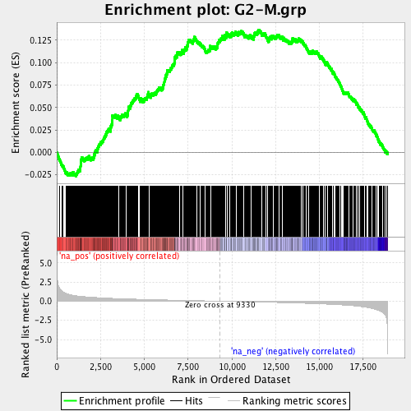
Table S3. Validation on top 145 D.E. (P < 4.62E-04 at FDR<0.05) genes

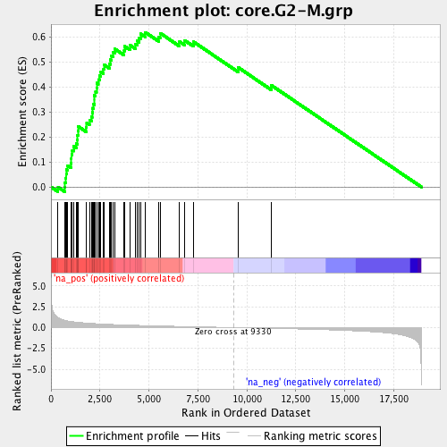
 |  | Wilcoxon U-test |  | Log2FC
Ensembl_ID | Gene_Name | P | FDR | RB1/WT | Tirosh 2016 | Dominguez 2016 | Tirosh et al., Nature 2016
ENSG00000044459 | CNTLN | 1.40E-05 | 1.72E-02 | 1.66 |  | yes
ENSG00000120802 | TMPO | 2.88E-05 | 2.11E-02 | 0.71 | yes
ENSG00000171729 | TMEM51 | 9.78E-05 | 3.23E-02 | 0.77 |  | yes
ENSG00000172830 | SSH3 | 1.05E-04 | 3.23E-02 | -0.74 |  | yes
ENSG00000121957 | GPSM2 | 1.05E-04 | 3.23E-02 | 0.98 |  | yes
ENSG00000164104 | HMGB2 | 1.22E-04 | 3.23E-02 | 0.83 | yes | yes
ENSG00000158169 | FANCC | 1.52E-04 | 3.70E-02 | 0.99 |  | yes
ENSG00000133398 | MED10 | 2.32E-04 | 4.22E-02 | 0.47 |  | yes
ENSG00000161800 | RACGAP1 | 3.52E-04 | 4.64E-02 | 0.76 |  | yes
ENSG00000139354 | GAS2L3 | 3.77E-04 | 4.64E-02 | 0.80 | yes
ENSG00000134690 | CDCA8 | 4.04E-04 | 4.71E-02 | 0.87 | yes | yes
Total | 11 |  |  |  | 4 | 9

 |  |  |  |  |  |  | Dominguez et al., Cell Res. 2016

