Table S2 LCNEC RB1 (G1-S)
Table S2a. Validation on top 145 D.E. (P < 4.62E-04 at FDR<0.05) genes

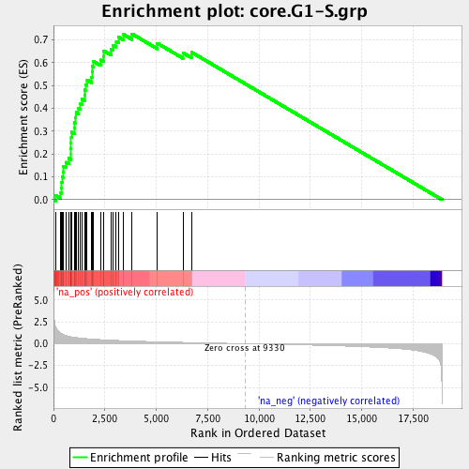
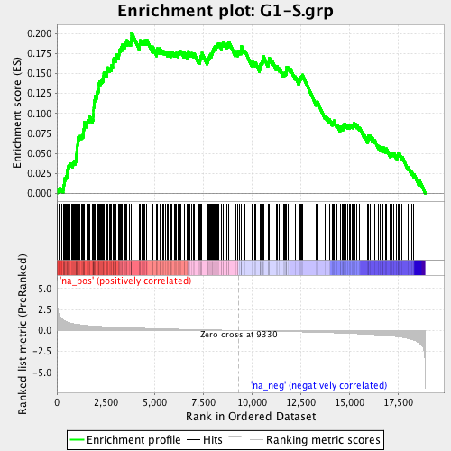
 |  | Wilcoxon U-test |  | Log2FC |  |  | Tirosh et al., Nature 2016 | Dominguez et al., Cell Res. 2016
Ensembl_ID | Gene_Name | P | FDR | RB1/WT | Tirosh 2016 | Dominguez 2016
ENSG00000073111 | MCM2 | 4.19E-07 | 3.60E-03 | 1.17 | yes | yes
ENSG00000159259 | CHAF1B | 6.64E-06 | 1.48E-02 | 0.81 | yes
ENSG00000132436 | FIGNL1 | 1.29E-05 | 1.72E-02 | 0.96 |  | yes
ENSG00000186767 | SPIN4 | 1.40E-05 | 1.72E-02 | 1.46 |  | yes
ENSG00000167325 | RRM1 | 1.94E-05 | 1.89E-02 | 1.06 | yes
ENSG00000105011 | ASF1B | 2.46E-05 | 2.03E-02 | 0.74 |  | yes
ENSG00000175305 | CCNE2 | 3.37E-05 | 2.11E-02 | 1.86 | yes | yes
ENSG00000165244 | ZNF367 | 9.08E-05 | 3.23E-02 | 1.22 |  | yes
ENSG00000119640 | ACYP1 | 1.22E-04 | 3.23E-02 | 1.09 |  | yes
ENSG00000143476 | DTL | 1.52E-04 | 3.70E-02 | 0.52 | yes | yes
ENSG00000104738 | MCM4 | 1.52E-04 | 3.70E-02 | 0.81 | yes | yes
ENSG00000182504 | CEP97 | 1.63E-04 | 3.80E-02 | 0.63 |  | yes
ENSG00000012963 | UBR7 | 1.88E-04 | 3.87E-02 | 0.70 | yes | yes
ENSG00000112118 | MCM3 | 2.32E-04 | 4.22E-02 | 1.02 |  | yes
ENSG00000117461 | PIK3R3 | 3.52E-04 | 4.64E-02 | 1.14 |  | yes
ENSG00000106144 | CASP2 | 3.77E-04 | 4.64E-02 | 0.57 |  | yes
ENSG00000076003 | MCM6 | 3.77E-04 | 4.64E-02 | 0.59 | yes | yes
ENSG00000151725 | CENPU | 4.04E-04 | 4.71E-02 | 1.15 | yes
ENSG00000092853 | CLSPN | 4.32E-04 | 4.82E-02 | 1.11 | yes
Total | 19 |  |  |  | 10 | 15

Table S2b. Validation on top 639 D.E. (P < 4.04E-03 at FDR<0.1) genes

 |  | Wilcoxon U-test |  | Log2FC
Ensembl_ID | Gene_Name | P | FDR | RB1/WT | Tirosh 2016 | Dominguez 2016
ENSG00000073111 | MCM2 | 4.19E-07 | 3.60E-03 | 1.17 | yes | yes
ENSG00000159259 | CHAF1B | 6.64E-06 | 1.48E-02 | 0.81 | yes
ENSG00000132436 | FIGNL1 | 1.29E-05 | 1.72E-02 | 0.96 |  | yes
ENSG00000186767 | SPIN4 | 1.40E-05 | 1.72E-02 | 1.46 |  | yes
ENSG00000167325 | RRM1 | 1.94E-05 | 1.89E-02 | 1.06 | yes
ENSG00000105011 | ASF1B | 2.46E-05 | 2.03E-02 | 0.74 |  | yes
ENSG00000175305 | CCNE2 | 3.37E-05 | 2.11E-02 | 1.86 | yes | yes
ENSG00000165244 | ZNF367 | 9.08E-05 | 3.23E-02 | 1.22 |  | yes
ENSG00000119640 | ACYP1 | 1.22E-04 | 3.23E-02 | 1.09 |  | yes
ENSG00000143476 | DTL | 1.52E-04 | 3.70E-02 | 0.52 | yes | yes
ENSG00000104738 | MCM4 | 1.52E-04 | 3.70E-02 | 0.81 | yes | yes
ENSG00000182504 | CEP97 | 1.63E-04 | 3.80E-02 | 0.63 |  | yes
ENSG00000012963 | UBR7 | 1.88E-04 | 3.87E-02 | 0.70 | yes | yes
ENSG00000112118 | MCM3 | 2.32E-04 | 4.22E-02 | 1.02 |  | yes
ENSG00000117461 | PIK3R3 | 3.52E-04 | 4.64E-02 | 1.14 |  | yes
ENSG00000106144 | CASP2 | 3.77E-04 | 4.64E-02 | 0.57 |  | yes
ENSG00000076003 | MCM6 | 3.77E-04 | 4.64E-02 | 0.59 | yes | yes
ENSG00000151725 | CENPU | 4.04E-04 | 4.71E-02 | 1.15 | yes
ENSG00000092853 | CLSPN | 4.32E-04 | 4.82E-02 | 1.11 | yes
ENSG00000162607 | USP1 | 4.94E-04 | 5.12E-02 | 1.08 | yes
ENSG00000163918 | RFC4 | 4.94E-04 | 5.12E-02 | 0.99 |  | yes
ENSG00000112029 | FBXO5 | 6.03E-04 | 5.45E-02 | 1.01 |  | yes
ENSG00000101868 | POLA1 | 7.34E-04 | 5.54E-02 | 0.96 | yes
ENSG00000076248 | UNG | 7.34E-04 | 5.54E-02 | 0.85 | yes | yes
ENSG00000249115 | HAUS5 | 7.83E-04 | 5.54E-02 | 0.71 |  | yes
ENSG00000136492 | BRIP1 | 7.83E-04 | 5.54E-02 | 0.79 | yes
ENSG00000167670 | CHAF1A | 1.08E-03 | 5.98E-02 | 0.75 |  | yes
ENSG00000163950 | SLBP | 1.15E-03 | 6.09E-02 | 0.72 | yes | yes
ENSG00000161267 | BDH1 | 1.15E-03 | 6.09E-02 | 0.91 |  | yes
ENSG00000160298 | C21orf58 | 1.30E-03 | 6.39E-02 | 1.06 |  | yes
ENSG00000127418 | FGFRL1 | 1.57E-03 | 6.99E-02 | -1.47 |  | yes
ENSG00000049541 | RFC2 | 1.57E-03 | 6.99E-02 | 0.57 | yes
ENSG00000132780 | NASP | 1.67E-03 | 7.19E-02 | 0.59 | yes
ENSG00000014138 | POLA2 | 1.88E-03 | 7.62E-02 | 0.36 |  | yes
ENSG00000077514 | POLD3 | 1.88E-03 | 7.62E-02 | 0.63 | yes | yes
ENSG00000101412 | E2F1 | 2.13E-03 | 7.86E-02 | 0.66 |  | yes
ENSG00000144827 | ABHD10 | 2.40E-03 | 8.20E-02 | 0.62 |  | yes
ENSG00000198056 | PRIM1 | 2.54E-03 | 8.39E-02 | 0.79 | yes
ENSG00000132646 | PCNA | 2.70E-03 | 8.50E-02 | 0.53 | yes | yes
ENSG00000156802 | ATAD2 | 2.70E-03 | 8.50E-02 | 0.65 | yes
ENSG00000188846 | RPL14 | 3.40E-03 | 9.24E-02 | -0.39 |  | yes
ENSG00000092470 | WDR76 | 3.40E-03 | 9.24E-02 | 0.79 | yes | yes
ENSG00000176890 | TYMS | 3.61E-03 | 9.49E-02 | 1.28 | yes | yes
ENSG00000111247 | RAD51AP1 | 3.61E-03 | 9.49E-02 | 0.73 | yes | yes
ENSG00000162437 | RAVER2 | 3.82E-03 | 9.69E-02 | 0.73 |  | yes
ENSG00000116062 | MSH6 | 3.82E-03 | 9.69E-02 | 0.72 |  | yes
ENSG00000080839 | RBL1 | 3.82E-03 | 9.69E-02 | 0.41 |  | yes
ENSG00000129173 | E2F8 | 4.04E-03 | 9.89E-02 | 0.74 | yes
ENSG00000136940 | PDCL | 4.04E-03 | 9.89E-02 | 0.33 |  | yes
Total | 49 |  |  |  | 25 | 37

Table S3 LCNEC RB1 (G2-M)
Table S3a. Validation on top 145 D.E. (P < 4.62E-04 at FDR<0.05) genes

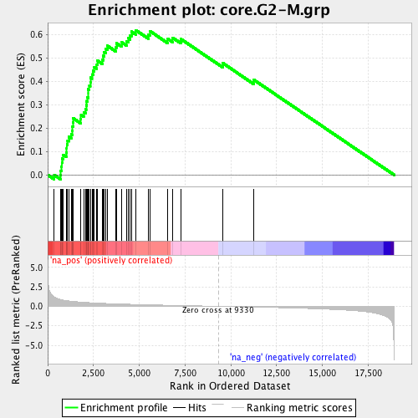
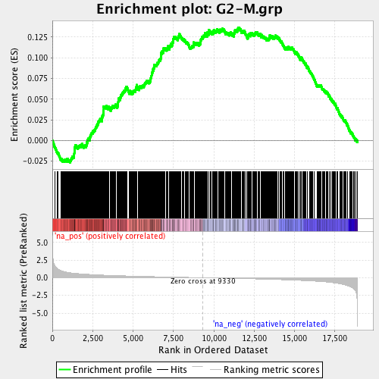
 |  | Wilcoxon U-test |  | Log2FC |  |  | Tirosh et al., Nature 2016 | Dominguez et al., Cell Res. 2016
Ensembl_ID | Gene_Name | P | FDR | RB1/WT | Tirosh 2016 | Dominguez 2016
ENSG00000044459 | CNTLN | 1.40E-05 | 1.72E-02 | 1.66 |  | yes
ENSG00000120802 | TMPO | 2.88E-05 | 2.11E-02 | 0.71 | yes
ENSG00000171729 | TMEM51 | 9.78E-05 | 3.23E-02 | 0.77 |  | yes
ENSG00000172830 | SSH3 | 1.05E-04 | 3.23E-02 | -0.74 |  | yes
ENSG00000121957 | GPSM2 | 1.05E-04 | 3.23E-02 | 0.98 |  | yes
ENSG00000164104 | HMGB2 | 1.22E-04 | 3.23E-02 | 0.83 | yes | yes
ENSG00000158169 | FANCC | 1.52E-04 | 3.70E-02 | 0.99 |  | yes
ENSG00000133398 | MED10 | 2.32E-04 | 4.22E-02 | 0.47 |  | yes
ENSG00000161800 | RACGAP1 | 3.52E-04 | 4.64E-02 | 0.76 |  | yes
ENSG00000139354 | GAS2L3 | 3.77E-04 | 4.64E-02 | 0.80 | yes
ENSG00000134690 | CDCA8 | 4.04E-04 | 4.71E-02 | 0.87 | yes | yes
Total | 11 |  |  |  | 4 | 9

Table S3b. Validation on top 639 D.E. (P < 4.04E-03 at FDR<0.1) genes

 |  | Wilcoxon U-test |  | Log2FC
Ensembl_ID | Gene_Name | P | FDR | RB1/WT | Tirosh 2016 | Dominguez 2016
ENSG00000044459 | CNTLN | 1.40E-05 | 1.72E-02 | 1.66 |  | yes
ENSG00000120802 | TMPO | 2.88E-05 | 2.11E-02 | 0.71 | yes
ENSG00000171729 | TMEM51 | 9.78E-05 | 3.23E-02 | 0.77 |  | yes
ENSG00000172830 | SSH3 | 1.05E-04 | 3.23E-02 | -0.74 |  | yes
ENSG00000121957 | GPSM2 | 1.05E-04 | 3.23E-02 | 0.98 |  | yes
ENSG00000164104 | HMGB2 | 1.22E-04 | 3.23E-02 | 0.83 | yes | yes
ENSG00000158169 | FANCC | 1.52E-04 | 3.70E-02 | 0.99 |  | yes
ENSG00000133398 | MED10 | 2.32E-04 | 4.22E-02 | 0.47 |  | yes
ENSG00000161800 | RACGAP1 | 3.52E-04 | 4.64E-02 | 0.76 |  | yes
ENSG00000139354 | GAS2L3 | 3.77E-04 | 4.64E-02 | 0.80 | yes
ENSG00000134690 | CDCA8 | 4.04E-04 | 4.71E-02 | 0.87 | yes | yes
ENSG00000161547 | SRSF2 | 5.64E-04 | 5.35E-02 | 0.37 |  | yes
ENSG00000094916 | CBX5 | 5.64E-04 | 5.35E-02 | 0.88 | yes
ENSG00000112742 | TTK | 6.44E-04 | 5.47E-02 | 1.21 | yes | yes
ENSG00000119977 | TCTN3 | 6.44E-04 | 5.47E-02 | -0.41 |  | yes
ENSG00000120334 | CENPL | 7.83E-04 | 5.54E-02 | 0.52 |  | yes
ENSG00000184897 | H1FX | 8.36E-04 | 5.61E-02 | 0.64 |  | yes
ENSG00000170312 | CDK1 | 8.91E-04 | 5.69E-02 | 0.66 | yes | yes
ENSG00000134222 | PSRC1 | 9.50E-04 | 5.78E-02 | 0.64 | yes | yes
ENSG00000136485 | DCAF7 | 1.01E-03 | 5.91E-02 | 0.32 |  | yes
ENSG00000156026 | MCU | 1.01E-03 | 5.91E-02 | -0.44 |  | yes
ENSG00000121621 | KIF18A | 1.01E-03 | 5.91E-02 | 0.88 |  | yes
ENSG00000099810 | MTAP | 1.08E-03 | 5.98E-02 | 0.85 |  | yes
ENSG00000107185 | RGP1 | 1.08E-03 | 5.98E-02 | 0.60 |  | yes
ENSG00000111371 | SLC38A1 | 1.15E-03 | 6.09E-02 | 0.77 |  | yes
ENSG00000151929 | BAG3 | 1.22E-03 | 6.26E-02 | -1.00 |  | yes
ENSG00000198901 | PRC1 | 1.30E-03 | 6.39E-02 | 0.67 |  | yes
ENSG00000109685 | WHSC1 | 1.39E-03 | 6.53E-02 | 0.58 |  | yes
ENSG00000205208 | C4orf46 | 1.57E-03 | 6.99E-02 | 0.62 |  | yes
ENSG00000137804 | NUSAP1 | 2.00E-03 | 7.64E-02 | 0.50 | yes | yes
ENSG00000179111 | HES7 | 2.00E-03 | 7.64E-02 | -2.04 |  | yes
ENSG00000051825 | MPHOSPH9 | 2.00E-03 | 7.64E-02 | 0.57 |  | yes
ENSG00000113368 | LMNB1 | 2.26E-03 | 7.93E-02 | 0.45 |  | yes
ENSG00000198826 | ARHGAP11A | 2.40E-03 | 8.20E-02 | 0.57 |  | yes
ENSG00000119139 | TJP2 | 2.40E-03 | 8.20E-02 | 0.64 |  | yes
ENSG00000149503 | INCENP | 2.54E-03 | 8.39E-02 | 0.56 |  | yes
ENSG00000107758 | PPP3CB | 2.54E-03 | 8.39E-02 | -0.43 |  | yes
ENSG00000154511 | FAM69A | 2.54E-03 | 8.39E-02 | -0.87 |  | yes
ENSG00000156304 | SCAF4 | 2.86E-03 | 8.72E-02 | 0.57 |  | yes
ENSG00000113810 | SMC4 | 2.86E-03 | 8.72E-02 | 0.84 | yes | yes
ENSG00000172244 | C5orf34 | 2.86E-03 | 8.72E-02 | 0.62 |  | yes
ENSG00000080986 | NDC80 | 3.03E-03 | 8.94E-02 | 0.69 | yes | yes
ENSG00000173210 | ABLIM3 | 3.03E-03 | 8.94E-02 | -1.58 |  | yes
ENSG00000126391 | FRMD8 | 3.21E-03 | 9.12E-02 | 0.39 |  | yes
ENSG00000116560 | SFPQ | 3.21E-03 | 9.12E-02 | 0.37 |  | yes
ENSG00000124459 | ZNF45 | 3.40E-03 | 9.24E-02 | 0.65 |  | yes
ENSG00000164151 | KIAA0947 | 3.40E-03 | 9.24E-02 | 0.77 |  | yes
ENSG00000121390 | PSPC1 | 4.04E-03 | 9.89E-02 | 0.42 |  | yes
ENSG00000138162 | TACC2 | 4.04E-03 | 9.89E-02 | -0.54 |  | yes
Total | 49 |  |  |  | 11 | 46

Table S4
Table S4. Significantly D.E. genes overlapping with Tirosh 2016 or Dominguez 2016

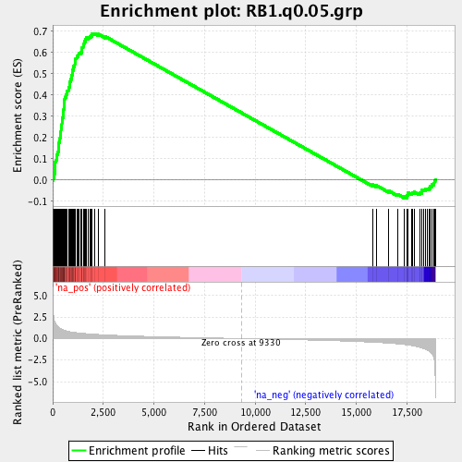
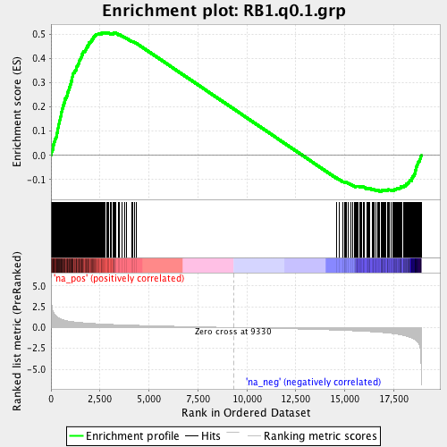
 |  | G1-S |  | G2-M |  |  | 145 D.E. (FDR < 0.05) | 639 D.E. (FDR < 0.1)
 |  | N | % | N | % | log2(G1-S/G2-M)
145 | D.E. (FDR < 0.05) | 19 | 13.10% | 11 | 7.59% | 0.79
639 | D.E. (FDR < 0.1) | 49 | 7.67% | 49 | 7.67% | 0.00
7,402 | D.E. (FDR < 0.5) | 175 | 2.36% | 367 | 4.96% | -1.07

