Amulet Combos
Rarity | Skill 1 Group | Skill 2 Group | Skill 3 Group | Possible Slot Combos
RARE[5] | 1 | 6 | 6 | [1,1] [2,0] [2,1] [3,0]
RARE[5] | 1 | 7 | - | [1,1] [2,0] [2,1] [3,0] |  |  | How To Interpret by Whisty:
RARE[5] | 1 | 8 | 6 | [1,1] [2,0] [2,1] [3,0] |  |  | Check Skill Groups tab for list of skills in each group
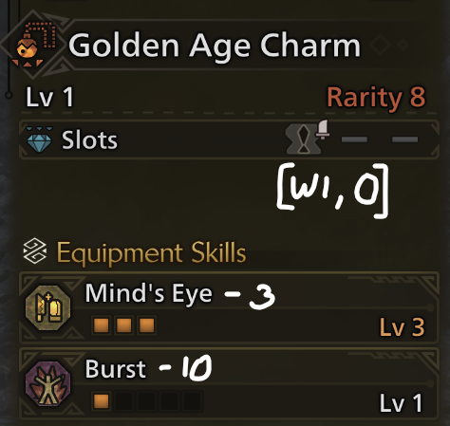
RARE[5] | 1 | 8 | 8 | [1,1] [2,0] [2,1] [3,0] | Amulet Chance
RARE[5] | 1 | 9 | - | [1,1] [2,0] [2,1] [3,0] | Rarity 5 | 59%
RARE[5] | 1 | 10 | - | [1,1] [2,0] [2,1] [3,0] | Rarity 6 | 27%
RARE[6] | 1 | 1 | 7 | [1,0] [1,1] [2,0] [2,1] | Rarity 7 | 11%
RARE[6] | 1 | 1 | 10 | [1,0] [1,1] [2,0] [2,1] | Rarity 8 | 3%
RARE[6] | 2 | 6 | 6 | [1,0] [1,1] [2,0] [2,1]
RARE[6] | 2 | 8 | 6 | [1,0] [1,1] [2,0] [2,1]
RARE[6] | 2 | 8 | 8 | [1,0] [1,1] [2,0] [2,1] | W1 = size 1 weapon-type deco slot
RARE[6] | 2 | 9 | - | [1,0] [1,1] [2,0] [2,1] | 1 = size 1 armor-type deco slot
RARE[6] | 2 | 10 | - | [1,0] [1,1] [2,0] [2,1]
RARE[7] | 2 | 1 | 7 | [1,0] [1,1] [2,0] | Rarity 8 Slots Chance
RARE[7] | 2 | 1 | 8 | [1,1] [2,0] [3,0] | [W1,0] | 50%
RARE[7] | 2 | 1 | 10 | [1,0] [1,1] [2,0] | [W1,1] | 33%
RARE[7] | 3 | 6 | 5 | [1,0] [1,1] [2,0] | [W1,1,1] | 17%
RARE[7] | 3 | 7 | - | [1,0] [1,1] [2,0]
RARE[7] | 3 | 8 | 5 | [1,0] [1,1] [2,0]
RARE[7] | 3 | 10 | - | [1,0] [1,1] [2,0] | R7 and R8 have the same possible skill configs
RARE[7] | 4 | 1 | 1 | [1,0] [1,1] [2,0] | R7 and R8 differ by slots
RARE[8] | 2 | 1 | 7 | [W1,0] [W1,1] [W1,1,1]
RARE[8] | 2 | 1 | 8 | [W1,0] [W1,1] [W1,1,1]
RARE[8] | 2 | 1 | 10 | [W1,0] [W1,1] [W1,1,1] | Mining done by Dtlnor, the greatest.
RARE[8] | 3 | 6 | 5 | [W1,0] [W1,1] [W1,1,1] | Formatting and grouping by Aki at Wiggler
RARE[8] | 3 | 7 | - | [W1,0] [W1,1] [W1,1,1]
RARE[8] | 3 | 8 | 5 | [W1,0] [W1,1] [W1,1,1]
RARE[8] | 3 | 10 | - | [W1,0] [W1,1] [W1,1,1] | Last update 2025-0813
RARE[8] | 4 | 1 | 1 | [W1,0] [W1,1] [W1,1,1] | R7 and R8 entries split due to possible confusion over slot rolls. E.g. R8 cannot roll non-W1's, R7 cannot roll W1's.

