canvas
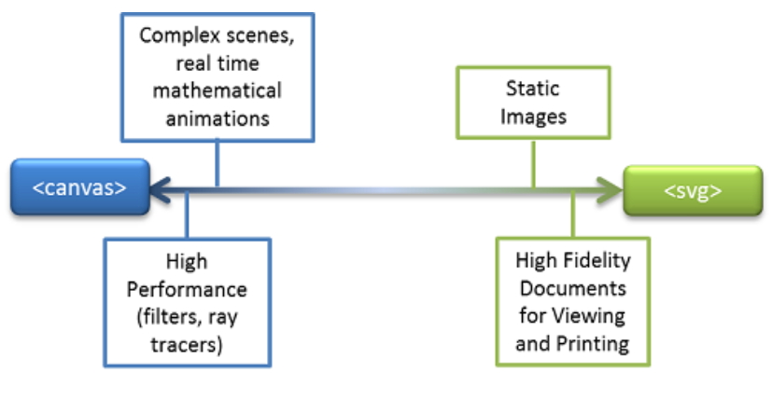
https://docs.microsoft.com/en-us/previous-versions/windows/internet-explorer/ie-developer/samples/gg193983(v=vs.85)?redirectedfrom=MSDN

shapes
shapes布局相关属性
 | shape-outside
 | shape-margin
 | shape-image-threshold

1. shape-outside
 | none很好理解，表示就是普通的矩形环绕。
 | margin-box，border-box，padding-box,content-box
 | basic-shape指的是基本形状函数，和CSS clip-path剪裁属性支持的基本形状函数一模一样
 | image 包括URL链接图片，渐变图像，cross-fade()，element()等
/* 关键字值 */
shape-outside: none;
shape-outside: margin-box;
shape-outside: content-box;
shape-outside: border-box;
shape-outside: padding-box;
/* 函数值 */
shape-outside: circle();
shape-outside: ellipse(150px 300px at 50% 50%);
shape-outside: inset(10px 10px 10px 10px);
shape-outside: polygon(10px 10px, 20px 20px, 30px 30px);
/* <url>值 */
shape-outside: url(image.png);
/* 渐变值 */
shape-outside: linear-gradient(45deg, rgba(255, 255, 255, 0) 150px, red 150px);

