Sheet1
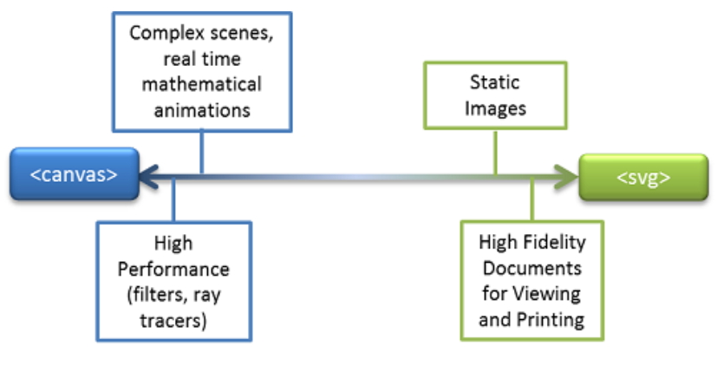
https://docs.microsoft.com/en-us/previous-versions/windows/internet-explorer/ie-developer/samples/gg193983(v=vs.85)?redirectedfrom=MSDN

