site infor
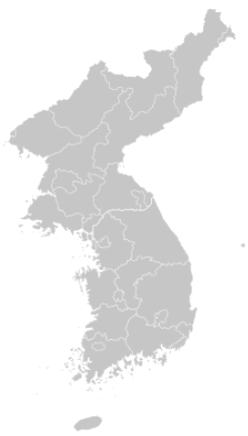
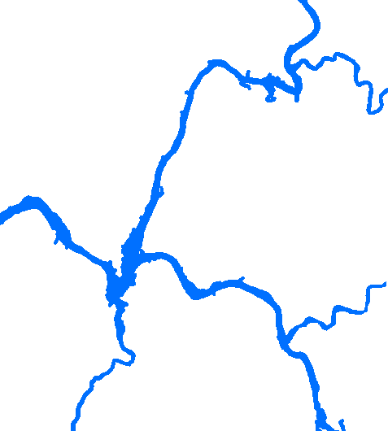
Buck-han river
No. | ID | W.D. | Name | Address |  |  | Inform.
1 | SB | mix | Sambongri | Goraesan-ro Joan-myeon, Namyangju-si, Gyeonggi-do, Korea | 37° 35‘39.21“ | 127° 25‘20.0“ | end of Buck-han river
2 | P1 | 0.5 | Paldang Dam1 | Gyeonggang-ro, Okcheon-myeon, Yangpyeong-gun, Gyeonggi-do, Korea | 37° 30‘27.72“ | 127° 25‘46.62“ | inside of Paldang
CP
3 | P1 | 4 | Paldang Dam1 |  |  |  | inside of Paldang
4 | P1 | 8 | Paldang Dam1 |  |  |  | inside of Paldang
5 | P2 | 0.5 | Paldang Dam2 | Gyeonggang-ro, Joan-myeon, Namyangju-si, Gyeonggi-do, Korea | 37° 31‘17.02“ | 127° 17‘00.02“ | inside of Paldang(front of the Dam)
6 | P2 | 4 | Paldang Dam2 |  |  |  | inside of Paldang(front of the Dam)
7 | P2 | 10.5 | Paldang Dam2 |  |  |  | inside of Paldang(front of the Dam)
8 | P2 | 17 | Paldang Dam2 |  |  |  | inside of Paldang(front of the Dam)
SB
9 | P2 | 20 | Paldang Dam2 |  |  |  | inside of Paldang(front of the Dam)
Han river
PD
10 | P3 | 0.5 | Paldang Dam3 | Gyeonggang-ro, Yangseo-myeon, Yangpyeong-gun, Gyeonggi-do, Korea | 37° 31‘35.14“ | 127° 22‘3.48“ | inside of Paldang
P4
11 | P3 | 4 | Paldang Dam3 |  |  |  | inside of Paldang
12 | P3 | 8 | Paldang Dam3 |  |  |  | inside of Paldang
Paldang lake
P3
13 | P4 | 0.5 | Paldang Dam4 | Dumulmeori-gil, Yangseo-myeon, Yangpyeong-gun, Gyeonggi-do, Korea | 37° 32‘28.44“ | 127° 18‘38.91“ | inside of Paldang
P2
KS
14 | P4 | 4 | Paldang Dam4 |  |  |  | inside of Paldang
Gyeon-an stream
15 | P4 | 8 | Paldang Dam4 |  |  |  | inside of Paldang
P5
P1
16 | P5 | 0.5 | Paldang Dam5 | Bunwon-gil, Namjong-myeon, Gwangju-si, Gyeonggi-do, Korea | 37° 29‘26.12“ | 127° 17‘47.58“ | inside of Paldang
17 | IP | mix | Ipo | Neune-gil, Daesin-myeon, Yeoju-si, Gyeonggi-do, Korea |  |  | Nam-han river
18 | KS | mix | Kangsang | Gangnam-ro, Gangsang-myeon, Yangpyeong-gun, Gyeonggi-do, Korea | 37° 23‘53.1“ | 127° 32‘29.0“ | end of Nam-han river
GA
IP
19 | CP | mix | Choengpyeong | Garohyeon-ro, Cheongpyeong-myeon, Gapyeong-gun, Gyeonggi-do, Korea | 37° 43‘13.8“ | 127° 32‘29.0“ | Buck-han river
20 | GA | mix | Gyeongan | Sansu-ro, Toechon-myeon, Gwangju-si, Gyeonggi-do, Korea | 37° 26‘13.0“ | 127° 18‘48.5“ | end of Gyeong-an stream
21 | PD | mix | Paldang | Gyeonggang-ro, Wabu-eup, Namyangju-si, Gyeonggi-do, Korea | 37° 32‘29.7“ | 127° 14‘35.2“ | outflow of Paldang lake
Nam-han river

