Sheet1
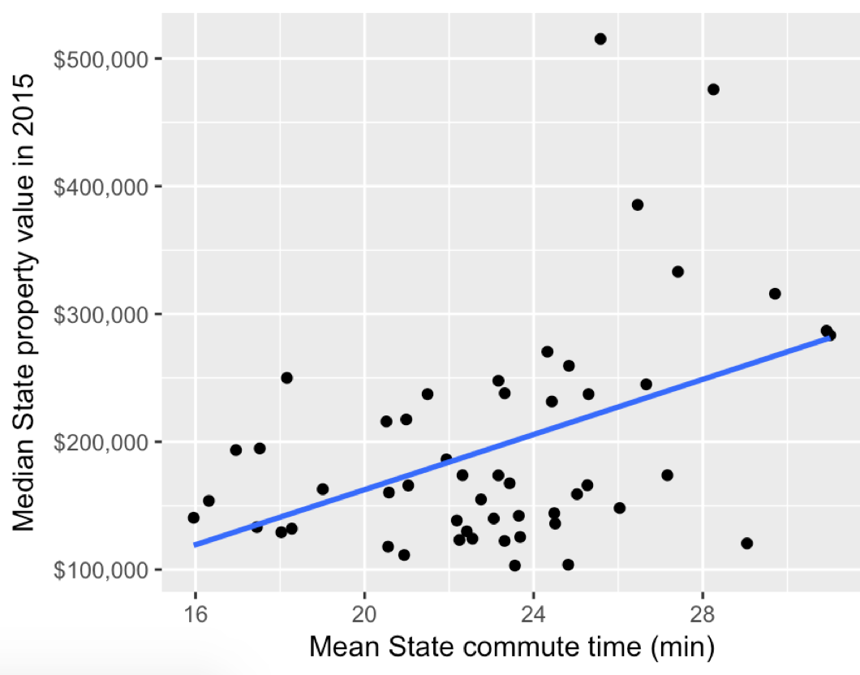
R code for model and figure:
https://raw.githubusercontent.com/ttimbers/UBC-stat-sample-lesson/master/src/group_challenge_code.R

library(tidyverse)
library(broom) #part of newest tidyverse release, but not older ones...
library(scales) # to format axis in dollars

prop_data <- read_csv("https://raw.githubusercontent.com/ttimbers/UBC-stat-sample-lesson/master/data/acs_data.csv")
head(prop_data)

ggplot(prop_data, aes(y = median_property_value, x = mean_commute_minutes)) +
geom_point() +
geom_smooth(method = "lm", se = FALSE) +
ylab("Median State property value in 2015") +
xlab("Mean State commute time (min)") +
scale_y_continuous(labels = dollar)

prop_model2 <- lm(median_property_value ~ mean_commute_minutes, data = prop_data)

Group | Desired model output | broom code used to extract from model object | model output | what it means in the context of the model
1 | ^β0
2 | ^β1
3 | se(^β1) (or ^σ)
4 | R squared
5 | p-value for H0: β0 = 0
6 | p-value for H0: β1 = 0
7 | residuals
8 | predicted values

