Material Parameters
Dry Sand |  |  |  |  |  |  |  |  | Same Sand with 6,14 % Moisture Content
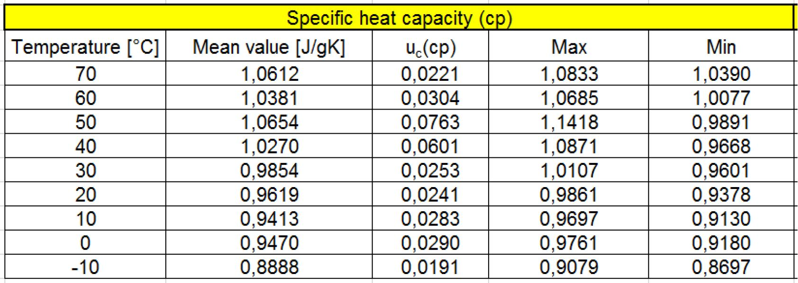
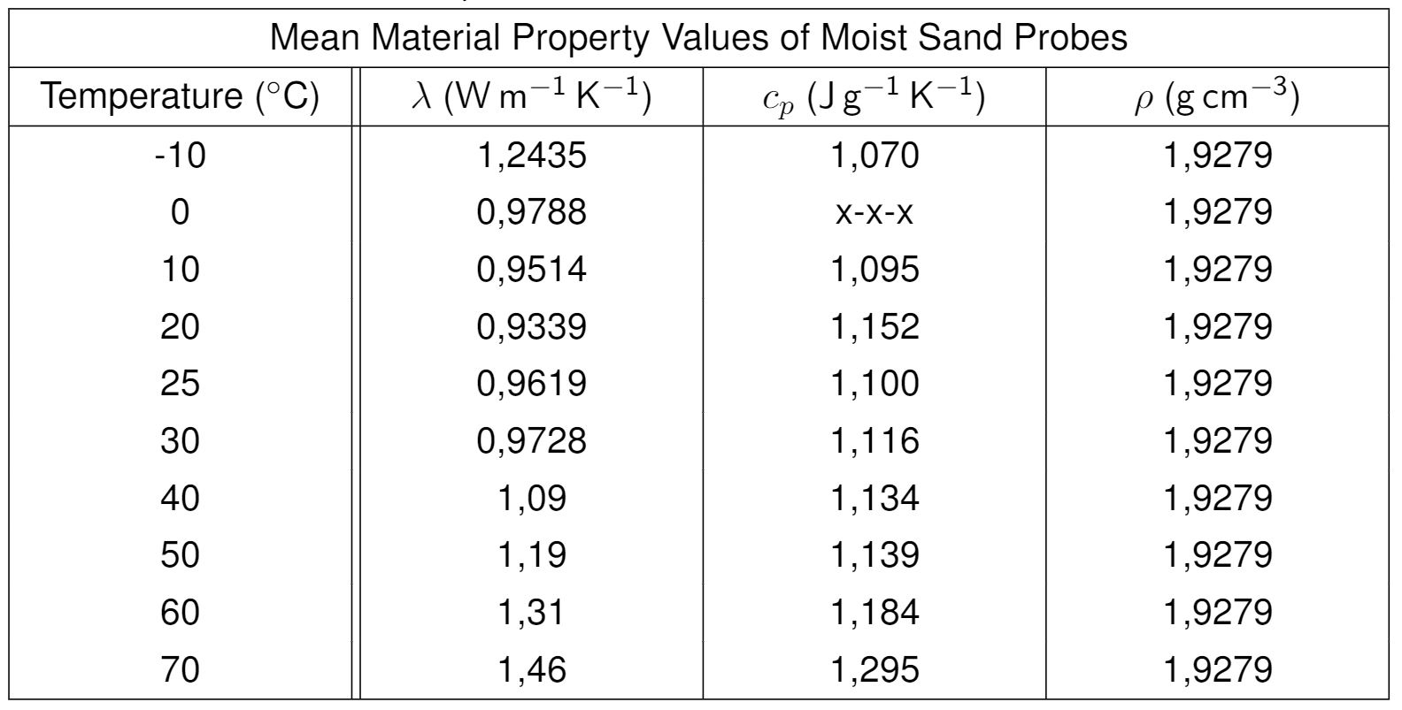
 |  |  |  |  |  |  |  |  |  |  | Sand |  |  |  |  |  | Humus
 |  |  |  |  |  |  |  |  |  |  | dry |  |  | moisture 6.14% |  |  | dry |  |  | moisture 6.24%
 |  |  |  |  |  |  |  |  |  | T | cp | lambda | rho | cp | lambda | rho | cp | lambda | rho | cp | lambda | rho
 |  |  |  |  |  |  |  |  |  | °C | J/kgK | W/mK | kg/m³ | J/kgK | W/mK | kg/m³ | J/kgK | W/mK | kg/m³ | J/kgK | W/mK | kg/m³
 |  |  |  |  |  |  |  |  |  | -10 | 0.889 | 0.3809 | 1822 | 1.070 | 1.2435 | 1928 | 0.913 | 0.3401 | 1942 | n.a. | 0.504 | 2004
 |  |  |  |  |  |  |  |  |  | 0 |  | 0.3784 | 1822 |  | 0.9788 | 1928 | 0.966 | 0.3370 | 1942 | n.a. | 0.490 | 2004
 |  |  |  |  |  |  |  |  |  | 10 | 0.947 | 0.3796 | 1822 | 1.095 | 0.9514 | 1928 | 0.974 | 0.3251 | 1942 | n.a. | 0.483 | 2004
 |  |  |  |  |  |  |  |  |  | 20 | 0.941 | 0.3840 | 1822 | 1.152 | 0.9339 | 1928 | 1.006 | 0.3162 | 1942 | n.a. | 0.502 | 2004
 |  |  |  |  |  |  |  |  |  | 25 | 0.962 | 0.3884 | 1822 | 1.100 | 0.9619 | 1928 | - | 0.3121 | 1942 | n.a. | 0.509 | 2004
 |  |  |  |  |  |  |  |  |  | 30 | 0.985 | 0.3874 | 1822 | 1.116 | 0.9728 | 1928 | 1.056 | 0.3068 | 1942 | n.a. | 0.515 | 2004
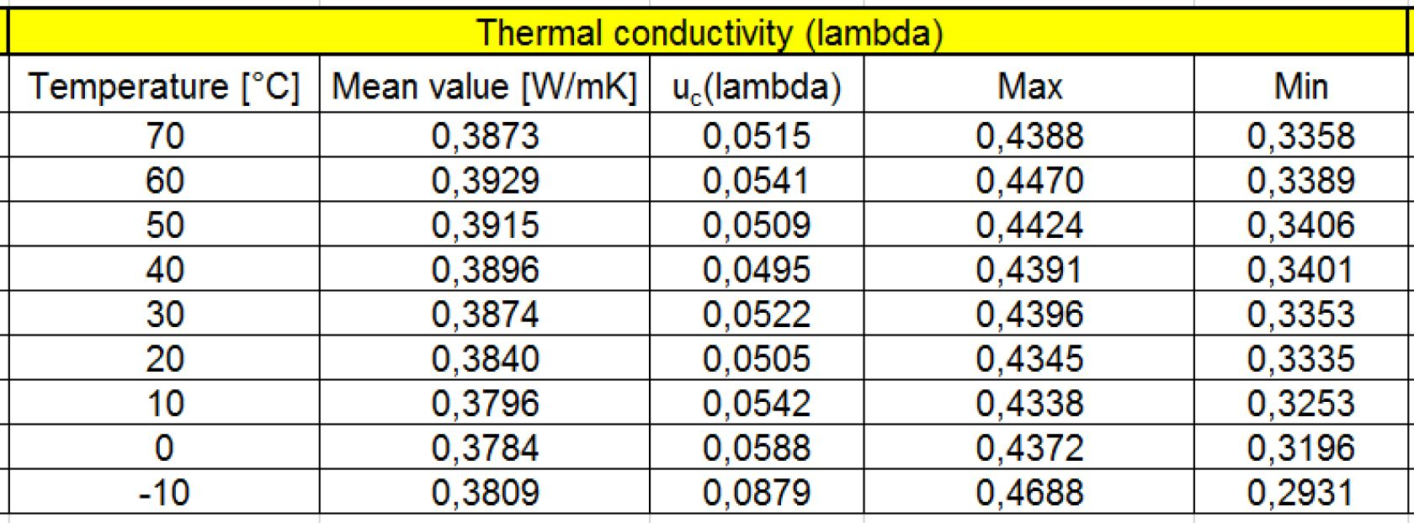
 |  |  |  |  |  |  |  |  |  | 40 | 1.027 | 0.3896 | 1822 | 1.134 | 1.09 | 1928 | 1.086 | 0.2991 | 1942 | n.a. | 0.536 | 2004
 |  |  |  |  |  |  |  |  |  | 50 | 1.065 | 0.3915 | 1822 | 1.139 | 1.19 | 1928 | 1.085 | 0.3058 | 1942 | n.a. | 0.552 | 2004
 |  |  |  |  |  |  |  |  |  | 60 | 1.038 | 0.3929 | 1822 | 1.184 | 1.31 | 1928 | 1.072 | 0.3024 | 1942 | n.a. | 0.562 | 2004
 |  |  |  |  |  |  |  |  |  | 70 | 1.061 | 0.3873 | 1822 | 1.295 | 1.46 | 1928 | 1.106 | 0.2972 | 1942 | n.a. | 0.566 | 2004

 |  |  |  |  |  |  |  |  | Dry Humus Garden Soil

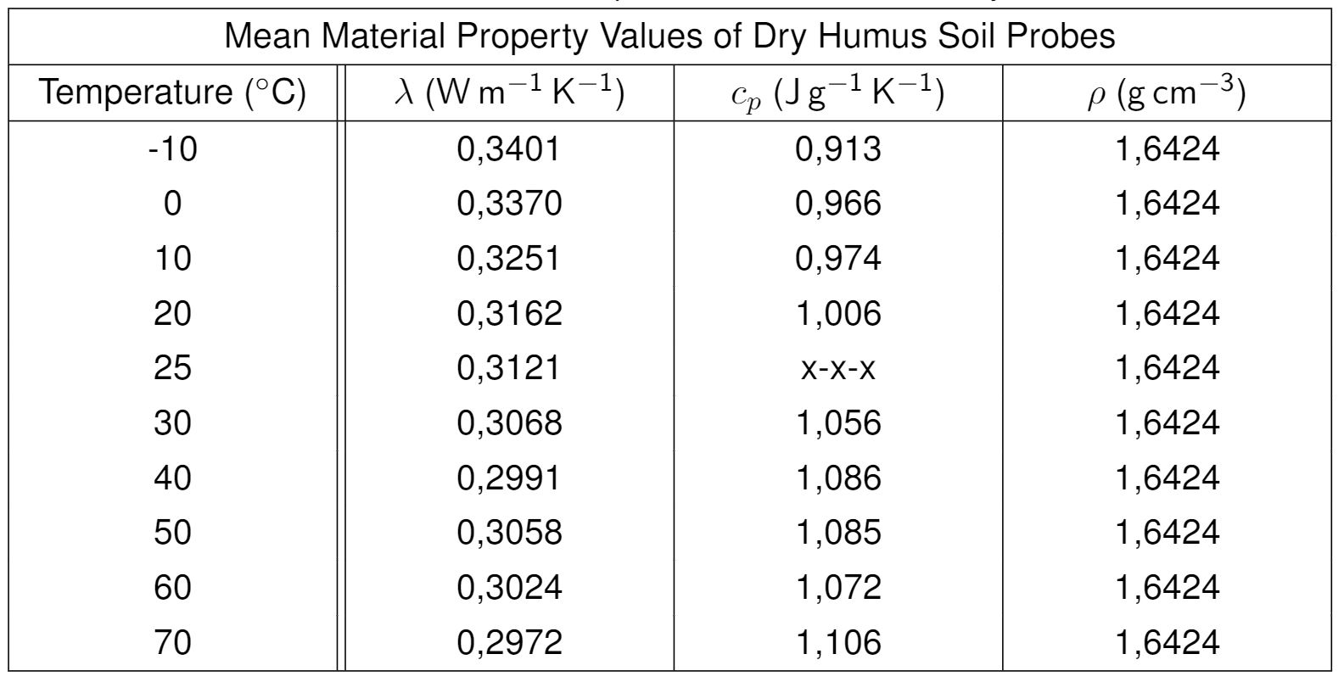

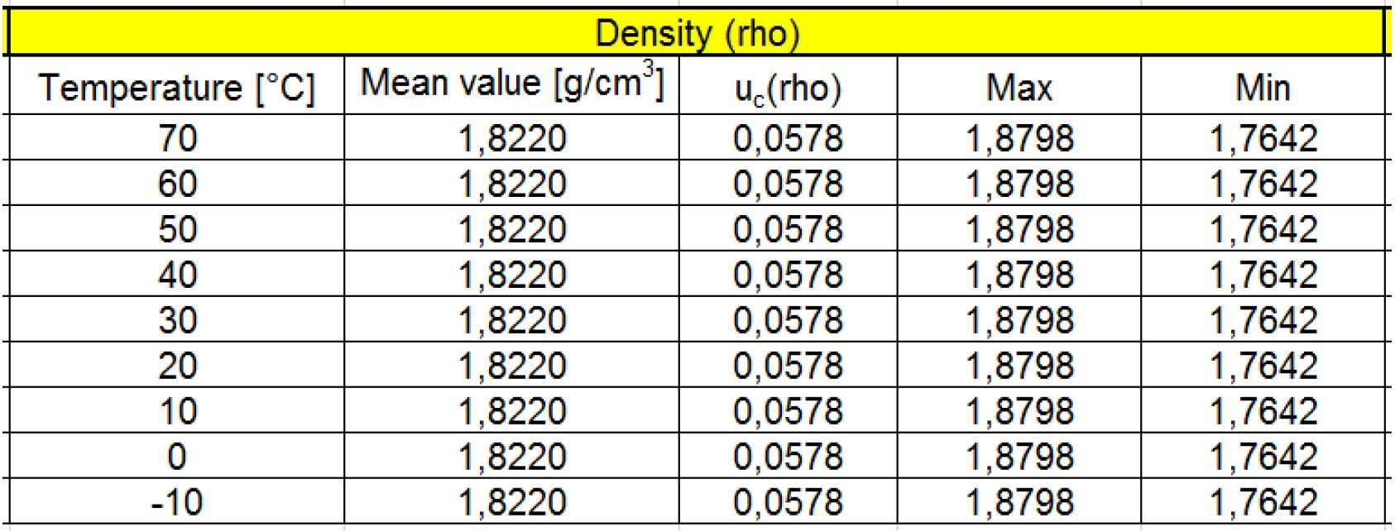

 | Humus / 6,24% H2O | Measurement procedure acoording to DIN EN 12664, DIN EN 12667, DIN EN 12939, ISO 8301, ASTM C518 and JIS A1412 |  |  |  |  | Start of measurement: | 29/10/2020
 |  |  |  |  |  |  | Gas flow: | Ambient / Static
 |  |  |  |  |  |  | Isothermal conditions ∂T/∂t: | < 0,1 K/min
 |  | measured data l / W/m.K |  |  | mean value l / W/m.K | statistical analysis: k = 2 l / W/m.K
 |  | Humus / 6,24% H2O | Humus / 6,24% H2O | Humus / 6,24% H2O | Humus / 6,24% H2O
 | T / °C | run 1 | run 2 | run 3 | mean value | + √ [ESU² + MSU²]|l | SDV|l | uc(l)
 | -10 | 0.526 | 0.481 | 0.506 | 0.504 | 0.002 | 0.023 | 0.046
 | 0 | 0.499 | 0.473 | 0.497 | 0.490 | 0.006 | 0.014 | 0.031
 | 10 | 0.505 | 0.460 | 0.484 | 0.483 | 0.008 | 0.023 | 0.048
 | 20 | 0.533 | 0.474 | 0.498 | 0.502 | 0.008 | 0.029 | 0.060
 | 25 | 0.544 | 0.479 | 0.503 | 0.509 | 0.001 | 0.033 | 0.066
 | 30 | 0.553 | 0.485 | 0.508 | 0.515 | 0.005 | 0.035 | 0.070
 | 40 | 0.582 | 0.503 | 0.524 | 0.536 | 0.004 | 0.041 | 0.082
 | 50 | 0.596 | 0.522 | 0.539 | 0.552 | 0.007 | 0.038 | 0.078
 | 60 | 0.602 | 0.535 | 0.549 | 0.562 | 0.009 | 0.035 | 0.073
 | 70 | 0.600 | 0.544 | 0.555 | 0.566 | 0.015 | 0.029 | 0.066

 | M 3.21 Moist Soil | Measurement procedure acoording to DIN EN 12664, DIN EN 12667, DIN EN 12939, ISO 8301, ASTM C518 and JIS A1412 |  |  |  |  | Start of measurement: | 11/01/2021
 |  |  |  |  |  |  | Gas flow: | Ambient / Static
 |  |  |  |  |  |  | Isothermal conditions ∂T/∂t: | < 0,1 K/min
 |  | measured data l / W/m.K |  |  | mean value l / W/m.K | statistical analysis: k = 2 l / W/m.K
 |  | M 3.21 Moist Soil | M 3.21 Moist Soil | M 3.21 Moist Soil | M 3.21 Moist Soil
 | T / °C | run 1 | run 2 | run 3 | mean value | + √ [ESU² + MSU²]|l | SDV|l | uc(l)
 | -10 | 0.8250 | 0.7746 | 0.9672 | 0.8556 | 0.01884 | 0.09987 | 0.20327
 | 0 | 0.6807 | 0.7056 | 0.7732 | 0.7198 | 0.01883 | 0.04787 | 0.10289
 | 10 | 0.6363 | 0.6451 | 0.7142 | 0.6652 | 0.01883 | 0.04271 | 0.09335
 | 20 | 0.6649 | 0.6648 | 0.7377 | 0.6891 | 0.01882 | 0.04208 | 0.09220
 | 25 | 0.6793 | 0.6760 | 0.7508 | 0.7020 | 0.01882 | 0.04227 | 0.09254
 | 30 | 0.6960 | 0.6893 | 0.7621 | 0.7158 | 0.01881 | 0.04026 | 0.08888
 | 40 | 0.7314 | 0.7195 | 0.7918 | 0.75 | 0.0243 | 0.0388 | 0.0915
 | 50 | 0.7672 | 0.7496 | 0.8225 | 0.78 | 0.0299 | 0.0380 | 0.0967
 | 60 | 0.8004 | 0.7824 | 0.8553 | 0.81 | 0.0354 | 0.0380 | 0.1038
 | 70 | 0.8324 | 0.8127 | 0.8886 | 0.84 | 0.0409 | 0.0394 | 0.1136

