Result — S
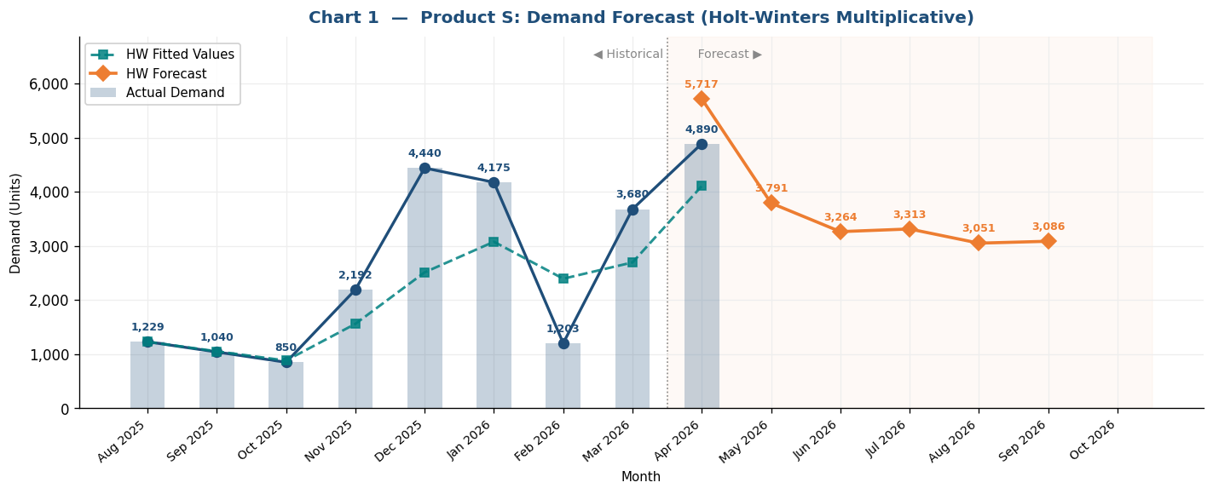
Inventory Forecast & Procurement Plan — Product: S
Current Stock |  | Reorder Point |  | Min Order |  | Cover Days |  | Lead Time
1200 |  | 1000 |  | 2000 |  | 45 |  | 20

PROCUREMENT PLAN — Monthly Summary
Month | Days | Forecast | Daily Rate | Trigger Level | Opening Stock | Received | Closing Stock | ROP | Date Hits ROP | Order Date(s) | Order Qty | Delivery Date(s) | Status
Apr 2026 ▶ | 30 | 4890 | 163 | 4260 | 1200 | 7500 | 7337 | 1000 | 2026-04-02 | 2026-04-10 | 7500 | 2026-04-30 | ⚠ Order placed
May 2026 | 31 | 5717 | 184.4 | 4688 | 7337 | — | 1620 | 1000 | 2026-06-04 | 2026-05-16 | 8500 | 2026-06-05 | ⚠ Order placed
Jun 2026 | 30 | 3791 | 126.4 | 3527 | 1620 | 8500 | 6329 | 1000 | 2026-06-05 | — | — | — | ✓ OK — sufficient stock
Jul 2026 | 31 | 3264 | 105.3 | 3106 | 6329 | — | 3065 | 1000 | 2026-08-20 | — | — | — | ✓ OK — sufficient stock
Aug 2026 | 31 | 3313 | 106.9 | 3137 | 3065 | 5000 | 4752 | 1000 | 2026-08-20 | 2026-08-01 | 5000 | 2026-08-21 | ⚠ Order placed
Sep 2026 | 30 | 3051 | 101.7 | 3034 | 4752 | — | 1701 | 1000 | 2026-10-07 | 2026-09-18 | 5000 | 2026-10-08 | ⚠ Order placed
Oct 2026 | 31 | 3086 | 99.5 | 2991 | 1701 | 5000 | 3615 | 1000 | 2026-10-08 | — | — | — | ✓ OK — sufficient stock

A. SETTINGS USED
Current Inventory | 1200 | Units on hand today
Reorder Point (ROP) | 1000 | Delivery arrives when stock = ROP (you set this)
Minimum Order | 2000 | Quantity floor only — does NOT affect order timing
Lead Time | 20 | Days from order placement to delivery
Cover Days | 45 | Each order covers this many days of demand
Alpha (level) | 0.3 | Holt-Winters: level smoothing weight [0,1]
Beta (trend) | 0.1 | Holt-Winters: trend smoothing weight [0,1]
Gamma (seasonal) | 0.2 | Holt-Winters: seasonal update weight [0,1]
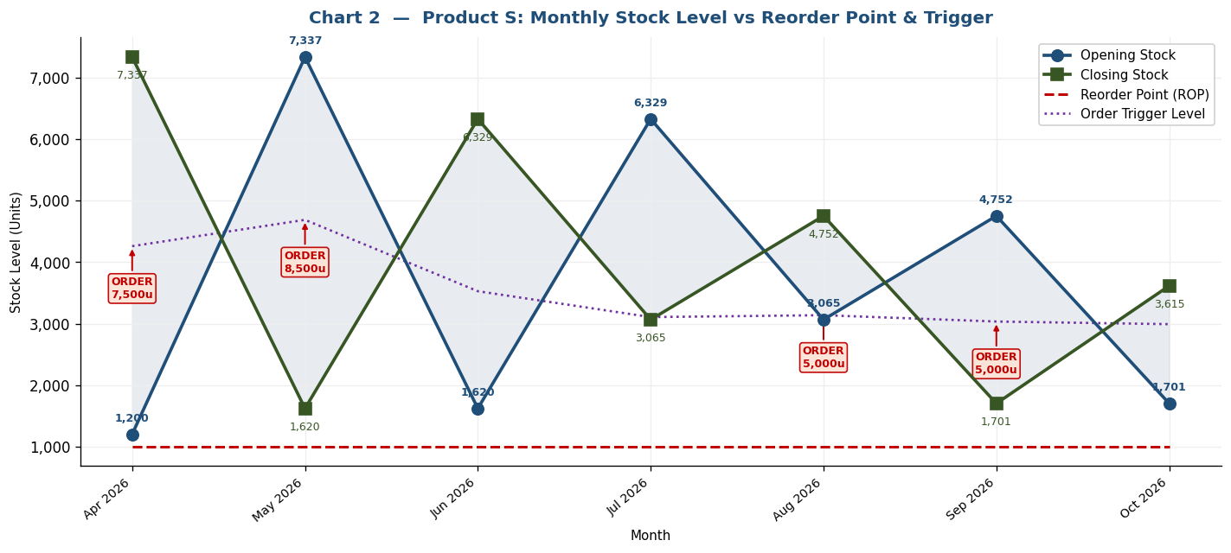
Phi (damping) | 0.88 | Holt-Winters: trend damping factor [0.8–1.0]

B. ORDER TRIGGER FORMULA & HOLT-WINTERS EXPLANATION
HW Method | Holt-Winters Multiplicative: L[t] = α(y[t]/S[t]) + (1-α)(L[t-1]+φB[t-1]) | B[t] = β(L[t]-L[t-1]) + (1-β)φB[t-1] | S[t] = γ(y[t]/L[t]) + (1-γ)S[t]
Init | Seasonal factors S initialized from col E multipliers, then updated each month with gamma.
Forecast | F[t+h] = (L[t] + damped_trend[h]) × future_multiplier[h] where damped_trend[h] = B[t] × Σφⁱ for i=1..h (phi=0.88)
Trigger | Order Trigger = ROP + Lead_Time × Daily_Rate. Place order when stock ≤ Trigger → delivery arrives lead_time days later at stock = ROP.
Order Qty | round_up_to_500( max( 45 × daily_rate, min_order ) )
Rule | ONE pending order at a time. No new order while delivery is in transit.

C. HISTORICAL DATA & HOLT-WINTERS SMOOTHING
Month | Days | Demand | Seasonal Index (col E, init) | HW Level (L) | HW Trend (B) | HW Seasonal (S) | HW Fitted | Error %
Aug 2025 | 31 | 1229 | 1 | 1229 | -189 | 1 | 1229 | +0.0%
Sep 2025 | 30 | 1040 | 1 | 1055.9 | -167 | 0.997 | 1052 | +1.2%
Oct 2025 | 31 | 850 | 1 | 891.2 | -148.73 | 0.991 | 882 | +3.8%
Nov 2025 | 30 | 2192 | 1.4 | 1002 | -106.72 | 1.558 | 1560 | -28.8%
Dec 2025 | 31 | 4440 | 1.1 | 1846.5 | -0.06 | 1.361 | 2512 | -43.4%
Jan 2026 | 31 | 4175 | 1.2 | 2336.3 | 48.92 | 1.317 | 3077 | -26.3%
Feb 2026 | 28 | 1203 | 1.4 | 1923.3 | -2.55 | 1.245 | 2394 | +99.0%
Mar 2026 | 31 | 3680 | 1 | 2448.8 | 50.52 | 1.101 | 2695 | -26.8%
Apr 2026 | 30 | 4890 | 1.4 | 2793.1 | 74.45 | 1.47 | 4106 | -16.0%

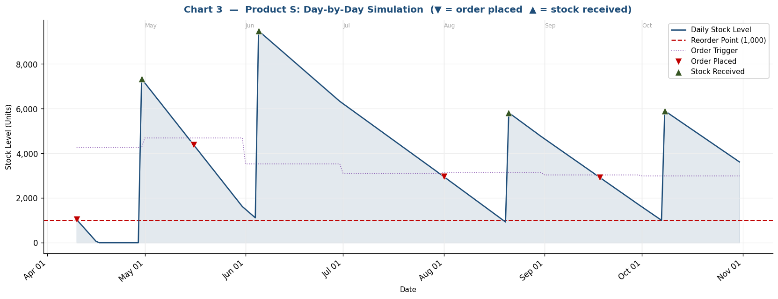
D. DEMAND FORECAST RESULTS (Holt-Winters)
Month | Days | Future Multiplier | De-trended Level Proj. | Final Forecast (× multiplier) | Daily Rate | Lead Demand (lead×daily) | Trigger Level | Order Qty if Triggered
May 2026 | 31 | 2 | 2858.6 | 5717 | 184.4 | 3688 | 4688 | 8500
Jun 2026 | 30 | 1.3 | 2916.3 | 3791 | 126.4 | 2527 | 3527 | 6000
Jul 2026 | 31 | 1.1 | 2967 | 3264 | 105.3 | 2106 | 3106 | 5000
Aug 2026 | 31 | 1.1 | 3011.7 | 3313 | 106.9 | 2137 | 3137 | 5000
Sep 2026 | 30 | 1 | 3051 | 3051 | 101.7 | 2034 | 3034 | 5000
Oct 2026 | 31 | 1 | 3085.5 | 3086 | 99.5 | 1991 | 2991 | 4500

Day-by-Day Simulation — Filter by Month (▼) to zoom into one month
Date | Month | Day | Daily Rate | Stock Level | ROP | Trigger Level | Order Placed? | Order Qty
2026-04-10 | Apr 2026 | 10 | 163 | 1037 | 1000 | 4260 | ✓ Yes | 7500
2026-04-11 | Apr 2026 | 11 | 163 | 874 | 1000 | 4260
2026-04-12 | Apr 2026 | 12 | 163 | 711 | 1000 | 4260
2026-04-13 | Apr 2026 | 13 | 163 | 548 | 1000 | 4260
2026-04-14 | Apr 2026 | 14 | 163 | 385 | 1000 | 4260
2026-04-15 | Apr 2026 | 15 | 163 | 222 | 1000 | 4260
2026-04-16 | Apr 2026 | 16 | 163 | 59 | 1000 | 4260
2026-04-17 | Apr 2026 | 17 | 163 | 0 | 1000 | 4260
2026-04-18 | Apr 2026 | 18 | 163 | 0 | 1000 | 4260
2026-04-19 | Apr 2026 | 19 | 163 | 0 | 1000 | 4260
2026-04-20 | Apr 2026 | 20 | 163 | 0 | 1000 | 4260
2026-04-21 | Apr 2026 | 21 | 163 | 0 | 1000 | 4260
2026-04-22 | Apr 2026 | 22 | 163 | 0 | 1000 | 4260
2026-04-23 | Apr 2026 | 23 | 163 | 0 | 1000 | 4260
2026-04-24 | Apr 2026 | 24 | 163 | 0 | 1000 | 4260
2026-04-25 | Apr 2026 | 25 | 163 | 0 | 1000 | 4260
2026-04-26 | Apr 2026 | 26 | 163 | 0 | 1000 | 4260
2026-04-27 | Apr 2026 | 27 | 163 | 0 | 1000 | 4260
2026-04-28 | Apr 2026 | 28 | 163 | 0 | 1000 | 4260
2026-04-29 | Apr 2026 | 29 | 163 | 0 | 1000 | 4260
2026-04-30 | Apr 2026 | 30 | 163 | 7337 | 1000 | 4260
2026-05-01 | May 2026 | 1 | 184.4 | 7153 | 1000 | 4688
2026-05-02 | May 2026 | 2 | 184.4 | 6968 | 1000 | 4688
2026-05-03 | May 2026 | 3 | 184.4 | 6784 | 1000 | 4688
2026-05-04 | May 2026 | 4 | 184.4 | 6599 | 1000 | 4688
2026-05-05 | May 2026 | 5 | 184.4 | 6415 | 1000 | 4688
2026-05-06 | May 2026 | 6 | 184.4 | 6230 | 1000 | 4688
2026-05-07 | May 2026 | 7 | 184.4 | 6046 | 1000 | 4688
2026-05-08 | May 2026 | 8 | 184.4 | 5862 | 1000 | 4688
2026-05-09 | May 2026 | 9 | 184.4 | 5677 | 1000 | 4688
2026-05-10 | May 2026 | 10 | 184.4 | 5493 | 1000 | 4688
2026-05-11 | May 2026 | 11 | 184.4 | 5308 | 1000 | 4688
2026-05-12 | May 2026 | 12 | 184.4 | 5124 | 1000 | 4688
2026-05-13 | May 2026 | 13 | 184.4 | 4940 | 1000 | 4688
2026-05-14 | May 2026 | 14 | 184.4 | 4755 | 1000 | 4688
2026-05-15 | May 2026 | 15 | 184.4 | 4571 | 1000 | 4688
2026-05-16 | May 2026 | 16 | 184.4 | 4386 | 1000 | 4688 | ✓ Yes | 8500
2026-05-17 | May 2026 | 17 | 184.4 | 4202 | 1000 | 4688
2026-05-18 | May 2026 | 18 | 184.4 | 4017 | 1000 | 4688
2026-05-19 | May 2026 | 19 | 184.4 | 3833 | 1000 | 4688
2026-05-20 | May 2026 | 20 | 184.4 | 3649 | 1000 | 4688
2026-05-21 | May 2026 | 21 | 184.4 | 3464 | 1000 | 4688
2026-05-22 | May 2026 | 22 | 184.4 | 3280 | 1000 | 4688
2026-05-23 | May 2026 | 23 | 184.4 | 3095 | 1000 | 4688
2026-05-24 | May 2026 | 24 | 184.4 | 2911 | 1000 | 4688
2026-05-25 | May 2026 | 25 | 184.4 | 2727 | 1000 | 4688
2026-05-26 | May 2026 | 26 | 184.4 | 2542 | 1000 | 4688
2026-05-27 | May 2026 | 27 | 184.4 | 2358 | 1000 | 4688
2026-05-28 | May 2026 | 28 | 184.4 | 2173 | 1000 | 4688
2026-05-29 | May 2026 | 29 | 184.4 | 1989 | 1000 | 4688
2026-05-30 | May 2026 | 30 | 184.4 | 1804 | 1000 | 4688
2026-05-31 | May 2026 | 31 | 184.4 | 1620 | 1000 | 4688
2026-06-01 | Jun 2026 | 1 | 126.4 | 1494 | 1000 | 3527
2026-06-02 | Jun 2026 | 2 | 126.4 | 1367 | 1000 | 3527
2026-06-03 | Jun 2026 | 3 | 126.4 | 1241 | 1000 | 3527
2026-06-04 | Jun 2026 | 4 | 126.4 | 1115 | 1000 | 3527
2026-06-05 | Jun 2026 | 5 | 126.4 | 9488 | 1000 | 3527
2026-06-06 | Jun 2026 | 6 | 126.4 | 9362 | 1000 | 3527
2026-06-07 | Jun 2026 | 7 | 126.4 | 9235 | 1000 | 3527
2026-06-08 | Jun 2026 | 8 | 126.4 | 9109 | 1000 | 3527
2026-06-09 | Jun 2026 | 9 | 126.4 | 8983 | 1000 | 3527
2026-06-10 | Jun 2026 | 10 | 126.4 | 8856 | 1000 | 3527
2026-06-11 | Jun 2026 | 11 | 126.4 | 8730 | 1000 | 3527
2026-06-12 | Jun 2026 | 12 | 126.4 | 8604 | 1000 | 3527
2026-06-13 | Jun 2026 | 13 | 126.4 | 8477 | 1000 | 3527
2026-06-14 | Jun 2026 | 14 | 126.4 | 8351 | 1000 | 3527
2026-06-15 | Jun 2026 | 15 | 126.4 | 8225 | 1000 | 3527
2026-06-16 | Jun 2026 | 16 | 126.4 | 8098 | 1000 | 3527
2026-06-17 | Jun 2026 | 17 | 126.4 | 7972 | 1000 | 3527
2026-06-18 | Jun 2026 | 18 | 126.4 | 7845 | 1000 | 3527
2026-06-19 | Jun 2026 | 19 | 126.4 | 7719 | 1000 | 3527
2026-06-20 | Jun 2026 | 20 | 126.4 | 7593 | 1000 | 3527
2026-06-21 | Jun 2026 | 21 | 126.4 | 7466 | 1000 | 3527
2026-06-22 | Jun 2026 | 22 | 126.4 | 7340 | 1000 | 3527
2026-06-23 | Jun 2026 | 23 | 126.4 | 7214 | 1000 | 3527
2026-06-24 | Jun 2026 | 24 | 126.4 | 7087 | 1000 | 3527
2026-06-25 | Jun 2026 | 25 | 126.4 | 6961 | 1000 | 3527
2026-06-26 | Jun 2026 | 26 | 126.4 | 6834 | 1000 | 3527
2026-06-27 | Jun 2026 | 27 | 126.4 | 6708 | 1000 | 3527
2026-06-28 | Jun 2026 | 28 | 126.4 | 6582 | 1000 | 3527
2026-06-29 | Jun 2026 | 29 | 126.4 | 6455 | 1000 | 3527
2026-06-30 | Jun 2026 | 30 | 126.4 | 6329 | 1000 | 3527
2026-07-01 | Jul 2026 | 1 | 105.3 | 6224 | 1000 | 3106
2026-07-02 | Jul 2026 | 2 | 105.3 | 6118 | 1000 | 3106
2026-07-03 | Jul 2026 | 3 | 105.3 | 6013 | 1000 | 3106
2026-07-04 | Jul 2026 | 4 | 105.3 | 5908 | 1000 | 3106
2026-07-05 | Jul 2026 | 5 | 105.3 | 5803 | 1000 | 3106
2026-07-06 | Jul 2026 | 6 | 105.3 | 5697 | 1000 | 3106
2026-07-07 | Jul 2026 | 7 | 105.3 | 5592 | 1000 | 3106
2026-07-08 | Jul 2026 | 8 | 105.3 | 5487 | 1000 | 3106
2026-07-09 | Jul 2026 | 9 | 105.3 | 5381 | 1000 | 3106
2026-07-10 | Jul 2026 | 10 | 105.3 | 5276 | 1000 | 3106
2026-07-11 | Jul 2026 | 11 | 105.3 | 5171 | 1000 | 3106
2026-07-12 | Jul 2026 | 12 | 105.3 | 5066 | 1000 | 3106
2026-07-13 | Jul 2026 | 13 | 105.3 | 4960 | 1000 | 3106
2026-07-14 | Jul 2026 | 14 | 105.3 | 4855 | 1000 | 3106
2026-07-15 | Jul 2026 | 15 | 105.3 | 4750 | 1000 | 3106
2026-07-16 | Jul 2026 | 16 | 105.3 | 4644 | 1000 | 3106
2026-07-17 | Jul 2026 | 17 | 105.3 | 4539 | 1000 | 3106
2026-07-18 | Jul 2026 | 18 | 105.3 | 4434 | 1000 | 3106
2026-07-19 | Jul 2026 | 19 | 105.3 | 4328 | 1000 | 3106
2026-07-20 | Jul 2026 | 20 | 105.3 | 4223 | 1000 | 3106
2026-07-21 | Jul 2026 | 21 | 105.3 | 4118 | 1000 | 3106
2026-07-22 | Jul 2026 | 22 | 105.3 | 4013 | 1000 | 3106
2026-07-23 | Jul 2026 | 23 | 105.3 | 3907 | 1000 | 3106
2026-07-24 | Jul 2026 | 24 | 105.3 | 3802 | 1000 | 3106
2026-07-25 | Jul 2026 | 25 | 105.3 | 3697 | 1000 | 3106
2026-07-26 | Jul 2026 | 26 | 105.3 | 3591 | 1000 | 3106
2026-07-27 | Jul 2026 | 27 | 105.3 | 3486 | 1000 | 3106
2026-07-28 | Jul 2026 | 28 | 105.3 | 3381 | 1000 | 3106
2026-07-29 | Jul 2026 | 29 | 105.3 | 3276 | 1000 | 3106
2026-07-30 | Jul 2026 | 30 | 105.3 | 3170 | 1000 | 3106
2026-07-31 | Jul 2026 | 31 | 105.3 | 3065 | 1000 | 3106
2026-08-01 | Aug 2026 | 1 | 106.9 | 2958 | 1000 | 3137 | ✓ Yes | 5000
2026-08-02 | Aug 2026 | 2 | 106.9 | 2851 | 1000 | 3137
2026-08-03 | Aug 2026 | 3 | 106.9 | 2744 | 1000 | 3137
2026-08-04 | Aug 2026 | 4 | 106.9 | 2638 | 1000 | 3137
2026-08-05 | Aug 2026 | 5 | 106.9 | 2531 | 1000 | 3137
2026-08-06 | Aug 2026 | 6 | 106.9 | 2424 | 1000 | 3137
2026-08-07 | Aug 2026 | 7 | 106.9 | 2317 | 1000 | 3137
2026-08-08 | Aug 2026 | 8 | 106.9 | 2210 | 1000 | 3137
2026-08-09 | Aug 2026 | 9 | 106.9 | 2103 | 1000 | 3137
2026-08-10 | Aug 2026 | 10 | 106.9 | 1996 | 1000 | 3137
2026-08-11 | Aug 2026 | 11 | 106.9 | 1889 | 1000 | 3137
2026-08-12 | Aug 2026 | 12 | 106.9 | 1783 | 1000 | 3137
2026-08-13 | Aug 2026 | 13 | 106.9 | 1676 | 1000 | 3137
2026-08-14 | Aug 2026 | 14 | 106.9 | 1569 | 1000 | 3137
2026-08-15 | Aug 2026 | 15 | 106.9 | 1462 | 1000 | 3137
2026-08-16 | Aug 2026 | 16 | 106.9 | 1355 | 1000 | 3137
2026-08-17 | Aug 2026 | 17 | 106.9 | 1248 | 1000 | 3137
2026-08-18 | Aug 2026 | 18 | 106.9 | 1141 | 1000 | 3137
2026-08-19 | Aug 2026 | 19 | 106.9 | 1034 | 1000 | 3137
2026-08-20 | Aug 2026 | 20 | 106.9 | 928 | 1000 | 3137
2026-08-21 | Aug 2026 | 21 | 106.9 | 5821 | 1000 | 3137
2026-08-22 | Aug 2026 | 22 | 106.9 | 5714 | 1000 | 3137
2026-08-23 | Aug 2026 | 23 | 106.9 | 5607 | 1000 | 3137
2026-08-24 | Aug 2026 | 24 | 106.9 | 5500 | 1000 | 3137
2026-08-25 | Aug 2026 | 25 | 106.9 | 5393 | 1000 | 3137
2026-08-26 | Aug 2026 | 26 | 106.9 | 5286 | 1000 | 3137
2026-08-27 | Aug 2026 | 27 | 106.9 | 5179 | 1000 | 3137
2026-08-28 | Aug 2026 | 28 | 106.9 | 5073 | 1000 | 3137
2026-08-29 | Aug 2026 | 29 | 106.9 | 4966 | 1000 | 3137
2026-08-30 | Aug 2026 | 30 | 106.9 | 4859 | 1000 | 3137
2026-08-31 | Aug 2026 | 31 | 106.9 | 4752 | 1000 | 3137
2026-09-01 | Sep 2026 | 1 | 101.7 | 4650 | 1000 | 3034
2026-09-02 | Sep 2026 | 2 | 101.7 | 4549 | 1000 | 3034
2026-09-03 | Sep 2026 | 3 | 101.7 | 4447 | 1000 | 3034
2026-09-04 | Sep 2026 | 4 | 101.7 | 4345 | 1000 | 3034
2026-09-05 | Sep 2026 | 5 | 101.7 | 4244 | 1000 | 3034
2026-09-06 | Sep 2026 | 6 | 101.7 | 4142 | 1000 | 3034
2026-09-07 | Sep 2026 | 7 | 101.7 | 4040 | 1000 | 3034
2026-09-08 | Sep 2026 | 8 | 101.7 | 3938 | 1000 | 3034
2026-09-09 | Sep 2026 | 9 | 101.7 | 3837 | 1000 | 3034
2026-09-10 | Sep 2026 | 10 | 101.7 | 3735 | 1000 | 3034
2026-09-11 | Sep 2026 | 11 | 101.7 | 3633 | 1000 | 3034
2026-09-12 | Sep 2026 | 12 | 101.7 | 3532 | 1000 | 3034
2026-09-13 | Sep 2026 | 13 | 101.7 | 3430 | 1000 | 3034
2026-09-14 | Sep 2026 | 14 | 101.7 | 3328 | 1000 | 3034
2026-09-15 | Sep 2026 | 15 | 101.7 | 3227 | 1000 | 3034
2026-09-16 | Sep 2026 | 16 | 101.7 | 3125 | 1000 | 3034
2026-09-17 | Sep 2026 | 17 | 101.7 | 3023 | 1000 | 3034
2026-09-18 | Sep 2026 | 18 | 101.7 | 2921 | 1000 | 3034 | ✓ Yes | 5000
2026-09-19 | Sep 2026 | 19 | 101.7 | 2820 | 1000 | 3034
2026-09-20 | Sep 2026 | 20 | 101.7 | 2718 | 1000 | 3034
2026-09-21 | Sep 2026 | 21 | 101.7 | 2616 | 1000 | 3034
2026-09-22 | Sep 2026 | 22 | 101.7 | 2515 | 1000 | 3034
2026-09-23 | Sep 2026 | 23 | 101.7 | 2413 | 1000 | 3034
2026-09-24 | Sep 2026 | 24 | 101.7 | 2311 | 1000 | 3034
2026-09-25 | Sep 2026 | 25 | 101.7 | 2210 | 1000 | 3034
2026-09-26 | Sep 2026 | 26 | 101.7 | 2108 | 1000 | 3034
2026-09-27 | Sep 2026 | 27 | 101.7 | 2006 | 1000 | 3034
2026-09-28 | Sep 2026 | 28 | 101.7 | 1904 | 1000 | 3034
2026-09-29 | Sep 2026 | 29 | 101.7 | 1803 | 1000 | 3034
2026-09-30 | Sep 2026 | 30 | 101.7 | 1701 | 1000 | 3034
2026-10-01 | Oct 2026 | 1 | 99.5 | 1601 | 1000 | 2991
2026-10-02 | Oct 2026 | 2 | 99.5 | 1502 | 1000 | 2991
2026-10-03 | Oct 2026 | 3 | 99.5 | 1402 | 1000 | 2991
2026-10-04 | Oct 2026 | 4 | 99.5 | 1303 | 1000 | 2991
2026-10-05 | Oct 2026 | 5 | 99.5 | 1203 | 1000 | 2991
2026-10-06 | Oct 2026 | 6 | 99.5 | 1104 | 1000 | 2991
2026-10-07 | Oct 2026 | 7 | 99.5 | 1004 | 1000 | 2991
2026-10-08 | Oct 2026 | 8 | 99.5 | 5905 | 1000 | 2991
2026-10-09 | Oct 2026 | 9 | 99.5 | 5805 | 1000 | 2991
2026-10-10 | Oct 2026 | 10 | 99.5 | 5706 | 1000 | 2991
2026-10-11 | Oct 2026 | 11 | 99.5 | 5606 | 1000 | 2991
2026-10-12 | Oct 2026 | 12 | 99.5 | 5506 | 1000 | 2991
2026-10-13 | Oct 2026 | 13 | 99.5 | 5407 | 1000 | 2991
2026-10-14 | Oct 2026 | 14 | 99.5 | 5307 | 1000 | 2991
2026-10-15 | Oct 2026 | 15 | 99.5 | 5208 | 1000 | 2991
2026-10-16 | Oct 2026 | 16 | 99.5 | 5108 | 1000 | 2991
2026-10-17 | Oct 2026 | 17 | 99.5 | 5009 | 1000 | 2991
2026-10-18 | Oct 2026 | 18 | 99.5 | 4909 | 1000 | 2991
2026-10-19 | Oct 2026 | 19 | 99.5 | 4810 | 1000 | 2991
2026-10-20 | Oct 2026 | 20 | 99.5 | 4710 | 1000 | 2991
2026-10-21 | Oct 2026 | 21 | 99.5 | 4610 | 1000 | 2991
2026-10-22 | Oct 2026 | 22 | 99.5 | 4511 | 1000 | 2991
2026-10-23 | Oct 2026 | 23 | 99.5 | 4411 | 1000 | 2991
2026-10-24 | Oct 2026 | 24 | 99.5 | 4312 | 1000 | 2991
2026-10-25 | Oct 2026 | 25 | 99.5 | 4212 | 1000 | 2991
2026-10-26 | Oct 2026 | 26 | 99.5 | 4113 | 1000 | 2991
2026-10-27 | Oct 2026 | 27 | 99.5 | 4013 | 1000 | 2991
2026-10-28 | Oct 2026 | 28 | 99.5 | 3914 | 1000 | 2991
2026-10-29 | Oct 2026 | 29 | 99.5 | 3814 | 1000 | 2991
2026-10-30 | Oct 2026 | 30 | 99.5 | 3715 | 1000 | 2991
2026-10-31 | Oct 2026 | 31 | 99.5 | 3615 | 1000 | 2991

Result — M
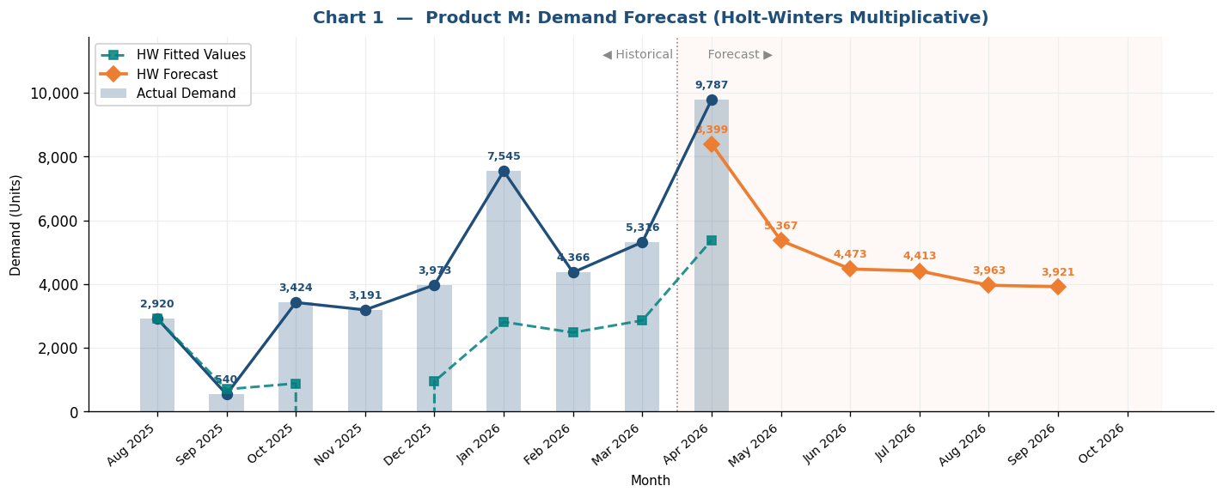
Inventory Forecast & Procurement Plan — Product: M
Current Stock |  | Reorder Point |  | Min Order |  | Cover Days |  | Lead Time
2100 |  | 2000 |  | 1300 |  | 45 |  | 20

PROCUREMENT PLAN — Monthly Summary
Month | Days | Forecast | Daily Rate | Trigger Level | Opening Stock | Received | Closing Stock | ROP | Date Hits ROP | Order Date(s) | Order Qty | Delivery Date(s) | Status
Apr 2026 ▶ | 30 | 9787 | 326.2 | 8525 | 2100 | 15000 | 14673 | 2000 | 2026-04-01 | 2026-04-10 | 15000 | 2026-04-30 | ⚠ Order placed
May 2026 | 31 | 8399 | 270.9 | 7419 | 14673 | — | 6274 | 2000 | 2026-06-16 | 2026-05-28 | 12500 | 2026-06-17 | ⚠ Order placed
Jun 2026 | 30 | 5367 | 178.9 | 5578 | 6274 | 12500 | 13407 | 2000 | 2026-06-24 | — | — | — | ✓ OK — sufficient stock
Jul 2026 | 31 | 4473 | 144.3 | 4886 | 13407 | — | 8934 | 2000 | 2026-09-18 | — | — | — | ✓ OK — sufficient stock
Aug 2026 | 31 | 4413 | 142.4 | 4847 | 8934 | — | 4521 | 2000 | 2026-09-18 | 2026-08-30 | 6500 | 2026-09-19 | ⚠ Order placed
Sep 2026 | 30 | 3963 | 132.1 | 4642 | 4521 | 6500 | 7058 | 2000 | 2026-09-20 | — | — | — | ✓ OK — sufficient stock
Oct 2026 | 31 | 3921 | 126.5 | 4530 | 7058 | — | 3137 | 2000 | 2026-11-09 | 2026-10-21 | 6000 | 2026-11-10 | ⚠ Order placed

A. SETTINGS USED
Current Inventory | 2100 | Units on hand today
Reorder Point (ROP) | 2000 | Delivery arrives when stock = ROP (you set this)
Minimum Order | 1300 | Quantity floor only — does NOT affect order timing
Lead Time | 20 | Days from order placement to delivery
Cover Days | 45 | Each order covers this many days of demand
Alpha (level) | 0.3 | Holt-Winters: level smoothing weight [0,1]
Beta (trend) | 0.1 | Holt-Winters: trend smoothing weight [0,1]
Gamma (seasonal) | 0.2 | Holt-Winters: seasonal update weight [0,1]
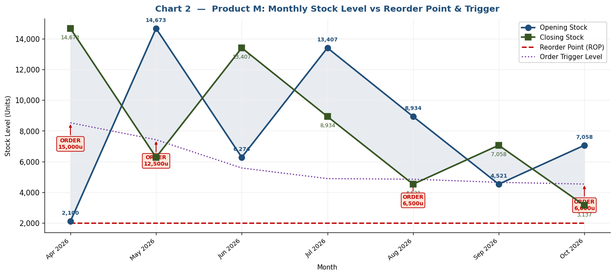
Phi (damping) | 0.88 | Holt-Winters: trend damping factor [0.8–1.0]

B. ORDER TRIGGER FORMULA & HOLT-WINTERS EXPLANATION
HW Method | Holt-Winters Multiplicative: L[t] = α(y[t]/S[t]) + (1-α)(L[t-1]+φB[t-1]) | B[t] = β(L[t]-L[t-1]) + (1-β)φB[t-1] | S[t] = γ(y[t]/L[t]) + (1-γ)S[t]
Init | Seasonal factors S initialized from col E multipliers, then updated each month with gamma.
Forecast | F[t+h] = (L[t] + damped_trend[h]) × future_multiplier[h] where damped_trend[h] = B[t] × Σφⁱ for i=1..h (phi=0.88)
Trigger | Order Trigger = ROP + Lead_Time × Daily_Rate. Place order when stock ≤ Trigger → delivery arrives lead_time days later at stock = ROP.
Order Qty | round_up_to_500( max( 45 × daily_rate, min_order ) )
Rule | ONE pending order at a time. No new order while delivery is in transit.

C. HISTORICAL DATA & HOLT-WINTERS SMOOTHING
Month | Days | Demand | Seasonal Index (col E, init) | HW Level (L) | HW Trend (B) | HW Seasonal (S) | HW Fitted | Error %
Aug 2025 | 31 | 2920 | 1 | 2920 | -2380 | 1 | 2920 | +0.0%
Sep 2025 | 30 | 540 | 1 | 739.9 | -2102.97 | 0.946 | 699 | +29.4%
Oct 2025 | 31 | 3424 | 1 | 249.7 | -1714.57 | 3.542 | 884 | -74.2%
Nov 2025 | 30 | 3191 | 1.4 | -197.6 | -1402.67 | 63821.12 | -12610356 | -395285.1%
Dec 2025 | 31 | 3973 | 1 | 189.5 | -1072.2 | 4.992 | 946 | -76.2%
Jan 2026 | 31 | 7545 | 1.2 | 1358.5 | -732.29 | 2.071 | 2813 | -62.7%
Feb 2026 | 28 | 4366 | 1.4 | 1435.4 | -572.28 | 1.728 | 2480 | -43.2%
Mar 2026 | 31 | 5316 | 1 | 2247.1 | -372.08 | 1.273 | 2860 | -46.2%
Apr 2026 | 30 | 9787 | 1 | 4279.8 | -91.41 | 1.257 | 5381 | -45.0%

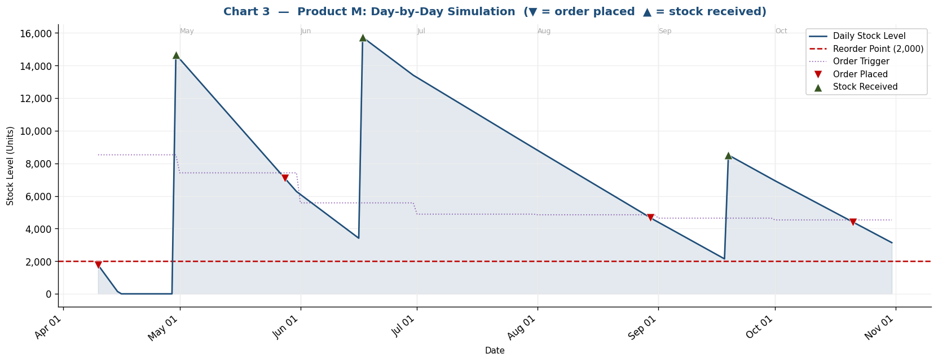
D. DEMAND FORECAST RESULTS (Holt-Winters)
Month | Days | Future Multiplier | De-trended Level Proj. | Final Forecast (× multiplier) | Daily Rate | Lead Demand (lead×daily) | Trigger Level | Order Qty if Triggered
May 2026 | 31 | 2 | 4199.4 | 8399 | 270.9 | 5419 | 7419 | 12500
Jun 2026 | 30 | 1.3 | 4128.6 | 5367 | 178.9 | 3578 | 5578 | 8500
Jul 2026 | 31 | 1.1 | 4066.3 | 4473 | 144.3 | 2886 | 4886 | 6500
Aug 2026 | 31 | 1.1 | 4011.5 | 4413 | 142.4 | 2847 | 4847 | 6500
Sep 2026 | 30 | 1 | 3963.3 | 3963 | 132.1 | 2642 | 4642 | 6000
Oct 2026 | 31 | 1 | 3920.8 | 3921 | 126.5 | 2530 | 4530 | 6000

Day-by-Day Simulation — Filter by Month (▼) to zoom into one month
Date | Month | Day | Daily Rate | Stock Level | ROP | Trigger Level | Order Placed? | Order Qty
2026-04-10 | Apr 2026 | 10 | 326.2 | 1774 | 2000 | 8525 | ✓ Yes | 15000
2026-04-11 | Apr 2026 | 11 | 326.2 | 1448 | 2000 | 8525
2026-04-12 | Apr 2026 | 12 | 326.2 | 1121 | 2000 | 8525
2026-04-13 | Apr 2026 | 13 | 326.2 | 795 | 2000 | 8525
2026-04-14 | Apr 2026 | 14 | 326.2 | 469 | 2000 | 8525
2026-04-15 | Apr 2026 | 15 | 326.2 | 143 | 2000 | 8525
2026-04-16 | Apr 2026 | 16 | 326.2 | 0 | 2000 | 8525
2026-04-17 | Apr 2026 | 17 | 326.2 | 0 | 2000 | 8525
2026-04-18 | Apr 2026 | 18 | 326.2 | 0 | 2000 | 8525
2026-04-19 | Apr 2026 | 19 | 326.2 | 0 | 2000 | 8525
2026-04-20 | Apr 2026 | 20 | 326.2 | 0 | 2000 | 8525
2026-04-21 | Apr 2026 | 21 | 326.2 | 0 | 2000 | 8525
2026-04-22 | Apr 2026 | 22 | 326.2 | 0 | 2000 | 8525
2026-04-23 | Apr 2026 | 23 | 326.2 | 0 | 2000 | 8525
2026-04-24 | Apr 2026 | 24 | 326.2 | 0 | 2000 | 8525
2026-04-25 | Apr 2026 | 25 | 326.2 | 0 | 2000 | 8525
2026-04-26 | Apr 2026 | 26 | 326.2 | 0 | 2000 | 8525
2026-04-27 | Apr 2026 | 27 | 326.2 | 0 | 2000 | 8525
2026-04-28 | Apr 2026 | 28 | 326.2 | 0 | 2000 | 8525
2026-04-29 | Apr 2026 | 29 | 326.2 | 0 | 2000 | 8525
2026-04-30 | Apr 2026 | 30 | 326.2 | 14674 | 2000 | 8525
2026-05-01 | May 2026 | 1 | 270.9 | 14403 | 2000 | 7419
2026-05-02 | May 2026 | 2 | 270.9 | 14132 | 2000 | 7419
2026-05-03 | May 2026 | 3 | 270.9 | 13861 | 2000 | 7419
2026-05-04 | May 2026 | 4 | 270.9 | 13590 | 2000 | 7419
2026-05-05 | May 2026 | 5 | 270.9 | 13319 | 2000 | 7419
2026-05-06 | May 2026 | 6 | 270.9 | 13048 | 2000 | 7419
2026-05-07 | May 2026 | 7 | 270.9 | 12777 | 2000 | 7419
2026-05-08 | May 2026 | 8 | 270.9 | 12506 | 2000 | 7419
2026-05-09 | May 2026 | 9 | 270.9 | 12235 | 2000 | 7419
2026-05-10 | May 2026 | 10 | 270.9 | 11964 | 2000 | 7419
2026-05-11 | May 2026 | 11 | 270.9 | 11693 | 2000 | 7419
2026-05-12 | May 2026 | 12 | 270.9 | 11423 | 2000 | 7419
2026-05-13 | May 2026 | 13 | 270.9 | 11152 | 2000 | 7419
2026-05-14 | May 2026 | 14 | 270.9 | 10881 | 2000 | 7419
2026-05-15 | May 2026 | 15 | 270.9 | 10610 | 2000 | 7419
2026-05-16 | May 2026 | 16 | 270.9 | 10339 | 2000 | 7419
2026-05-17 | May 2026 | 17 | 270.9 | 10068 | 2000 | 7419
2026-05-18 | May 2026 | 18 | 270.9 | 9797 | 2000 | 7419
2026-05-19 | May 2026 | 19 | 270.9 | 9526 | 2000 | 7419
2026-05-20 | May 2026 | 20 | 270.9 | 9255 | 2000 | 7419
2026-05-21 | May 2026 | 21 | 270.9 | 8984 | 2000 | 7419
2026-05-22 | May 2026 | 22 | 270.9 | 8713 | 2000 | 7419
2026-05-23 | May 2026 | 23 | 270.9 | 8442 | 2000 | 7419
2026-05-24 | May 2026 | 24 | 270.9 | 8171 | 2000 | 7419
2026-05-25 | May 2026 | 25 | 270.9 | 7900 | 2000 | 7419
2026-05-26 | May 2026 | 26 | 270.9 | 7629 | 2000 | 7419
2026-05-27 | May 2026 | 27 | 270.9 | 7359 | 2000 | 7419
2026-05-28 | May 2026 | 28 | 270.9 | 7088 | 2000 | 7419 | ✓ Yes | 12500
2026-05-29 | May 2026 | 29 | 270.9 | 6817 | 2000 | 7419
2026-05-30 | May 2026 | 30 | 270.9 | 6546 | 2000 | 7419
2026-05-31 | May 2026 | 31 | 270.9 | 6275 | 2000 | 7419
2026-06-01 | Jun 2026 | 1 | 178.9 | 6096 | 2000 | 5578
2026-06-02 | Jun 2026 | 2 | 178.9 | 5917 | 2000 | 5578
2026-06-03 | Jun 2026 | 3 | 178.9 | 5738 | 2000 | 5578
2026-06-04 | Jun 2026 | 4 | 178.9 | 5559 | 2000 | 5578
2026-06-05 | Jun 2026 | 5 | 178.9 | 5380 | 2000 | 5578
2026-06-06 | Jun 2026 | 6 | 178.9 | 5201 | 2000 | 5578
2026-06-07 | Jun 2026 | 7 | 178.9 | 5022 | 2000 | 5578
2026-06-08 | Jun 2026 | 8 | 178.9 | 4844 | 2000 | 5578
2026-06-09 | Jun 2026 | 9 | 178.9 | 4665 | 2000 | 5578
2026-06-10 | Jun 2026 | 10 | 178.9 | 4486 | 2000 | 5578
2026-06-11 | Jun 2026 | 11 | 178.9 | 4307 | 2000 | 5578
2026-06-12 | Jun 2026 | 12 | 178.9 | 4128 | 2000 | 5578
2026-06-13 | Jun 2026 | 13 | 178.9 | 3949 | 2000 | 5578
2026-06-14 | Jun 2026 | 14 | 178.9 | 3770 | 2000 | 5578
2026-06-15 | Jun 2026 | 15 | 178.9 | 3591 | 2000 | 5578
2026-06-16 | Jun 2026 | 16 | 178.9 | 3412 | 2000 | 5578
2026-06-17 | Jun 2026 | 17 | 178.9 | 15733 | 2000 | 5578
2026-06-18 | Jun 2026 | 18 | 178.9 | 15555 | 2000 | 5578
2026-06-19 | Jun 2026 | 19 | 178.9 | 15376 | 2000 | 5578
2026-06-20 | Jun 2026 | 20 | 178.9 | 15197 | 2000 | 5578
2026-06-21 | Jun 2026 | 21 | 178.9 | 15018 | 2000 | 5578
2026-06-22 | Jun 2026 | 22 | 178.9 | 14839 | 2000 | 5578
2026-06-23 | Jun 2026 | 23 | 178.9 | 14660 | 2000 | 5578
2026-06-24 | Jun 2026 | 24 | 178.9 | 14481 | 2000 | 5578
2026-06-25 | Jun 2026 | 25 | 178.9 | 14302 | 2000 | 5578
2026-06-26 | Jun 2026 | 26 | 178.9 | 14123 | 2000 | 5578
2026-06-27 | Jun 2026 | 27 | 178.9 | 13944 | 2000 | 5578
2026-06-28 | Jun 2026 | 28 | 178.9 | 13766 | 2000 | 5578
2026-06-29 | Jun 2026 | 29 | 178.9 | 13587 | 2000 | 5578
2026-06-30 | Jun 2026 | 30 | 178.9 | 13408 | 2000 | 5578
2026-07-01 | Jul 2026 | 1 | 144.3 | 13263 | 2000 | 4886
2026-07-02 | Jul 2026 | 2 | 144.3 | 13119 | 2000 | 4886
2026-07-03 | Jul 2026 | 3 | 144.3 | 12975 | 2000 | 4886
2026-07-04 | Jul 2026 | 4 | 144.3 | 12831 | 2000 | 4886
2026-07-05 | Jul 2026 | 5 | 144.3 | 12686 | 2000 | 4886
2026-07-06 | Jul 2026 | 6 | 144.3 | 12542 | 2000 | 4886
2026-07-07 | Jul 2026 | 7 | 144.3 | 12398 | 2000 | 4886
2026-07-08 | Jul 2026 | 8 | 144.3 | 12253 | 2000 | 4886
2026-07-09 | Jul 2026 | 9 | 144.3 | 12109 | 2000 | 4886
2026-07-10 | Jul 2026 | 10 | 144.3 | 11965 | 2000 | 4886
2026-07-11 | Jul 2026 | 11 | 144.3 | 11821 | 2000 | 4886
2026-07-12 | Jul 2026 | 12 | 144.3 | 11676 | 2000 | 4886
2026-07-13 | Jul 2026 | 13 | 144.3 | 11532 | 2000 | 4886
2026-07-14 | Jul 2026 | 14 | 144.3 | 11388 | 2000 | 4886
2026-07-15 | Jul 2026 | 15 | 144.3 | 11243 | 2000 | 4886
2026-07-16 | Jul 2026 | 16 | 144.3 | 11099 | 2000 | 4886
2026-07-17 | Jul 2026 | 17 | 144.3 | 10955 | 2000 | 4886
2026-07-18 | Jul 2026 | 18 | 144.3 | 10811 | 2000 | 4886
2026-07-19 | Jul 2026 | 19 | 144.3 | 10666 | 2000 | 4886
2026-07-20 | Jul 2026 | 20 | 144.3 | 10522 | 2000 | 4886
2026-07-21 | Jul 2026 | 21 | 144.3 | 10378 | 2000 | 4886
2026-07-22 | Jul 2026 | 22 | 144.3 | 10233 | 2000 | 4886
2026-07-23 | Jul 2026 | 23 | 144.3 | 10089 | 2000 | 4886
2026-07-24 | Jul 2026 | 24 | 144.3 | 9945 | 2000 | 4886
2026-07-25 | Jul 2026 | 25 | 144.3 | 9801 | 2000 | 4886
2026-07-26 | Jul 2026 | 26 | 144.3 | 9656 | 2000 | 4886
2026-07-27 | Jul 2026 | 27 | 144.3 | 9512 | 2000 | 4886
2026-07-28 | Jul 2026 | 28 | 144.3 | 9368 | 2000 | 4886
2026-07-29 | Jul 2026 | 29 | 144.3 | 9223 | 2000 | 4886
2026-07-30 | Jul 2026 | 30 | 144.3 | 9079 | 2000 | 4886
2026-07-31 | Jul 2026 | 31 | 144.3 | 8935 | 2000 | 4886
2026-08-01 | Aug 2026 | 1 | 142.4 | 8792 | 2000 | 4847
2026-08-02 | Aug 2026 | 2 | 142.4 | 8650 | 2000 | 4847
2026-08-03 | Aug 2026 | 3 | 142.4 | 8508 | 2000 | 4847
2026-08-04 | Aug 2026 | 4 | 142.4 | 8365 | 2000 | 4847
2026-08-05 | Aug 2026 | 5 | 142.4 | 8223 | 2000 | 4847
2026-08-06 | Aug 2026 | 6 | 142.4 | 8081 | 2000 | 4847
2026-08-07 | Aug 2026 | 7 | 142.4 | 7938 | 2000 | 4847
2026-08-08 | Aug 2026 | 8 | 142.4 | 7796 | 2000 | 4847
2026-08-09 | Aug 2026 | 9 | 142.4 | 7654 | 2000 | 4847
2026-08-10 | Aug 2026 | 10 | 142.4 | 7511 | 2000 | 4847
2026-08-11 | Aug 2026 | 11 | 142.4 | 7369 | 2000 | 4847
2026-08-12 | Aug 2026 | 12 | 142.4 | 7227 | 2000 | 4847
2026-08-13 | Aug 2026 | 13 | 142.4 | 7084 | 2000 | 4847
2026-08-14 | Aug 2026 | 14 | 142.4 | 6942 | 2000 | 4847
2026-08-15 | Aug 2026 | 15 | 142.4 | 6799 | 2000 | 4847
2026-08-16 | Aug 2026 | 16 | 142.4 | 6657 | 2000 | 4847
2026-08-17 | Aug 2026 | 17 | 142.4 | 6515 | 2000 | 4847
2026-08-18 | Aug 2026 | 18 | 142.4 | 6372 | 2000 | 4847
2026-08-19 | Aug 2026 | 19 | 142.4 | 6230 | 2000 | 4847
2026-08-20 | Aug 2026 | 20 | 142.4 | 6088 | 2000 | 4847
2026-08-21 | Aug 2026 | 21 | 142.4 | 5945 | 2000 | 4847
2026-08-22 | Aug 2026 | 22 | 142.4 | 5803 | 2000 | 4847
2026-08-23 | Aug 2026 | 23 | 142.4 | 5661 | 2000 | 4847
2026-08-24 | Aug 2026 | 24 | 142.4 | 5518 | 2000 | 4847
2026-08-25 | Aug 2026 | 25 | 142.4 | 5376 | 2000 | 4847
2026-08-26 | Aug 2026 | 26 | 142.4 | 5234 | 2000 | 4847
2026-08-27 | Aug 2026 | 27 | 142.4 | 5091 | 2000 | 4847
2026-08-28 | Aug 2026 | 28 | 142.4 | 4949 | 2000 | 4847
2026-08-29 | Aug 2026 | 29 | 142.4 | 4806 | 2000 | 4847
2026-08-30 | Aug 2026 | 30 | 142.4 | 4664 | 2000 | 4847 | ✓ Yes | 6500
2026-08-31 | Aug 2026 | 31 | 142.4 | 4522 | 2000 | 4847
2026-09-01 | Sep 2026 | 1 | 132.1 | 4390 | 2000 | 4642
2026-09-02 | Sep 2026 | 2 | 132.1 | 4258 | 2000 | 4642
2026-09-03 | Sep 2026 | 3 | 132.1 | 4125 | 2000 | 4642
2026-09-04 | Sep 2026 | 4 | 132.1 | 3993 | 2000 | 4642
2026-09-05 | Sep 2026 | 5 | 132.1 | 3861 | 2000 | 4642
2026-09-06 | Sep 2026 | 6 | 132.1 | 3729 | 2000 | 4642
2026-09-07 | Sep 2026 | 7 | 132.1 | 3597 | 2000 | 4642
2026-09-08 | Sep 2026 | 8 | 132.1 | 3465 | 2000 | 4642
2026-09-09 | Sep 2026 | 9 | 132.1 | 3333 | 2000 | 4642
2026-09-10 | Sep 2026 | 10 | 132.1 | 3201 | 2000 | 4642
2026-09-11 | Sep 2026 | 11 | 132.1 | 3069 | 2000 | 4642
2026-09-12 | Sep 2026 | 12 | 132.1 | 2937 | 2000 | 4642
2026-09-13 | Sep 2026 | 13 | 132.1 | 2804 | 2000 | 4642
2026-09-14 | Sep 2026 | 14 | 132.1 | 2672 | 2000 | 4642
2026-09-15 | Sep 2026 | 15 | 132.1 | 2540 | 2000 | 4642
2026-09-16 | Sep 2026 | 16 | 132.1 | 2408 | 2000 | 4642
2026-09-17 | Sep 2026 | 17 | 132.1 | 2276 | 2000 | 4642
2026-09-18 | Sep 2026 | 18 | 132.1 | 2144 | 2000 | 4642
2026-09-19 | Sep 2026 | 19 | 132.1 | 8512 | 2000 | 4642
2026-09-20 | Sep 2026 | 20 | 132.1 | 8380 | 2000 | 4642
2026-09-21 | Sep 2026 | 21 | 132.1 | 8248 | 2000 | 4642
2026-09-22 | Sep 2026 | 22 | 132.1 | 8116 | 2000 | 4642
2026-09-23 | Sep 2026 | 23 | 132.1 | 7983 | 2000 | 4642
2026-09-24 | Sep 2026 | 24 | 132.1 | 7851 | 2000 | 4642
2026-09-25 | Sep 2026 | 25 | 132.1 | 7719 | 2000 | 4642
2026-09-26 | Sep 2026 | 26 | 132.1 | 7587 | 2000 | 4642
2026-09-27 | Sep 2026 | 27 | 132.1 | 7455 | 2000 | 4642
2026-09-28 | Sep 2026 | 28 | 132.1 | 7323 | 2000 | 4642
2026-09-29 | Sep 2026 | 29 | 132.1 | 7191 | 2000 | 4642
2026-09-30 | Sep 2026 | 30 | 132.1 | 7059 | 2000 | 4642
2026-10-01 | Oct 2026 | 1 | 126.5 | 6932 | 2000 | 4530
2026-10-02 | Oct 2026 | 2 | 126.5 | 6806 | 2000 | 4530
2026-10-03 | Oct 2026 | 3 | 126.5 | 6679 | 2000 | 4530
2026-10-04 | Oct 2026 | 4 | 126.5 | 6553 | 2000 | 4530
2026-10-05 | Oct 2026 | 5 | 126.5 | 6426 | 2000 | 4530
2026-10-06 | Oct 2026 | 6 | 126.5 | 6300 | 2000 | 4530
2026-10-07 | Oct 2026 | 7 | 126.5 | 6173 | 2000 | 4530
2026-10-08 | Oct 2026 | 8 | 126.5 | 6047 | 2000 | 4530
2026-10-09 | Oct 2026 | 9 | 126.5 | 5920 | 2000 | 4530
2026-10-10 | Oct 2026 | 10 | 126.5 | 5794 | 2000 | 4530
2026-10-11 | Oct 2026 | 11 | 126.5 | 5667 | 2000 | 4530
2026-10-12 | Oct 2026 | 12 | 126.5 | 5541 | 2000 | 4530
2026-10-13 | Oct 2026 | 13 | 126.5 | 5414 | 2000 | 4530
2026-10-14 | Oct 2026 | 14 | 126.5 | 5288 | 2000 | 4530
2026-10-15 | Oct 2026 | 15 | 126.5 | 5162 | 2000 | 4530
2026-10-16 | Oct 2026 | 16 | 126.5 | 5035 | 2000 | 4530
2026-10-17 | Oct 2026 | 17 | 126.5 | 4909 | 2000 | 4530
2026-10-18 | Oct 2026 | 18 | 126.5 | 4782 | 2000 | 4530
2026-10-19 | Oct 2026 | 19 | 126.5 | 4656 | 2000 | 4530
2026-10-20 | Oct 2026 | 20 | 126.5 | 4529 | 2000 | 4530
2026-10-21 | Oct 2026 | 21 | 126.5 | 4403 | 2000 | 4530 | ✓ Yes | 6000
2026-10-22 | Oct 2026 | 22 | 126.5 | 4276 | 2000 | 4530
2026-10-23 | Oct 2026 | 23 | 126.5 | 4150 | 2000 | 4530
2026-10-24 | Oct 2026 | 24 | 126.5 | 4023 | 2000 | 4530
2026-10-25 | Oct 2026 | 25 | 126.5 | 3897 | 2000 | 4530
2026-10-26 | Oct 2026 | 26 | 126.5 | 3770 | 2000 | 4530
2026-10-27 | Oct 2026 | 27 | 126.5 | 3644 | 2000 | 4530
2026-10-28 | Oct 2026 | 28 | 126.5 | 3517 | 2000 | 4530
2026-10-29 | Oct 2026 | 29 | 126.5 | 3391 | 2000 | 4530
2026-10-30 | Oct 2026 | 30 | 126.5 | 3264 | 2000 | 4530
2026-10-31 | Oct 2026 | 31 | 126.5 | 3138 | 2000 | 4530

