algorithm
#id | cmd
cf_bayesnet_wk | java -cp {classpath} weka.classifiers.bayes.BayesNet -t "{arff_filepath}" -d "{model_filepath}" -no-cv -split-percentage 66 -D -Q weka.classifiers.bayes.net.search.local.K2 -- -P 1 -S BAYES -E weka.classifiers.bayes.net.estimate.SimpleEstimator -- -A 0.5
cf_bayesnet-filtered-1_wk | java -cp {classpath} weka.classifiers.meta.FilteredClassifier -t "{arff_filepath}" -d "{model_filepath}" -no-cv -split-percentage 66 -F "weka.filters.supervised.instance.ClassBalancer -num-intervals 10" -S 1 -W weka.classifiers.bayes.BayesNet -- -D -Q weka.classifiers.bayes.net.search.local.K2 -- -P 1 -S BAYES -E weka.classifiers.bayes.net.estimate.SimpleEstimator -- -A 0.5
cf_naivebayes-1_wk | java -cp {classpath} weka.classifiers.bayes.NaiveBayes -t "{arff_filepath}" -d "{model_filepath}" -no-cv -split-percentage 66
cf_randomforest_wk | java -cp {classpath} weka.classifiers.trees.RandomForest -t "{arff_filepath}" -d "{model_filepath}" -no-cv -split-percentage 66 -P 100 -I 100 -num-slots 1 -K 0 -M 1.0 -V 0.001 -S 1
cf_j48_wk | java -cp {classpath} weka.classifiers.trees.J48 -t "{arff_filepath}" -d "{model_filepath}" -no-cv -split-percentage 66 -C 0.25 -M 2
cf_logistic_wk | java -cp {classpath} weka.classifiers.functions.Logistic -t "{arff_filepath}" -d "{model_filepath}" -no-cv -split-percentage 66 -R 1.0E-8 -M -1 -num-decimal-places 4
cf_lgbm-1_py | python C:/Dev/github/py_boatrace/boatrace/classification/lgbm/BoatLGBMClassifierTrainer.py boosting_type=gbdt,learning_rate=0.1 {csv_filepath} {model_filepath} {feature_name_list} {feature_type_list}
cf_lgbm-2_py | python C:/Dev/workspace/Oxygen/py_boatrace/boatrace/classification/lgbm/BoatLGBMClassifierTrainer.py boosting_type=gbdt,learning_rate=0.01 {csv_filepath} {model_filepath} {feature_name_list} {feature_type_list}
cf_lgbm-3_py | python C:/Dev/workspace/Oxygen/py_boatrace/boatrace/classification/lgbm/BoatLGBMClassifierTrainer.py boosting_type=gbdt,learning_rate=0.001 {csv_filepath} {model_filepath} {feature_name_list} {feature_type_list}
cf_lgbm-4_py | python C:/Dev/workspace/Oxygen/py_boatrace/boatrace/classification/lgbm/BoatLGBMClassifierTrainer.py boosting_type=gbdt,learning_rate=0.2 {csv_filepath} {model_filepath} {feature_name_list} {feature_type_list}
cf_lgbm-5_py | python C:/Dev/workspace/Oxygen/py_boatrace/boatrace/classification/lgbm/BoatLGBMClassifierTrainer.py boosting_type=gbdt,learning_rate=0.4 {csv_filepath} {model_filepath} {feature_name_list} {feature_type_list}
rg_lgbm-1_py | python C:/Dev/workspace/Oxygen/py_boatrace/boatrace/classification/lgbm/BoatLGBMRegressorTrainer.py boosting_type=gbdt,learning_rate=0.1 {csv_filepath} {model_filepath} {feature_name_list} {feature_type_list}
cf_lgbm-6_py | python C:/Dev/workspace/Oxygen/py_boatrace/boatrace/classification/lgbm/BoatLGBMClassifierTrainer.py boosting_type=gbdt,learning_rate=0.1,class_weight=balanced {csv_filepath} {model_filepath} {feature_name_list} {feature_type_list}
cf_lgbm-0.01_py | python C:/Dev/workspace/Oxygen/py_boatrace/boatrace/classification/lgbm/BoatLGBMClassifierTrainer.py boosting_type=gbdt,learning_rate=0.01 {csv_filepath} {model_filepath} {feature_name_list} {feature_type_list}
cf_lgbm-0.02_py | python C:/Dev/workspace/Oxygen/py_boatrace/boatrace/classification/lgbm/BoatLGBMClassifierTrainer.py boosting_type=gbdt,learning_rate=0.02 {csv_filepath} {model_filepath} {feature_name_list} {feature_type_list}
cf_lgbm-0.05_py | python C:/Dev/workspace/Oxygen/py_boatrace/boatrace/classification/lgbm/BoatLGBMClassifierTrainer.py boosting_type=gbdt,learning_rate=0.05 {csv_filepath} {model_filepath} {feature_name_list} {feature_type_list}
rk_catb-1_py | python C:/Dev/github/py_boatrace/boatrace/classification/catboost/BoatCatboostRankerTrainer.py params {csv_filepath} {model_filepath} {feature_name_list} {feature_type_list}
cf_lgbm-7_py | python C:/Dev/github/py_boatrace/boatrace/classification/lgbm/BoatLGBMClassifierTrainerBalanced.py boosting_type=gbdt,learning_rate=0.1 {csv_filepath} {model_filepath} {feature_name_list} {feature_type_list}
cf_lgbm-8_py | python C:/Dev/github/py_boatrace/boatrace/classification/lgbm/BoatLGBMClassifierTrainerBalanced.py boosting_type=gbdt,learning_rate=0.01 {csv_filepath} {model_filepath} {feature_name_list} {feature_type_list}
rk_lgbm-1_py | python C:/Dev/github/py_boatrace/boatrace/classification/lgbm/BoatLGBMRankerTrainer.py params {csv_filepath} {model_filepath} {feature_name_list} {feature_type_list}

bayesnet | java -cp {classpath} weka.classifiers.bayes.BayesNet -D -t "{arff_filepath}" -d "{model_filepath}" -no-cv -split-percentage 80
filter_bayesnet_bak | java -cp {classpath} weka.classifiers.meta.FilteredClassifier -F "weka.filters.supervised.instance.ClassBalancer -num-intervals 10" -S 1 -W weka.classifiers.bayes.BayesNet -- -D -Q weka.classifiers.bayes.net.search.local.K2 -- -P 1 -S BAYES -E weka.classifiers.bayes.net.estimate.SimpleEstimator -- -A 0.5 -t "{arff_filepath}" -d "{model_filepath}" -no-cv -split-percentage 80

java -cp {classpath} weka.classifiers.bayes.BayesNet -D -Q weka.classifiers.bayes.net.search.local.K2 -- -P 1 -S BAYES -E weka.classifiers.bayes.net.estimate.SimpleEstimator -- -A 0.5 -t "{arff_filepath}" -d "{model_filepath}" -no-cv -split-percentage 80
idの構成
cf_lgbm-1_py
cf = classification, regression, 未定
lgbm = classifierのクラスを識別
1 = 同一classifierにparameterが異なる場合の識別子
py = python, weka

weka.classifiers.meta.FilteredClassifier -F "weka.filters.supervised.instance.ClassBalancer -num-intervals 10" -S 1 -W weka.classifiers.bayes.BayesNet -- -D -Q weka.classifiers.bayes.net.search.local.K2 -- -P 1 -S BAYES -E weka.classifiers.bayes.net.estimate.SimpleEstimator -- -A 0.5

weka.classifiers.trees.RandomForest -P 100 -I 100 -num-slots 1 -K 0 -M 1.0 -V 0.001 -S 1

weka.classifiers.trees.J48 -C 0.25 -M 2
weka.classifiers.functions.Logistic -R 1.0E-8 -M -1 -num-decimal-places 4

環境設計
model_config.tsv
項目 | 例
model_no | 1
model_start_ymd | 20180101
model_end_ymd | 20210731
model_data_days | 1825
model_interval_days | 365
class_rank1 | r1_1to6
class_rank2 | r2_2to6
class_rank3 | r3_3to6
algorithm_rank1 | bayesnet
algorithm_rank2 | bayesnet
algorithm_rank3 | bayesnet
features_rank1 | en1,en2,en3,en4,en5,en6
features_rank2 | en1,en2,en3,en4,en5,en6
features_rank3 | en1,en2,en3,en4,en5,en6
data_use_range | yes | yes,no
outlier_method | quartile | quartile, octile, percentile, no
outlier_field | sanrentanprize
arff_sql_id | arff1
classification_sql_id | classification_1
grade_condition | 'ip' | ip, G1,G2,G3,SG
 | 'ip' | ip, G1,G2,G3,SG

result_config.tsv
項目 | 例
num_iterations | 100
max_depth | -1
save_result
save_stat
save_graph
result_start_ymd
result_end_ymd
result_creator
result_sql_id
cond_result_no |  | x, resultno
pattern_name
pattern_sql

features.tsv
項目 | 例
id | nw1
name | nationwiningrate1
arff type | numeric
sql_model_features | nationwiningrate1::text
sql_instance_features | cast(nationwiningrate1 as double precision)

class.tsv
項目 | 例
id | r1_1to6
sql_class_condition | true
values | 1,2,3,4,5,6
sql_class_features | substring(sanrentanno from 1 for 1) classes

algorithm.tsv
項目 | 例
id | cf_bayesnet_wk
cmd | java -cp {classpath} weka.classifiers.bayes.BayesNet -D -t "{arff_filepath}" -d "{model_filepath}" -no-cv -split-percentage 80

lgbm_py.tsv
項目 | 例
どのような決定木にするか
n_estimators | 100 | num_iterations | 基本的にアーリストッピングを使うと思うので、その場合は実質無限に相当する値を指定しておけば良いっぽい
max_depth | -1 |  | 木の深さの最大値。大きすぎるとオーバーフィッティングに繋がるので3~8くらいでやることが多い。7ぐらいが無難っぽい
num_leaves | 31 |  | 葉(ノード)の最大数。大きいほど複雑になるが過学習につながる
min_child_samples | 20 | min_data_in_leaf | 葉に所属する(割り振られる）最小データ。数値が小さいと細かい葉の分割もされるようになるが過学習に繋がるし、逆に大きいと分割が大雑把になる
min_split_gain | 0.0 | min_gain_to_split | その分割するゲインの最小値を指定。それ以下のゲインでしか分割ができない場合は分割がされない。
min_child_weight | 0.001 | min_sum_hessian_in_leaf | 小さければ小さいほどロスを小さくしようと葉を分割するが、オーバーフィッティングを引き起こす
colsample_bytree | 1.0 | feature_fraction | 各木を作成するときに使用可能な特徴量の割合（何パーセントの特徴量をランダムで利用するか）。ちなみに、ランダムなので各木で選ばれる特徴量は基本的に異なる
subsample | 1.0 | bagging_fraction | 使用するデータの割合（何％の訓練データをランダムで利用するか）
boosting_type | gbdt | boosting | dart, rf, goss
どういった目的関数にするか（目的関数 = 損失関数 + λ正則化項）
objective
reg_alpha | 0.0 | lambda_l1 | 重要じゃない特徴量が落とされる。過学習を抑制する。
reg_lambda | 0.0 | lambda_l2 | 重要じゃない特徴量の影響が小さくなる。過学習を抑制する。
どうやって学習していくか
learning_rate | 0.1 |  | 学習率。大きくするほど、学習完了までの時間が短縮できるがその分学習に使用する木の本数が減っているので精度は落ちる。 いったん0.01あたりに固定するのが無難なようだ。
subsample_for_bin
LGBMチューニング
精度を上げる
大きなmax_binを使う
小さいlearning_rateと大きなnum_iterationsを使う
大きなnum_leavesを使う
boostingのアルゴリズムでdartを使う
オーバーフィッティングを避ける
小さなmax_binを使う
小さなnum_leavesを使う
min_data_in_leafやmin_sum_hessian_in_leafを増やす
bagging_fractioとbagging_freqをつかってbaggingの調整をする
feature_fractionを使って特徴量のサンプリングを調整する
lambda_l1、lambda_l2、min_gain_to_splitで正則化の調整をする
max_depthを小さくする
class_weight
subsample_freq
random_state |  | seed
n_jobs
silent
importance_type

result
項目 | 例
result_no
model_no
pattern
bettype
kumiban
betcnt
betamt
hitcnt
hitamt
hitrate
incomerate
balance
hitrate_slope
hitrate_inter
incomerate_slope
incomerate_inter
balance_slope
balance_inter
hitodds_min
hitodds_max
hitodds_mean
hitodds_stddev
hitodds_skewness
hitodds_kurtosis
odds_min
odds_max
odds_mean
odds_stddev
odds_skewness
odds_kurtosis

online設計
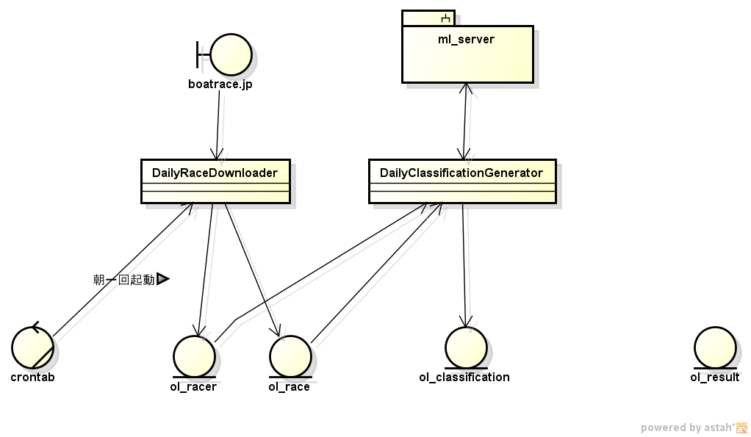

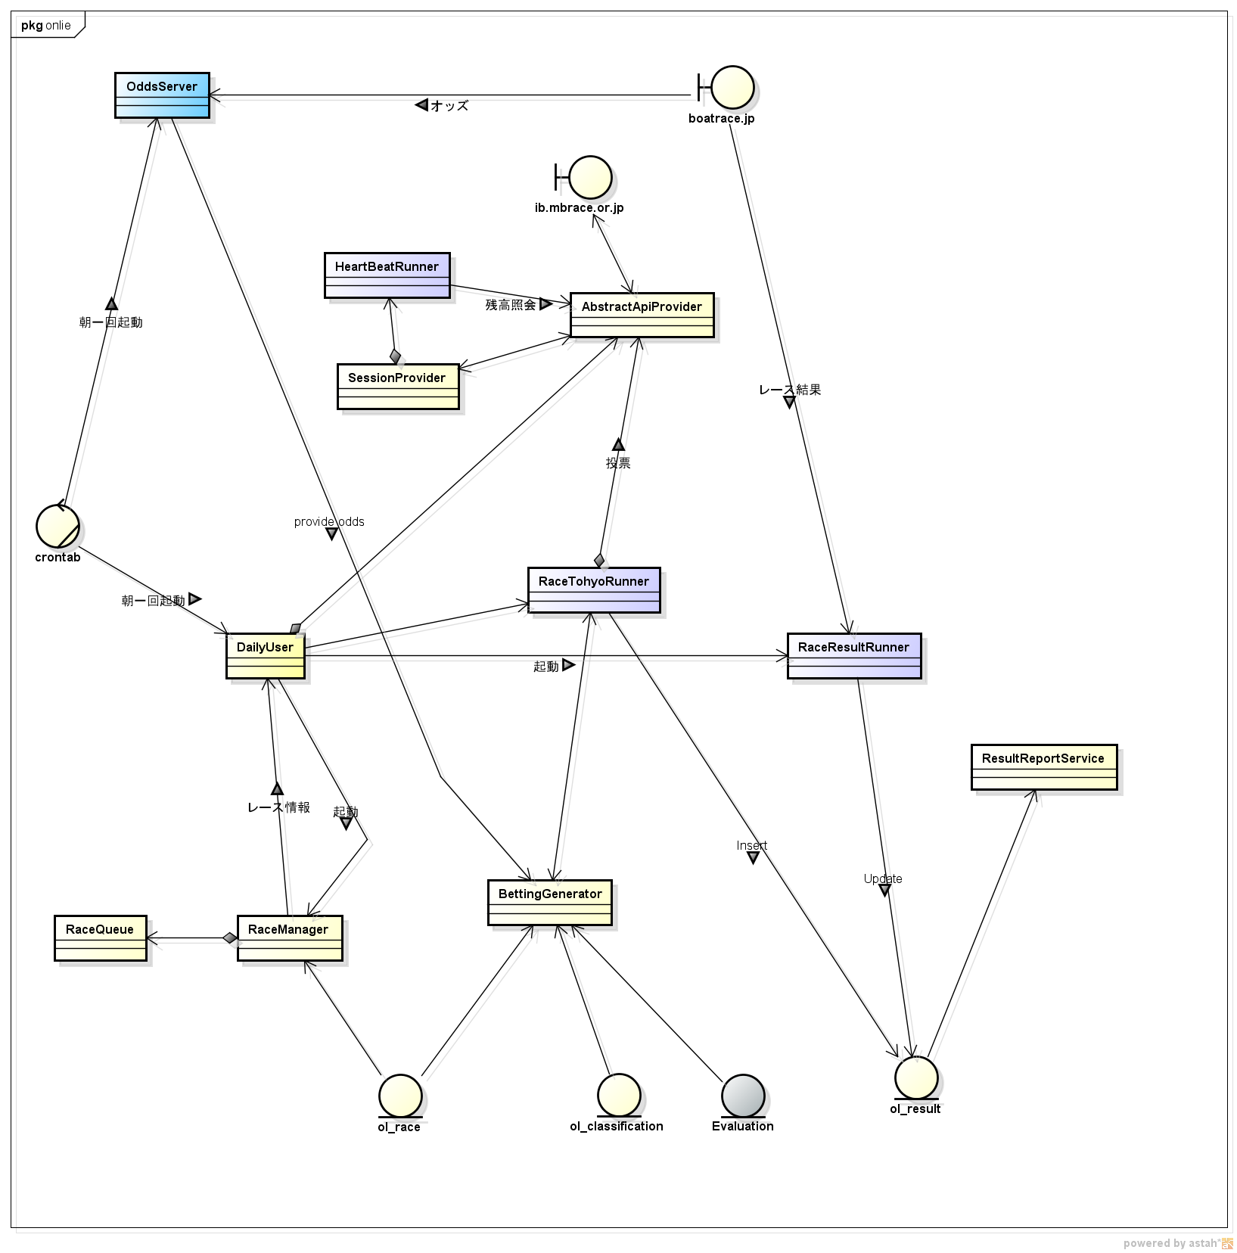

graph設計
3
TimelineBalance
ResultOddsRange
TimelineBalance
TermTimelineBalance
TermTimelinePerformance

ResultOddsRankRange
ProbabilityRange
OddsDistribution
TimelinePerformance
TermTimelineOdds

BoddsRodds
Bubble
BoddsRankRoddsRankBubble
4

TimelineBalance
BeforeOddsRange
BeforeOddsRankRange

ProbabilityRange
ResultOddsRange
ResultOddsRankRange
RoddsRankProbabilityBubble
BestBoddsRankProbabilityBubble

RoddsProbabilityBubble
BoddsProbabilityBubble

RoddsRankProbabilityBubble
BoddsRankProbabilityBubble
1

TimelineBalance
BeforeOddsRange
BeforeOddsRankRange

ResultOddsRange
BeforeOddsRange
BoddsRodds
Bubble
ProbabilityRange
BoddsRankRoddsRankBubble

ResultOddsRankRange
BeforeOddsRankRange

2
BestBoddsRankRoddsRankBetcntBubble
ProbabilityRange
TimelineBalance
BeforeOddsRange
BeforeOddsRankRange

TopBeforeOddsRange
BoddsRankRoddsRankBubble
ProbabilityRange
BoddsRodds
Bubble
BoddsRankRoddsRankBubble

OddsDistribution
BoddsProbabilityBubble
BoddsRankProbabilityBubble
TopResultOddsRange

BestBoddsRankProbBubble

2

TimelineBalance
BeforeOddsRange
BeforeOddsRankRange
BestBoddsRodds
Bubble
BestBoddsRankBoddsBubble
BestBoddsRankRoddsRankBubble

ProbabilityRange
BestBoddsRankBoddsBubble
BestBoddsRankRoddsRankBubble

RoddsRankProbabilityBetcntBubble
BestBoddsRankRoddsRankBetcntBubble

BoddsRankBoddsBubble
BoddsRodds
Bubble
BoddsRankRoddsRankBubble

ProbabilityRange

3

TimelineBalance
BeforeOddsRange
BeforeOddsRankRange

TimelinePerformance
BestBoddsRankBoddsBubble
BestBoddsRankRoddsRankBubble

ProbabilityRange
BoddsProbabilityBubble
BoddsRankProbabilityBubble

4
TimelineBalance
ProbabilityRange
BoddsRankProbabilityBubble

BeforeOddsRange
BeforeOddsRankRange
BoddsProbabilityBubble

ResultOddsRankRange
ResultOddsRange
BestBoddsRankProbBubble

5 | probabilityとroddsrankの分布を見る

TimelineBalance
ProbabilityRange
BestBoddsRankprobabilityBubble

BeforeOddsRange
BeforeOddsRankRange
BestRoddsRankProbBubble

ResultOddsRankRange
ResultOddsRange
BestRoddsRankProbBetcntBubble

6 | probabilityとboddsrankの分布を見る

TimelineBalance
ProbabilityRange
BestBoddsRankprobabilityBubble

BeforeOddsRange
BeforeOddsRankRange
BestBoddsRankRoddsRankBubble

ResultOddsRankRange
ResultOddsRange
BestBoddsRankRoddsRankBetcntBubble

7 | 指定日間隔単位の時系列の性能推移をみる
TimelinePerformance
TermTimelineBalance
TimelineBalance

BeforeOddsRange
BeforeOddsRankRange
TermTimelinePerformance

ResultOddsRankRange
ResultOddsRange
TermTimelineOdds

Data設計
probability selector | pattern_selector | prediction_selector | model_selector
all | all | all | hitrate
best | hitrate | hitrate | incomerate
worst | incomerate | incomerate | …
 | … | …

ml_classification

evaluation 定義ファイル
(*.tsv)

MultiModelClassifier

MlClassification 1
evaluation 1

MlClassification n
evaluation n

probability selector (all, best, worst)

loop
MlClassification 1
prediction 1
evaluation 1

evaluation n
pattern selector ( all, hitrate...)

prediction n
evaluation 1

MlClassification n
evaluation n

prediction selector (all, hitrate...)
prediction 1

prediction n

prediction loop
ResultCreator
prediction 1
evaluation 1
model selector (all, best_betrate...)

prediction n
evaluation 1

MlResult 1
PatternCountBonusProvider
MlResult n

MlResult 1
ProbabilityBonusProvider
MlResult n

MlResult 1

MlResult n
BonusMergeProvider

BoforeOddsBonusProvider
MlResult 1

MlResult n
MlResult 1

MlResult n

SimulationPatternProvider

MlResult 1

MlResult n

work
om | 01 |  |  | oddslist[ | 1 | ] | ::text om | 01
om | 02 |  |  | oddslist[ | 2 | ] | ::text om | 02
om | 03 |  |  | oddslist[ | 3 | ] | ::text om | 03
om | 04 |  |  | oddslist[ | 4 | ] | ::text om | 04
om | 05 |  |  | oddslist[ | 5 | ] | ::text om | 05
om | 06 |  |  | oddslist[ | 6 | ] | ::text om | 06
om | 07 |  |  | oddslist[ | 7 | ] | ::text om | 07
om | 08 |  |  | oddslist[ | 8 | ] | ::text om | 08
om | 09 |  |  | oddslist[ | 9 | ] | ::text om | 09
om | 10 |  |  | oddslist[ | 10 | ] | ::text om | 10
om | 11 |  |  | oddslist[ | 11 | ] | ::text om | 11
om | 12 |  |  | oddslist[ | 12 | ] | ::text om | 12
om | 13 |  |  | oddslist[ | 13 | ] | ::text om | 13
om | 14 |  |  | oddslist[ | 14 | ] | ::text om | 14
om | 15 |  |  | oddslist[ | 15 | ] | ::text om | 15
om | 16 |  |  | oddslist[ | 16 | ] | ::text om | 16
om | 17 |  |  | oddslist[ | 17 | ] | ::text om | 17
om | 18 |  |  | oddslist[ | 18 | ] | ::text om | 18
om | 19 |  |  | oddslist[ | 19 | ] | ::text om | 19
om | 20 |  |  | oddslist[ | 20 | ] | ::text om | 20
om | 21 |  |  | oddslist[ | 21 | ] | ::text om | 21
om | 22 |  |  | oddslist[ | 22 | ] | ::text om | 22
om | 23 |  |  | oddslist[ | 23 | ] | ::text om | 23
om | 24 |  |  | oddslist[ | 24 | ] | ::text om | 24
om | 25 |  |  | oddslist[ | 25 | ] | ::text om | 25
om | 26 |  |  | oddslist[ | 26 | ] | ::text om | 26
om | 27 |  |  | oddslist[ | 27 | ] | ::text om | 27
om | 28 |  |  | oddslist[ | 28 | ] | ::text om | 28
om | 29 |  |  | oddslist[ | 29 | ] | ::text om | 29
om | 30 |  |  | oddslist[ | 30 | ] | ::text om | 30
om | 31 |  |  | oddslist[ | 31 | ] | ::text om | 31
om | 32 |  |  | oddslist[ | 32 | ] | ::text om | 32
om | 33 |  |  | oddslist[ | 33 | ] | ::text om | 33
om | 34 |  |  | oddslist[ | 34 | ] | ::text om | 34
om | 35 |  |  | oddslist[ | 35 | ] | ::text om | 35
om | 36 |  |  | oddslist[ | 36 | ] | ::text om | 36
om | 37 |  |  | oddslist[ | 37 | ] | ::text om | 37
om | 38 |  |  | oddslist[ | 38 | ] | ::text om | 38
om | 39 |  |  | oddslist[ | 39 | ] | ::text om | 39
om | 40 |  |  | oddslist[ | 40 | ] | ::text om | 40

om01 | om02 | om03 | om04 | om05 | om06 | om07 | om08 | om09 | om10 | om11 | om12 | om13 | om14 | om15 | om16 | om17 | om18 | om19 | om20 | om21 | om22 | om23 | om24 | om25 | om26 | om27 | om28 | om29 | om30 | om31 | om32 | om33 | om34 | om35 | om36 | om37 | om38 | om39 | om40

alevelcount | race | 5
com_confidence | race | 4
com_predict | race | 7
grade | race | 1
jyocd | race | 7
nationwiningrate[1] | arr | 3
nationwiningrate[2] | arr | 1
odds | odds_result | 8
prediction1,2 | classification | 9
prediction1,2,3 | classification | 3
probabilities1[1],[2] | classification | 5
probability1 | classification | 16
probability1,2 | classification | 6
probability1,2,3 | classification | 8
raceno | race | 8
racetype | race | 3
turn | race | 12
wakulevellist | race | 20

1.x축 라벨표시 12개 고정
2.기존시리즈 제거 betrate
3. 변동폭 Y축그룹추가 (이하 동일그룹)
incamt (1...0)
hitodds (X축은 resultodds의 x축갯수에 맞줘서 scale up)
beforeodds
resultodds
http://java-ml.sourceforge.net/api/0.1.1/net/sf/javaml/utils/ArrayUtils.html#normalize(double[],%20double)
ArrayUtils.normalize

 |  |  | 1.45

 |  |  | 0.75 | 1.05 |  | 0.7875
 |  |  | 0.45 |  |  | 0.354375
 |  |  | 0.25 |  |  | 0.08859375

 |  |  | 0.084375 | 0.1125

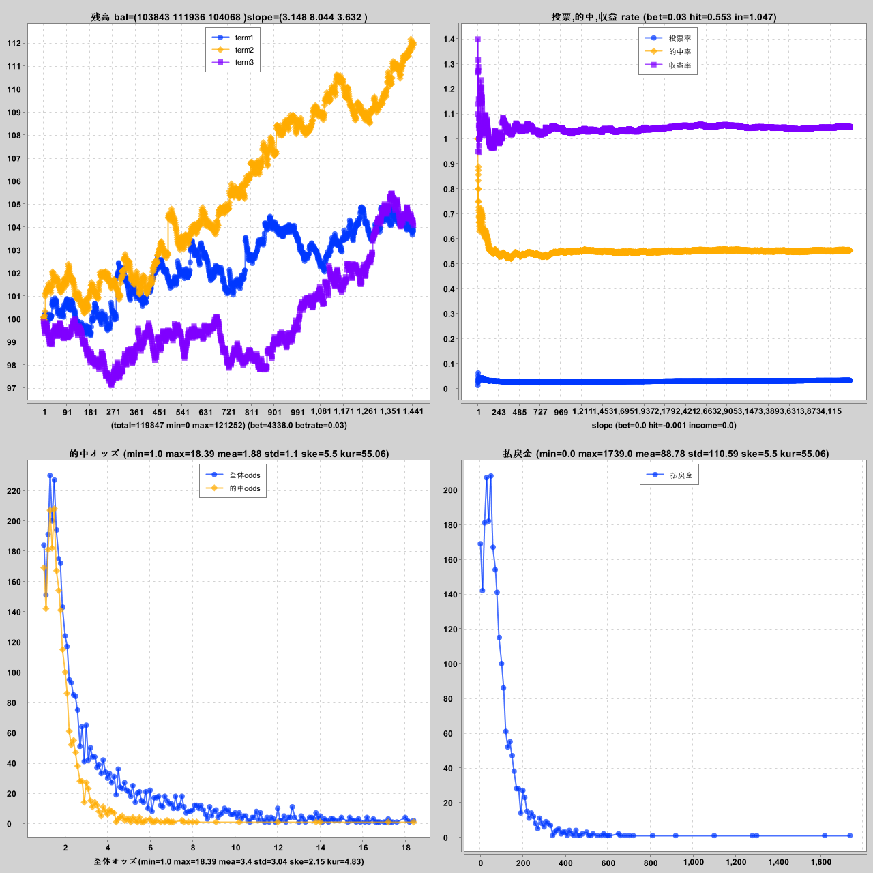
 |  |  | 0.605
 |  |  | 0.405
 |  |  | 0.305
 |  |  | 0.025
 |  |  | 0.015
 |  |  | 0.015 |  |  | 0.2

월단위 틱으로 바꿔준다.
setXAxisMaxLabelCount

시리즈추가
beforeoddssetXAxisMaxLabelCount
기존그래프 제거
예측확률그래프 추가
X축: 예측 확률
Y축그룹 0: 적중율, 수익률
Y축그룹 1: 수익금액
상단추가라벨
(범위best min～max worst min~max) (betcnt, hitcnt, hitamt)
하단라벨:
(rate....)

 | mm | jyo | race | turn | grade | raty | femcnt | alvt | time | fixent | en1 | en2 | en3 | en4 | en5 | en6 | nw1 | nw2 | nw3 | nw4 | nw5 | nw6 | n2w1 | n2w2 | n2w3 | n2w4 | n2w5 | n2w6 | n3w1 | n3w2 | n3w3 | n3w4 | n3w5 | n3w6 | lw1 | lw2 | lw3 | lw4 | lw5 | lw6 | l2w1 | l2w2 | l2w3 | l2w4 | l2w5 | l2w6 | l3w1 | l3w2 | l3w3 | l3w4 | l3w5 | l3w6 | m2w1 | m2w2 | m2w3 | m2w4 | m2w5 | m2w6 | en1n | en2n | en3n | en4n | en5n | en6n | sex1 | sex2 | sex3 | sex4 | sex5 | sex6 | lv1n | lv2n | lv3n | lv4n | lv5n | lv6n | age1 | age2 | age3 | age4 | age5 | age6 | weit1 | weit2 | weit3 | weit4 | weit5 | weit6 | exhi1 | exhi2 | exhi3 | exhi4 | exhi5 | exhi6 | stexhi1 | stexhi2 | stexhi3 | stexhi4 | stexhi5 | stexhi6 | fly1 | fly2 | fly3 | fly4 | fly5 | fly6 | late1 | late2 | late3 | late4 | late5 | late6 | avgst1 | avgst2 | avgst3 | avgst4 | avgst5 | avgst6 | avgtm1 | avgtm2 | avgtm3 | avgtm4 | avgtm5 | avgtm6

 | mm,jyo,race,turn,grade,raty,femcnt,alvt,time,fixent,en1,en2,en3,en4,en5,en6,nw1,nw2,nw3,nw4,nw5,nw6,n2w1,n2w2,n2w3,n2w4,n2w5,n2w6,n3w1,n3w2,n3w3,n3w4,n3w5,n3w6,lw1,lw2,lw3,lw4,lw5,lw6,l2w1,l2w2,l2w3,l2w4,l2w5,l2w6,l3w1,l3w2,l3w3,l3w4,l3w5,l3w6,m2w1,m2w2,m2w3,m2w4,m2w5,m2w6,lv1n,lv2n,lv3n,lv4n,lv5n,lv6n,weit1,weit2,weit3,weit4,weit5,weit6,exhi1,exhi2,exhi3,exhi4,exhi5,exhi6,fly1,fly2,fly3,fly4,fly5,fly6,avgtm1,avgtm2,avgtm3,avgtm4,avgtm5,avgtm6

 | mm | jyo | race | turn | grade | raty | femcnt | alvt | time | fixent | en1 | en2 | en3 | en4 | en5 | en6 | nw1 | nw2 | nw3 | nw4 | nw5 | nw6 | n2w1 | n2w2 | n2w3 | n2w4 | n2w5 | n2w6 | n3w1 | n3w2 | n3w3 | n3w4 | n3w5 | n3w6 | lw1 | lw2 | lw3 | lw4 | lw5 | lw6 | l2w1 | l2w2 | l2w3 | l2w4 | l2w5 | l2w6 | l3w1 | l3w2 | l3w3 | l3w4 | l3w5 | l3w6 | m2w1 | m2w2 | m2w3 | m2w4 | m2w5 | m2w6 | lv1n | lv2n | lv3n | lv4n | lv5n | lv6n | weit1 | weit2 | weit3 | weit4 | weit5 | weit6 | exhi1 | exhi2 | exhi3 | exhi4 | exhi5 | exhi6 | fly1 | fly2 | fly3 | fly4 | fly5 | fly6 | avgtm1 | avgtm2 | avgtm3 | avgtm4 | avgtm5 | avgtm6
 | ext25 | ext24
 | mm | mm |  |  | mm | jyo | race | turn | grade | raty | femcnt | alvt | time | fixent | en1 | en2 | en3 | en4 | en5 | en6 | nw1 | nw2 | nw3 | nw4 | nw5 | nw6 | n2w1 | n2w2 | n2w3 | n2w4 | n2w5 | n2w6 | n3w1 | n3w2 | n3w3 | n3w4 | n3w5 | n3w6 | lw1 | lw2 | lw3 | lw4 | lw5 | lw6 | l2w1 | l2w2 | l2w3 | l2w4 | l2w5 | l2w6 | l3w1 | l3w2 | l3w3 | l3w4 | l3w5 | l3w6 | m2w1 | m2w2 | m2w3 | m2w4 | m2w5 | m2w6 | sex1 | sex2 | sex3 | sex4 | sex5 | sex6 | lv1 | lv2 | lv3 | lv4 | lv5 | lv6 | age1 | age2 | age3 | age4 | age5 | age6 | weit1 | weit2 | weit3 | weit4 | weit5 | weit6 | fly1 | fly2 | fly3 | fly4 | fly5 | fly6 | late1 | late2 | late3 | late4 | late5 | late6 | avgst1 | avgst2 | avgst3 | avgst4 | avgst5 | avgst6
 | jyo | jyo
 | race | race
 | turn | turn
 | grade | grade
 | raty | raty
 | femcnt | femcnt
 | alvt | alvt
 | time | time
 | fixent | fixent
 | en1 | en1
 | en2 | en2
 | en3 | en3
 | en4 | en4
 | en5 | en5
 | en6 | en6
 | nw1 | nw1
 | nw2 | nw2
 | nw3 | nw3
 | nw4 | nw4
 | nw5 | nw5
 | nw6 | nw6
 | n2w1 | n2w1
 | n2w2 | n2w2
 | n2w3 | n2w3
 | n2w4 | n2w4
 | n2w5 | n2w5
 | n2w6 | n2w6
 | n3w1 | n3w1
 | n3w2 | n3w2
 | n3w3 | n3w3
 | n3w4 | n3w4
 | n3w5 | n3w5
 | n3w6 | n3w6
 | lw1 | lw1
 | lw2 | lw2
 | lw3 | lw3
 | lw4 | lw4
 | lw5 | lw5
 | lw6 | lw6
 | l2w1 | l2w1
 | l2w2 | l2w2
 | l2w3 | l2w3
 | l2w4 | l2w4
 | l2w5 | l2w5
 | l2w6 | l2w6
 | l3w1 | l3w1
 | l3w2 | l3w2
 | l3w3 | l3w3
 | l3w4 | l3w4
 | l3w5 | l3w5
 | l3w6 | l3w6
 | m2w1 | m2w1
 | m2w2 | m2w2
 | m2w3 | m2w3
 | m2w4 | m2w4
 | m2w5 | m2w5
 | m2w6 | m2w6
 |  | sex1
 |  | sex2
 |  | sex3
 |  | sex4
 |  | sex5
 |  | sex6
 | lv1n | lv1
 | lv2n | lv2
 | lv3n | lv3
 | lv4n | lv4
 | lv5n | lv5
 | lv6n | lv6
 |  | age1
 |  | age2
 |  | age3
 |  | age4
 |  | age5
 |  | age6
 | weit1 | weit1
 | weit2 | weit2 |  |  | 20220101 | 20221231 | 3
 | weit3 | weit3
 | weit4 | weit4 |  |  | 20220502 | 20220831 | 20221231
 | weit5 | weit5
 | weit6 | weit6
 | fly1 | fly1
 | fly2 | fly2
 | fly3 | fly3
 | fly4 | fly4
 | fly5 | fly5
 | fly6 | fly6
 |  | late1
 |  | late2
 |  | late3
 |  | late4
 |  | late5
 |  | late6
 |  | avgst1
 |  | avgst2
 |  | avgst3
 |  | avgst4
 |  | avgst5
 |  | avgst6
 | avgtm1
 | avgtm2
 | avgtm3
 | avgtm4
 | avgtm5
 | avgtm6

その他
모델 |  | 알고리즘 |  |  |  | BaysNet
 |  |  |  |  |  | J43
 |  |  |  |  |  | RandomForest
 |  | 어트리뷰트 |  |  |  | entry
 |  |  |  |  |  | nation3rate
 |  |  |  |  |  | level

model_config
id
rank
algorithm
feature
result_config
id
rank1_predition_id
rank2_prediction_id
rank3_prediction_id
stat_config
id
rank1_predition_id
rank2_prediction_id
rank3_prediction_id

rec_race
prediction
config_id
rank1
rank1_probability
rank2
rank2_probability
rank3
rank3_probability
stat
tile_num
result
config_id
predict_123
result_123

 | 目的変数 |  |  |  | 説明変数 |  |  |  | 手法
 | 量的変数 |  |  |  | 量的変数 |  |  |  | 重回帰分析
 | カテゴリ変数 |  |  |  | 量的変数 |  |  |  | ロジスティック回帰
 | 量的変数 |  |  |  | カテゴリ変数 |  |  |  | 分散分析、多重比較分析
 | カテゴリ変数 |  |  |  | カテゴリ変数 |  |  |  | クロス集計表

 | データ範囲
 | 学習 |  |  | テスト |  |  | 実践

2021/8/28 환경설계 백업
model_config
model_no | model_start_ymd | model_end_ymd | model_data_days | model_interval_days | data_use_range | outlier_method | outlier_field | arff_sql_id | classification_sql_id | features_rank1 | algorithm_rank1 | class_rank1 | features_rank2 | algorithm_rank2 | class_rank2 | features_rank3 | algorithm_rank3 | class_rank3 | grade_condition
1 | 20180101 | 20210731 | 1825 | 365 | yes | quartile | sanrentanprize | arff_1 | classification_1 | en1,en2,en3,en4,en5,en6 | bayesnet | r1_1to6 | en1,en2,en3,en4,en5,en6 | bayesnet | r2_2to6 | en1,en2,en3,en4,en5,en6 | bayesnet | r3_3to6 | 'ip'
2 | 20180101 | 20210731 | 1825 | 365 | yes | no | sanrentanprize | arff_1 | classification_1 | en1,en2,en3,en4,en5,en6 | bayesnet | r1_1to6 | en1,en2,en3,en4,en5,en6 | bayesnet | r2_2to6 | en1,en2,en3,en4,en5,en6 | bayesnet | r3_3to6 | 'ip'
3 | 20180101 | 20210731 | 1825 | 365 | yes | percentile | sanrentanprize | arff_1 | classification_1 | en1,en2,en3,en4,en5,en6 | bayesnet | r1_1to6 | en1,en2,en3,en4,en5,en6 | bayesnet | r2_2to6 | en1,en2,en3,en4,en5,en6 | bayesnet | r3_3to6 | 'ip'
4 | 20180101 | 20210731 | 1825 | 365 | yes | octile | sanrentanprize | arff_1 | classification_1 | en1,en2,en3,en4,en5,en6 | bayesnet | r1_1to6 | en1,en2,en3,en4,en5,en6 | bayesnet | r2_2to6 | en1,en2,en3,en4,en5,en6 | bayesnet | r3_3to6 | 'ip'
5 | 20180101 | 20210731 | 1825 | 365 | no | no | sanrentanprize | arff_1 | classification_1 | en1,en2,en3,en4,en5,en6 | bayesnet | r1_1to6 | en1,en2,en3,en4,en5,en6 | bayesnet | r2_2to6 | en1,en2,en3,en4,en5,en6 | bayesnet | r3_3to6 | 'ip'
6 | 20180101 | 20210731 | 1825 | 365 | yes | no | sanrentanprize | arff_1 | classification_1 | en1,en2,en3,en4,en5,en6 | bayesnet | r1_1to6 | en1,en2,en3,en4,en5,en6 | bayesnet | r2_1to6 | en1,en2,en3,en4,en5,en6 | bayesnet | r3_1to6 | 'ip'
7 | 20180101 | 20210731 | 1825 | 30 | yes | no | sanrentanprize | arff_1 | classification_1 | en1,en2,en3,en4,en5,en6 | bayesnet | r1_1to6 | en1,en2,en3,en4,en5,en6 | bayesnet | r2_1to6 | en1,en2,en3,en4,en5,en6 | bayesnet | r3_1to6 | 'ip'
8 | 20180101 | 20210731 | 1825 | 30 | yes | no | sanrentanprize | arff_1 | classification_1 | en1,en2,en3,en4,en5,en6 | bayesnet | r1_1to6 | en1,en2,en3,en4,en5,en6 | bayesnet | r2_2to6 | en1,en2,en3,en4,en5,en6 | bayesnet | r3_3to6 | 'ip'
9 | 20180101 | 20210731 | 1825 | 30 | yes | no | sanrentanprize | arff_1 | classification_1 | en1,en2,en3,en4,en5,en6 | bayesnet | r1_1x | en1,en2,en3,en4,en5,en6 | bayesnet | r2_2x_sub | en1,en2,en3,en4,en5,en6 | bayesnet | r3_3x_sub | 'ip'
10 | 20180101 | 20210731 | 1825 | 30 | yes | no | sanrentanprize | arff_1 | classification_1 | en1,en2,en3,en4,en5,en6 | bayesnet | r1_1x | en1,en2,en3,en4,en5,en6 | bayesnet | r2_2x_ind | en1,en2,en3,en4,en5,en6 | bayesnet | r3_3x_ind | 'ip'
11 | 20180101 | 20210731 | 1825 | 30 | yes | no | sanrentanprize | arff_1 | classification_1 | en1,en2,en3,en4,en5,en6 | bayesnet | r1_1to6 | en1,en2,en3,en4,en5,en6 | bayesnet | r2_2only | en1,en2,en3,en4,en5,en6 | bayesnet | r3_21only | 'ip'
12 | 20180101 | 20210731 | 1825 | 30 | yes | no | sanrentanprize | arff_1 | classification_1 | nw1,nw2,nw3,nw4,nw5,nw6 | bayesnet | r1_1to6 | n2w1,n2w2,n2w3,n2w4,n2w5,n2w6 | bayesnet | r2_2to6 | n3w1,n3w2,n3w3,n3w4,n3w5,n3w6 | bayesnet | r3_3to6 | 'ip'
13 | 20180101 | 20210731 | 1825 | 30 | yes | no | sanrentanprize | arff_1 | classification_1 | nw1,nw2,nw3,nw4,nw5,nw6 | bayesnet | r1_1to6 | n2w1,n2w2,n2w3,n2w4,n2w5,n2w6 | bayesnet | r2_1to6 | n3w1,n3w2,n3w3,n3w4,n3w5,n3w6 | bayesnet | r3_1to6 | 'ip'
0014 error | 20180101 | 20210731 | 1825 | 30 | yes | no | sanrentanprize | arff_1 | classification_1 | en1,en2,en3,en4,en5,en6 | filter_bayesnet | r1_1x | en1,en2,en3,en4,en5,en6 | filter_bayesnet | r2_2x_sub | en1,en2,en3,en4,en5,en6 | filter_bayesnet | r3_3x_sub | 'ip'
0015 error | 20180101 | 20210731 | 1825 | 30 | yes | no | sanrentanprize | arff_1 | classification_1 | en1,en2,en3,en4,en5,en6 | filter_bayesnet | r1_1x | en1,en2,en3,en4,en5,en6 | filter_bayesnet | r2_2x_sub | en1,en2,en3,en4,en5,en6 | filter_bayesnet | r3_3x_sub | 'ip'
14 | 20180101 | 20210731 | 1825 | 30 | yes | no | sanrentanprize | arff_1 | classification_1 | en1n,en2n,en3n,en4n,en5n,en6n | bayesnet | r1_1to6 | en1n,en2n,en3n,en4n,en5n,en6n | bayesnet | r2_1to6 | en1n,en2n,en3n,en4n,en5n,en6n | bayesnet | r3_1to6 | 'ip'
15 | 20180101 | 20210731 | 1825 | 30 | yes | no | sanrentanprize | arff_1 | classification_1 | en1n,en2n,en3n,en4n,en5n,en6n | bayesnet | r1_1to6 | en1n,en2n,en3n,en4n,en5n,en6n | bayesnet | r2_2to6 | en1n,en2n,en3n,en4n,en5n,en6n | bayesnet | r3_3to6 | 'ip'

result_config
1 | 1 | 20180101 | 20191231 | RCDefault | result_1 | x | x | x
2 | 1 | 20180101 | 20191231 | RCDefault | result_2 | x | x | x
3 | 2 | 20180101 | 20191231 | RCDefault | result_2 | x | x | x
4 | 3 | 20180101 | 20191231 | RCDefault | result_2 | x | x | x
5 | 4 | 20180101 | 20191231 | RCDefault | result_2 | x | x | x
6 | 5 | 20180101 | 20191231 | RCDefault | result_2 | x | x | x
7 | 6 | 20180101 | 20191231 | RCDefault | result_3 | x | x | x
8 | 7 | 20180101 | 20191231 | RCDefault | result_3 | x | x | x
9 | 8 | 20180101 | 20191231 | RCDefault | result_4 | x | x | x
10 | 9 | 20180101 | 20191231 | RCDefault | result_5 | x | x | x
11 | 10 | 20180101 | 20191231 | RCDefault | result_5 | x | x | x
12 | x | 20180101 | 20191231 | RCDefault | result_filter_1-2 | 8 | turn | race.turn
13 | x | 20180101 | 20191231 | RCDefault | result_filter_1-2 | 9 | turn | race.turn
14 | x | 20180101 | 20191231 | RCDefault | result_filter_1-2 | 8 | jyocd | race.jyocd
15 | x | 20180101 | 20191231 | RCDefault | result_filter_1-2 | 8 | raceno | race.raceno::text
16 | x | 20180101 | 20191231 | RCDefault | result_filter_1-2 | 8 | alevelcount | race.alevelcount::text
17 | x | 20180101 | 20191231 | RCDefault | result_filter_1-2 | 8 | wakulevel12 | substring(wakulevellist from 1 for 5)
18 | x | 20180101 | 20191231 | RCDefault | result_filter_1-2 | 9 | jyocd | race.jyocd
19 | x | 20180101 | 20191231 | RCDefault | result_filter_1-2 | 9 | raceno | race.raceno::text
20 | x | 20180101 | 20191231 | RCDefault | result_filter_1-2 | 9 | alevelcount | race.alevelcount::text
21 | x | 20180101 | 20191231 | RCDefault | result_filter_1-2 | 9 | wakulevel12 | substring(wakulevellist from 1 for 5)
22 | x | 20180101 | 20191231 | RCDefault | result_filter_all | 8 | turn | race.turn
23 | x | 20180101 | 20191231 | RCDefault | result_filter_all | 8 | jyocd | race.jyocd
24 | x | 20180101 | 20191231 | RCDefault | result_filter_all | 8 | raceno | race.raceno::text
25 | x | 20180101 | 20191231 | RCDefault | result_filter_all | 8 | alevelcount | race.alevelcount::text
26 | x | 20180101 | 20191231 | RCDefault | result_filter_all | 8 | wakulevel12 | substring(wakulevellist from 1 for 5)
27 | x | 20180101 | 20191231 | RCDefault | result_filter_all | 8 | turn+alevelcount | race.turn || '_' || substring(wakulevellist from 1 for 2)
28 | x | 20180101 | 20191231 | RCDefault | result_filter_1-2 | 9 | probability1 | substring(probability1::text from 1 for 3)
29 | x | 20180101 | 20191231 | RCDefault | result_filter_1-2 | 9 | probability12 | substring(probability1::text from 1 for 3) || '_' || substring(probability2::text from 1 for 3)
30 | 11 | 20180101 | 20191231 | RCDefault | result_6 | x | x | x
31 | x | 20180101 | 20191231 | RCDefault | result_filter_all | 30 | turn | race.turn
32 | x | 20180101 | 20191231 | RCDefault | result_filter_all | 30 | probability1 | substring(probability1::text from 1 for 3)
33 | x | 20180101 | 20191231 | RCDefault | result_filter_all | 30 | wakulevel1 | substring(wakulevellist from 1 for 2)
34 | x | 20180101 | 20191231 | RCDefault | result_filter_all | 30 | jyocd | race.jyocd
35 | x | 20180101 | 20191231 | RCDefault | result_filter_all | 30 | alevelcount | race.alevelcount::text
36 | x | 20180101 | 20191231 | RCDefault | result_filter_all | 30 | wakulevel12 | substring(wakulevellist from 1 for 5)
37 | x | 20180101 | 20191231 | RCDefault | result_filter_2-1 | 30 | probability1 | substring(probability1::text from 1 for 3)
38 | x | 20180101 | 20191231 | RCDefault | result_filter_2-1 | 30 | turn | race.turn
39 | 12 | 20180101 | 20191231 | RCDefault | result_3 | x | x | x
40 | 13 | 20180101 | 20191231 | RCDefault | result_4 | x | x | x
41 | x | 20180101 | 20191231 | RCDefault | result_filter_1-2 | 39 | turn | race.turn
42 | x | 20180101 | 20191231 | RCDefault | result_filter_1-2 | 40 | turn | race.turn
43 | x | 20180101 | 20191231 | RCDefault | result_filter_1-2 | 39 | probability1 | substring(probability1::text from 1 for 3)
44 | x | 20180101 | 20191231 | RCDefault | result_filter_1-2 | 40 | probability1 | substring(probability1::text from 1 for 3)
45 | x | 20180101 | 20191231 | RCDefault | result_filter_1-2 | 39 | wakulevel12 | substring(wakulevellist from 1 for 5)
46 | x | 20180101 | 20191231 | RCDefault | result_filter_1-2 | 40 | wakulevel12 | substring(wakulevellist from 1 for 5)
47 | 14 | 20180101 | 20191231 | RCDefault | result_3 | x | x | x
48 | 15 | 20180101 | 20191231 | RCDefault | result_4 | x | x | x
49 | x | 20180101 | 20191231 | RCDefault | result_filter_1-2 | 47 | turn | race.turn
50 | x | 20180101 | 20191231 | RCDefault | result_filter_1-2 | 48 | turn | race.turn

model_old
model_no | model_start_ymd | model_end_ymd | model_data_days | model_interval_days | class_rank1 | class_rank2 | class_rank3 | algorithm_rank1 | algorithm_rank2 | algorithm_rank3 | features_rank1 | features_rank2 | features_rank3 | data_use_range | outlier_method | outlier_field | arff_sql_id | classification_sql_id | grade_condition
0 | 20210731 | 20210614 | 1825 | 1825 | r1-123456 | r2-1-23456 | r3-12-3456 | bayesnet | bayesnet | bayesnet | nw1,nw2,nw3,nw4,nw5,nw6 | nw1,nw2,nw3,nw4,nw5,nw6 | nw1,nw2,nw3,nw4,nw5,nw6 | yes | no | sanrentanprize | arff_1 | classification_1 | ip', 'G1', 'G2', 'G3', 'SG'
1 | 20160101 | 20210831 | 1825 | 30 | r1-123456 | r2-123456 | r3-123456 | bayesnet | bayesnet | bayesnet | jyo,turn,race,raty,alvt,wa12,time,nw1,nw2,nw3,nw4,nw5,nw6,lw1,lw2,lw3,lw4,lw5,lw6 | jyo,turn,race,raty,alvt,wa12,time,nw1,nw2,nw3,nw4,nw5,nw6,lw1,lw2,lw3,lw4,lw5,lw6 | jyo,turn,race,raty,alvt,wa12,time,nw1,nw2,nw3,nw4,nw5,nw6,lw1,lw2,lw3,lw4,lw5,lw6 | yes | no | sanrentanprize | arff_1 | classification_1 | 'ip' | xxx
2 | 20160101 | 20210831 | 1825 | 30 | r1-123456 | r2-123456 | r3-123456 | bayesnet | bayesnet | bayesnet | nw1,nw2,nw3,nw4,nw5,nw6,lw1,lw2,lw3,lw4,lw5,lw6 | nw1,nw2,nw3,nw4,nw5,nw6,lw1,lw2,lw3,lw4,lw5,lw6 | nw1,nw2,nw3,nw4,nw5,nw6,lw1,lw2,lw3,lw4,lw5,lw6 | yes | no | sanrentanprize | arff_1 | classification_1 | 'ip' | xxx
3 | 20160101 | 20210831 | 1825 | 30 | r1-123456 | r2-123456 | r3-123456 | bayesnet | bayesnet | bayesnet | nw1,nw2,nw3,nw4,nw5,nw6 | nw1,nw2,nw3,nw4,nw5,nw6 | nw1,nw2,nw3,nw4,nw5,nw6 | yes | no | sanrentanprize | arff_1 | classification_1 | 'ip' | xxx
4 | 20160101 | 20210831 | 1825 | 30 | r1-123456 | r2-123456 | r3-123456 | bayesnet | bayesnet | bayesnet | jyo,turn,race,raty,alvt,wa12,time,en1,en2,en3,en4,en5,en6 | jyo,turn,race,raty,alvt,wa12,time,en1,en2,en3,en4,en5,en6 | jyo,turn,race,raty,alvt,wa12,time,en1,en2,en3,en4,en5,en6 | yes | no | sanrentanprize | arff_1 | classification_1 | 'ip' | xxx
5 | 20160101 | 20210831 | 1825 | 30 | r1-123456 | r2-123456 | r3-123456 | bayesnet | bayesnet | bayesnet | en1,en2,en3,en4,en5,en6 | en1,en2,en3,en4,en5,en6 | en1,en2,en3,en4,en5,en6 | yes | no | sanrentanprize | arff_1 | classification_1 | 'ip' | xxx
6 | 20160101 | 20210831 | 1825 | 30 | r1-123456 | r2-123456 | r3-123456 | filter_bayesnet | filter_bayesnet | filter_bayesnet | jyo,turn,race,raty,alvt,wa12,time,nw1,nw2,nw3,nw4,nw5,nw6,lw1,lw2,lw3,lw4,lw5,lw6 | jyo,turn,race,raty,alvt,wa12,time,nw1,nw2,nw3,nw4,nw5,nw6,lw1,lw2,lw3,lw4,lw5,lw6 | jyo,turn,race,raty,alvt,wa12,time,nw1,nw2,nw3,nw4,nw5,nw6,lw1,lw2,lw3,lw4,lw5,lw6 | yes | no | sanrentanprize | arff_1 | classification_1 | 'ip' | xxx
7 | 20160101 | 20210831 | 1825 | 30 | r1-123456 | r2-123456 | r3-123456 | filter_bayesnet | filter_bayesnet | filter_bayesnet | nw1,nw2,nw3,nw4,nw5,nw6,lw1,lw2,lw3,lw4,lw5,lw6 | nw1,nw2,nw3,nw4,nw5,nw6,lw1,lw2,lw3,lw4,lw5,lw6 | nw1,nw2,nw3,nw4,nw5,nw6,lw1,lw2,lw3,lw4,lw5,lw6 | yes | no | sanrentanprize | arff_1 | classification_1 | 'ip' | xxx
...
 |  |  |  |  | 7=(r1-123456) | 67=(r2-2-13456) | r3-24-1356 | filter_bayesnet | filter_bayesnet | filter_bayesnet | nw1,nw2,nw3,nw4,nw5,nw6,lw1,lw2,lw3,lw4,lw5,lw6 | nw1,nw2,nw3,nw4,nw5,nw6,lw1,lw2,lw3,lw4,lw5,lw6 | nw1,nw2,nw3,nw4,nw5,nw6,lw1,lw2,lw3,lw4,lw5,lw6 | yes | no | sanrentanprize | arff_1 | classification_1
 |  |  |  |  | 8=(r1-123456) | 68=(r2-2-13456) | r3-24-1356 | filter_bayesnet | filter_bayesnet | filter_bayesnet | nw1,nw2,nw3,nw4,nw5,nw6 | nw1,nw2,nw3,nw4,nw5,nw6 | nw1,nw2,nw3,nw4,nw5,nw6 | yes | no | sanrentanprize | arff_1 | classification_1
 |  |  |  |  | 9=(r1-123456) | 69=(r2-2-13456) | r3-24-1356 | filter_bayesnet | filter_bayesnet | filter_bayesnet | jyo,turn,race,raty,alvt,wa12,time,en1,en2,en3,en4,en5,en6 | jyo,turn,race,raty,alvt,wa12,time,en1,en2,en3,en4,en5,en6 | jyo,turn,race,raty,alvt,wa12,time,en1,en2,en3,en4,en5,en6 | yes | no | sanrentanprize | arff_1 | classification_1
 |  |  |  |  | 10=(r1-123456) | 70=(r2-2-13456) | r3-24-1356 | filter_bayesnet | filter_bayesnet | filter_bayesnet | en1,en2,en3,en4,en5,en6 | en1,en2,en3,en4,en5,en6 | en1,en2,en3,en4,en5,en6 | yes | no | sanrentanprize | arff_1 | classification_1
 |  |  |  |  | 1=(r1-123456) | 61=(r2-2-13456) | r3-25-1346 | bayesnet | bayesnet | bayesnet | jyo,turn,race,raty,alvt,wa12,time,nw1,nw2,nw3,nw4,nw5,nw6,lw1,lw2,lw3,lw4,lw5,lw6 | jyo,turn,race,raty,alvt,wa12,time,nw1,nw2,nw3,nw4,nw5,nw6,lw1,lw2,lw3,lw4,lw5,lw6 | jyo,turn,race,raty,alvt,wa12,time,nw1,nw2,nw3,nw4,nw5,nw6,lw1,lw2,lw3,lw4,lw5,lw6 | yes | no | sanrentanprize | arff_1 | classification_1
 |  |  |  |  | 2=(r1-123456) | 62=(r2-2-13456) | r3-25-1346 | bayesnet | bayesnet | bayesnet | nw1,nw2,nw3,nw4,nw5,nw6,lw1,lw2,lw3,lw4,lw5,lw6 | nw1,nw2,nw3,nw4,nw5,nw6,lw1,lw2,lw3,lw4,lw5,lw6 | nw1,nw2,nw3,nw4,nw5,nw6,lw1,lw2,lw3,lw4,lw5,lw6 | yes | no | sanrentanprize | arff_1 | classification_1
 |  |  |  |  | 3=(r1-123456) | 63=(r2-2-13456) | r3-25-1346 | bayesnet | bayesnet | bayesnet | nw1,nw2,nw3,nw4,nw5,nw6 | nw1,nw2,nw3,nw4,nw5,nw6 | nw1,nw2,nw3,nw4,nw5,nw6 | yes | no | sanrentanprize | arff_1 | classification_1
 |  |  |  |  | 4=(r1-123456) | 64=(r2-2-13456) | r3-25-1346 | bayesnet | bayesnet | bayesnet | jyo,turn,race,raty,alvt,wa12,time,en1,en2,en3,en4,en5,en6 | jyo,turn,race,raty,alvt,wa12,time,en1,en2,en3,en4,en5,en6 | jyo,turn,race,raty,alvt,wa12,time,en1,en2,en3,en4,en5,en6 | yes | no | sanrentanprize | arff_1 | classification_1
 |  |  |  |  | 5=(r1-123456) | 65=(r2-2-13456) | r3-25-1346 | bayesnet | bayesnet | bayesnet | en1,en2,en3,en4,en5,en6 | en1,en2,en3,en4,en5,en6 | en1,en2,en3,en4,en5,en6 | yes | no | sanrentanprize | arff_1 | classification_1
 |  |  |  |  | 6=(r1-123456) | 66=(r2-2-13456) | r3-25-1346 | filter_bayesnet | filter_bayesnet | filter_bayesnet | jyo,turn,race,raty,alvt,wa12,time,nw1,nw2,nw3,nw4,nw5,nw6,lw1,lw2,lw3,lw4,lw5,lw6 | jyo,turn,race,raty,alvt,wa12,time,nw1,nw2,nw3,nw4,nw5,nw6,lw1,lw2,lw3,lw4,lw5,lw6 | jyo,turn,race,raty,alvt,wa12,time,nw1,nw2,nw3,nw4,nw5,nw6,lw1,lw2,lw3,lw4,lw5,lw6 | yes | no | sanrentanprize | arff_1 | classification_1
cross-validation 비교
1 : 없음, 2: cv 3: test-split 99
모델생성 시간 1: 9분30 초 2:11분30초 3:9분30초
cross validation상관없이 결과는 같다.
 |  |  |  |  | 7=(r1-123456) | 67=(r2-2-13456) | r3-25-1346 | filter_bayesnet | filter_bayesnet | filter_bayesnet | nw1,nw2,nw3,nw4,nw5,nw6,lw1,lw2,lw3,lw4,lw5,lw6 | nw1,nw2,nw3,nw4,nw5,nw6,lw1,lw2,lw3,lw4,lw5,lw6 | nw1,nw2,nw3,nw4,nw5,nw6,lw1,lw2,lw3,lw4,lw5,lw6 | yes | no | sanrentanprize | arff_1 | classification_1
 |  |  |  |  | 8=(r1-123456) | 68=(r2-2-13456) | r3-25-1346 | filter_bayesnet | filter_bayesnet | filter_bayesnet | nw1,nw2,nw3,nw4,nw5,nw6 | nw1,nw2,nw3,nw4,nw5,nw6 | nw1,nw2,nw3,nw4,nw5,nw6 | yes | no | sanrentanprize | arff_1 | classification_1
 |  |  |  |  | 9=(r1-123456) | 69=(r2-2-13456) | r3-25-1346 | filter_bayesnet | filter_bayesnet | filter_bayesnet | jyo,turn,race,raty,alvt,wa12,time,en1,en2,en3,en4,en5,en6 | jyo,turn,race,raty,alvt,wa12,time,en1,en2,en3,en4,en5,en6 | jyo,turn,race,raty,alvt,wa12,time,en1,en2,en3,en4,en5,en6 | yes | no | sanrentanprize | arff_1 | classification_1
 |  |  |  |  | 10=(r1-123456) | 70=(r2-2-13456) | r3-25-1346 | filter_bayesnet | filter_bayesnet | filter_bayesnet | en1,en2,en3,en4,en5,en6 | en1,en2,en3,en4,en5,en6 | en1,en2,en3,en4,en5,en6 | yes | no | sanrentanprize | arff_1 | classification_1
 |  |  |  |  | 1=(r1-123456) | 61=(r2-2-13456) | r3-26-1345 | bayesnet | bayesnet | bayesnet | jyo,turn,race,raty,alvt,wa12,time,nw1,nw2,nw3,nw4,nw5,nw6,lw1,lw2,lw3,lw4,lw5,lw6 | jyo,turn,race,raty,alvt,wa12,time,nw1,nw2,nw3,nw4,nw5,nw6,lw1,lw2,lw3,lw4,lw5,lw6 | jyo,turn,race,raty,alvt,wa12,time,nw1,nw2,nw3,nw4,nw5,nw6,lw1,lw2,lw3,lw4,lw5,lw6 | yes | no | sanrentanprize | arff_1 | classification_1
 |  |  |  |  | 2=(r1-123456) | 62=(r2-2-13456) | r3-26-1345 | bayesnet | bayesnet | bayesnet | nw1,nw2,nw3,nw4,nw5,nw6,lw1,lw2,lw3,lw4,lw5,lw6 | nw1,nw2,nw3,nw4,nw5,nw6,lw1,lw2,lw3,lw4,lw5,lw6 | nw1,nw2,nw3,nw4,nw5,nw6,lw1,lw2,lw3,lw4,lw5,lw6 | yes | no | sanrentanprize | arff_1 | classification_1
 |  |  |  |  | 3=(r1-123456) | 63=(r2-2-13456) | r3-26-1345 | bayesnet | bayesnet | bayesnet | nw1,nw2,nw3,nw4,nw5,nw6 | nw1,nw2,nw3,nw4,nw5,nw6 | nw1,nw2,nw3,nw4,nw5,nw6 | yes | no | sanrentanprize | arff_1 | classification_1
 |  |  |  |  | 4=(r1-123456) | 64=(r2-2-13456) | r3-26-1345 | bayesnet | bayesnet | bayesnet | jyo,turn,race,raty,alvt,wa12,time,en1,en2,en3,en4,en5,en6 | jyo,turn,race,raty,alvt,wa12,time,en1,en2,en3,en4,en5,en6 | jyo,turn,race,raty,alvt,wa12,time,en1,en2,en3,en4,en5,en6 | yes | no | sanrentanprize | arff_1 | classification_1
 |  |  |  |  | 5=(r1-123456) | 65=(r2-2-13456) | r3-26-1345 | bayesnet | bayesnet | bayesnet | en1,en2,en3,en4,en5,en6 | en1,en2,en3,en4,en5,en6 | en1,en2,en3,en4,en5,en6 | yes | no | sanrentanprize | arff_1 | classification_1
 |  |  |  |  | 6=(r1-123456) | 66=(r2-2-13456) | r3-26-1345 | filter_bayesnet | filter_bayesnet | filter_bayesnet | jyo,turn,race,raty,alvt,wa12,time,nw1,nw2,nw3,nw4,nw5,nw6,lw1,lw2,lw3,lw4,lw5,lw6 | jyo,turn,race,raty,alvt,wa12,time,nw1,nw2,nw3,nw4,nw5,nw6,lw1,lw2,lw3,lw4,lw5,lw6 | jyo,turn,race,raty,alvt,wa12,time,nw1,nw2,nw3,nw4,nw5,nw6,lw1,lw2,lw3,lw4,lw5,lw6 | yes | no | sanrentanprize | arff_1 | classification_1
 |  |  |  |  | 7=(r1-123456) | 67=(r2-2-13456) | r3-26-1345 | filter_bayesnet | filter_bayesnet | filter_bayesnet | nw1,nw2,nw3,nw4,nw5,nw6,lw1,lw2,lw3,lw4,lw5,lw6 | nw1,nw2,nw3,nw4,nw5,nw6,lw1,lw2,lw3,lw4,lw5,lw6 | nw1,nw2,nw3,nw4,nw5,nw6,lw1,lw2,lw3,lw4,lw5,lw6 | yes | no | sanrentanprize | arff_1 | classification_1
 |  |  |  |  | 8=(r1-123456) | 68=(r2-2-13456) | r3-26-1345 | filter_bayesnet | filter_bayesnet | filter_bayesnet | nw1,nw2,nw3,nw4,nw5,nw6 | nw1,nw2,nw3,nw4,nw5,nw6 | nw1,nw2,nw3,nw4,nw5,nw6 | yes | no | sanrentanprize | arff_1 | classification_1
 |  |  |  |  | 9=(r1-123456) | 69=(r2-2-13456) | r3-26-1345 | filter_bayesnet | filter_bayesnet | filter_bayesnet | jyo,turn,race,raty,alvt,wa12,time,en1,en2,en3,en4,en5,en6 | jyo,turn,race,raty,alvt,wa12,time,en1,en2,en3,en4,en5,en6 | jyo,turn,race,raty,alvt,wa12,time,en1,en2,en3,en4,en5,en6 | yes | no | sanrentanprize | arff_1 | classification_1
 |  |  |  |  | 10=(r1-123456) | 70=(r2-2-13456) | r3-26-1345 | filter_bayesnet | filter_bayesnet | filter_bayesnet | en1,en2,en3,en4,en5,en6 | en1,en2,en3,en4,en5,en6 | en1,en2,en3,en4,en5,en6 | yes | no | sanrentanprize | arff_1 | classification_1
 |  |  |  |  | 1=(r1-123456) | r2-3-12456 | r3-31-2456 | bayesnet | bayesnet | bayesnet | jyo,turn,race,raty,alvt,wa12,time,nw1,nw2,nw3,nw4,nw5,nw6,lw1,lw2,lw3,lw4,lw5,lw6 | jyo,turn,race,raty,alvt,wa12,time,nw1,nw2,nw3,nw4,nw5,nw6,lw1,lw2,lw3,lw4,lw5,lw6 | jyo,turn,race,raty,alvt,wa12,time,nw1,nw2,nw3,nw4,nw5,nw6,lw1,lw2,lw3,lw4,lw5,lw6 | yes | no | sanrentanprize | arff_1 | classification_1
 |  |  |  |  | 2=(r1-123456) | r2-3-12456 | r3-31-2456 | bayesnet | bayesnet | bayesnet | nw1,nw2,nw3,nw4,nw5,nw6,lw1,lw2,lw3,lw4,lw5,lw6 | nw1,nw2,nw3,nw4,nw5,nw6,lw1,lw2,lw3,lw4,lw5,lw6 | nw1,nw2,nw3,nw4,nw5,nw6,lw1,lw2,lw3,lw4,lw5,lw6 | yes | no | sanrentanprize | arff_1 | classification_1
 |  |  |  |  | 3=(r1-123456) | r2-3-12456 | r3-31-2456 | bayesnet | bayesnet | bayesnet | nw1,nw2,nw3,nw4,nw5,nw6 | nw1,nw2,nw3,nw4,nw5,nw6 | nw1,nw2,nw3,nw4,nw5,nw6 | yes | no | sanrentanprize | arff_1 | classification_1
...
cross-validation 비교
1 : 없음, 2: cv 3: test-split 99
모델생성 시간 1: 9분30 초 2:11분30초 3:9분30초
cross validation상관없이 결과는 같다.

 |  |  |  |  | class_rank1 | class_rank2 | class_rank3 | algorithm_rank1 | algorithm_rank2 | algorithm_rank3 | features_rank1 | features_rank2 | features_rank3 | data_use_range | outlier_method | outlier_field | arff_sql_id | classification_sql_id
 |  |  |  |  | 5 | 2 | 20
 |  |  |  |  | jyo-nw1-lw1 | bayesnet
 |  |  |  |  | nw1-lw1 | filter_bayes
 |  |  |  |  | nw1-6
 |  |  |  |  | jyo-en6
 |  |  |  |  | en1-6
학습 데이터 기간 비교
1～6 과거 7년치 데이터학습이 123에 대해 적중율,수익률이 가장 좋다
 |  |  |  |  | feature | algorithm
 |  |  |  |  | en1-6 | bayesnet
 |  |  |  |  | jyo-en6 | filter_bayes
 |  |  |  |  | nw1-6
 |  |  |  |  | nw1-lw1
 |  |  |  |  | jyo-nw1-lw1

cross-validation 비교
1 : 없음, 2: cv 3: test-split 99
모델생성 시간 1: 9분30 초 2:11분30초 3:9분30초
cross validation상관없이 결과는 같다.

 |  |  |  |  | data_use_range | outlier_method | outlier_field | arff_sql_id | classification_sql_id | features_rank1 | algorithm_rank1 | class_rank1 | features_rank2 | algorithm_rank2 | class_rank2 | features_rank3 | algorithm_rank3 | class_rank3
 |  |  |  |  | r1-123456 | r2-1-23456 | r3-12-3456 | bayesnet | bayesnet | bayesnet | en1,en2,en3,en4,en5,en6 | en1,en2,en3,en4,en5,en6 | en1,en2,en3,en4,en5,en6 | yes | no | sanrentanprize | arff_1 | classification_1
 |  |  |  |  | r1-123456 | r2-1-23456 | r3-12-3456 | bayesnet | bayesnet | bayesnet | en1,en2,en3,en4,en5,en6 | en1,en2,en3,en4,en5,en6 | en1,en2,en3,en4,en5,en6 | yes | no | sanrentanprize | arff_1 | classification_1
 |  |  |  |  | r1-123456 | r2-1-23456 | r3-12-3456 | bayesnet | bayesnet | bayesnet | en1,en2,en3,en4,en5,en6 | en1,en2,en3,en4,en5,en6 | en1,en2,en3,en4,en5,en6 | yes | no | sanrentanprize | arff_1 | classification_1
 |  |  |  |  | r1-123456 | r2-1-23456 | r3-12-3456 | bayesnet | bayesnet | bayesnet | en1,en2,en3,en4,en5,en6 | en1,en2,en3,en4,en5,en6 | en1,en2,en3,en4,en5,en6 | yes | no | sanrentanprize | arff_1 | classification_1
 |  |  |  |  | r1-123456 | r2-1-23456 | r3-12-3456 | bayesnet | bayesnet | bayesnet | en1,en2,en3,en4,en5,en6 | en1,en2,en3,en4,en5,en6 | en1,en2,en3,en4,en5,en6 | yes | no | sanrentanprize | arff_1 | classification_1
 |  |  |  |  | r1-123456 | r2-1-23456 | r3-12-3456 | bayesnet | bayesnet | bayesnet | jyo,turn,race,raty,alvt,wa12,time,en1,en2,en3,en4,en5,en6,nw1,nw2,nw3,nw4,nw5,nw6 | jyo,turn,race,raty,alvt,wa12,time,en1,en2,en3,en4,en5,en6,nw1,nw2,nw3,nw4,nw5,nw6 | jyo,turn,race,raty,alvt,wa12,time,en1,en2,en3,en4,en5,en6,nw1,nw2,nw3,nw4,nw5,nw6 | yes | no | sanrentanprize | arff_1 | classification_1
 |  |  |  |  | r1-1x | r2-1-2x | r3-12-3x | bayesnet | bayesnet | bayesnet | jyo,turn,race,raty,alvt,wa12,time,en1,en2,en3,en4,en5,en6,nw1,nw2,nw3,nw4,nw5,nw6 | jyo,turn,race,raty,alvt,wa12,time,en1,en2,en3,en4,en5,en6,nw1,nw2,nw3,nw4,nw5,nw6 | jyo,turn,race,raty,alvt,wa12,time,en1,en2,en3,en4,en5,en6,nw1,nw2,nw3,nw4,nw5,nw6 | yes | no | sanrentanprize | arff_1 | classification_1
 |  |  |  |  | r1-1x | r2-1-2x | r3-12-3x | filter_bayesnet | filter_bayesnet | filter_bayesnet | jyo,turn,race,raty,alvt,wa12,time,en1,en2,en3,en4,en5,en6,nw1,nw2,nw3,nw4,nw5,nw6 | jyo,turn,race,raty,alvt,wa12,time,en1,en2,en3,en4,en5,en6,nw1,nw2,nw3,nw4,nw5,nw6 | jyo,turn,race,raty,alvt,wa12,time,en1,en2,en3,en4,en5,en6,nw1,nw2,nw3,nw4,nw5,nw6 | yes | no | sanrentanprize | arff_1 | classification_1
...

model
...
class_rank1 | class_rank2 | class_rank3 | algorithm_rank1 | algorithm_rank2 | algorithm_rank3 | features_rank1 | features_rank2 | features_rank3 | data_use_range | outlier_method | outlier_field | arff_sql_id | classification_sql_id
fixed=126 | x | x | x | x | x | en1 | x | x | yes | no | sanrentanprize | arff_1 | classification_1

r1-123456 | r2-1-23456 | r3-12-3456 | cf_bayesnet_wk | cf_bayesnet_wk | cf_bayesnet_wk | nw1,nw2,nw3,nw4,nw5,nw6 | nw1,nw2,nw3,nw4,nw5,nw6 | nw1,nw2,nw3,nw4,nw5,nw6 | yes | no | sanrentanprize | arff_1 | classification_1

cross-validation 비교
1 : 없음, 2: cv 3: test-split 99
모델생성 시간 1: 9분30 초 2:11분30초 3:9분30초
cross validation상관없이 결과는 같다.

학습 데이터 기간 비교
1～6 과거 7년치 데이터학습이 123에 대해 적중율,수익률이 가장 좋다
...
cross-validation 비교
1 : 없음, 2: cv 3: test-split 99
모델생성 시간 1: 9분30 초 2:11분30초 3:9분30초
cross validation상관없이 결과는 같다.

