Metadata
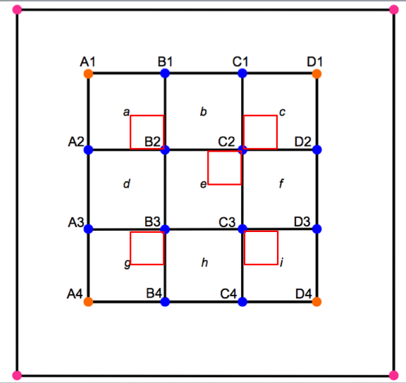
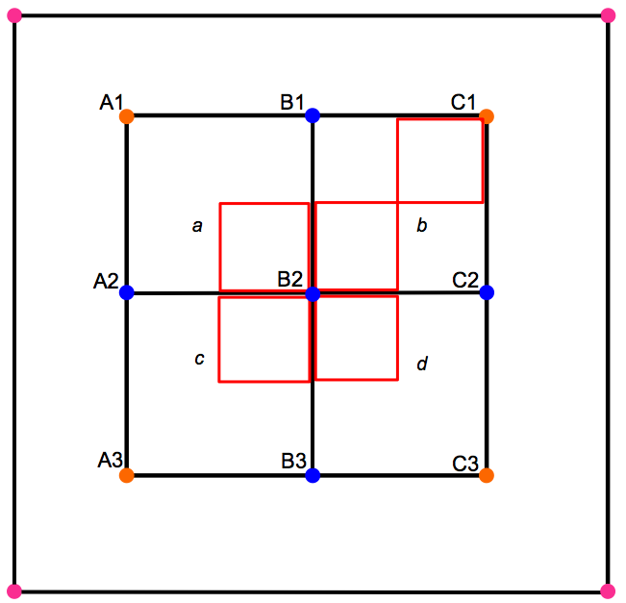
Tree Inventory Data for all MELNHE study sites: 2004-2011
Data collection by date:
2004 Bartlett sites, plots 1-3 (all size classes) done by Matt and crews after plots were established. See sidebar for best guesses on dates of inventory work by site in 2004
2005 Bartlett 4th plots (all size classese) done by Matt and crews when plots were established. All this work appears to have been completed by the end of June, if Matt's notes are to be believed. C4 was completely remeasured in June 2005 due to a large number of errors found in the 2004 data.
2008 Plots 1-3 @JB and HB plots done by Tim Fahey's crew when plots were established (late July - Aug).
Tagged trees @C6-1, C6-2, C6-4, and C9 done by Tim Fahey's crew (in Aug, led by Natalie).
2009 Tagged trees @JB and HB 4th plots done by Carrie Rose, Kikang, Mariann, and Matt when plots were established (late July).
Tagged trees @ C1, C2, C3-1, C4, C5-1, C5-2 C7, C8; 2-10 @ C1, C3-4) done by Carrie Rose, Bali, Kikang, Quinn, and Ruth.
2010 4th plots at JB and HB (2-10cm only), done in late July by Carrie Rose, Corrie, and Kikang.
C6-5 and C8-5 done (all size classes) by Matt and crew when plots were established on Aug 19-20.
2011 Full data collecton at all sites and all size was coordinated by Shinjini Goswami, in late July-Aug.
Data were checked and validated to the degree possible by Matt in September and October.
2012 Inventory will be conducted for plots HBCa-1 and HBCa-2 as early in the season as possible.
2014 Partial re-inventory and stem mapping done in some stands in early and late season (for details see "2014 Metadata" tab).
2015 Full data collecton at all sites and all size was coordinated by Shinjini Goswami, in early-Aug.
HBO-7, HBM-5 and HBCa-1 and -2 were inventoried on 25th and 26th Sept.
Data were entered by Shinjini, were checked and validated to the degree possible by Adam, Craig, Matt and Shinjini in September and October.
General Tree Inventory Methods:
Vegetation data for plots 1-3 at each site were collected in summer 2004 at each of the nine Bartlett Intensive Study sites. Data for plot 4 at each site were collected in summer 2005. The data were collected using a nested subplot design (measurements get done in the inner 30X30 m of each 50X50 m plot and that inner measurement area is divided into nine 10X10 m subplots. Within 5 of those subplots there are 5X5 m veg subplots; refer to diagram below to see which subplots have these veg plots). Sites at Jeffers Brook and Hubbard Brook were established in 2008-9.
Previously for years 2004-2009, the 10x10 meter subplots were designated with lowercase letters a-i. This system got changed starting in the 2011 inventory, in favor of a more direct system in which subplots are named for the lowest letter/number stake bounding the subplot (i.e. subplots A1, A2, A3, B1, B2, B3, C1, C2, C3; refer to diagram below). This system allows a person to figure out where they are even if a particular stake is not readable.
Tagged Trees (>10 cm DBH): Overstory trees, defined as those >=10.0cm DBH, were identified to species, DBH (diameter breast height) was recorded, and all trees were tagged within each 30x30m plot starting 2004. The 10x10m subplot ( A1-C3) is recorded for each tree. Tag numbers are unique within each plot, but are not necessarily unique among all sites. Trees that have entered the >10cm size class after 2004-2005 have recieved new tags (4-digit tags rather than the 3-digit tags used in 2004-5). Trees that enter the >= 10 cm DBH class in a particular year are referred to as “ingrowth”. These trees must receive a new tag and tin case of the five 5subplots where there is a 5X5 m veg plot their location either “in”- or “out “-side the 5x5 m veg subplot must be recorded. In case of trees in which the original tag was damaged or the tag was growing into the tree, such tags were removed when possible and replaced with a new 4-digit tag. Tags require maintenance over time: If the nail is pushing out or the bark is overgrowing the tag, the nail should be moved about 1 cm over. It is essential that the nail remain at exactly the same height. Tags on standing dead should be left on the tree because in the past trees have been wrongly marked “dead”, but they were actually alive. If it is posible, remove tags from dead trees on ground and keep those tags separate from new tags that would be used while re-inventorying. Questionable or missing data are highlighted in yellow, and was verified in 2011. Supplies required- Diamater tape, tags, dowel, hammer with prong end (to pull out nails), nails.
Changes in approach to selecting the height at which tree diameter is measured
It is essential to measure DBH in exactly the same place in each year of re-inventory, in order to detect small changes in diameter increment in response to treatments. In 2004-2005, distance from the ground surface was used to locate the measurement of DBH (diameter breast height, 1.35 m) and trees were tagged wherever was convenient. This introduces error into subsequent measurements, depending on where the ground surface is identified each time. In 2008, when sites C6 and C9 (plots 1-3) were re-surveyed by Tim Fahey's crew, trees were measured both at DBH ("DBH at 1.35") and 20 cm below each nail using a dowel on a hook ("DBH at dowel"). Some DBH measurements (particularly forked trees) were made at the height of the nail rather than 20cm below; these are noted as "at tag" trees in the notes column in the spreadsheet. In the future, nails will be placed at 1.55 m above the ground surface, and we will need to repeat the measurement at the "dowel" height as well to correct for bias.
A field crew attempted to measure all trees >10cm DBH in summer 2009. Most sites were visited, and all data were recorded in this spreadsheet (not all trees were measured). Tags were replaced when they were growing into trees, and the new tag number was recorded. Re-tagged trees were tagged at 1.55m, so that when DBH was measured with a dowel 20 cm below the nail, the DBH was measured at 1.35 m. All trees were measured with a dowel 20 cm below the nail where the tree was tagged.
Untagged trees (trees with DBH between 2-10 cm): Trees ranging from 2.0 cm dbh to 9.9 cm DBH were surveyed in 5x5 m subplots (For general 30x30 m MELNHE plots- located at the four corners: A1, A3, C1, C3 and middle of the plot: B2; For 20x20 m plots in HBM and JBM: A1, A2, B1 off of stake B2, B1 off of stake C1 and B2) identified by species and dbh recorded. Meter tapes were used to measure the 5x5 m área from the blue stake (refer to diagram below for plot layout) facing towards the center of the subplot. From the 2011 inventory, trees that are connected at base within a stand are grouped by numbers in order (for eg. Connected #1, means that the particular tree belongs to the group of trees that are identified as number 1 and so forth). Supplies required- Meter tapes, small diameter tapes (V notches could be used in situations where there are no available diameter tapes), chalk to mark the saplings.
Data from 2x2 m subplots are recorded for tree seedlings <2cm DBH and >50cm height. Individual seedlings are counted and identified by species. Supplies required- Measured 2x2 PVC pipes to measure the square or meter tapes.
Data from 1x1 m "germinant" plots (for everything <50cm height, including germinants; a germinant is a first year seedling) was taken in 2004/5 with tree surveys and in 2010 with herb surveys. Do the germinant inventory when you do the herbs. Germinants and herb inventories were not done in 2011 and 2015.
The ”tagged trees 10+ cm” tab in the inventory spreadsheet has tree inventory data from all previous tree inventories. The data for trees with 2-10 cm DBH have separate sheets for each year of collection because the trees are not identified and cannot be paired. Each measurement has an observation year associated with it. Starting in 2011, the observation date is recorded for each tree, to ensure that trees are remeasured during the same time of the season in each future inventory (Late July or August is the preferred time frame).
In 2011, we distingiushed bigtooth aspen from quaking aspen. Gray birch, white birch, and mountain paper birch are still all lumped as the white birch species complex.
All hard copies of the field sheets are archived with both Matt Vadeboncoeur (UNH) and Shinjini Goswami (Miami-OH).
Sidebar: Inventory dates from 2004, reconstructed from Matt's notes and emails
2004 (Bartlett sites, plots 1-3 only)
The first notes about vegetation inventory is on 6/14/2004. This is probably C4. (Note that the 2004 inventory of C4 was thrown out and redone in June 2005 due to a large number of errors; this makes sense if it was our training site!)
C3 was inventoried on June 17, 2004 C6 was inventoried June 21-28, 2004 C8 was inventoried June 28-29, 2004 (but the notes say we didn't yet have permission to tag within what was then our only stand inside the BEF jurisdiction, so maybe it was just the small trees to start?) C1 was inventoried June 29, 2004 C2 was inventoried on July 19, 2004 C5 and C9 were inventoried on July 21, 2004. The notes say these were the last sites to be done. I have no specific notes on when C7 was done, but it looks like it wasn't surveyed until after July 13? I might be able to find more on this by looking into my emails with Steve about finding the sites. There are notes of several crews working on inventory between July 13-21, but nothing specific about site. It may be that some of the sites listed above were only partially done on the date reported and finished during this week.

Vegetation Data Species Codes: (codes in gray are "retired")
code | common name(s) | scientific name(s) | Link to species info
ASH | White Ash | Fraxinus americana | http://plants.usda.gov/java/profile?symbol=FRAM2
ASP | Aspen (unspecified) | Populus spp.
BA | Bigtooth aspen | Populus grandidentata | http://plants.usda.gov/java/profile?symbol=POGR4
BASS | Basswood | Tilia americana | http://plants.usda.gov/java/profile?symbol=TIAM
BC | Black Cherry | Prunus serotina | http://plants.usda.gov/java/profile?symbol=PRSE2
BE | American Beech | Fagus grandifolia | http://plants.usda.gov/java/profile?symbol=FAGR
CC | American Hornbeam | Carpinus caroliniana | http://plants.usda.gov/java/profile?symbol=CACA18
DOG | Alternateleaf Dogwood | Cornus alternifolia | http://plants.usda.gov/java/profile?symbol=COAL2
FIR | Balsam Fir | Abies balsamea | http://plants.usda.gov/java/profile?symbol=ABBA
GB | Gray birch | Betula populifola | http://plants.usda.gov/java/profile?symbol=BEPO
HEM | Eastern Hemlock | Tsuga canadensis | http://plants.usda.gov/java/profile?symbol=TSCA
MM | Mountain Maple | Acer spicatum | http://plants.usda.gov/java/profile?symbol=ACSP2
MTASH | Mountain Ash | Sorbus americana | http://plants.usda.gov/java/profile?symbol=SOAM3
OV | Eastern Hophornbeam | Ostrya virginiana | http://plants.usda.gov/java/profile?symbol=OSVI
PC | Pin Cherry | Prunus pensylvanica | http://plants.usda.gov/java/profile?symbol=PRPE2
QA | Quaking aspen | Populus tremuloides | http://plants.usda.gov/java/profile?symbol=POTR5
RM | Red Maple | Acer rubrum | http://plants.usda.gov/java/profile?symbol=ACRU
RO | Northern Red Oak | Quercus rubra | http://plants.usda.gov/java/profile?symbol=QURU
RS | Red Spruce | Picea rubens | http://plants.usda.gov/java/profile?symbol=PIRU
SM | Sugar Maple | Acer saccharum | http://plants.usda.gov/java/profile?symbol=ACSA3
STM | Striped Maple | Acer pennsylvanicum | http://plants.usda.gov/java/profile?symbol=ACPE
VIB | Hobblebush | Viburnum lantanoides | http://plants.usda.gov/java/profile?symbol=VILA11
WB | White Birch species complex | Betula papyrifera or B. papyrifera var cordifolia (may include some B. populifolia) | http://plants.usda.gov/java/profile?symbol=BEPA
WP | Eastern White Pine | Pinus strobus | http://plants.usda.gov/java/profile?symbol=PIST
YB | Yellow Birch | Betula alleghaniensis | http://plants.usda.gov/java/profile?symbol=BEAL2
YEW | Canadian Yew | Taxus canadensis | http://plants.usda.gov/java/profile?symbol=TACA7
UNK | unknown species (used for dead trees without recognizable bark)
NONE | no trees in subplot (entered to confirm that plot was visited and data are not missing)

This is the original site layout diagram, created by Matt and Marty in 2004. This scheme was used in the 2004-5 inventories and basket layout, and the site maps have these subplot labels.
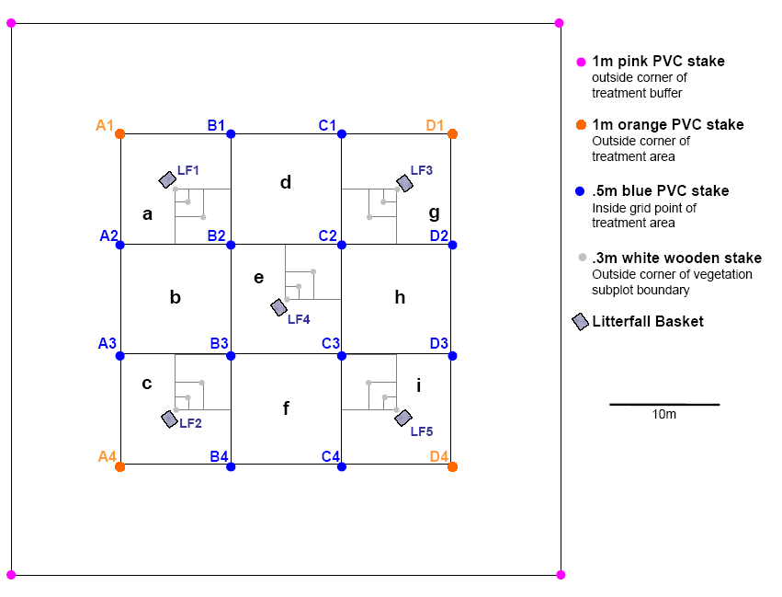

These diagrams were created in 2009(?) and may have been used in the inventories conducted after that date. Alternatively, site-specific maps based on the earlier scheme may have been used.

2011 10+ pvt
include_2011 | 1 |  | BASAL AREA (m2/plot) by species

Sum of BA (m2) |  | Species
SITE | Plot | ASH | ASP | BA | BASS | BC | BE | FIR | HEM | MTASH | PC | QA | RM | RO | RS | SM | STM | WB | YB | Grand Total | 10+cm total basal area (m2/ha)
C1 | 1 |  |  |  |  |  | 0.02 |  |  |  | 0.08 |  |  |  |  |  |  | 0.13 |  | 0.23 | 2.6
 | 2 |  |  |  |  |  |  |  |  |  | 0.05 |  |  |  |  |  |  | 0.05 |  | 0.10 | 1.1
 | 3 |  |  |  |  |  | 0.04 |  |  |  | 0.02 |  |  |  |  |  |  | 0.09 |  | 0.16 | 1.8
 | 4 |  |  |  |  |  |  |  |  |  | 0.03 |  | 0.01 |  | 0.01 |  |  | 0.15 |  | 0.20 | 2.2
 | 5 | 0.01 |  |  |  |  |  |  |  |  | 0.12 |  |  |  |  |  |  | 0.18 |  | 0.31 | 3.4
C2 | 1 |  |  |  |  |  | 0.03 |  |  |  | 0.01 |  | 0.09 |  |  |  |  | 0.02 |  | 0.15 | 1.6
 | 2 |  |  |  |  |  | 0.01 |  | 0.02 |  | 0.03 |  | 0.14 |  |  |  |  | 0.06 |  | 0.25 | 2.8
 | 3 |  |  |  |  |  | 0.15 |  |  |  | 0.08 |  | 0.14 |  |  |  |  | 0.04 | 0.02 | 0.43 | 4.8
 | 4 |  |  |  |  |  | 0.09 |  | 0.02 |  | 0.02 |  | 0.16 |  |  |  |  | 0.10 |  | 0.39 | 4.3
C3 | 1 | 0.02 |  |  |  |  | 0.36 |  |  |  | 0.19 |  | 0.53 |  | 0.02 | 0.29 | 0.02 | 0.09 | 0.07 | 1.57 | 17.5
 | 2 |  |  |  |  |  | 0.35 |  |  |  | 0.28 |  | 0.21 |  |  | 0.05 | 0.02 | 0.21 | 0.18 | 1.30 | 14.4
 | 3 |  |  |  |  |  | 0.25 |  |  |  | 0.35 |  | 0.25 |  |  | 0.02 | 0.07 | 0.15 | 0.06 | 1.15 | 12.8
 | 4 |  |  |  |  |  | 0.29 |  |  |  | 0.49 |  | 0.05 |  |  | 0.01 | 0.03 | 0.19 | 0.14 | 1.22 | 13.6
C4 | 1 |  |  | 0.64 |  |  | 0.13 |  | 0.07 |  | 0.28 |  | 0.19 |  |  |  |  | 0.70 | 0.03 | 2.05 | 22.8
 | 2 |  |  | 1.62 |  |  | 0.06 |  |  |  | 0.08 |  | 0.01 | 0.04 |  |  |  | 0.41 | 0.11 | 2.33 | 25.9
 | 3 | 0.08 |  | 0.01 |  | 0.03 | 0.08 |  |  |  | 0.16 | 0.02 | 0.30 | 0.05 |  | 0.01 |  | 1.01 | 0.01 | 1.75 | 19.4
 | 4 |  |  |  |  |  | 0.06 |  | 0.25 |  | 0.09 |  | 0.03 | 0.03 | 0.02 |  |  | 1.01 | 0.10 | 1.60 | 17.8
C5 | 1 |  |  |  |  |  | 0.08 |  |  |  | 0.13 |  | 0.12 | 0.04 |  | 0.01 |  | 0.85 | 0.10 | 1.33 | 14.8
 | 2 |  |  |  |  |  | 0.09 |  |  |  | 0.06 |  | 0.08 | 0.02 |  | 0.01 |  | 1.11 | 0.07 | 1.44 | 16.0
 | 3 |  |  |  |  |  | 0.07 |  |  |  | 0.08 |  | 0.06 |  |  | 0.02 |  | 1.07 | 0.01 | 1.31 | 14.5
 | 4 |  |  | 0.03 |  |  | 0.04 |  |  |  | 0.13 |  | 0.05 |  |  | 0.01 |  | 1.01 | 0.14 | 1.40 | 15.6
C6 | 1 |  |  |  |  |  | 0.28 |  | 0.12 |  | 0.09 |  | 0.73 |  | 0.02 | 0.05 | 0.01 | 0.60 | 0.41 | 2.30 | 25.6
 | 2 | 0.03 |  |  |  |  | 0.18 |  | 0.20 |  | 0.04 |  | 0.43 |  |  | 0.15 | 0.01 | 0.51 | 0.73 | 2.29 | 25.4
 | 3 |  | 0.04 |  |  |  | 0.24 |  | 0.04 |  | 0.17 |  | 0.72 |  |  | 0.04 |  | 0.43 | 0.55 | 2.23 | 24.8
 | 4 |  | 0.04 |  |  |  | 0.28 |  |  |  | 0.15 |  | 0.48 |  | 0.02 | 0.03 | 0.02 | 0.57 | 0.36 | 1.95 | 21.7
 | 5 | 0.56 |  |  |  |  | 0.37 |  | 0.18 |  | 0.09 |  | 0.42 |  |  | 0.09 | 0.04 | 0.30 | 0.57 | 2.63 | 29.2
C7 | 1 |  |  |  |  |  | 1.66 |  | 0.02 |  |  |  |  |  |  | 0.75 |  | 0.03 | 0.04 | 2.50 | 27.7
 | 2 | 0.38 |  |  |  |  | 1.48 |  |  |  |  |  |  |  |  | 0.46 |  |  |  | 2.32 | 25.8
 | 3 |  |  |  |  |  | 1.18 |  | 0.46 |  |  |  | 0.28 |  |  | 0.94 |  |  | 0.14 | 2.99 | 33.3
 | 4 |  |  |  |  |  | 1.74 |  |  |  |  |  | 0.17 |  |  | 1.14 |  |  | 0.15 | 3.20 | 35.6
C8 | 1 | 0.43 |  |  |  |  | 1.21 |  | 0.01 |  |  |  |  |  |  | 1.47 |  |  | 0.05 | 3.17 | 35.2
 | 2 | 0.24 |  |  | 0.21 |  | 1.43 |  | 0.02 |  |  |  |  |  |  | 1.30 |  |  |  | 3.20 | 35.6
 | 3 | 0.06 |  |  |  |  | 1.02 |  | 0.01 |  |  |  | 0.15 |  |  | 1.13 |  |  | 0.51 | 2.87 | 31.9
 | 4 | 0.14 |  |  |  |  | 1.56 |  | 0.02 |  |  |  |  |  |  | 0.71 |  |  | 0.33 | 2.76 | 30.6
 | 5 |  |  |  |  |  | 1.03 |  |  |  |  |  |  |  |  | 1.26 |  |  | 0.44 | 2.72 | 30.2
C9 | 1 |  |  |  |  |  | 0.60 |  |  |  |  |  |  |  |  | 1.39 |  |  | 0.76 | 2.76 | 30.7
 | 2 |  |  |  |  |  | 0.42 |  |  |  |  |  |  |  |  | 2.16 |  |  | 0.45 | 3.04 | 33.8
 | 3 |  |  |  |  |  | 1.10 |  |  |  |  |  |  |  |  | 1.45 |  |  | 0.16 | 2.70 | 30.1
 | 4 |  |  |  |  |  | 0.74 |  |  |  |  |  |  |  |  | 0.98 |  |  | 0.62 | 2.35 | 26.1
HBM | 1 | 0.01 |  |  |  |  |  |  |  |  | 0.10 |  | 0.04 |  |  | 0.03 |  | 0.27 | 0.59 | 1.03 | 25.7
 | 2 | 0.10 | 0.03 | 0.03 |  |  |  |  |  |  | 0.01 | 0.10 | 0.13 |  |  | 0.14 |  | 0.08 | 0.28 | 0.90 | 22.6
 | 3 |  |  | 0.07 |  |  | 0.01 |  |  |  | 0.01 | 0.03 | 0.09 |  |  | 0.10 |  | 0.16 | 0.46 | 0.94 | 23.5
 | 4 | 0.02 |  |  |  |  | 0.04 |  |  |  | 0.12 |  | 0.09 |  |  | 0.08 | 0.02 | 0.24 | 0.33 | 0.94 | 23.5
HBO | 1 |  |  |  |  |  | 0.84 |  |  |  |  |  |  |  | 0.23 | 0.04 |  |  | 2.30 | 3.41 | 37.9
 | 2 |  |  |  |  |  | 0.44 |  |  |  |  |  |  |  |  | 0.56 |  |  | 1.92 | 2.92 | 32.5
 | 3 | 0.09 |  |  |  |  | 0.60 |  |  |  |  |  |  |  |  | 0.14 |  |  | 1.60 | 2.42 | 26.9
 | 4 |  |  |  |  |  | 1.28 |  |  |  |  |  |  |  | 0.01 | 0.19 | 0.01 |  | 1.29 | 2.78 | 30.9
JBM | 1 |  |  |  |  |  |  |  |  |  | 0.11 |  |  |  |  | 0.11 | 0.01 | 0.17 | 0.25 | 0.65 | 16.2
 | 2 |  |  |  |  |  |  |  |  |  | 0.15 |  |  |  |  | 0.01 |  | 0.20 | 0.29 | 0.65 | 16.3
 | 3 |  | 0.11 |  |  |  | 0.02 |  |  |  | 0.02 | 0.02 |  |  |  | 0.20 |  | 0.12 | 0.24 | 0.72 | 18.0
 | 4 |  | 0.02 | 0.04 |  |  |  |  |  | 0.02 | 0.10 | 0.04 |  |  |  | 0.05 |  | 0.17 | 0.27 | 0.72 | 18.1
 | 5 |  | 0.03 |  |  |  |  |  |  |  | 0.09 |  |  |  |  | 0.17 |  | 0.03 | 0.25 | 0.58 | 14.4
JBO | 1 |  |  |  |  |  | 0.12 | 0.01 |  |  |  |  |  |  |  | 2.15 |  |  | 0.80 | 3.09 | 34.3
 | 2 |  |  |  |  |  | 0.17 |  |  |  |  |  |  |  |  | 2.31 |  |  | 0.45 | 2.93 | 32.6
 | 3 |  |  |  |  |  | 0.15 |  |  |  |  |  |  |  | 0.08 | 2.14 |  |  | 0.62 | 2.99 | 33.2
 | 4 |  |  |  |  |  |  |  |  |  |  |  |  |  |  | 3.47 |  |  |  | 3.47 | 38.5
 | 5 |  |  |  |  |  | 0.14 |  |  |  |  |  |  |  |  | 1.98 |  |  | 0.40 | 2.53 | 28.1

basal area of live tagged (10+cm) trees
 | ASH | ASP | BA | BASS | BC | BE | FIR | HEM | MTASH | PC | QA | RM
1 |  |  |  |  |  | 0.02 |  |  |  | 0.08
2 |  |  |  |  |  |  |  |  |  | 0.05
3 |  |  |  |  |  | 0.04 |  |  |  | 0.02
4 |  |  |  |  |  |  |  |  |  | 0.03 |  | 0.01
5 | 0.01 |  |  |  |  |  |  |  |  | 0.12
1 |  |  |  |  |  | 0.03 |  |  |  | 0.01 |  | 0.09
2 |  |  |  |  |  | 0.01 |  | 0.02 |  | 0.03 |  | 0.14
3 |  |  |  |  |  | 0.15 |  |  |  | 0.08 |  | 0.14
4 |  |  |  |  |  | 0.09 |  | 0.02 |  | 0.02 |  | 0.16
1 | 0.02 |  |  |  |  | 0.36 |  |  |  | 0.19 |  | 0.53
2 |  |  |  |  |  | 0.35 |  |  |  | 0.28 |  | 0.21
3 |  |  |  |  |  | 0.25 |  |  |  | 0.35 |  | 0.25
4 |  |  |  |  |  | 0.29 |  |  |  | 0.49 |  | 0.05
1 |  |  | 0.64 |  |  | 0.13 |  | 0.07 |  | 0.28 |  | 0.19
2 |  |  | 1.62 |  |  | 0.06 |  |  |  | 0.08 |  | 0.01
3 | 0.08 |  | 0.01 |  | 0.03 | 0.08 |  |  |  | 0.16 | 0.02 | 0.30
4 |  |  |  |  |  | 0.06 |  | 0.25 |  | 0.09 |  | 0.03
1 |  |  |  |  |  | 0.08 |  |  |  | 0.13 |  | 0.12
2 |  |  |  |  |  | 0.09 |  |  |  | 0.06 |  | 0.08
3 |  |  |  |  |  | 0.07 |  |  |  | 0.08 |  | 0.06
4 |  |  | 0.03 |  |  | 0.04 |  |  |  | 0.13 |  | 0.05
1 |  |  |  |  |  | 0.28 |  | 0.12 |  | 0.09 |  | 0.73
2 | 0.03 |  |  |  |  | 0.18 |  | 0.20 |  | 0.04 |  | 0.43
3 |  | 0.04 |  |  |  | 0.24 |  | 0.04 |  | 0.17 |  | 0.72
4 |  | 0.04 |  |  |  | 0.28 |  |  |  | 0.15 |  | 0.48
5 | 0.56 |  |  |  |  | 0.37 |  | 0.18 |  | 0.09 |  | 0.42
1 |  |  |  |  |  | 1.66 |  | 0.02
2 | 0.38 |  |  |  |  | 1.48
3 |  |  |  |  |  | 1.18 |  | 0.46 |  |  |  | 0.28
4 |  |  |  |  |  | 1.74 |  |  |  |  |  | 0.17
1 | 0.43 |  |  |  |  | 1.21 |  | 0.01
2 | 0.24 |  |  | 0.21 |  | 1.43 |  | 0.02
3 | 0.06 |  |  |  |  | 1.02 |  | 0.01 |  |  |  | 0.15
4 | 0.14 |  |  |  |  | 1.56 |  | 0.02
5 |  |  |  |  |  | 1.03
1 |  |  |  |  |  | 0.60
2 |  |  |  |  |  | 0.42
3 |  |  |  |  |  | 1.10
4 |  |  |  |  |  | 0.74
1 | 0.01 |  |  |  |  |  |  |  |  | 0.10 |  | 0.04
2 | 0.10 | 0.03 | 0.03 |  |  |  |  |  |  | 0.01 | 0.10 | 0.13
3 |  |  | 0.07 |  |  | 0.01 |  |  |  | 0.01 | 0.03 | 0.09
4 | 0.02 |  |  |  |  | 0.04 |  |  |  | 0.12 |  | 0.09
1 |  |  |  |  |  | 0.84
2 |  |  |  |  |  | 0.44
3 | 0.09 |  |  |  |  | 0.60
4 |  |  |  |  |  | 1.28
1 |  |  |  |  |  |  |  |  |  | 0.11
2 |  |  |  |  |  |  |  |  |  | 0.15
3 |  | 0.11 |  |  |  | 0.02 |  |  |  | 0.02 | 0.02
...

