legend colors
 | m |  |  |  |  |  |  |  |  |  | OUTDATED |  |  |  | CORRECTED
' | 1_1 | '= | " | # | E8E8E8 | " | '1_1'="#E8E8E8" |  |  |  | 1-E8E8E8 | 1 | - | E8E8E8 | 1-E8E8E8 | #E8E8E8"
' | 1_2 | '= | " | # | E5B1BE | " | '1_2'="#E5B1BE" |  |  |  | 2-B4E0D5 | 2 | - | E5B1BE | 2-E5B1BE | #E5B1BE"
' | 1_3 | '= | " | # | E37590 | " | '1_3'="#E37590" |  |  |  | 3-7AD7C0 | 3 | - | E37590 | 3-E37590 | #E37590"
' | 1_4 | '= | " | # | DE1648 | " | '1_4'="#DE1648" |  |  |  | 4-31CCA5 | 4 | - | DE1648 | 4-DE1648 | #DE1648"
' | 2_1 | '= | " | # | B4E0D5 | " | '2_1'="#B4E0D5" |  |  |  | 5-E5B1BE | 5 | - | B4E0D5 | 5-B4E0D5 | #B4E0D5"
' | 2_2 | '= | " | # | B4B1BE | " | '2_2'="#B4B1BE" |  |  |  | 6-B4B1BE | 6 | - | B4B1BE | 6-B4B1BE | #B4B1BE"
' | 2_3 | '= | " | # | B47590 | " | '2_3'="#B47590" |  |  |  | 7-7AB1BE | 7 | - | B47590 | 7-B47590 | #B47590"
' | 2_4 | '= | " | # | B41648 | " | '2_4'="#B41648" |  |  |  | 8-31B1A5 | 8 | - | B41648 | 8-B41648 | #B41648"
' | 3_1 | '= | " | # | 7AD7C0 | " | '3_1'="#7AD7C0" |  |  |  | 9-E37590 | 9 | - | 7AD7C0 | 9-7AD7C0 | #7AD7C0"
' | 3_2 | '= | " | # | 7AB1BE | " | '3_2'="#7AB1BE" |  |  |  | 10-B47590 | 10 | - | 7AB1BE | 10-7AB1BE | #7AB1BE"
' | 3_3 | '= | " | # | 7A7590 | " | '3_3'="#7A7590" |  |  |  | 11-7A7590 | 11 | - | 7A7590 | 11-7A7590 | #7A7590"
' | 3_4 | '= | " | # | 7A1648 | " | '3_4'="#7A1648" |  |  |  | 12-317590 | 12 | - | 7A1648 | 12-7A1648 | #7A1648"
' | 4_1 | '= | " | # | 31CCA5 | " | '4_1'="#31CCA5" |  |  |  | 13-DE1648 | 13 | - | 31CCA5 | 13-31CCA5 | #31CCA5"
' | 4_2 | '= | " | # | 31B1A5 | " | '4_2'="#31B1A5" |  |  |  | 14-B41648 | 14 | - | 31B1A5 | 14-31B1A5 | #31B1A5"
' | 4_3 | '= | " | # | 317590 | " | '4_3'="#317590" |  |  |  | 15-7A1648 | 15 | - | 317590 | 15-317590 | #317590"
' | 4_4 | '= | " | # | 311648 | " | '4_4'="#311648" |  |  |  | 16-311648 | 16 | - | 311648 | 16-311648 | #311648"

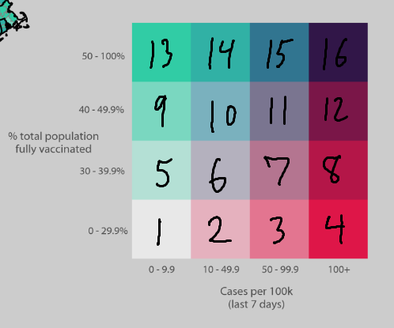
 |  |  |  |  |  |  |  | Vaccine | high-low | Case rate lower to higher

