BigPicture
+[Our code]
+Dockerfile
+deployment.yaml
+service.yaml

# Create registry docker run -d -p 8080:5000 --name registry /
--restart=always registry:2 # Build & Push docker image build -t myweb . docker image tag myweb localhost:8080/asnpahp/myweb docker image push localhost:8080/asnpahp/myweb
* curl http://localhost:8080/v2/_catalog

* Install docker
docker image build -t oujai/myweb .
or docker pull oujai/myweb
then docker container run oujai/myweb
# Enable kubernetes from docker
kubectl create -f deployment.yaml kubectl create -f service.yaml

 | Docker Hub
docker image tag oujai/myweb oujai/myweb docker image push oujai/myweb
Local Machine

 |  |  |  |  | Pod |  | Pod
 |  |  | Docker Registry |  | Containerised App
 |  |  |  |  | Containerised App |  |  | 1. Deployment
 |  |  |  |  |  |  |  | 2. Service
 |  |  |  |  |  | Kubenetes |  | 3. Ingress

 |  |  |  |  | Cluster |  |  |  | ClusterIP *Default
 |  |  |  |  | Node |  | Node |  | NodePort
Coding |  |  |  |  |  |  |  |  | LoadBalancer
 |  |  |  |  |  |  |  |  | ExternalName

 |  | CI |  | CD

Cloud
 |  |  | Docker Hub

Docker
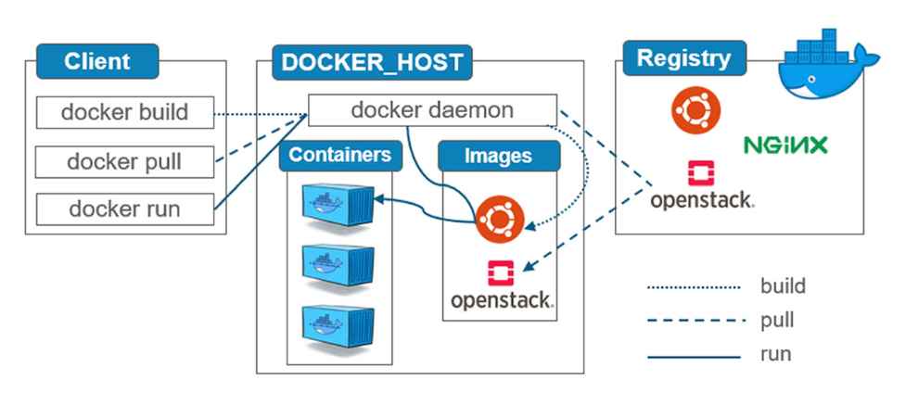

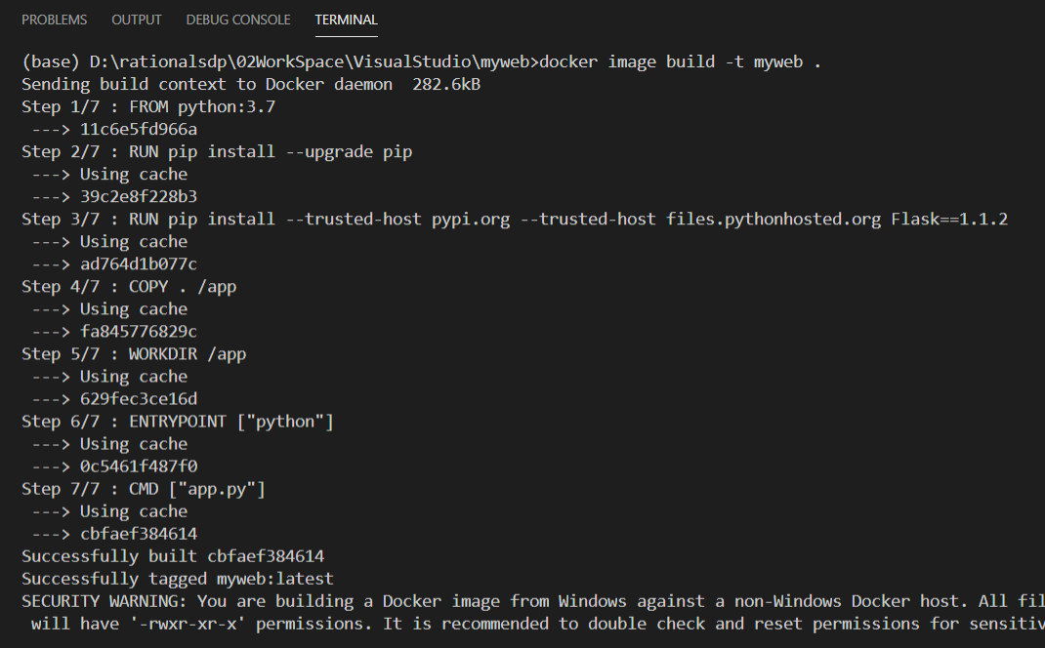
 | Docker Image * In Linux Containers
1 | FROM python:3.7

2 | RUN pip install --upgrade pip
3 | RUN pip install --trusted-host pypi.org --trusted-host files.pythonhosted.org Flask==1.1.2

4 | COPY . /app
5 | WORKDIR /app

6 | ENTRYPOINT ["python"]
7 | CMD ["app.py"]

 | (base) D:\rationalsdp\02WorkSpace\VisualStudio\myweb>
 | docker image build -t oujai/myweb . |  | Sending build context to Docker daemon 4.608kB
 |  |  | Step 1/7 : FROM python:3.7
 |  |  | ---> 5c1cd4638fb7
 |  |  | Step 2/7 : RUN pip install --upgrade pip
 |  |  | ---> Using cache
 |  |  | ---> a10ec6eef00e
 |  |  | Step 3/7 : RUN pip install --trusted-host pypi.org --trusted-host files.pythonhosted.org Flask==1.1.2
 |  |  | ---> Running in 993742224b55
 |  |  | Collecting Flask==1.1.2
 |  |  | Downloading Flask-1.1.2-py2.py3-none-any.whl (94 kB)
 |  |  | Collecting Werkzeug>=0.15
 |  |  | Downloading Werkzeug-1.0.1-py2.py3-none-any.whl (298 kB)
 |  |  | Collecting itsdangerous>=0.24
 |  |  | Downloading itsdangerous-1.1.0-py2.py3-none-any.whl (16 kB)
 |  |  | Collecting Jinja2>=2.10.1
 |  |  | Downloading Jinja2-2.11.2-py2.py3-none-any.whl (125 kB)
 |  |  | Collecting click>=5.1
 |  |  | Downloading click-7.1.2-py2.py3-none-any.whl (82 kB)
 |  |  | Collecting MarkupSafe>=0.23
 |  |  | Downloading MarkupSafe-1.1.1-cp37-cp37m-manylinux1_x86_64.whl (27 kB)
 |  |  | Installing collected packages: Werkzeug, itsdangerous, MarkupSafe, Jinja2, click, Flask
 |  |  | Successfully installed Flask-1.1.2 Jinja2-2.11.2 MarkupSafe-1.1.1 Werkzeug-1.0.1 click-7.1.2 itsdangerous-1.1.0
 |  |  | Removing intermediate container 993742224b55
 |  |  | ---> def971f662c8
 |  |  | Step 4/7 : COPY . /app
 |  |  | ---> ec8449fc722b
 |  |  | Step 5/7 : WORKDIR /app
 |  |  | ---> Running in c7b9c44e9428
 |  |  | Removing intermediate container c7b9c44e9428
 |  |  | ---> eb3e5b015cfb
 |  |  | Step 6/7 : ENTRYPOINT ["python"]
 |  |  | ---> Running in 014e626d3c5e
 |  |  | Removing intermediate container 014e626d3c5e
 |  |  | ---> c3c5a7e32f99
 |  |  | Step 7/7 : CMD ["app.py"]
 |  |  | ---> Running in 1e0d171974b5
 |  |  | Removing intermediate container 1e0d171974b5
 |  |  | ---> b23f72a6461e
 |  |  | Successfully built b23f72a6461e
 |  |  | Successfully tagged oujai/myweb:latest
 | # Try to start |  | SECURITY WARNING: You are building a Docker image from Windows against a non-Windows Docker host. All files and directories added to build context will have '-rwxr-xr-x' permissions. It is recommended to double check and reset permissions for sensitive files and directories.
 | docker container run oujai/myweb | no port
 | docker container ls
 | docker container stop c9d2e43341e5

 | # Try to start with port
 | docker container run -p 8080:5000 oujai/myweb | http://localhost:8080/

 | docker image tag oujai/myweb oujai/myweb
 | docker image push oujai/myweb

Kubenetes
name(user)
authenticate
Context

C:\Users\asnpahp\.kube\config
kubectl config set-cluster thicpadm-uat --server=https://10.140.101.205:8001
kubectl config set-context thicpadm-uat-context --cluster=thicpadm-uat
kubectl config set-credentials ASNPAHP --token=eyJ0eXAiO...HoRurA
kubectl config set-context thicpadm-uat-context --user=ASNPAHP --namespace=applications
kubectl config use-context thicpadm-uat-context
kubectl cluster-info
https://kubernetes.io/docs/reference/kubectl/cheatsheet/
Cluster
server url

Kubenetes Cluster DEV
Ingress

Service: myweb-svc
Service: yourweb-svc
deployment.yaml
env:
- name: deployMode
value: PRD
deployment.yaml
env:
- name: deployMode
value: UAT
Kubenetes Cluster UAT
Kubenetes Cluster PRD
Deployment
Pod
myweb
Deployment
Pod
yourweb

Persistent Volume

 | Kubernetes
1 | minikube start |  |  |  |  | * need to connect to external network
 | minikube start --wait=false
2 | Kubernetest that code with Docker desktop

Kubernetes version, type and name
 | Deployment
 | deployment.yaml
 | apiVersion: apps/v1 |  |  |  |  | kubectl create -f deployment.yaml
 | kind: Deployment |  |  |  |  | kubectl get deployment
 | metadata: |  |  |  |  | kubectl describe deployment myweb
 | name: myweb-deployment
 | labels:
Spec pod to replicas
 | app: myweb
 | spec: |  |  |  |  | curl 127.0.0.1:30080
 | replicas: 1 |  |  |  |  | > curl: (7) Failed to connect to 127.0.0.1 port 30080: Connection refused
match with pod
 | selector:
 | matchLabels:
Pod template
 | app: myweb
 | template: |  |  |  |  | kubectl port-forward pod/myweb-deployment-7fd6966748-7x6js 5580:5000
 | metadata: |  |  |  |  | curl 127.0.0.1:5580
 | labels:
 | app: myweb
 | spec:
 | containers:
 | - name: myweb-container
 | image: oujai/myweb:latest or image: localhost:8080/asnpahp/myweb:latest
 | ports:
 | - containerPort: 5000 |  |  |  |  | * containerPort is optional only declare to meet your app design
 | 1.Service-NodePort
Service version, type and name
 | service.yaml |  |  |  |  | kubectl create -f service.yaml
 | apiVersion: v1 |  |  |  |  | kubectl get svc
 | kind: Service |  |  |  |  | kubectl describe svc myweb-nodeport
 | metadata: |  |  |  |  | kubectl delete svc myweb-nodeport
 | name: myweb-nodeport |  |  |  |  | curl 127.0.0.1:30080
 | labels: |  |  |  |  | > Success
Service version, type and name
 | app: myweb
 | spec: |  |  |  |  | > use URL to try
 | type: NodePort |  |  |  |  | port: 8080 > internally to cluster applications
 | ports: |  |  |  |  | targetPort: 80 > forward requests to pods
 | - port: 5000 |  |  |  |  | nodePort: 30036 > externally to the cluster
 | nodePort: 30080
 | selector: |  |  |  |  | or
 | app: myweb |  |  |  |  | kubectl expose deployment/myweb-deployment --name=myweb-nodeport --port=30080 --type=NodePort
 | 2.Service-ClusterIP
 | service.yaml |  |  |  |  | kubectl apply -f service.yaml
 | apiVersion: v1 |  |  |  |  | Test
 | kind: Service |  |  |  |  | > 1. In cluster ($ kubectl run -i --tty ubuntu --image=ubuntu --restart=Never -- sh )
 | metadata: |  |  |  |  | > create anther deployment, service then exec bash in pod
 | name: myweb-clusterip |  |  |  |  | > curl myweb-clusterip:5000
 | labels: |  |  |  |  | > 2. Open optional proxy
 | app: myweb |  |  |  |  | > kubectl proxy --port=8080
 | spec: |  |  |  |  | > curl http://127.0.0.1:8080/api/v1/namespaces/default/services/myweb-clusterip/proxy/
 | type: ClusterIP
 | ports: |  |  |  |  | * Note: A Service can map any incoming port to a targetPort. By default and for convenience,
 | - port: 30081 |  |  |  |  | the targetPort is set to the same value as the port field.
 | targetPort: 5000
 | selector: |  |  |  |  | 1. port: 5000 > curl myweb-clusterip:5000
 | app: myweb |  |  |  |  | 2. port: 4000 targetPort: 5000 > curl myweb-clusterip:4000

Kubernetes
Cluster
Pod
Container
Container

Pod
Container

Service
App
Python: 5000
nodePort
30080
port 30081
targetPort
5000
cotainerPort
5000
 | External Traffic
 | host-ip:nodePort

 |  |  |  |  |  |  |  | kubectl delete svc myweb-nodeport
 | nodePort | * mean required |  |  |  |  |  | kubectl apply -f service.yaml
 | deployment | service |  |  | Cluster |  |  | Realworld
 | containerPort | nodePort | port* | targetPort
1 | - | - | 30081 | - | curl myweb-nodeport:30081 |  | X | curl 127.0.0.1:30081 | X
 |  |  |  |  |  |  |  | curl 127.0.0.1:5000
2 | - | - | 5000 | - | curl myweb-nodeport:5000 |  | Ok | curl 127.0.0.1:32021 | Ok Random NodePort
 |  | Auto |  |  | curl 10.106.25.108:5000 |  | Ok(IP) | curl 127.0.0.1:5000 | X
 |  | Random |  |  | curl 10.1.0.17:5000 |  | Ok(Endpoints)
 |  |  |  |  | curl 127.0.0.1:5000 |  | Ok
3 | - | 30080 | 5000 | - | curl myweb-nodeport:5000 |  | Ok | curl 127.0.0.1:30080 | Ok
 |  |  |  |  | curl 10.106.25.108:5000 |  | Ok(IP) | curl 10.99.17.9:30080 | X
 |  |  |  |  | curl 10.1.0.17:5000 |  | Ok(Endpoints)
 |  |  |  |  | curl 127.0.0.1:5000 |  | Ok
4 | - | 30080 | 30081 | 5000 | curl myweb-nodeport:5000 |  | X | curl 127.0.0.1:30080 | Ok
 |  |  |  |  | curl myweb-nodeport:30081 |  | Ok
 |  |  |  |  | curl 10.106.25.108:30081 |  | Ok(IP)
 |  |  |  |  | curl 10.1.0.17:5000 |  | Ok(Endpoints)
 |  |  |  |  | curl 127.0.0.1:5000 |  | Ok
 |  |  |  |  | curl 127.0.0.1:30080 |  | X
 |  |  |  |  | curl 127.0.0.1:30081 |  | X

 | ClusterIP | > there is no nodePort
 | deployment | service |  |  | Cluster |  |  | Realworld
 | containerPort | nodePort | port* | targetPort
1 | - | - | 5000 | - | curl myweb-clusterip:5000 |  | Ok | curl 127.0.0.1:5000 | X
 |  |  |  |  | curl 10.100.34.122:5000 |  | Ok(IP)
 |  |  |  |  | curl 10.1.0.17:5000 |  | Ok(Endpoints)
 |  |  |  |  | curl 127.0.0.1:5000 |  | Ok
2 | - | - | 30081 | 5000 | curl myweb-clusterip:30081 |  | Ok
 |  |  |  |  | curl 10.100.34.122:30081 |  | Ok(IP)
 |  |  |  |  | curl 10.1.0.17:5000 |  | Ok(Endpoints)
 |  |  |  |  | curl 127.0.0.1:5000 |  | Ok

 | 3.Ingress
 | ingress.yaml |  |  |  |  | enable ingress
 | apiVersion: extensions/v1beta1 |  |  |  |  | > kubectl apply -f https://raw.githubusercontent.com/kubernetes/ingress-nginx/controller-v0.35.0/deploy/static/provider/cloud/deploy.yaml
 | kind: Ingress |  |  |  |  | kubectl get svc --all-namespaces
 | metadata:
 | name: myweb-ingress |  |  |  |  | >(1) curl 127.0.0.1
 | spec:
 | rules:
 | - http:
 | paths:
 | - backend:
 | serviceName: myweb-clusterip
 | servicePort: 30081

 | ingress.yaml
 | apiVersion: networking.k8s.io/v1beta1 |  |  |  |  | >(2) curl 127.0.0.1/app
 | nginx.ingress.kubernetes.io/rewrite-target: /$1 |  |  |  |  | > curl 127.0.0.1/ >> not work
 | - path: /app

 | Summary
Docker
Kubernetes
Ingress
kubernetes-dashboard
Registry
Our machine
myweb
yourweb

