SampleData
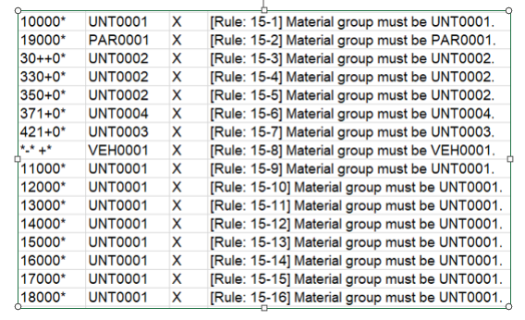
Material Group(7) | Description(20)
VEH0001 | Vehicle
UNT0001 | Engine
UNT0002 | Transmission
UNT0003 | Axles
UNT0004 | Propeller Shaft
PAR0001 | Part
DRM0001 | Direct Material

 |  | NOTES

