Sheet2
 | X | y | X - mean(X) | y - mean(y) | (X - mean(X)) ^ 2 | X - mean(X) * y - mean(y) | Predict (y) | Residuals | Residuals ^ 2 | X is called Independent variable
 | 8.5 | 20 | -0.52 | -4.8 | 0.2704 | 2.496 | 19.476190476 | 0.52380952381 | 0.27437641723 | y is called Dependent variable
 | 9.1 | 25 | 0.08 | 0.2 | 0.0064 | 0.016 | 25.619047619 | -0.61904761905 | 0.38321995465 | y is the one we want to predict
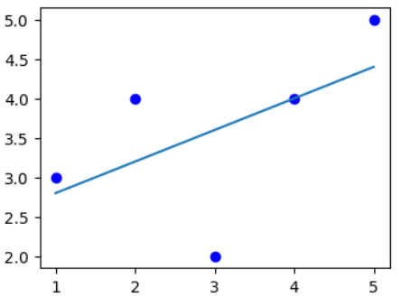
 | 8.8 | 22 | -0.22 | -2.8 | 0.0484 | 0.616 | 22.547619048 | -0.54761904762 | 0.29988662132
 | 9.5 | 30 | 0.48 | 5.2 | 0.2304 | 2.496 | 29.714285714 | 0.28571428571 | 0.081632653061
 | 9.2 | 27 | 0.18 | 2.2 | 0.0324 | 0.396 | 26.642857143 | 0.35714285714 | 0.12755102041
Mean | 9.02 | 24.8 |  |  | 0.1176 | 1.204
Sum | 45.1 | 124 |  |  | 0.4352 | 4.728 |  |  | 1.1666666667

 |  |  |  | m | 1.204/0.1176 | 10.238095238
 |  |  |  | c | (124 - 10.23809524 * 45.1)/5 | -67.547619048
 | X | Mouse Height
 | y | Mouse Weight
 | By using Mouse height we want to predict Mouse Weight |  |  |  |  | y = mx + c
 | Is Mouse Height good enough to predict Mouse Weight ? |  |  |  |  | c = y - mx
 | How much we can explain about the variance of Weight based on Height
 | 30%
 | This is not about acuracy, plus or minus values

