Sheet1
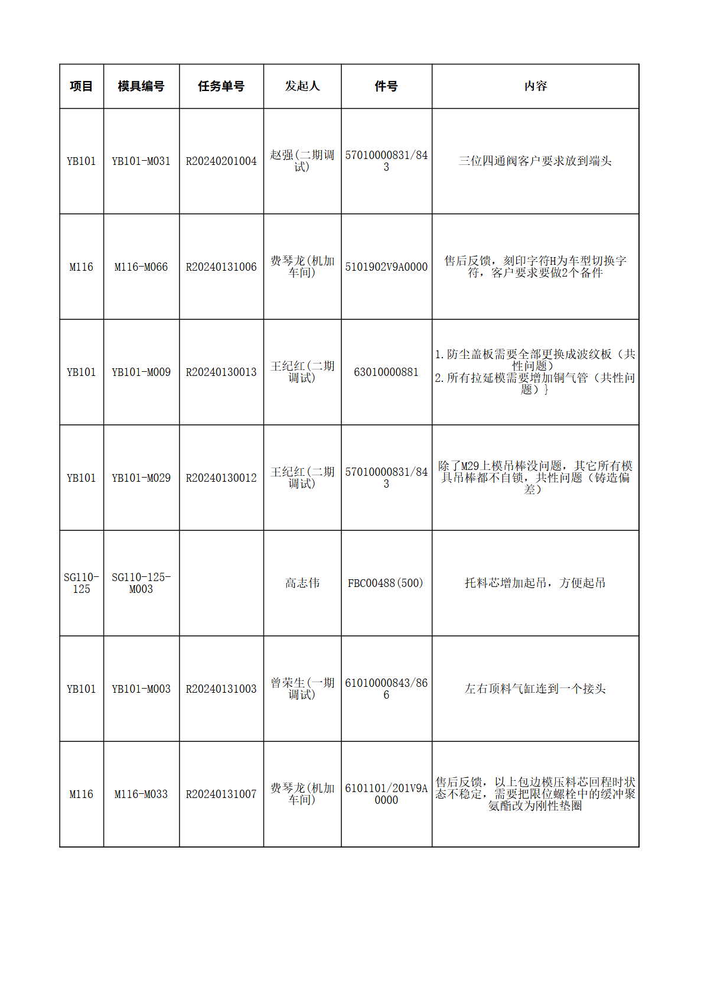
1
2
3
4
5

