Sheet1
12123

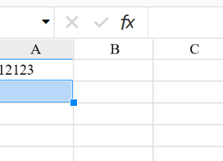

 | 123
 | 456

