Sheet1
(Iris) Purity of K-Means vs Number of Evaluations
Number of Evaluations | Base K-Means | Evolved K-Means
100 | 0.861111 | 0.872222
200 | 0.863333 | 0.964444
300 | 0.856667 | 0.966667
400 | 0.85 | 0.971111
500 | 0.854444 | 0.865556
600 | 0.85 | 0.86
700 | 0.851111 | 0.971111
800 | 0.856667 | 0.966667
900 | 0.856667 | 0.966667
1000 | 0.861111 | 0.964444
1100 | 0.863333 | 0.886667
1200 | 0.856667 | 0.966667
1300 | 0.85 | 0.971111
1400 | 0.854444 | 0.968889
1500 | 0.85 | 0.971111
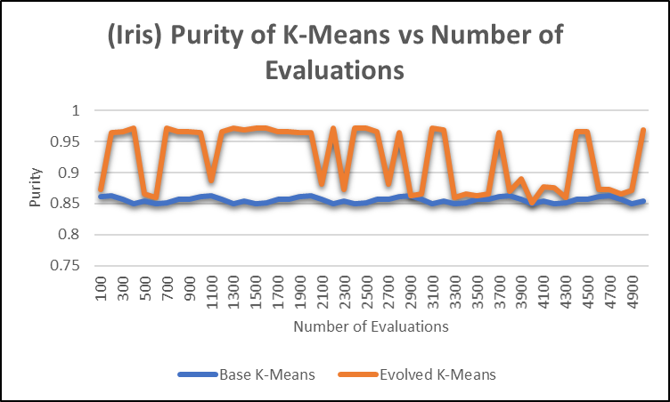
1600 | 0.851111 | 0.971111
1700 | 0.856667 | 0.966667
1800 | 0.856667 | 0.966667
1900 | 0.861111 | 0.964444
2000 | 0.863333 | 0.964444
2100 | 0.856667 | 0.881111
2200 | 0.85 | 0.971111
2300 | 0.854444 | 0.872222
2400 | 0.85 | 0.971111
2500 | 0.851111 | 0.971111
2600 | 0.856667 | 0.966667
2700 | 0.856667 | 0.881111
2800 | 0.861111 | 0.964444
2900 | 0.863333 | 0.862222
3000 | 0.856667 | 0.865555
3100 | 0.85 | 0.971111
3200 | 0.854444 | 0.968889
3300 | 0.85 | 0.86
3400 | 0.851111 | 0.865556
3500 | 0.856667 | 0.863333
3600 | 0.856667 | 0.865555
3700 | 0.861111 | 0.964444
3800 | 0.863333 | 0.87
3900 | 0.856667 | 0.89
4000 | 0.85 | 0.851111
4100 | 0.854444 | 0.876667
4200 | 0.85 | 0.875556
4300 | 0.851111 | 0.86
4400 | 0.856667 | 0.966667
4500 | 0.856667 | 0.966667
4600 | 0.861111 | 0.872222
4700 | 0.863333 | 0.872222
4800 | 0.856667 | 0.865555
4900 | 0.85 | 0.871111
5000 | 0.854444 | 0.968889

(Iris) Timing of K-Means vs Number of Evaluations
Number of Evaluations | Base K-Means | Evolved K-Means
100 | 6.70E-05 | 0.0002666
200 | 0.000116733 | 0.000183467
300 | 0.0001335 | 0.000150033
400 | 0.000166733 | 0.0001335
500 | 0.000100067 | 0.0002001
600 | 0.000116733 | 0.0002001
700 | 0.000116733 | 0.0001668
800 | 0.000116433 | 0.000183767
900 | 8.35E-05 | 0.000216767
1000 | 8.34E-05 | 0.000150067
1100 | 0.0001 | 0.000366967
1200 | 0.000116733 | 0.0001835
1300 | 6.67E-05 | 0.000183433
1400 | 0.000116733 | 0.000166933
1500 | 8.34E-05 | 0.000183367
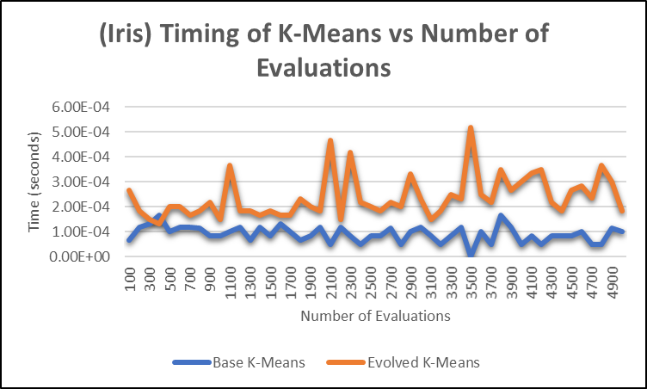
1600 | 0.000133433 | 0.0001668
1700 | 0.000100033 | 0.0001668
1800 | 6.67E-05 | 0.0002336
1900 | 8.32E-05 | 0.000200133
2000 | 0.000116767 | 0.000183433
2100 | 5.00E-05 | 0.000466967
2200 | 0.000116767 | 0.000150133
2300 | 8.34E-05 | 0.000416933
2400 | 5.00E-05 | 0.000216533
2500 | 8.34E-05 | 0.000200233
2600 | 8.34E-05 | 0.0001837
2700 | 0.000116167 | 0.000217067
2800 | 5.00E-05 | 0.0002005
2900 | 0.0001003 | 0.000333033
3000 | 0.0001168 | 0.0002335
3100 | 8.34E-05 | 0.000150333
3200 | 5.01E-05 | 0.0001834
3300 | 8.38E-05 | 0.000249767
3400 | 0.000116767 | 0.000233467
3500 | 0 | 0.000517033
3600 | 0.000100067 | 0.000250167
3700 | 5.00E-05 | 0.000218067
3800 | 0.000166667 | 0.000350367
3900 | 0.000116767 | 0.000266733
4000 | 5.00E-05 | 0.000300233
4100 | 8.33E-05 | 0.000333633
4200 | 5.00E-05 | 0.000350333
4300 | 8.34E-05 | 0.000217133
4400 | 8.31E-05 | 0.000184033
4500 | 8.31E-05 | 0.000267167
4600 | 0.000100267 | 0.000283067
4700 | 4.95E-05 | 0.000234
4800 | 5.03E-05 | 0.0003669
4900 | 0.0001164 | 0.000300233
5000 | 0.000100233 | 0.000183467

