Sheet1
(Isolet) Purity of K-Means vs Number of Evaluations
Number of Evaluations | Base K-Means | Evolved K-Means
100 | 0.541608 | 0.113748
200 | 0.531473 | 0.114176
300 | 0.537439 | 0.114411
400 | 0.539684 | 0.113684
500 | 0.548407 | 0.11332
600 | 0.536583 | 0.112615
700 | 0.537503 | 0.113983
800 | 0.531152 | 0.113021
900 | 0.535065 | 0.114069
1000 | 0.53932 | 0.114069
1100 | 0.535364 | 0.113299
1200 | 0.542613 | 0.113278
1300 | 0.54118 | 0.113149
1400 | 0.541159 | 0.114561
1500 | 0.537374 | 0.114026
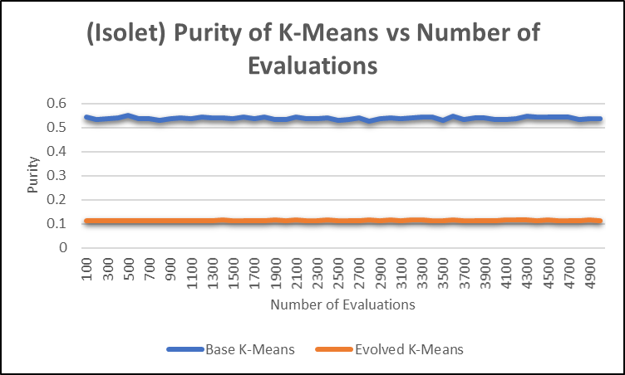
1600 | 0.542164 | 0.114154
1700 | 0.536925 | 0.113363
1800 | 0.544045 | 0.113855
1900 | 0.532286 | 0.114539
2000 | 0.532157 | 0.113941
2100 | 0.54257 | 0.114496
2200 | 0.537823 | 0.114154
2300 | 0.536092 | 0.114005
2400 | 0.53885 | 0.114603
2500 | 0.530169 | 0.114261
2600 | 0.532863 | 0.113855
2700 | 0.538593 | 0.114261
2800 | 0.526085 | 0.114561
2900 | 0.535664 | 0.113684
3000 | 0.541159 | 0.114625
3100 | 0.535814 | 0.113385
3200 | 0.539598 | 0.115159
3300 | 0.542998 | 0.114924
3400 | 0.544003 | 0.113449
3500 | 0.529527 | 0.114197
3600 | 0.547017 | 0.114774
3700 | 0.533504 | 0.114325
3800 | 0.53823 | 0.114154
3900 | 0.540475 | 0.113149
4000 | 0.534039 | 0.113598
4100 | 0.532414 | 0.115523
4200 | 0.537823 | 0.114539
4300 | 0.547103 | 0.114496
4400 | 0.544024 | 0.114047
4500 | 0.544537 | 0.114839
4600 | 0.54319 | 0.11439
4700 | 0.541758 | 0.113812
4800 | 0.533868 | 0.113427
4900 | 0.537225 | 0.114454
5000 | 0.537866 | 0.113128

(Isolet) Timing of K-Means vs Number of Evaluations
Number of Evaluations | Base K-Means | Evolved K-Means
100 | 1.59864 | 0.379597
200 | 1.68282 | 0.38195
300 | 1.73784 | 0.392257
400 | 1.50666 | 0.369504
500 | 1.64961 | 0.389218
600 | 1.62817 | 0.37263
700 | 1.64834 | 0.390335
800 | 1.56957 | 0.380815
900 | 1.77865 | 0.371122
1000 | 1.70966 | 0.398754
1100 | 1.54843 | 0.375501
1200 | 1.62914 | 0.42852
1300 | 1.35676 | 0.378165
1400 | 1.48465 | 0.372971
1500 | 1.53088 | 0.345647
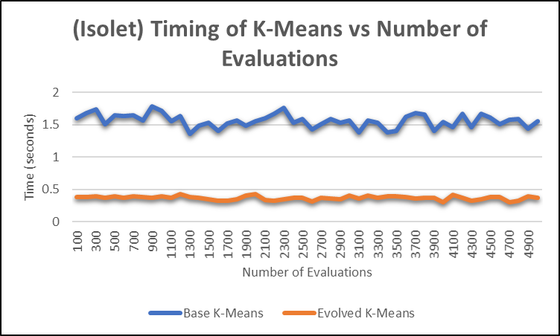
1600 | 1.40381 | 0.328667
1700 | 1.52085 | 0.324532
1800 | 1.565 | 0.346696
1900 | 1.48727 | 0.400862
2000 | 1.55799 | 0.425913
2100 | 1.60358 | 0.341879
2200 | 1.6653 | 0.320166
2300 | 1.76063 | 0.353016
2400 | 1.52494 | 0.36963
2500 | 1.58878 | 0.36934
2600 | 1.42833 | 0.318249
2700 | 1.50416 | 0.3749
2800 | 1.58728 | 0.354619
2900 | 1.53117 | 0.351383
3000 | 1.56645 | 0.403886
3100 | 1.38131 | 0.36229
3200 | 1.55965 | 0.405761
3300 | 1.52857 | 0.375166
3400 | 1.38628 | 0.393225
3500 | 1.4053 | 0.397583
3600 | 1.61866 | 0.377945
3700 | 1.67762 | 0.358821
3800 | 1.65586 | 0.373932
3900 | 1.40954 | 0.367794
4000 | 1.53843 | 0.298545
4100 | 1.46507 | 0.414626
4200 | 1.67335 | 0.373099
4300 | 1.46478 | 0.32533
4400 | 1.66309 | 0.34628
4500 | 1.606 | 0.381671
4600 | 1.50538 | 0.381804
4700 | 1.5813 | 0.303667
4800 | 1.58993 | 0.326966
4900 | 1.43319 | 0.389878
5000 | 1.55129 | 0.375666

