Sheet1
(Wine) Purity of K-Means vs Number of Evaluations
Number of Evaluations | Base K-Means | Evolved K-Means
100 | 0.668571 | 0.712381
200 | 0.664762 | 0.764762
300 | 0.661905 | 0.769524
400 | 0.664762 | 0.793333
500 | 0.669524 | 0.845714
600 | 0.664762 | 0.850476
700 | 0.66 | 0.826667
800 | 0.665714 | 0.857143
900 | 0.669524 | 0.839047
1000 | 0.665714 | 0.850476
1100 | 0.66 | 0.870476
1200 | 0.665714 | 0.857143
1300 | 0.669524 | 0.845714
1400 | 0.664762 | 0.843809
1500 | 0.66 | 0.872381
1600 | 0.665714 | 0.861905
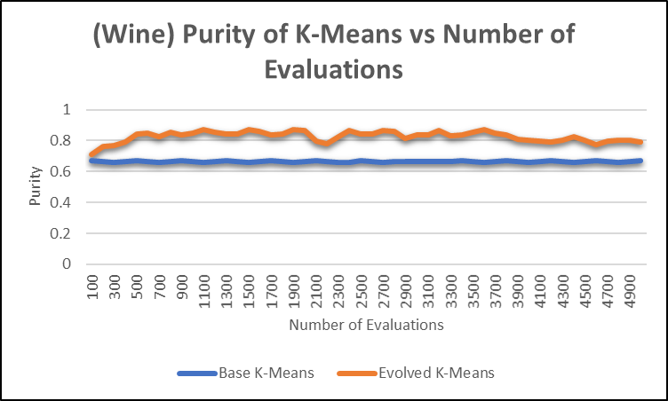
1700 | 0.669524 | 0.839048
1800 | 0.663809 | 0.844762
1900 | 0.661905 | 0.874286
2000 | 0.664762 | 0.863809
2100 | 0.668571 | 0.799048
2200 | 0.665714 | 0.781905
2300 | 0.661905 | 0.827619
2400 | 0.661905 | 0.865714
2500 | 0.668571 | 0.844762
2600 | 0.665714 | 0.843809
2700 | 0.661905 | 0.864762
2800 | 0.662857 | 0.86
2900 | 0.667619 | 0.814286
3000 | 0.666667 | 0.839048
3100 | 0.663809 | 0.839048
3200 | 0.662857 | 0.866667
3300 | 0.665714 | 0.834286
3400 | 0.668571 | 0.839048
3500 | 0.664762 | 0.857143
3600 | 0.66 | 0.870476
3700 | 0.666667 | 0.851428
3800 | 0.668571 | 0.839047
3900 | 0.665714 | 0.810476
4000 | 0.66 | 0.803809
4100 | 0.665714 | 0.798095
4200 | 0.669524 | 0.789524
4300 | 0.665714 | 0.804762
4400 | 0.659047 | 0.822857
4500 | 0.666667 | 0.802857
4600 | 0.668571 | 0.774286
4700 | 0.665714 | 0.799048
4800 | 0.66 | 0.802857
4900 | 0.664762 | 0.802857
5000 | 0.668571 | 0.792381

(Wine) Timing of K-Means vs Number of Evaluations
Number of Evaluations | Base K-Means | Evolved K-Means
100 | 0.000133367 | 0.0002506
200 | 0.000333133 | 0.0002002
300 | 0.000216667 | 0.000250267
400 | 0.000166767 | 0.0012846
500 | 0.000183167 | 0.000267067
600 | 0.000100333 | 0.0003503
700 | 0.000166433 | 0.000684167
800 | 0.0002505 | 0.000233167
900 | 0.000116733 | 0.0003336
1000 | 0.0001169 | 0.0003501
1100 | 0.000233567 | 0.000267067
1200 | 9.98E-05 | 0.000417533
1300 | 0.0001827 | 0.000267367
1400 | 9.98E-05 | 0.000366967
1500 | 0.000233533 | 0.0002001
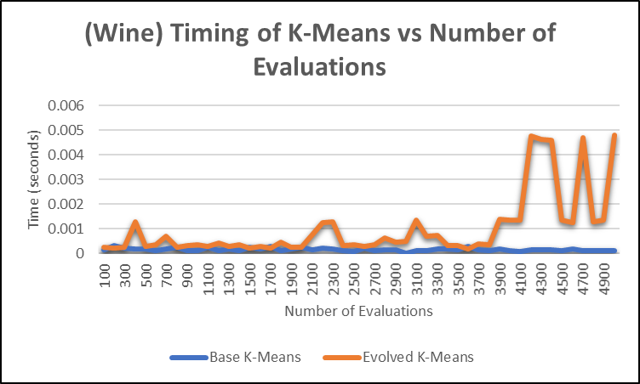
1600 | 0.000183433 | 0.000300233
1700 | 0.000283833 | 0.0002002
1800 | 0.000116867 | 0.0004502
1900 | 0.000183467 | 0.0002502
2000 | 0.000233667 | 0.000233367
2100 | 0.000133567 | 0.000750433
2200 | 0.0002002 | 0.00123417
2300 | 0.000183567 | 0.00126767
2400 | 0.000117833 | 0.000333567
2500 | 6.68E-05 | 0.000366933
2600 | 0.0002168 | 0.0002669
2700 | 9.98E-05 | 0.0003672
2800 | 0.0001334 | 0.0006184
2900 | 0.000133433 | 0.000467033
3000 | 1.65E-05 | 0.000483833
3100 | 0.000116767 | 0.0013506
3200 | 0.000116633 | 0.000684233
3300 | 0.000183567 | 0.000733733
3400 | 0.0001668 | 0.000333533
3500 | 0.0001334 | 0.000316933
3600 | 0.0003002 | 0.000183467
3700 | 0.000150067 | 0.000400233
3800 | 0.000116967 | 0.000350233
3900 | 0.000183067 | 0.0013847
4000 | 0.000100033 | 0.0013513
4100 | 8.41E-05 | 0.00134997
4200 | 0.000151133 | 0.00475323
4300 | 0.0001506 | 0.0046377
4400 | 0.000134167 | 0.0046051
4500 | 0.0001163 | 0.00135153
4600 | 0.000183533 | 0.00125103
4700 | 0.000117367 | 0.00470387
4800 | 0.000116667 | 0.00128433
4900 | 0.000100867 | 0.0013672
5000 | 0.000116767 | 0.0048033

