CUSTOMER INTELLIGENCE AND ORDER
CUSTOMER INTELLIGENCE AND ORDER BEHAVIOUR DASHBOARD

Average Rating
Fast Delivery
Average Customer Age
Orders By Gender
Row Labels | Count of Order_ID |  | Row Labels | Average of Order_Value |  | Count of Order_ID | Column Labels
18-24 | 1,463 |  | 18-24 | 827 |  | Row Labels | new | repeat | Grand Total
25-35 | 2,307 |  | 25-35 | 823 |  | Bangalore | 1,517 | 167 | 1,684
36-50 | 3,238 |  | 36-50 | 816 |  | Chennai | 1,446 | 168 | 1,614
50+ | 2,992 |  | 50+ | 818 |  | Delhi | 1,495 | 166 | 1,661
CUSTOMER INTELLIGENCE AND ORDER BEHAVIOUR DASHBOARD
Grand Total | 10,000 |  | Grand Total | 820 |  | Hyderabad | 1,544 | 177 | 1,721
3
157
10,000
 |  |  |  |  |  | Mumbai | 1,511 | 159 | 1,670

Row Labels | Count of Order_ID |  | Row Labels | Count of Customer_ID |  | Pune | 1,474 | 176 | 1,650
Female | 5,015 |  | Bangalore | 1,684 |  | Grand Total | 8,987 | 1,013 | 10,000
Male | 4,985 |  | Chennai | 1,614 |  |  |  |  |  | Count of Age_Group
Grand Total | 10,000 |  | Delhi | 1,661 |  | Row Labels | Average of Customer_Rating |  |  | 10,000
Orders By Age Group
 |  |  | Hyderabad | 1,721 |  | Bangalore | 2.993
Average Order Value By Age Group
 |  |  | Mumbai | 1,670 |  | Chennai | 2.971

 |  |  | Pune | 1,650 |  | Delhi | 3.004 |  |  | Count of Repeat_customer
 |  |  | Grand Total | 10,000 |  | Hyderabad | 2.998 |  |  | 10000
 |  |  |  |  |  | Mumbai | 3.047
 |  |  |  |  |  | Pune | 2.940
 |  |  |  |  |  | Grand Total | 3

RESTAURANT PERFORMANCE AND FOOD INTELLIGANCE DASHBOARD

 |  |  |  | Row Labels | Count of Delivery_Speed | Average of Customer_Rating
 | Row Labels | Count of Order_ID |  | 22 | 165 | 2.84
 | High | 2,011 |  | 31 | 158 | 2.91
 | Low | 4,059 |  | 43 | 159 | 3.19
 | medium | 3,930 |  | 44 | 163 | 2.88
 | Grand Total | 10,000 |  | 45 | 164 | 2.98
 |  |  |  | 53 | 168 | 3.15
 |  |  |  | 54 | 158 | 3.16
 |  |  |  | 58 | 188 | 3.05
Repeat Customers By City
Average Rating By city
 |  |  |  | 63 | 157 | 2.94
 |  |  |  | 69 | 162 | 3.11
 |  |  |  | 71 | 157 | 2.86
 |  |  |  | 83 | 157 | 2.82
 |  |  |  | Grand Total | 1,956 | 3

REVENUE INTELLIGENCE AND DELIVERY EFFICENCY DASHBOARD

Unique Customer By City
Reasons for Low Rating

Delivery Time Vs Rating

RESTAURANT AND FOOD PERFORMANCE
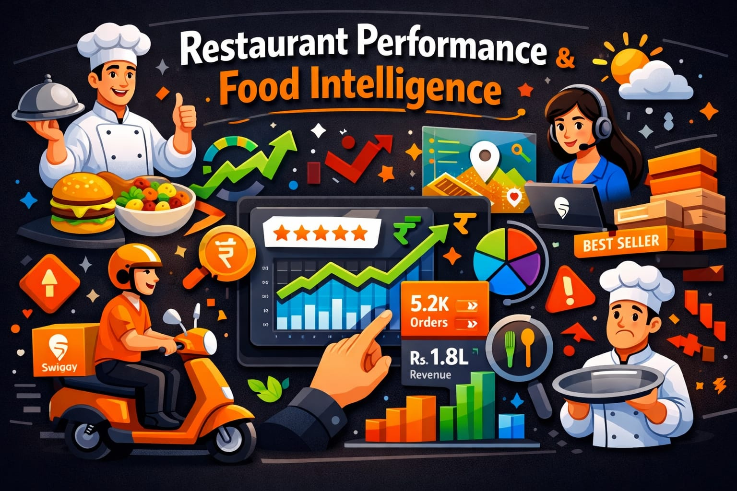
RESTAURANT PERFORMANCE AND FOOD INTELLIGENCE DASHBOARD
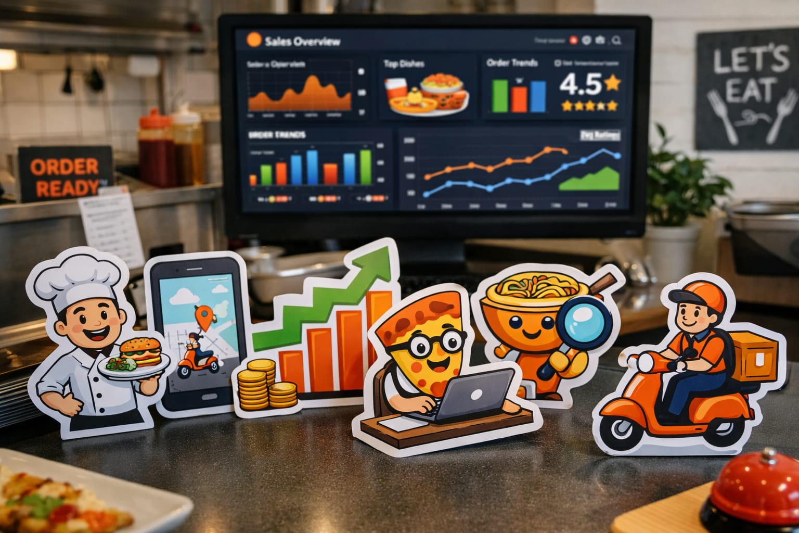

Row Labels | Count of Order_ID |  | Row Labels | Count of Order_ID
Bawarchi | 1,267 |  | Biryani | 1,666
Burger King | 1,311 |  | Burger | 1,682 | Sum of Order_Value
Dominos | 1,208 |  | Chinese | 1,612 | 8,197,229
KFC | 1,261 |  | Pizza | 1,741
McDonalds | 1,222 |  | Sandwich | 1,597 | Count of Restaurant_Name
Food Category Orders
Paradise | 1,223 |  | South Indian | 1,702 | 10,000

Total Restaurants
Pizza Hut | 1,314 |  | Grand Total | 10000
Subway | 1,194 |  |  |  | Average of Customer_Rating
Grand Total | 10,000 |  |  |  | 3

CUSTOMER INTELLIGRNCE AND ORDER BEHAVIOUR DASHBOARD
Row Labels | Average of Customer_Rating
Bawarchi | 3.038 |  | Row Labels | Average of Delivery_Time_Min
Burger King | 2.953 |  | Bangalore | 54.79
Dominos | 3.009 |  | Chennai | 54.28
10,000
KFC | 3.028 |  | Delhi | 53.39
McDonalds | 3.008 |  | Hyderabad | 54.73
Paradise | 2.935 |  | Mumbai | 54.51
Pizza Hut | 2.991 |  | Pune | 54.61
Subway | 2.977 |  | Grand Total | 54
Grand Total | 3
 |  | Row Labels | Count of Rating_categeory

Row Labels | Average of Customer_Rating | Bawarchi | 1,267
Highest Revenue Food Category
Bawarchi | 3.038 | Burger King | 1,311
Burger King | 2.953 | Dominos | 1,208
Dominos | 3.009 | KFC | 1,261
KFC | 3.028 | McDonalds | 1,222
High Rating Restaurants
McDonalds | 3.008 | Paradise | 1,223
Paradise | 2.935 | Pizza Hut | 1,314
Revenue By Food
Pizza Hut | 2.991 | Subway | 1,194
Subway | 2.977 | Grand Total | 10,000
Grand Total | 3
RESTAURANT PERFORMANCE AND FOOD INTELLIGENCE DASHBOARD
81,97,229
 | Row Labels | Sum of Order_Value
 | Biryani | 1,370,894
 | Burger | 1,384,046
 | Chinese | 1,334,318
 | Pizza | 1,401,770
 | Sandwich | 1,304,105

Average Restaurants Rating
 | South Indian | 1,402,095
 | Grand Total | 8,197,229

3

REVENUE INTELLIGENCE AND DELIVERY EFFICIENCY DASHBOARD

Average Rating By Restaurant
Average Delivery Time By city Or Restaurant

Restaurants Needing Improvement
High Rating Restaurants

REVENUE INTELLIGENCE &DELIVERY
Row Labels | Sum of Order_Value | Count of Order_ID | Column Labels
Bangalore | 1,393,086 | Row Labels | Card | Cash | UPI | Wallet | Grand Total
Chennai | 1,309,348 | 2022 | 839 | 830 | 835 | 825 | 3329
REVENUE INTELLIGENCE AND DELIVERY EFFICIENCY DASHBOARD

Delhi | 1,365,017 | 2023 | 851 | 803 | 855 | 842 | 3351

Hyderabad | 1,390,117 | 2024 | 857 | 840 | 806 | 817 | 3320
Mumbai | 1,380,718 | Grand Total | 2,547 | 2,473 | 2,496 | 2,484 | 10,000
Pune | 1,358,943
Grand Total | 8,197,229

Total Order Value
Average Delivery Time
Payment Split
Average of Delivery Fee
Count of Delivery Time
Row Labels | Count of Order_ID | Row Labels | Average of Delivery_Fee |  | Count of Order_ID | Column Labels |  |  | Count of Delivery_Time_Min
Card | 2,547 | Bangalore | 70 |  | Row Labels | high | normal | Grand Total | 10,000
Cash | 2,473 | Chennai | 70 |  | Bangalore | 1,366 | 318 | 1,684
UPI | 2,496 | Delhi | 70 |  | Chennai | 1,314 | 300 | 1,614
Wallet | 2,484 | Hyderabad | 70 |  | Delhi | 1,357 | 304 | 1,661
Grand Total | 10,000 | Mumbai | 70 |  | Hyderabad | 1,373 | 348 | 1,721
 |  | Pune | 71 |  | Mumbai | 1,368 | 302 | 1,670
81,97,229
54
70
91
 |  | Grand Total | 70 |  | Pune | 1,350 | 300 | 1,650
 |  |  |  |  | Grand Total | 8,128 | 1,872 | 10,000

CUSTOMER INTELLIGENCE AND ORDER BEHAVIOUR
Row Labels | Average of Delivery_Time_Min
Bangalore | 55 | Row Labels | Count of Delivery_Time_Min |  | Row Labels | Average of Delivery_Time_Min | Count of Order_ID
Chennai | 54 | 3.3 | 85 |  | Bangalore | 55 | 1,684
Delhi | 53 | 3.7 | 85 |  | Chennai | 54 | 1,614
Hyderabad | 55 | 5.5 | 84 |  | Delhi | 53 | 1,661
Mumbai | 55 | 6.8 | 84 |  | Hyderabad | 55 | 1,721
Pune | 55 | 6.9 | 86 |  | Mumbai | 55 | 1,670
Payment Trend
Revenue By City
Average Delivery Fee By City
Grand Total | 54 | 7.8 | 89 |  | Pune | 55 | 1,650
 |  | 9 | 84 |  | Grand Total | 54 | 10,000
 |  | 9.6 | 89
 |  | 10.7 | 84
RESTAURANT PERFORMANCE AND FOOD INTELLIGENCE DASHBOARD
 |  | 11.5 | 87
Row Labels | Count of Delivery_Delay | 13.1 | 84 |  | Row Labels | Count of Delivery_Speed
Bangalore | 1,684 | 13.3 | 84 |  | Bawarchi | 1,267
Chennai | 1,614 | 13.8 | 91 |  | Burger King | 1,311
Delhi | 1,661 | Grand Total | 1,116 |  | Dominos | 1,208
Hyderabad | 1,721 |  |  |  | KFC | 1,261
Mumbai | 1,670 |  |  |  | McDonalds | 1,222
Pune | 1,650 |  |  |  | Paradise | 1,223
Grand Total | 10,000 |  |  |  | Pizza Hut | 1,314
 |  |  |  |  | Subway | 1,194
 |  |  |  |  | Grand Total | 10,000
REVENUE INTELLIGENCE AND DELIVERY EFFICIENCY DASHBOARD

High -Value Orders By City
Average Delivery Time By City
Distance Vs Delivery Time

Orders Vs Average Delivery Time
Cancellation Risk By City
Slow Orders By Restaurant

