Proforma Invoice
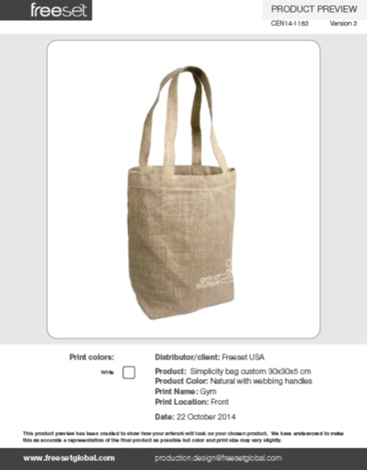
Freeset will manufacture based on the specifications below. Your order will not begin production until the form is complete and returned with your name typed in the "signature" space below. By signing, I accept Freeset Bags & Apparel's Terms and Conditions. My signature confirms truth to the Intellectual Property statement within this document. I understand I am liable and financially responsible for any amendments made after submission of this form. I authorize production to begin solely based on the specifications within this document. |  |  |  |  |  |  |  |  |  | Intellectual Property Statement |  |  |  |  |  |  |  |  |  |  |  |  | 1.1
 |  |  |  |  |  |  |  |  |  | I/we declare that I/we own or have legally obtained the right to use all elements (both text and image) of the graphic design submitted for the customization of this product.
 |  |  |  |  |  |  |  |  |  |  |  |  |  |  |  |  |  | Yes |  |  | Freeset Bag & Apparel Pvt Ltd 172 Ramesh Dutta St Kolkata 700006 INDIA sales@freesetglobal.com
 |  |  |  |  |  |  |  |  |  | Publicity Release
 |  |  |  |  |  |  |  |  |  | I/we are happy for photos of our product to be used in future Freeset publicity materials. |  |  |  |  |  |  |  | Yes

 |  |  |  |  |  |  |  |  |  | Customer Signature: |  | Test |  |  |  | Date: | 22-Nov-14
 |  |  |  |  |  |  |  |  |  |  |  |  |  | Type your name here
Freeset Order No. | Customer Ref. No. |  | Payment terms | Currency | Shipping date (ex Kolkata) | Required delivery date | Shipping method | Withhold invoice | FOB / CIF | Shipping account No. | GSP / Certificate of Origin | Duty charged to
B14-1183 |  |  | 100% advance | USD | 30 Nov. 2014 | 09 Dec. 2014 | Customer Shipping | Yes | ex-Works | None | None | Buyer

Product Name | Product code | Order ID | Customer ref. code | H.S. code | Size: h x w x d (cm) | Front Fabric & Color | Gusset Fabric & Color | Handles & Shoulder straps | Flap Fabric & Color | Lining Type & Color | Pockets & accessories | Fastener type | Label & swing tag | Print name | Print colors per location |  |  |  |  | Extras | Quantity | Unit Price | Total
 |  |  |  |  |  |  |  |  |  |  |  |  |  |  | Front | Back | Left side | Right side | Other
Simplicity Bag | EN001 | a | None | None | 30 x 30 x 5 | Natural Unlaminated Jute | None | Jute Webbing/2.5x56 natural/ | None | None | None | None | Standard Freeset Label/Freeset Bag Swing Tag | GYM | 1 | 0 | 0 | 0 | 0 | None | 500 | US$1.26 | US$630.00

*All dimensions are given in cm unless specified otherwise |  |  |  |  |  |  |  |  |  |  |  |  |  |  |  |  |  |  |  | Total qty: | 500 | Total Price: | $0.00

Special Instructions (if any) |  |  |  |  |  |  |  |  |  |  |  |  |  |  |  |  |  |  |  |  | Subtotal |  | $0.00
 |  |  |  |  |  |  |  |  |  |  |  |  |  |  |  |  |  |  |  |  | Custom tags & labels
 |  |  |  |  |  |  |  |  |  |  |  |  |  |  |  |  |  |  |  |  | GSP certificate
 |  |  |  |  |  |  |  |  |  |  |  |  |  |  |  |  |  |  |  |  | Admin & Handling |  | $10.00
 |  |  |  |  |  |  |  |  |  |  |  |  |  |  |  |  |  |  |  |  | Shipping & Insurance |  | $17.16
 |  |  |  |  |  |  |  |  |  |  |  |  |  |  |  |  |  |  |  |  | Total (USD) |  | $27.16

 | Billing address (Buyer) |  |  |  |  | Delivery address (Consignee)

Name | Saba A AlJuraifani |  |  |  | Name | Saba A AlJuraifani
Address | P.O.Box 75318 Riyadh 11578 |  |  |  | Address | P.O.Box 75318 Riyadh 11578
ZIP Code | Riyadh 11578 |  |  |  | ZIP Code | Riyadh 11578
Country | Saudi Arabia |  |  |  | Country | Saudi Arabia
Phone # | 00966-503195331 |  |  |  | Phone # | 00966-503195331
Phone: |  |  |  |  | Phone:
Email:
It is critical (for Indian banking regulations) that the name given
as the buyer matches the name given on the bank remittance

Approved Product Images

