Input_variables
EN-13001-3-3 | Wheel-Profile | W31 | W31 | W31 | W43 | W31 | W31 | W31
 | Rail-Profile | S43 | S43 | S43 | S43 | S43 | S43 | S43
 | Width of projecting non-contact area w [mm] | 10 | 10 | 10 | 10 | 10 | 10 | 10 | 0 | 0 | 0 | 0 | 0 | 0
 | Wheel-Skew-Angle [rad] | 0.005 | 0.005 | 0.006 | 0.004 | 0.005 | 0.004 | 0.004
 | Decreasing-Factor-for-Non-Uniform-Pressure-Distribution-f_2 | 1 | 1 | 1 | 1 | 1 | 1 | 1
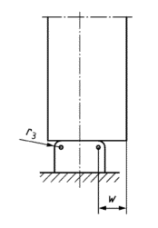
 | Factor-f_f4 (most likely 1) | 1 | 1 | 1 | 1 | 1 | 1 | 1
 | Wheel-Material | 42CrMo4-hardened | 42CrMo4-hardened | 42CrMo4-hardened | 42CrMo4-hardened | 42CrMo4 | 42CrMo4-hardened | 42CrMo4-hardened
 | Rail-Material | S690Q | S690Q | S690Q | S690Q | S690Q | S690Q | S690Q
 | Wheel-Maximum-Contact-Force [N] | 20000 | 15000 | 40000 | 23000 | 15000 | 23000 | 23000
 | Rail-Maximum-Contact-Force [N] | 20000 | 15000 | 18000 | 12000 | 14000 | 12000 | 12000
 | Wheel-Number-of-Working-Cylces (planned life cycle) | 4000000 | 4000000 | 4000000 | 4000000 | 4000000 | 4000000 | 4000000
 | Rail-Number-of-Working-Cycles | 12000000 | 13000000 | 13000000 | 13000000 | 13000000 | 13000000 | 13000000
 | Cycle Mode (1, 2, 4) | 1 | 2 | 4 | 1 | 2 | 1 | 1
Stacker Crane (SC) Configuration | SC-Height [m] | 24.94 | 29.85 | 21.55 | 30.72 | 24.60 | 30.72 | 30.72
 | SC-Center-of-Gravity-y [% of SC-Height] | 0.40 | 0.39 | 0.28 | 0.39 | 0.39 | 0.39 | 0.39
 | Mast-Mass-Per-Height [kg/m] | 310.53 | 311.83 | 262.54 | 334.02 | 217.84 | 334.02 | 334.02
 | Mast-Center-of-Gravity-x [% of Wheel-Distance] | 0.44 | 0.28 | 0.42 | 0.37 | 0.34 | 0.37 | 0.37
 | Mast-Mass-Total [kg] | 9592.88 | 13728.63 | 9530.94 | 11844.47 | 7039.19 | 11844.47 | 11844.47
 | Wheel-Distance [m] | 6.99 | 4.87 | 3.00 | 7.69 | 8.00 | 7.69 | 7.69
 | Traverse-Center-of-Gravity-x [% of Wheel-Distance] | 0.36 | 0.43 | 0.31 | 0.34 | 0.44 | 0.34 | 0.34
 | Traverse-Mass-Per-Length [kg/m] | 235.36 | 208.81 | 226.07 | 392.87 | 391.56 | 392.87 | 392.87
 | Traverse-Mass-Total [kg] | 3620.84 | 2311.16 | 2343.30 | 4284.97 | 3659.23 | 4284.97 | 4284.97
 | SC-Maximum-Acceleration [m/s²] | 1.13 | 2.43 | 2.39 | 1.46 | 1.00 | 1.46 | 1.46
 | SC-Slip-Time [s] | 0.68 | 0.52 | 0.80 | 0.10 | 0.74 | 0.10 | 0.10
 | SC-Maximum-Velocity [m/s] | 3.84 | 1.88 | 3.37 | 2.42 | 1.56 | 2.42 | 2.42
 | Lift-Center-of-Gravity-x [% of Wheel-Distance] | 0.82 | 0.64 | 0.85 | 0.59 | 0.58 | 0.59 | 0.59
 | Lift-Mass-Empyt [kg] | 2351.04 | 4305.69 | 5592.79 | 1093.00 | 5316.42 | 1093.00 | 1093.00 |  |  |  |  |  | adsfs
 | Load-Average-Mass [kg] | 479.56 | 342.08 | 629.10 | 1336.90 | 1431.33 | 1336.90 | 1336.90
 | Lift-Maximum-Acceleration [m/s²] | 1.52 | 1.46 | 1.17 | 1.18 | 0.97 | 1.18 | 1.18
 | Rack-Length [m] | 148.02 | 196.39 | 170.37 | 285.26 | 203.72 | 285.26 | 285.26

 |  |  |  |  |  | asf

wheel_geometries
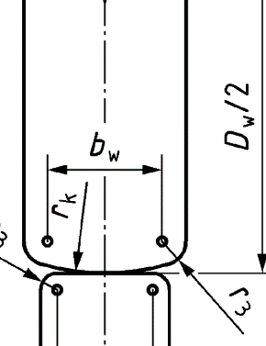
name | b | r_k | r_3 | D
Name | Load-bearing-Width b_w [mm] | Second-Wheel-Radius r_k [mm] | Edge-Radius r_3 [mm] | Diameter D_w
W31 | 70 | 100 | 20 | 450
W43 | 60 | 400 | 10 | 600

rail_geometries
name | b | r_k | r_3
Name | Load-bearing-Width b_r [mm] | Rail-Surface-Radius r_k [mm] | Edge-Radius r_3 [mm]
S31 | 63 | 100 | 20
S43 | 88 | 400 | 10

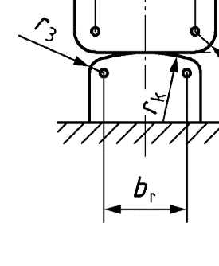

 |  |  |  | 121

 |  | 124

