General information
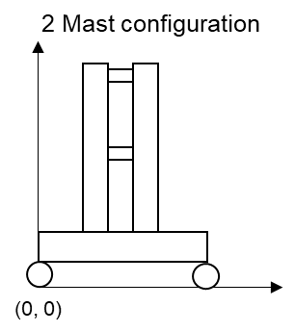
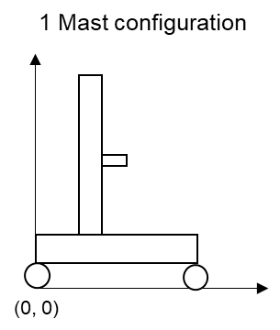
MARS input file

This is the input file needed for designing the rail-wheel system of Stacker cranes using the MARS software tool
It contains four sheets needed for computation: Input_variables, rail_materials, wheel_materials, wheel_geometries, rail_geometries
The fifth sheet (EN-13001-3 Table 4) is needed for picking f_2 (see hint in Input_variables sheet)

All parameters that are not self explanatory have additional information inside their comment

The two figures below show sketches of the 2 and 1 mast configuration.
All heights, lengths and center of gravities are expected to be relative to the shwon coordinate system's origin.

For more information about the software tool visit:
http://mars-demonstrator.de/about/

Input_variables
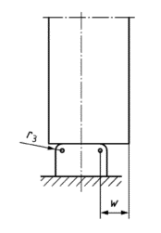
EN-13001-3-3 | Wheel-Geometry | wheel_geometry | W250-FL | W500-FL | W1120
 | Rail-Geometry | rail_geometry | S30 | S33 | S41-R10
 | Wheel-Material | material_wheel | 42CrMo4-hardened | 42CrMo4-hardened | 34CrMo4
 | Rail-Material | material_rail | S690Q | S690Q | C55
 | Decreasing-Factor-for-Non-Uniform-Pressure-Distribution-f_2 | f_2 | 1 | 1 | 1
 | Mechanical-Drive-Factor-f_f4 | f_f4 | 1 | 1 | 1
 | Width of projecting non-contact area w [mm] | w | 0 | 10 | 10
 | Wheel-Skew-Angle [rad] | alpha | 0.005 | 0.005 | 0.005
 | Wheel-Maximum-Contact-Force (Design-Contact-Force); factorless [kN]; can be set to 0 | F_sd_f_w | 0 | 0 | 0
 | Rail-Maximum-Contact-Force (Design-Contact-Force); factorless [kN]; can be set to 0 | F_sd_f_r | 0 | 0 | 0
 | Wheel-Maximum-Contact-Force (Design-Contact-Force); incl. factors [kN] | F_sd_s_w | 13000 | 15000 | 15000
 | Rail-Maximum-Contact-Force (Design-Contact-Force); incl. factors [kN] | F_sd_s_r | 20000 | 15000 | 15000
 | Wheel_Relative_Number_of_Rolling_Contacts v_c | v_c_w | 0 | 8 | 0
 | Rail_Relative_Number_of_Rolling_Contacts v_c | v_c_r | 0 | 0 | 0
Stacker Crane (SC) And Rack Configuration | SC-Height [m] | c_h | 24.9 | 29.8 | 29.8
 | SC-Center-of-Gravity-y [Fraction of SC-Height] | c_cg_z | 0.4 | 0.4 | 0.4
 | Mast-Mass-Per-Height [kg/m] | m_m_h | 310.5 | 311.8 | 311.8
 | Mast-Center-of-Gravity-x [Fraction of Wheel-Distance] | m_cg_x | 0.2 | 0.3 | 0.3
 | Mast-Mass-Total [kg] | m_m_a | 9592.9 | 13728.6 | 13728.6
 | Wheel-Distance [m] | t_wd | 7.0 | 4.9 | 4.9
 | Traverse-Center-of-Gravity-x [Fraction of Wheel-Distance] | t_cg_x | 0.4 | 0.4 | 0.4
 | Traverse-Mass-Per-Length [kg/m] | t_m_l | 235.4 | 208.8 | 208.8
 | Traverse-Mass-Total [kg] | t_m_a | 3620.8 | 2311.2 | 2311.2
 | SC-Maximum-Acceleration [m/s²] | w_a | 1.1 | 2.4 | 2.4
 | SC-Slip-Time [s] | w_s | 0.7 | 0.5 | 0.5
 | SC-Maximum-Velocity [m/s] | w_v | 3.8 | 1.9 | 1.9
 | Lift-Center-of-Gravity-x [m or Fraction of Wheel-Distance] | l_cg_x | 1.2 | 3.2 | 3.1
 | Lift-Mass-Empyt [kg] | l_m | 2351.0 | 2600.0 | 2600.0
 | Load-Average-Mass [kg] | l_m_ld | 479.6 | 342.1 | 342.1
 | Lift-Maximum-Acceleration [m/s²] | l_a | 1.5 | 1.5 | 1.5
 | Rack-Length [m] | r_l | 148.0 | 90.0 | 90.0
 | Wheel-Number-of-Working-Cylces (planned life cycle) | num_cycles_wheel | 4000000 | 4000000 | 4000000
 | Rail-Number-of-Working-Cycles (planned life cycle) | num_cycles_rail | 12000000 | 13000000 | 13000000
 | Cycle Mode | cycle_mode | 1 | 2 | 4
CHECKS | Mast-Mass-Check |  | OK | OK | OK | OK | OK | OK | OK | OK | OK | OK | OK | OK | OK | OK | OK | OK | OK | OK | OK | OK | OK | OK | OK | OK | OK | OK | OK | OK | OK | OK | OK | OK | OK | OK | OK | OK | OK | OK | OK | OK | OK | OK | OK | OK | OK | OK | OK | OK | OK | OK | OK | OK | OK | OK | OK | OK | OK | OK | OK | OK | OK | OK | OK | OK | OK | OK | OK | OK | OK | OK | OK | OK | OK | OK | OK | OK | OK | OK | OK | OK | OK | OK | OK | OK | OK | OK | OK | OK | OK | OK | OK | OK | OK | OK | OK | OK | OK | OK | OK | OK | OK | OK | OK | OK | OK | OK | OK | OK | OK | OK | OK | OK | OK | OK | OK | OK | OK | OK | OK | OK | OK | OK | OK | OK | OK | OK | OK | OK | OK | OK | OK | OK | OK | OK | OK | OK | OK | OK | OK | OK | OK | OK | OK | OK | OK | OK | OK | OK | OK | OK | OK | OK | OK | OK | OK | OK | OK
 | Traverse-Mass-Check |  | OK | OK | OK | OK | OK | OK | OK | OK | OK | OK | OK | OK | OK | OK | OK | OK | OK | OK | OK | OK | OK | OK | OK | OK | OK | OK | OK | OK | OK | OK | OK | OK | OK | OK | OK | OK | OK | OK | OK | OK | OK | OK | OK | OK | OK | OK | OK | OK | OK | OK | OK | OK | OK | OK | OK | OK | OK | OK | OK | OK | OK | OK | OK | OK | OK | OK | OK | OK | OK | OK | OK | OK | OK | OK | OK | OK | OK | OK | OK | OK | OK | OK | OK | OK | OK | OK | OK | OK | OK | OK | OK | OK | OK | OK | OK | OK | OK | OK | OK | OK | OK | OK | OK | OK | OK | OK | OK | OK | OK | OK | OK | OK | OK | OK | OK | OK | OK | OK | OK | OK | OK | OK | OK | OK | OK | OK | OK | OK | OK | OK | OK | OK | OK | OK | OK | OK | OK | OK | OK | OK | OK | OK | OK | OK | OK | OK | OK | OK | OK | OK | OK | OK | OK | OK | OK | OK | OK

wheel_geometries
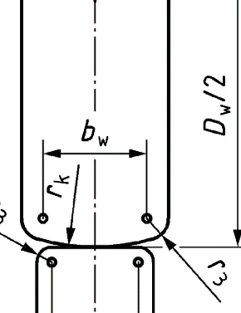
Name | Load-bearing-Width b_w [mm] | Second-Wheel-Radius r_k [mm] | Edge-Radius r_3 [mm] | Diameter D_w
W200-FL | 90 | 0 | 0 | 200
W250-FL | 90 | 0 | 0 | 250
W315-FL | 90 | 0 | 0 | 315
W400 | 140 | 0 | 0 | 400
W400-FL | 110 | 0 | 0 | 400
W500 | 140 | 0 | 0 | 500
W500-FL | 110 | 0 | 0 | 500
W630 | 160 | 0 | 0 | 630
W630-FL | 120 | 0 | 0 | 630
W710 | 210 | 0 | 0 | 710
W710-FL | 140 | 0 | 0 | 710
W800 | 210 | 0 | 0 | 800
W800-FL | 140 | 0 | 0 | 800
W900 | 210 | 0 | 0 | 900
W900-FL | 140 | 0 | 0 | 900
W1000 | 210 | 0 | 0 | 1000
W1000-FL | 140 | 0 | 0 | 1000
W1120 | 220 | 0 | 0 | 1120
W1250 | 220 | 0 | 0 | 1250

rail_geometries
Name | Load-bearing-Width b_r [mm] | Rail-Surface-Radius r_k [mm] | Edge-Radius r_3 [mm]
S30 | 45.493 | 305 | 8
S33 | 31.99 | 225 | 14
S41-R10 | 48.205 | 400 | 10
S49 | 15.267 | 300 | 13
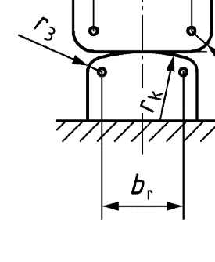
UIC60 | 20.456 | 300 | 13
KSA75 | 59 | 500 | 8
KSA100 | 80 | 500 | 10
KSA120 | 100 | 600 | 10

