General information
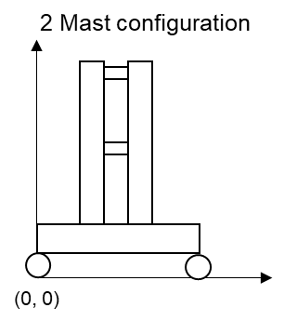
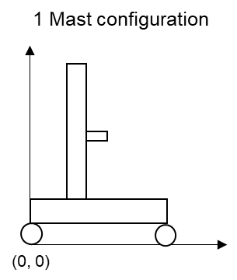
MARS input file

This is the input file needed for designing the rail-wheel system of Stacker cranes using the MARS software tool
It contains four sheets needed for computation: Input_variables, rail_materials, wheel_materials, wheel_geometries, rail_geometries
The fifth sheet (EN-13001-3 Table 4) is needed for picking f_2 (see hint in Input_variables sheet)

All parameters that are not self explanatory have additional information inside their comment

The two figures below show sketches of the 2 and 1 mast configuration.
All heights, lengths and center of gravities are expected to be relative to the shwon coordinate system's origin.

For more information about the software tool visit:
http://127.0.0.1:8000/about/

Input_variables
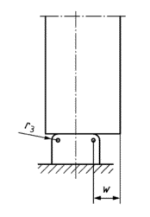
EN-13001-3-3 | Wheel-Profile | wheel_geometry | W31 | W31 | W31 | W43 | W31 | W31 | W31
 | Rail-Profile | rail_geometry | S43 | S43 | S43 | S43 | S43 | S43 | S43
 | Wheel-Material | material_wheel | 42CrMo4-hardened | 42CrMo4-hardened | 42CrMo4-hardened | 42CrMo4-hardened | 42CrMo4 | 42CrMo4-hardened | 42CrMo4-hardened
 | Rail-Material | material_rail | S690Q | S690Q | S690Q | S690Q | S690Q | S690Q | S690Q
 | Decreasing-Factor-for-Non-Uniform-Pressure-Distribution-f_2 | f_2 | 1 | 1 | 1 | 1 | 1 | 1 | 1
 | Mechanical-Drive-Factor-f_f4 | f_f4 | 1 | 1 | 1 | 1 | 1 | 1 | 1
 | Width of projecting non-contact area w [mm] | w | 0 | 10 | 10 | 10 | 10 | 10 | 10
 | Wheel-Skew-Angle [rad] | alpha | 0.005 | 0.005 | 0.006 | 0.004 | 0.005 | 0.004 | 0.004
 | Wheel-Maximum-Contact-Force (Design-Contact-Force); factorless [kN]; can be set to 0 | F_sd_f_w | 0 | 0 | 0 | 0 | 0 | 0 | 0
 | Rail-Maximum-Contact-Force (Design-Contact-Force); factorless [kN]; can be set to 0 | F_sd_f_r | 0 | 0 | 0 | 0 | 0 | 0 | 0
 | Wheel-Maximum-Contact-Force (Design-Contact-Force); incl. factors [kN] | F_sd_s_w | 200000000000000 | 15000 | 40000 | 23000 | 15000 | 23000 | 23000
 | Rail-Maximum-Contact-Force (Design-Contact-Force); incl. factors [kN] | F_sd_s_r | 20000 | 15000 | 18000 | 12000 | 14000 | 12000 | 12000
Stacker Crane (SC) And Rack Configuration | SC-Height [m] | c_h | 24.939792488 | 29.846033507 | 21.549071914 | 30.724628045 | 24.603567266 | 30.724628045 | 30.724628045
 | SC-Center-of-Gravity-y [Fraction of SC-Height] | c_cg_z | 0.39753432754 | 0.38745672969 | 0.2777855272 | 0.38853068564 | 0.3928164577 | 0.38853068564 | 0.38853068564
 | Mast-Mass-Per-Height [kg/m] | m_m_h | 310.53423259 | 311.82631932 | 262.54231664 | 334.01554868 | 217.83710716 | 334.01554868 | 334.01554868
 | Mast-Center-of-Gravity-x [Fraction of Wheel-Distance] | m_cg_x | 0.2 | 0.27896020165 | 0.41639127373 | 0.36908011038 | 0.33759378483 | 0.36908011038 | 0.36908011038
 | Mast-Mass-Total [kg] | m_m_a | 9592.8821295 | 13728.625095 | 9530.9428397 | 11844.471057 | 7039.185055 | 11844.471057 | 11844.471057
 | Wheel-Distance [m] | t_wd | 6.9859353305 | 4.8667038064 | 3 | 7.6920989583 | 7.9973902757 | 7.6920989583 | 7.6920989583
 | Traverse-Center-of-Gravity-x [Fraction of Wheel-Distance] | t_cg_x | 0.36032232456 | 0.43263553136 | 0.31187021332 | 0.34484796209 | 0.43685550942 | 0.34484796209 | 0.34484796209
 | Traverse-Mass-Per-Length [kg/m] | t_m_l | 235.36070466 | 208.80675903 | 226.06765407 | 392.86734368 | 391.55736926 | 392.86734368 | 392.86734368
 | Traverse-Mass-Total [kg] | t_m_a | 3620.8448324 | 2311.1585869 | 2343.299418 | 4284.9699231 | 3659.2272904 | 4284.9699231 | 4284.9699231
 | SC-Maximum-Acceleration [m/s²] | w_a | 1.1337357767 | 2.4258179969 | 2.3873285971 | 1.4564750409 | 0.99721191006 | 1.4564750409 | 1.4564750409
 | SC-Slip-Time [s] | w_s | 0.6757587744 | 0.51712000434 | 0.80147772148 | 0.25 | 0.74159415955 | 1 | 1
 | SC-Maximum-Velocity [m/s] | w_v | 3.8387980542 | 1.8776339004 | 3.3657208788 | 2.4178541756 | 1.5646621146 | 2.4178541756 | 2.4178541756
 | Lift-Center-of-Gravity-x [m or Fraction of Wheel-Distance] | l_cg_x | 1.2 | 3.2 | 2.5 | 1.1 | 1.9 | 3 | 2.5
 | Lift-Mass-Empyt [kg] | l_m | 2351.0358558 | 2600 | 1000 | 1500 | 3000 | 850 | 1093.0004954
 | Load-Average-Mass [kg] | l_m_ld | 479.56427979 | 342.07526272 | 629.09549703 | 1336.8970568 | 1431.3338378 | 1336.8970568 | 1336.8970568
 | Lift-Maximum-Acceleration [m/s²] | l_a | 1.5209241134 | 1.4611356147 | 1.1745933897 | 1.1798002818 | 0.97421919684 | 1.1798002818 | 1.1798002818
 | Rack-Length [m] | r_l | 148.02337759 | 90 | 100 | 70 | 130 | 145 | 120
 | Wheel-Number-of-Working-Cylces (planned life cycle) | num_cycles_wheel | 4000000 | 4000000 | 4000000 | 4000000 | 4000000 | 4000000 | 4000000
 | Rail-Number-of-Working-Cycles (planned life cycle) | num_cycles_rail | 12000000 | 13000000 | 13000000 | 13000000 | 13000000 | 13000000 | 13000000
 | Cycle Mode | cycle_mode | 1 | 2 | 4 | 1 | 2 | 1 | 1
CHECKS | Mast-Mass-Check |  | OK | OK | OK | OK | OK | OK | OK | OK | OK | OK | OK | OK | OK | OK | OK | OK | OK | OK | OK | OK | OK | OK | OK | OK | OK | OK | OK | OK | OK | OK | OK | OK | OK | OK
 | Traverse-Mass-Check |  | OK | OK | OK | OK | OK | OK | OK | OK | OK | OK | OK | OK | OK | OK | OK | OK | OK | OK | OK | OK | OK | OK | OK | OK | OK | OK | OK | OK | OK | OK | OK | OK | OK | OK

wheel_geometries
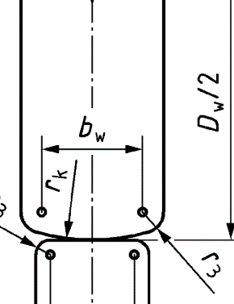
Name | Load-bearing-Width b_w [mm] | Second-Wheel-Radius r_k [mm] | Edge-Radius r_3 [mm] | Diameter D_w
W31 | 70 | 100 | 20 | 450
W43 | 60 | 400 | 10 | 600

rail_geometries
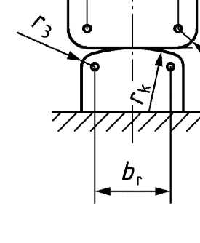
Name | Load-bearing-Width b_r [mm] | Rail-Surface-Radius r_k [mm] | Edge-Radius r_3 [mm]
S31 | 63 | 100 | 20
S43 | 88 | 400 | 10

