Database Diagram
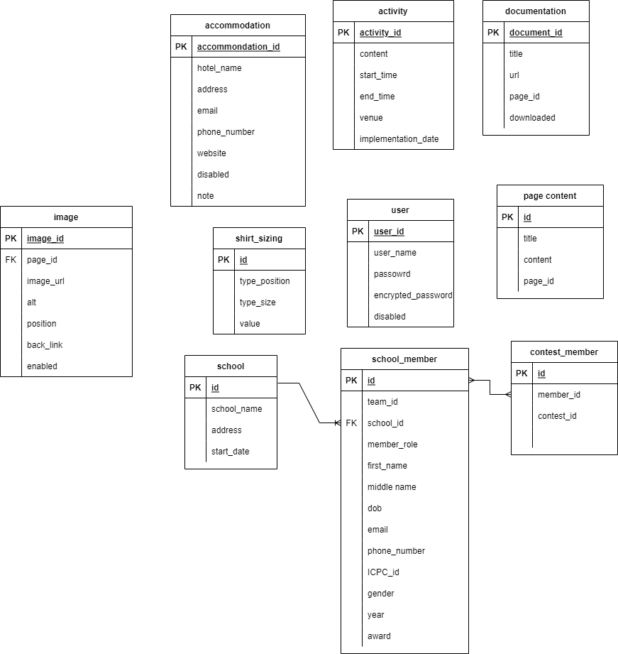

page content
Table desciption: | Contains page content

Column name | Data type | Defaut value | Constraints | Not Null | Description
id | int | n/a | PK | Y | identity, auto increment
page_id | varchar | n/a |  | Y | where content be displayed
title | varchar | n/a |  | Y | title
content | varchar | n/a |  | Y | content


examle:
id = 1
page_id = 3 (About page)
title: About the Event
content: ….

