Scaled_Prototype
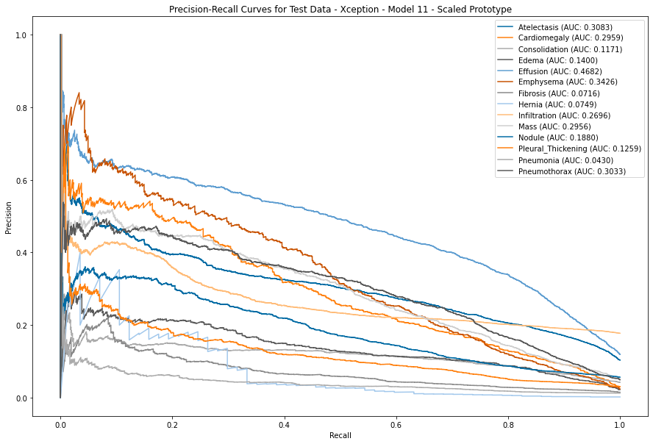
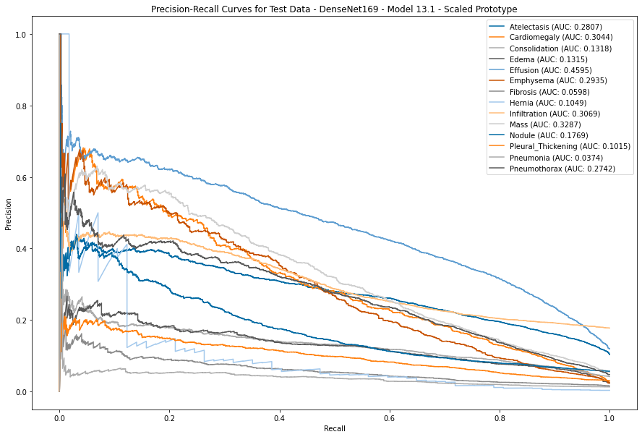
Scaled Prototype (Trained on Full Dataset) - AUC on Test Data

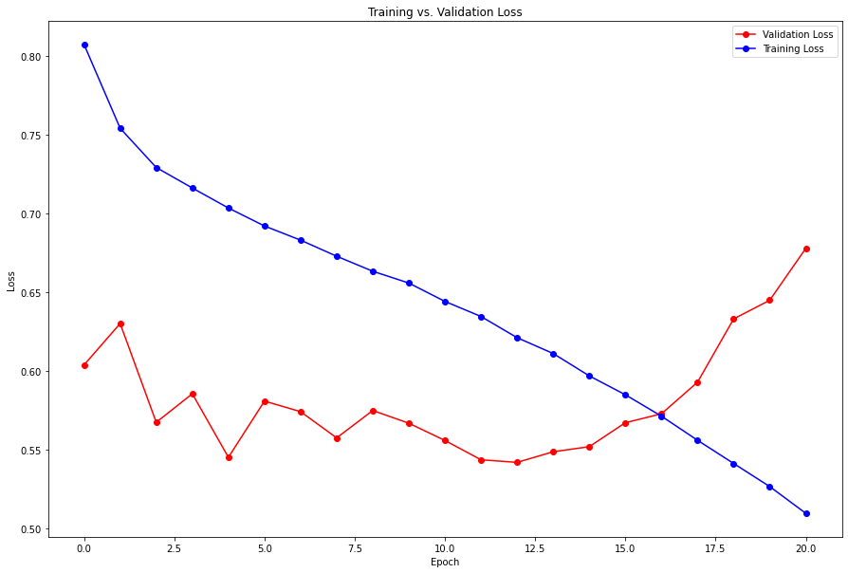
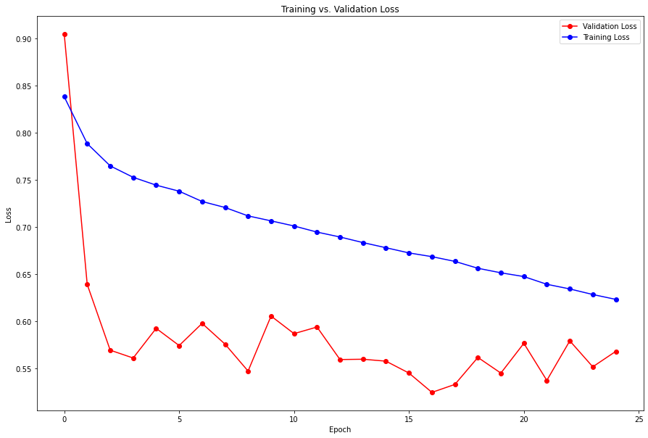
 |  | Xception | DenseNet169 |  |  | Xception | DenseNet169
Disease | Label Freq | 11 | 13.1 | MAX | MIN
Atelectasis | 5230 | 0.7577 | 0.7888 | 0.7888 | 0.7577
Cardiomegaly | 1652 | 0.8823 | 0.9043 | 0.9043 | 0.8823
Consolidation | 2816 | 0.7675 | 0.7779 | 0.7779 | 0.7675
Edema | 1536 | 0.8699 | 0.8882 | 0.8882 | 0.8699
Effusion | 6418 | 0.8434 | 0.8545 | 0.8545 | 0.8434
Emphysema | 1604 | 0.9068 | 0.8814 | 0.9068 | 0.8814
Fibrosis | 1105 | 0.7728 | 0.7688 | 0.7728 | 0.7688
Hernia | 170 | 0.8886 | 0.9228 | 0.9228 | 0.8886
Infiltration | 6885 | 0.6194 | 0.6555 | 0.6555 | 0.6194
Mass | 3061 | 0.8291 | 0.8320 | 0.8320 | 0.8291
Nodule | 3005 | 0.7213 | 0.7223 | 0.7223 | 0.7213
Pleural_Thickening | 2058 | 0.7563 | 0.7595 | 0.7595 | 0.7563
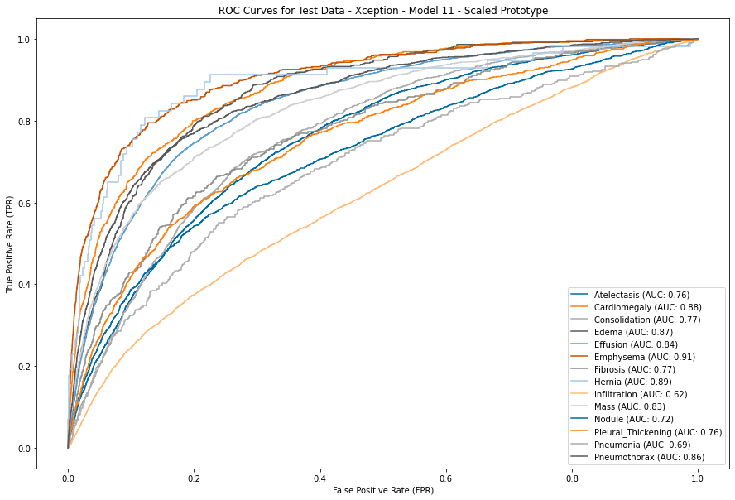
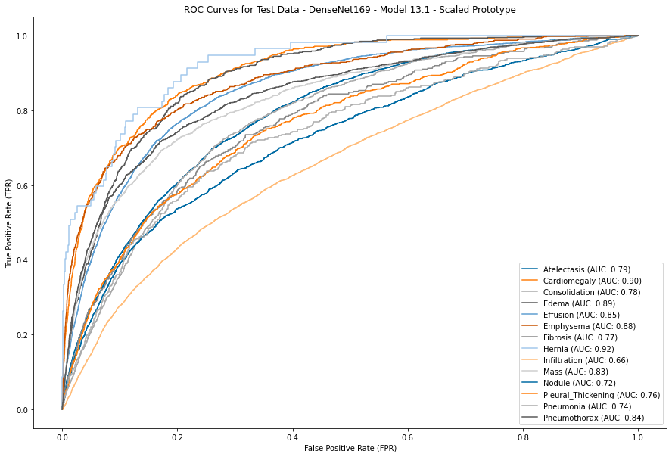
Pneumonia | 1019 | 0.6917 | 0.7376 | 0.7376 | 0.6917
Pneumothorax | 2814 | 0.8583 | 0.8424 | 0.8583 | 0.8424

 | MAX | 0.9068 | 0.9228
 | MIN | 0.6194 | 0.6555
 | AVG | 0.7975 | 0.8097
 | Rank by Avg | 2 | 1

*Green = Row Maximum

