Instructions
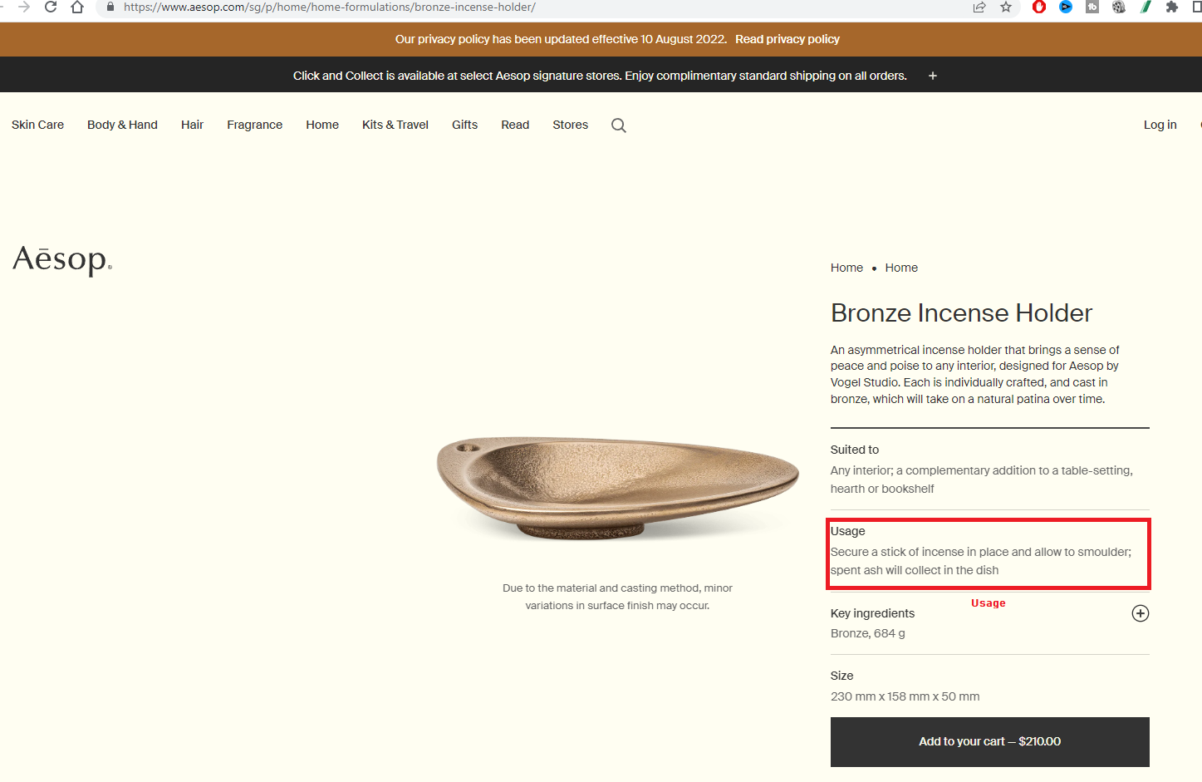
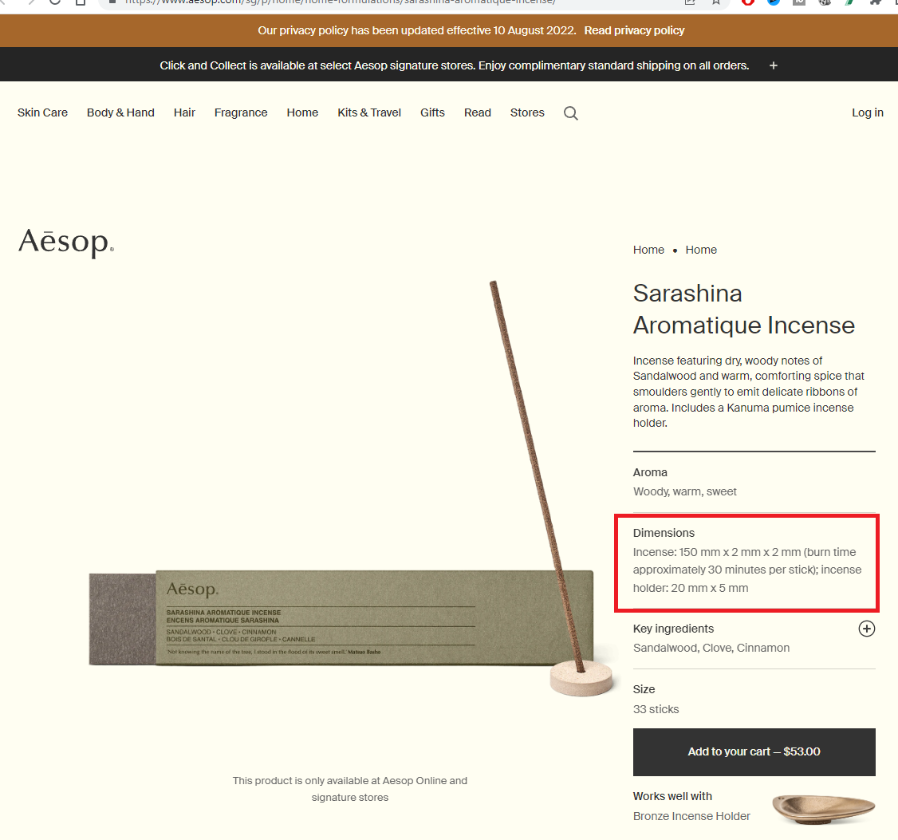
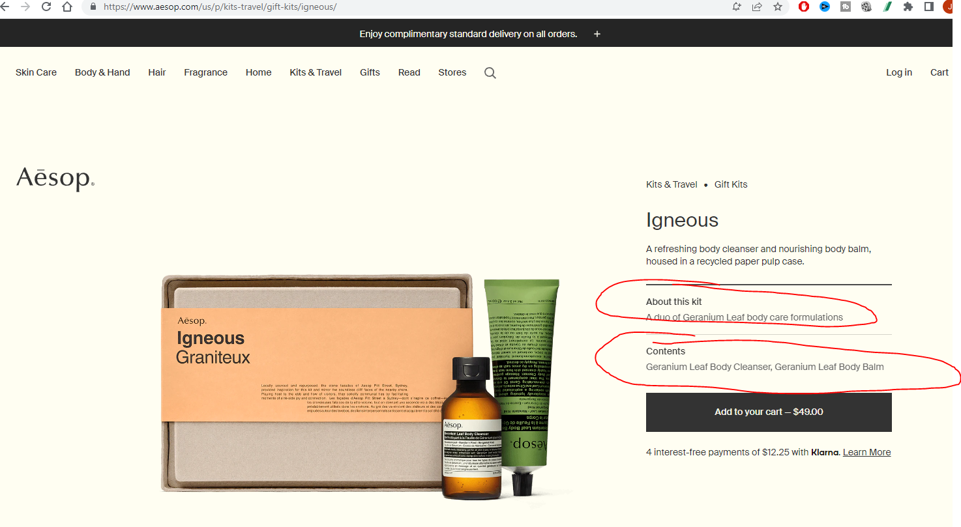
1. Go through each of these sections and scrape all products listed.

 | https://www.aesop.com/us/c/skin/
 | https://www.aesop.com/us/c/body-hand/
 | https://www.aesop.com/us/c/hair/
 | https://www.aesop.com/us/c/fragrance/
 | https://www.aesop.com/us/c/home/
 | https://www.aesop.com/us/c/kits-travel/
 | https://www.aesop.com/us/c/gift-guide/

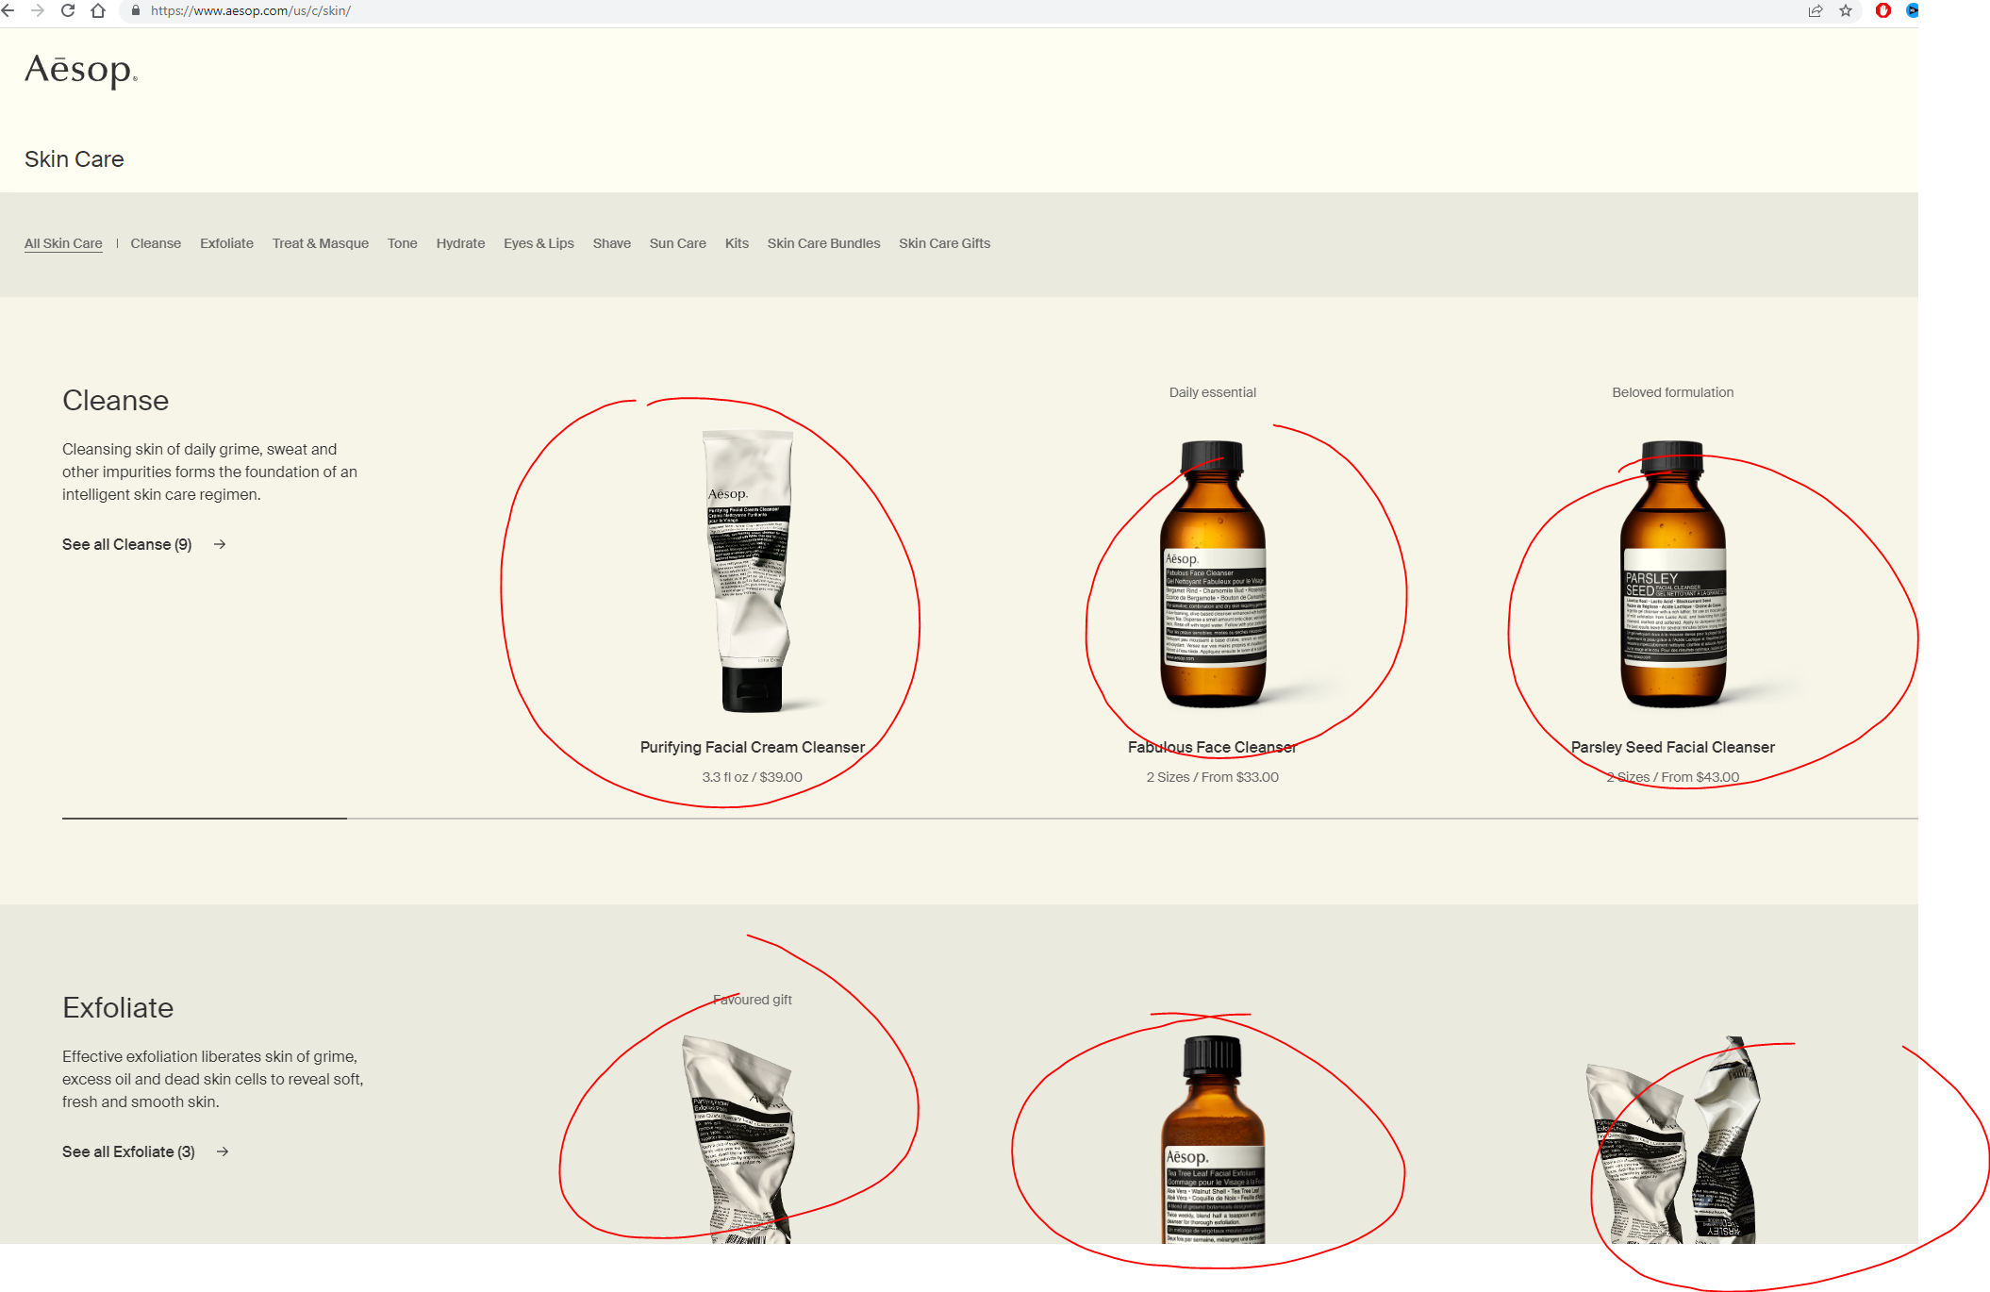

2. Scrape the following data on each product page. If a product page has multiple sizes, refer to the instructions below.

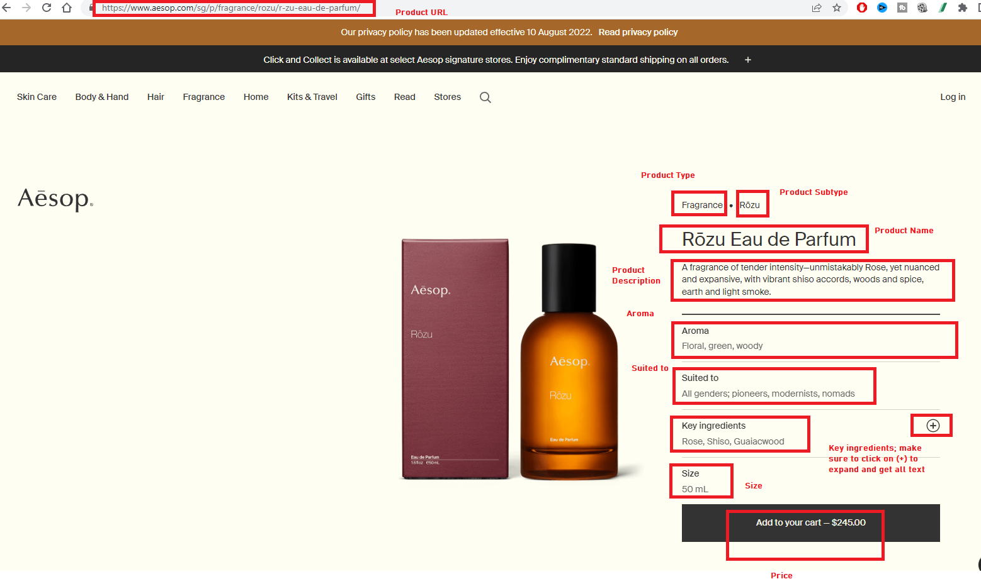

3. IF there are multiple sizes, then scrape all different size + price combinations. The rest of the data should be the same - in the example below, you should have 3 lines with different size/price but same product information

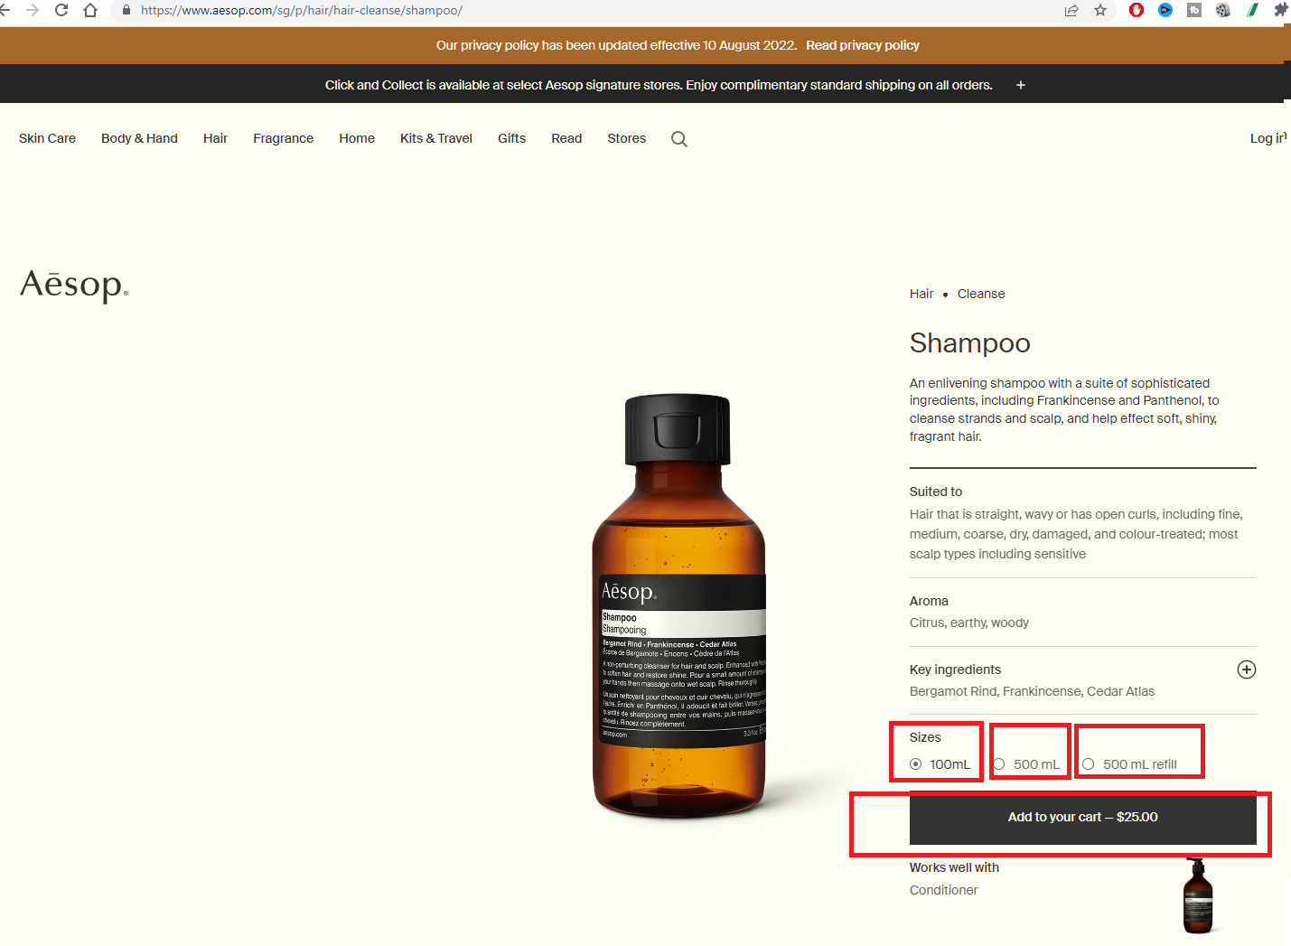

3. Note that some pages may have different sections - please have them as separate columns

