Instructions
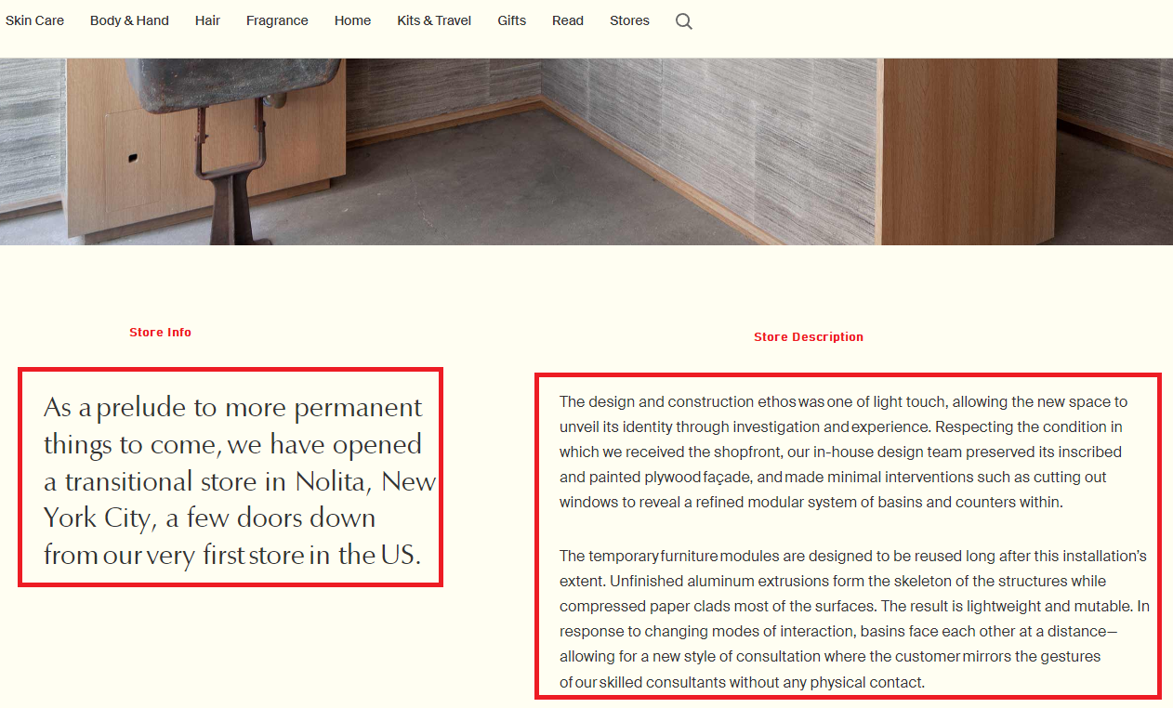
1. Go through the list of store URLs (see urls tab) and scrape each page:

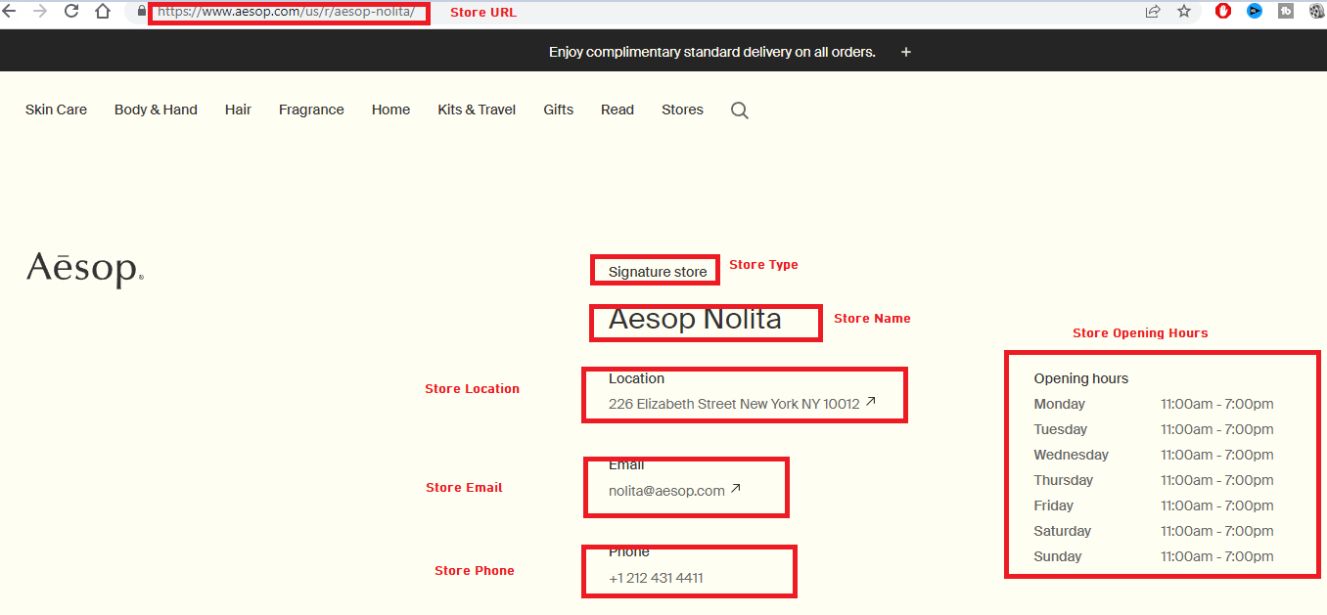

2. Some stores have some additional description on the bottom of the page - please scrape this too

