Instructions
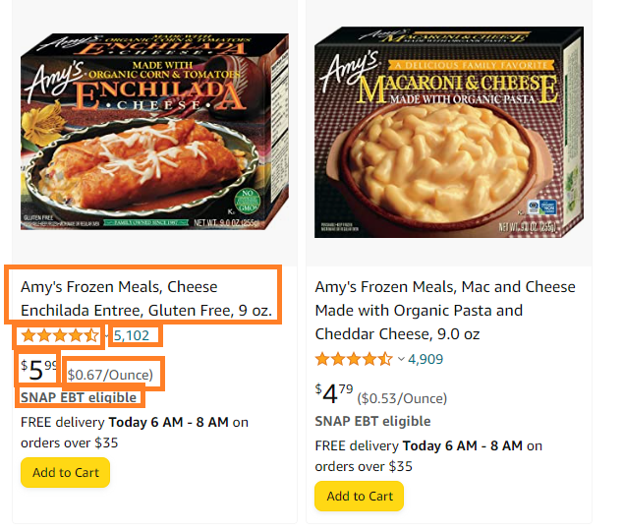
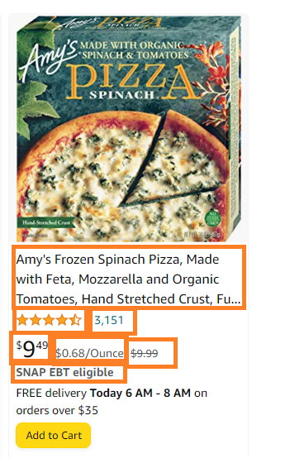
1) Go to URL on URLs tab: https://www.amazon.com/s?k=amy%27s+kitchen&i=grocery&bbn=10329849011&rh=p_89%3AAmy%27s
2) Grab info in box (note sometimes there's an original price and then discount price (see right picture)
3) Input each in Output tab

