Intructions
Step 1:
https://stackoverflow.com/questions/tagged/mongodb
https://stackoverflow.com/questions/tagged/confluent-platform
https://stackoverflow.com/questions/tagged/terraform
https://stackoverflow.com/questions/tagged/elasticsearch
https://stackoverflow.com/questions/tagged/artifactory
https://stackoverflow.com/questions/tagged/suse
https://stackoverflow.com/questions/tagged/rhel
https://stackoverflow.com/questions/tagged/databricks
https://stackoverflow.com/questions/tagged/docker
https://stackoverflow.com/questions/tagged/sonarqube
https://stackoverflow.com/questions/tagged/ubuntu
Click one of the links above.
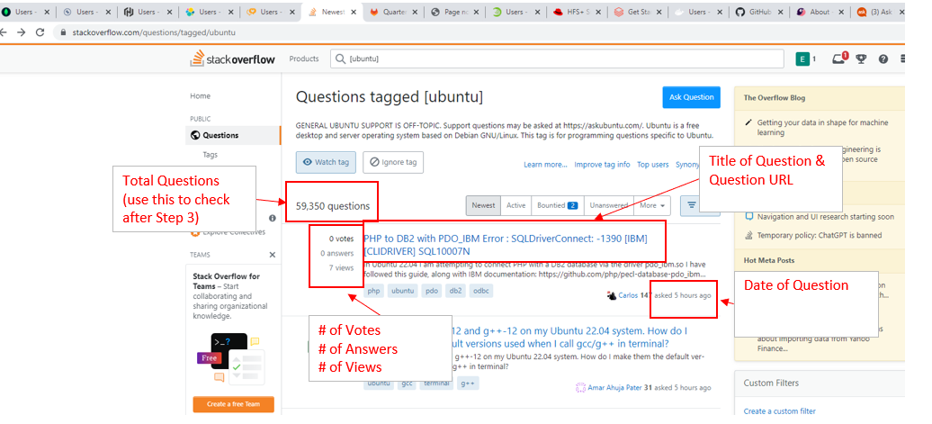

Title of Question &
Question URL
Total Questions (use this to check after Step 3)

# of Votes
# of Answers
# of Views

Step 2:
For each question, please record the below fields. Input all information like the 'Stackoverflow template' tab
# of votes
# of answers
# of views
Date of Question
Title of Question
Question URL

Step 3:
Go through all of the questions within each Link until you reach the end, by clicking next on the pages at the bottom
The Total Questions recorded should be the same as the number on the top left (ie 59350 for ubuntu) when complete

Step 4:
Repeat through all of the Links from step 1

Step 5 (This is a new scrape):
Go to the below link
https://access.redhat.com/discussions
Sign into my account via 'Log in' in top right corner
Username: | eddie.huang@adventlabs.com
PW: | Advent87!

Step 6:
Click on each discussion
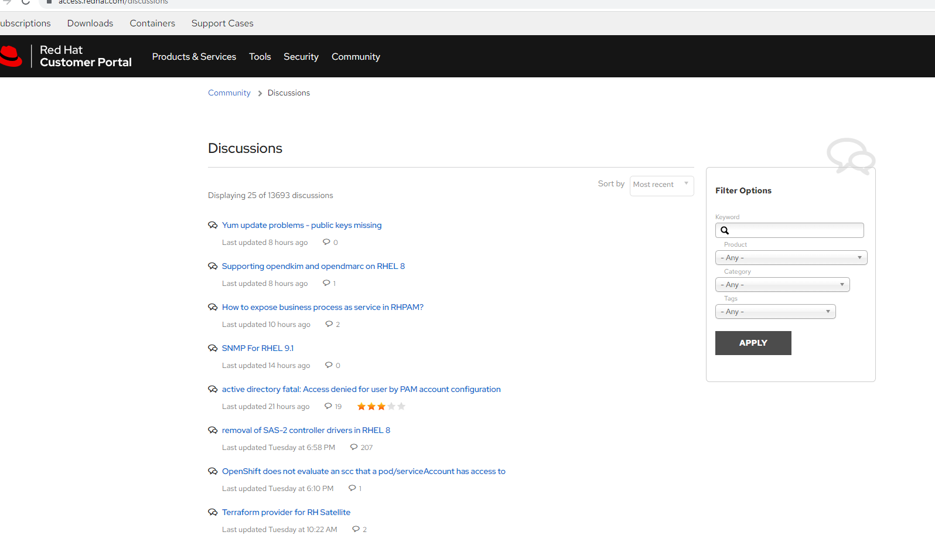

Step 7:
Record the below items:
Discussion URL
Discussion Title
Started Date
Latest Response Date
Author URL | *(you can grab the link to profile by clicking on the picture)
Responder URLs | *(if there are multiple, put all of them into a list. You can grab the link to profile by clicking on the picture)
# of Responses
# of Thumbs Up

Record Results in 'RedHat Template ' tab

*Note
Author URL and Responder URLs are the most important piesces of information here
We want all of them, please record them so we can aggregate everything at the end and deduplicate so we can see how many unique users there are.

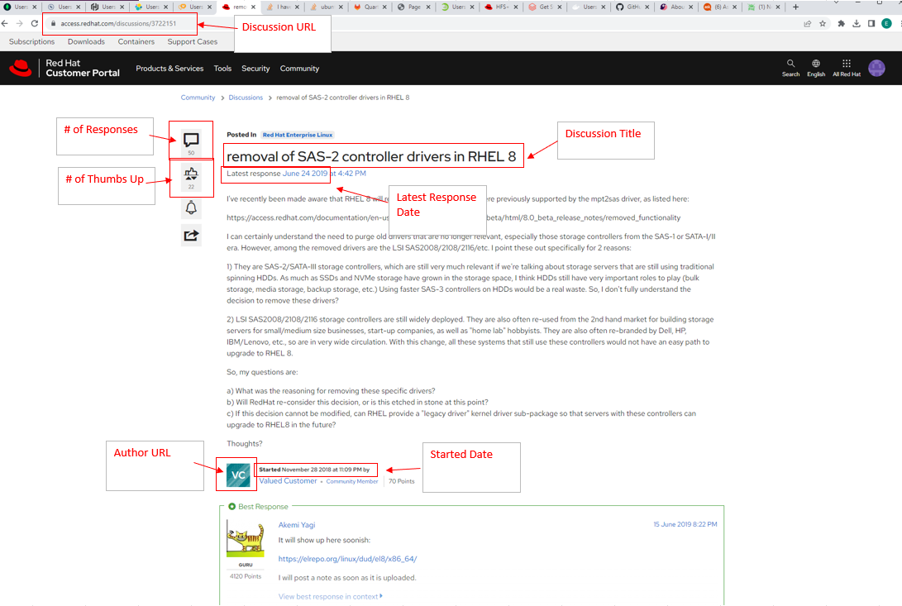

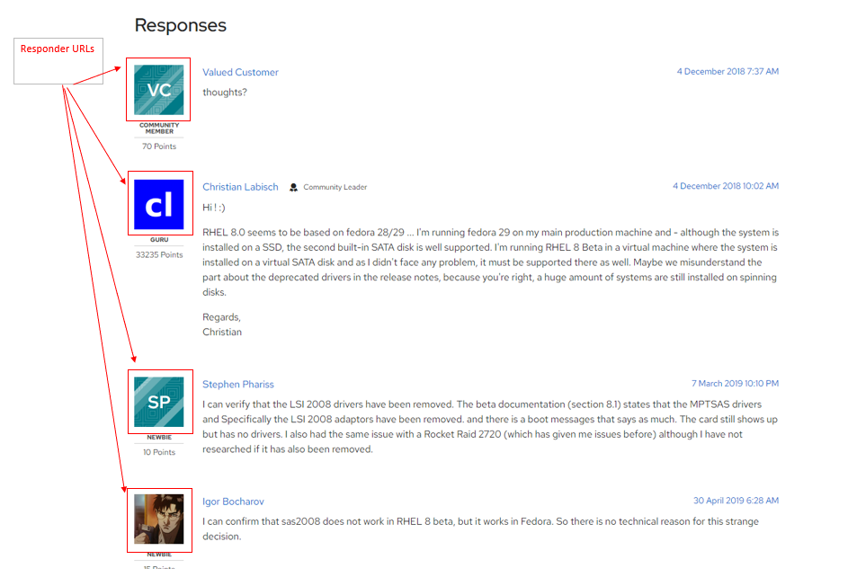

Step 8:
Repeat this for all discussions from Step 6:
Use the pages on the bottom to click through until the end
There should be a total of ~13694 discussions and 548 pages.

