Instructions
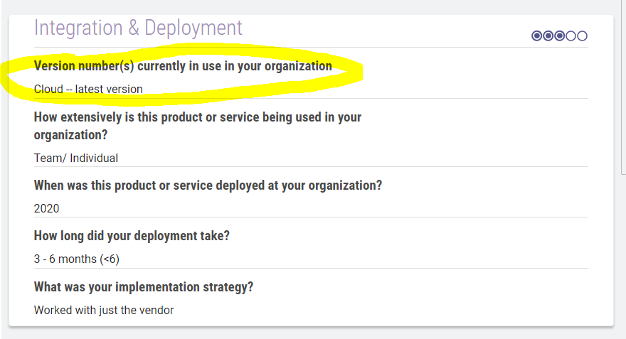
1. Click on each company URL and scrape the following four things:
 | Category
 | Product Average Rating
 | Total Num Reviews
 | Total Num Verified Reviews

 | Then click on each review
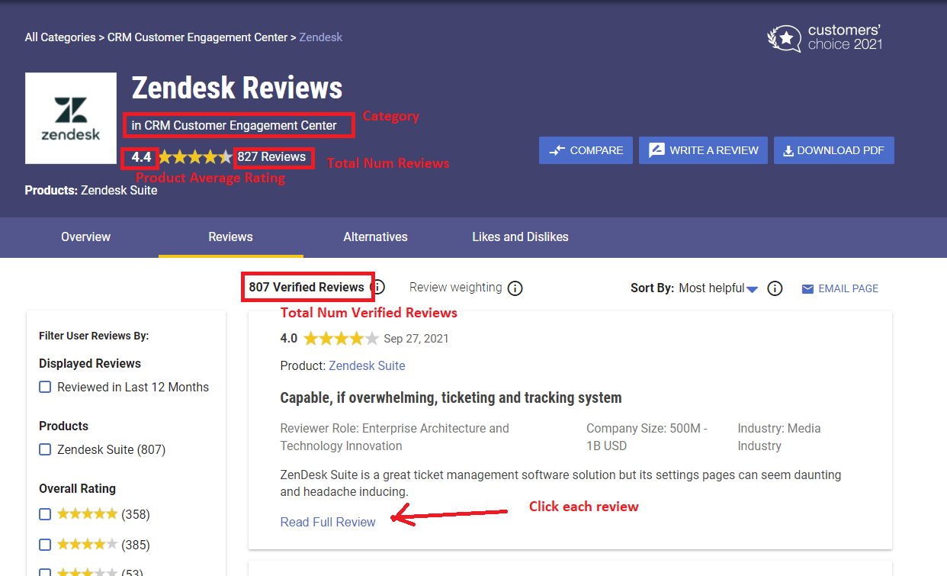

2. Click on each review and scrape the following as you scroll down the page:

 | Part 1 | **REMINDER TO SCRAPE THE URL OF EACH REVIEW PAGE AS "REVIEW URL" | Part 2

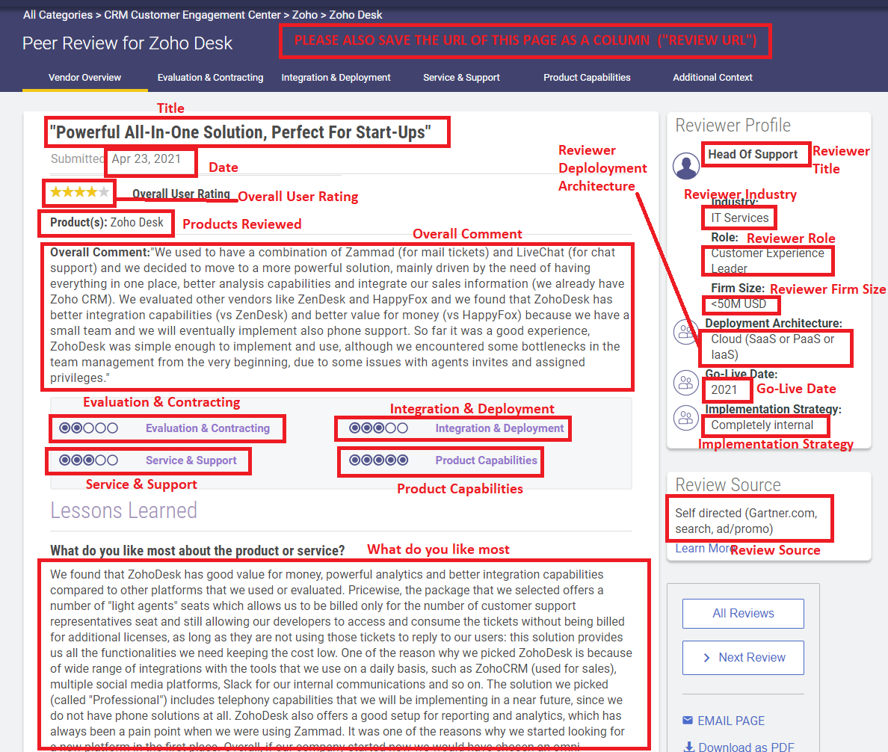
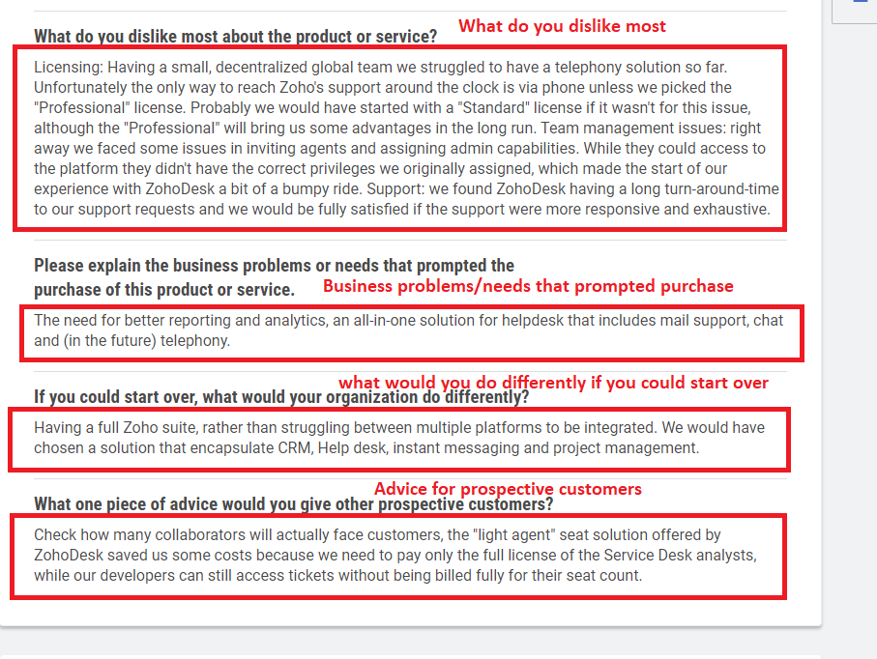

 | Part 3 |  | Part 4

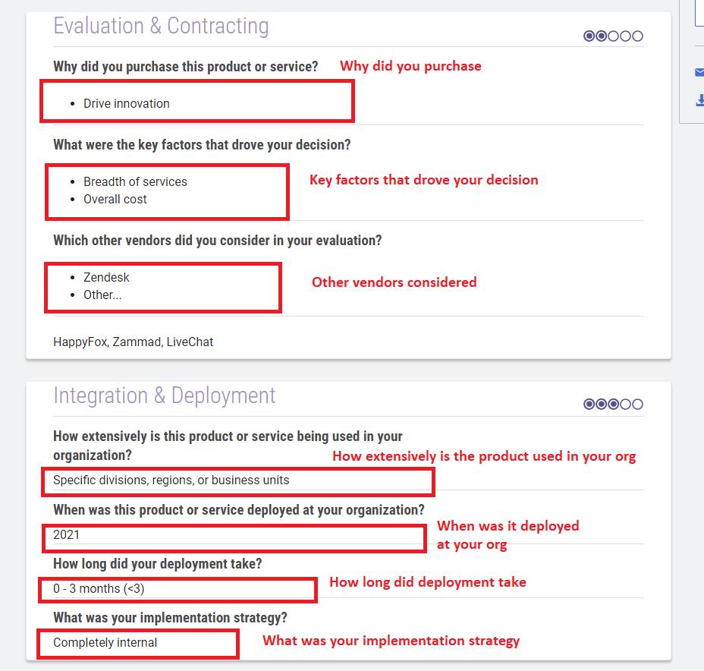
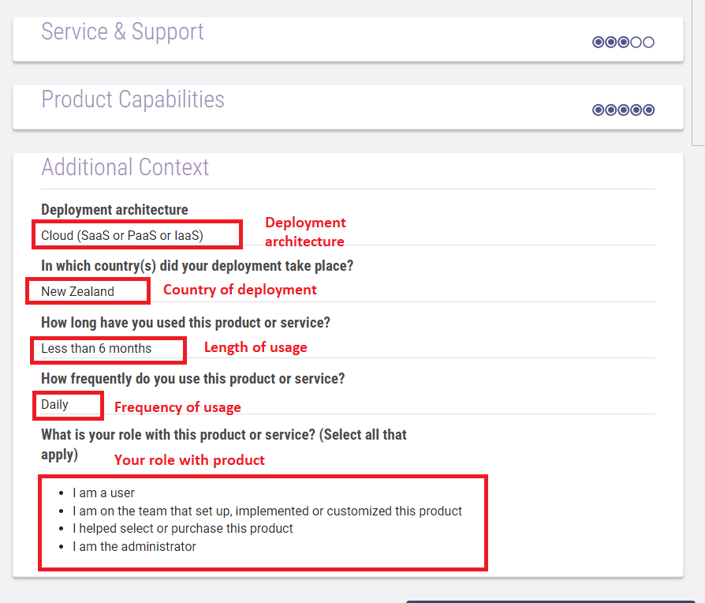

 | Note that there may be some additional sections in these tabs - please make sure you match the data with the questions correctly

