Sheet1
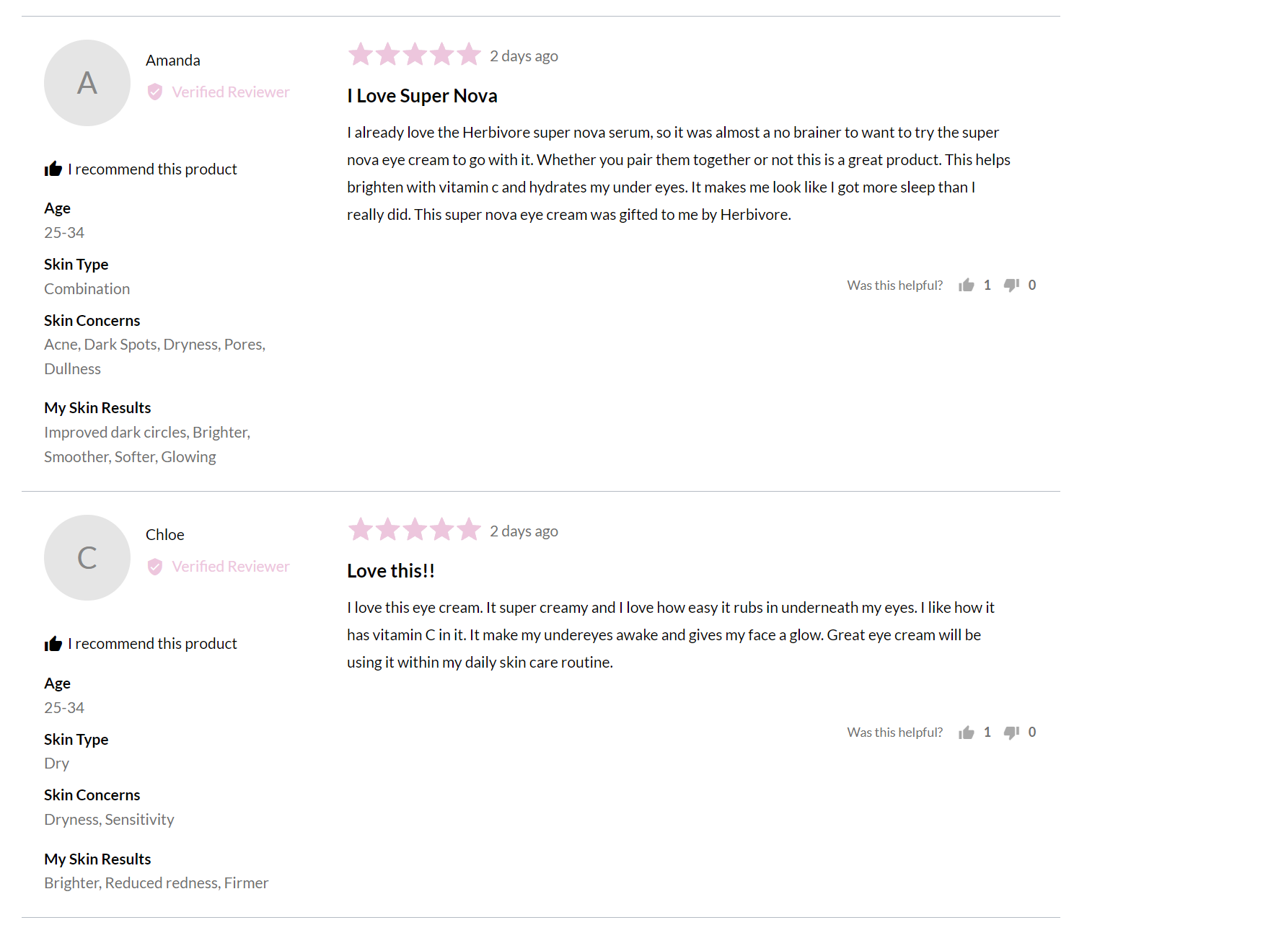
1
2
URL | For each URL, please grab the following for all reviews
https://www.herbivorebotanicals.com/collections/all/products/super-nova-eye-cream-vitamin-c-caffeine | 0 | URL | https://www.herbivorebotanicals.com/collections/all/products/super-nova-eye-cream-vitamin-c-caffeine
https://www.herbivorebotanicals.com/collections/all/products/nova-15-vitamin-c-turmeric-brightening-serum | 1 | Stars | 5
https://www.herbivorebotanicals.com/collections/all/products/moon-dew-1-bakuchiol-peptides-retinol-alternative-eye-cream | 2 | Date | 2 days ago
3
https://www.herbivorebotanicals.com/collections/all/products/moon-fruit-1-bakuchiol-peptides-retinol-alternative-serum | 3 | Title | I Love Super Nova
https://www.herbivorebotanicals.com/collections/all/products/bakuchiol-retinol-alternative-serum | 4 | Text | I already love the Herbivore super nova serum, so it was almost a no brainer to want to try the super nova eye cream to go with it. Whether you pair them together or not this is a great product. This helps brighten with vitamin c and hydrates my under eyes. It makes me look like I got more sleep than I really did. This super nova eye cream was gifted to me by Herbivore.
4
https://www.herbivorebotanicals.com/collections/all/products/pink-cloud-rosewater-tremella-creamy-jelly-cleanser | 5 | Age | 25-34
https://www.herbivorebotanicals.com/collections/all/products/lapis-facial-oil-1 | 6 | Skin Type | Combination
https://www.herbivorebotanicals.com/collections/all/products/phoenix-facial-oil | 7 | Skin Concerns | AcneDark SpotsDrynessPoresDullness
5
https://www.herbivorebotanicals.com/collections/all/products/orchid-facial-oil | 8 | My Skin Results | Improved dark circlesBrighterSmootherSofterGlowing
https://www.herbivorebotanicals.com/collections/all/products/emerald-deep-moisture-glow-oil
6
https://www.herbivorebotanicals.com/collections/all/products/blue-tansy-mask
https://www.herbivorebotanicals.com/collections/all/products/moon-fruit-retinol-alternative-sleep-mask
https://www.herbivorebotanicals.com/collections/all/products/aquarius-cream
7
https://www.herbivorebotanicals.com/collections/all/products/mini-bakuchiol-retinol-alternative-smoothing-serum
https://www.herbivorebotanicals.com/collections/all/products/pink-cloud-soft-moisture-cream
https://www.herbivorebotanicals.com/collections/all/products/cloud-jelly-tremella-plumping-hydration-serum
https://www.herbivorebotanicals.com/collections/all/products/rose-hibiscus-face-mist
8
https://www.herbivorebotanicals.com/collections/all/products/prism-aha-bha-exfoliating-glow-serum
https://www.herbivorebotanicals.com/collections/all/products/prism-20-aha-exfoliating-glow-facial-treatment
https://www.herbivorebotanicals.com/collections/all/products/lapis-facial-oil-mini
https://www.herbivorebotanicals.com/collections/all/products/phoenix-facial-oil-mini
https://www.herbivorebotanicals.com/collections/all/products/orchid-facial-oil-mini
https://www.herbivorebotanicals.com/collections/all/products/waves-of-clarity-pore-purifying-set
https://www.herbivorebotanicals.com/collections/all/products/skin-in-the-clouds-plumping-hydration-set |  | Example of 1 star review
https://www.herbivorebotanicals.com/collections/all/products/mushroom-magic-plumping-hydration-set
https://www.herbivorebotanicals.com/collections/all/products/radical-retinalts-wrinkling-smoothing-set
https://www.herbivorebotanicals.com/collections/all/products/c-stars-brightening-set |  | https://www.herbivorebotanicals.com/products/nova-15-vitamin-c-turmeric-brightening-serum
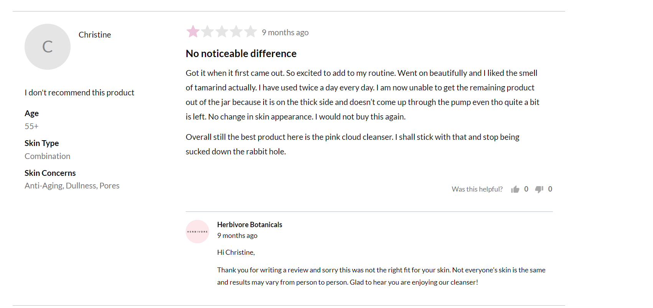
https://www.herbivorebotanicals.com/collections/all/products/jewel-box
https://www.herbivorebotanicals.com/collections/all/products/mini-facial-oil-trio
https://www.herbivorebotanicals.com/collections/all/products/wrinkle-fighting-duo-moon-fruit-serum-phoenix-face-oil
https://www.herbivorebotanicals.com/collections/all/products/clearly-bright-nova-15-vitamin-c-serum-lapis-face-oil
https://www.herbivorebotanicals.com/collections/all/products/gift-card
https://www.herbivorebotanicals.com/collections/all/products/coco-rose-body-polish
https://www.herbivorebotanicals.com/collections/all/products/amethyst-exfoliating-body-polish
https://www.herbivorebotanicals.com/collections/all/products/coconut-milk-bath-soak
https://www.herbivorebotanicals.com/collections/all/products/pink-clay-soap
https://www.herbivorebotanicals.com/collections/all/products/bamboo-charcoal-soap
https://www.herbivorebotanicals.com/collections/all/products/calm-bath-salts
https://www.herbivorebotanicals.com/collections/all/products/detox-bath-salts
https://www.herbivorebotanicals.com/collections/all/products/coconut-body-oil
https://www.herbivorebotanicals.com/collections/all/products/jasmine-body-oil
https://www.herbivorebotanicals.com/collections/all/products/coco-rose-body-oil
https://www.herbivorebotanicals.com/collections/all/products/new-jade-facial-roller
https://www.herbivorebotanicals.com/collections/all/products/rose-quartz-facial-roller
https://www.herbivorebotanicals.com/collections/all/products/rose-quartz-gua-sha
https://www.herbivorebotanicals.com/collections/all/products/lapis-gua-sha
https://www.herbivorebotanicals.com/collections/all/products/mask-applicator-brush
https://www.herbivorebotanicals.com/collections/all/products/sampler-kit
https://www.herbivorebotanicals.com/collections/all/products/7-days-to-smoother-skin-bakuchiol-sampler
https://www.herbivorebotanicals.com/collections/all/products/soak-and-soften-kit

