Sheet1
 | https://recruit.naukri.com/
 | Login
 | deepak.kinra@tredence.com
 | Advent@123

 | They might ask for 2 Factor Authentication
 | Login to: https://outlook.office365.com/mail/
 | deepak.kinra@tredence.com
 | Advent@123

 | Go to saved searches: https://resdex.naukri.com/v3/search/savedSearches
 | Select "Monthly_Update" : https://resdex.naukri.com/v3/search?agentId=57537901

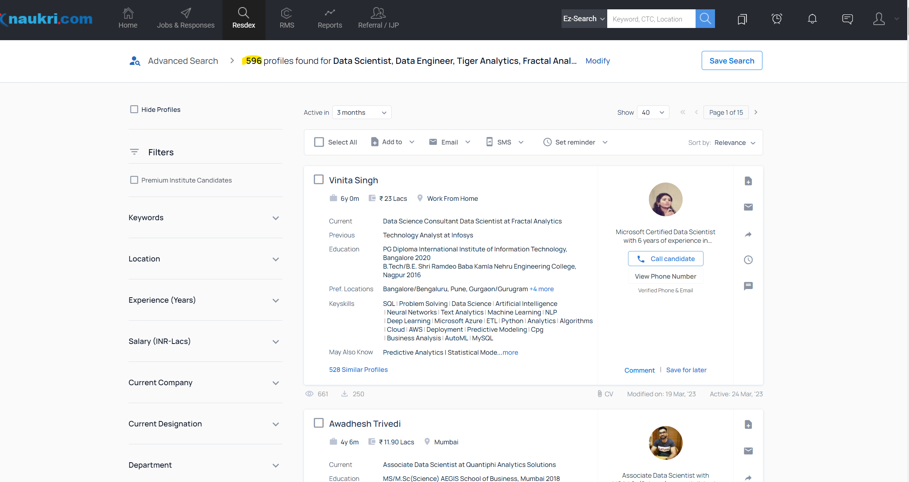
0 | Name | Vinita Singh
1 | Experience | 6y 0m
2 | Salary | 23 Lacs
3 | City | Work From Home
4 | Title | Data Science Consultant Data Scientist at Fractal Analytics
5 | Views | 661
6 | Downloads | 250
7 | Modified on | 2023-03-19
8 | Active | 2023-03-24

