Sandro Example
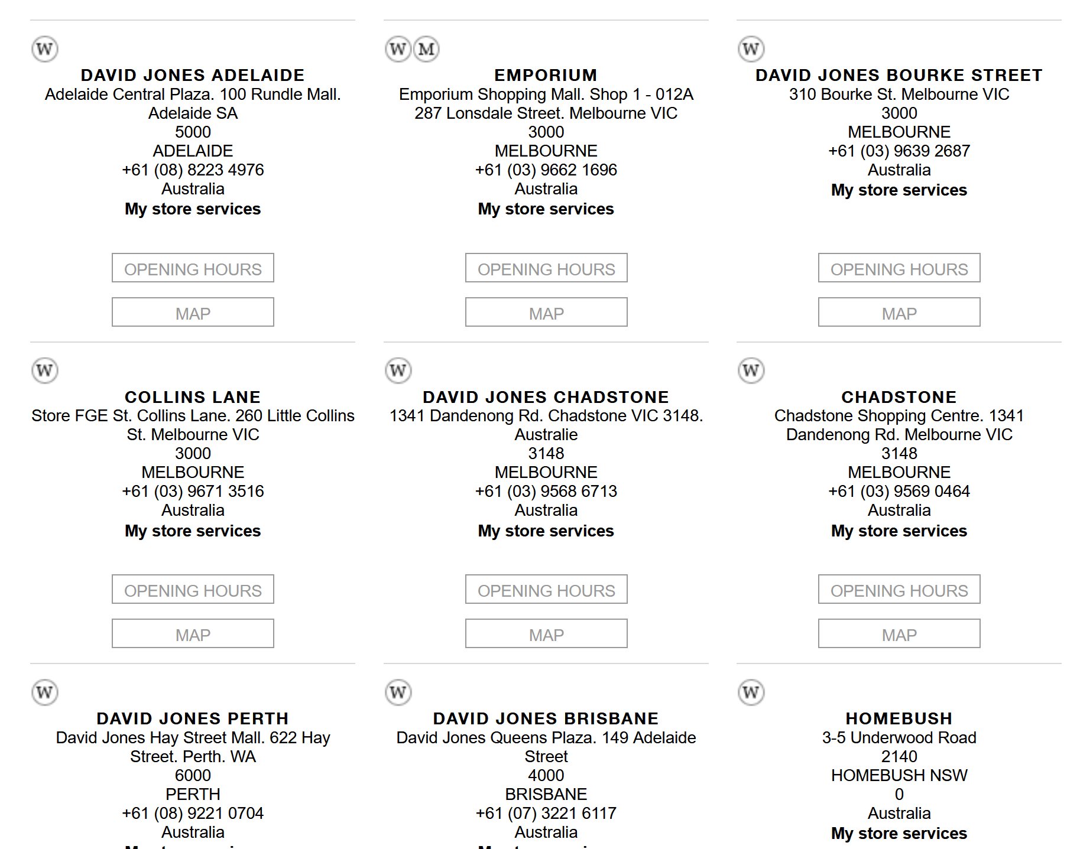
Country | Title | Address
Australia | David Jones Adelaide | Adelaide Central Plaza. 100 Rundle Mall. Adelaide SA 5000
Australia | Emporium | Emporium Shopping Mall. Shop 1 -012A 287 Lonsdale Street. Melbourne VIC 3000
Australia | David Jones Bourke Street | 310 Bourke St. Melbourne VIC 3000

Alexander Wang Example
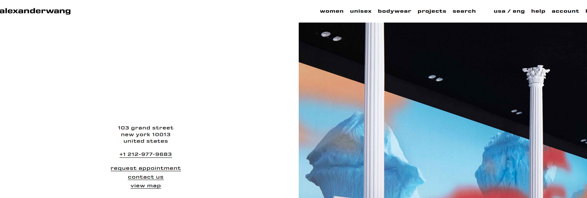
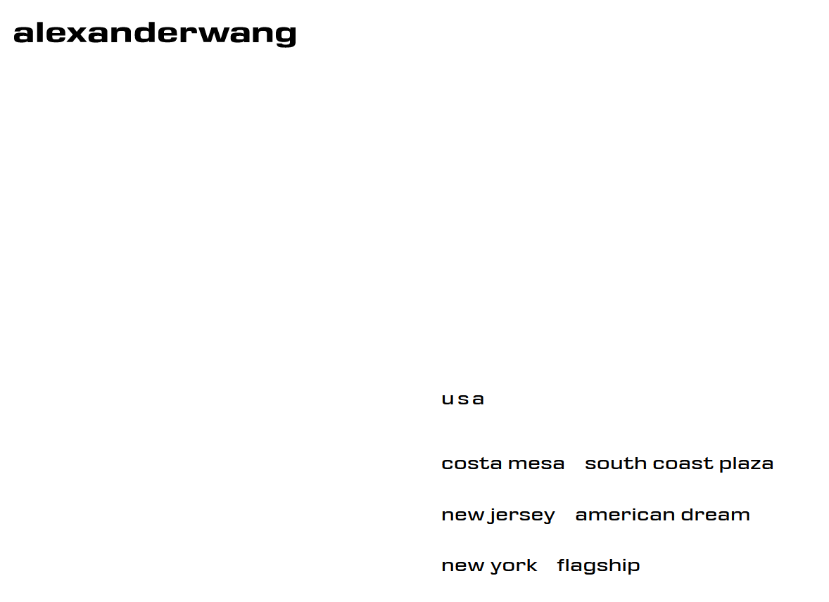
Country | Title | Address
United States | South Coast Plaza | 3333 Bristol Street, Suite 2055 Costa Mesa 92626 United States
United States | American Dream | american dream way e167 east rutherford New Jersey 07073 United States
United States | Flagship | 103 grand street new york 10013 United States

 |  |  | <--- Title

Isabel Marant Example
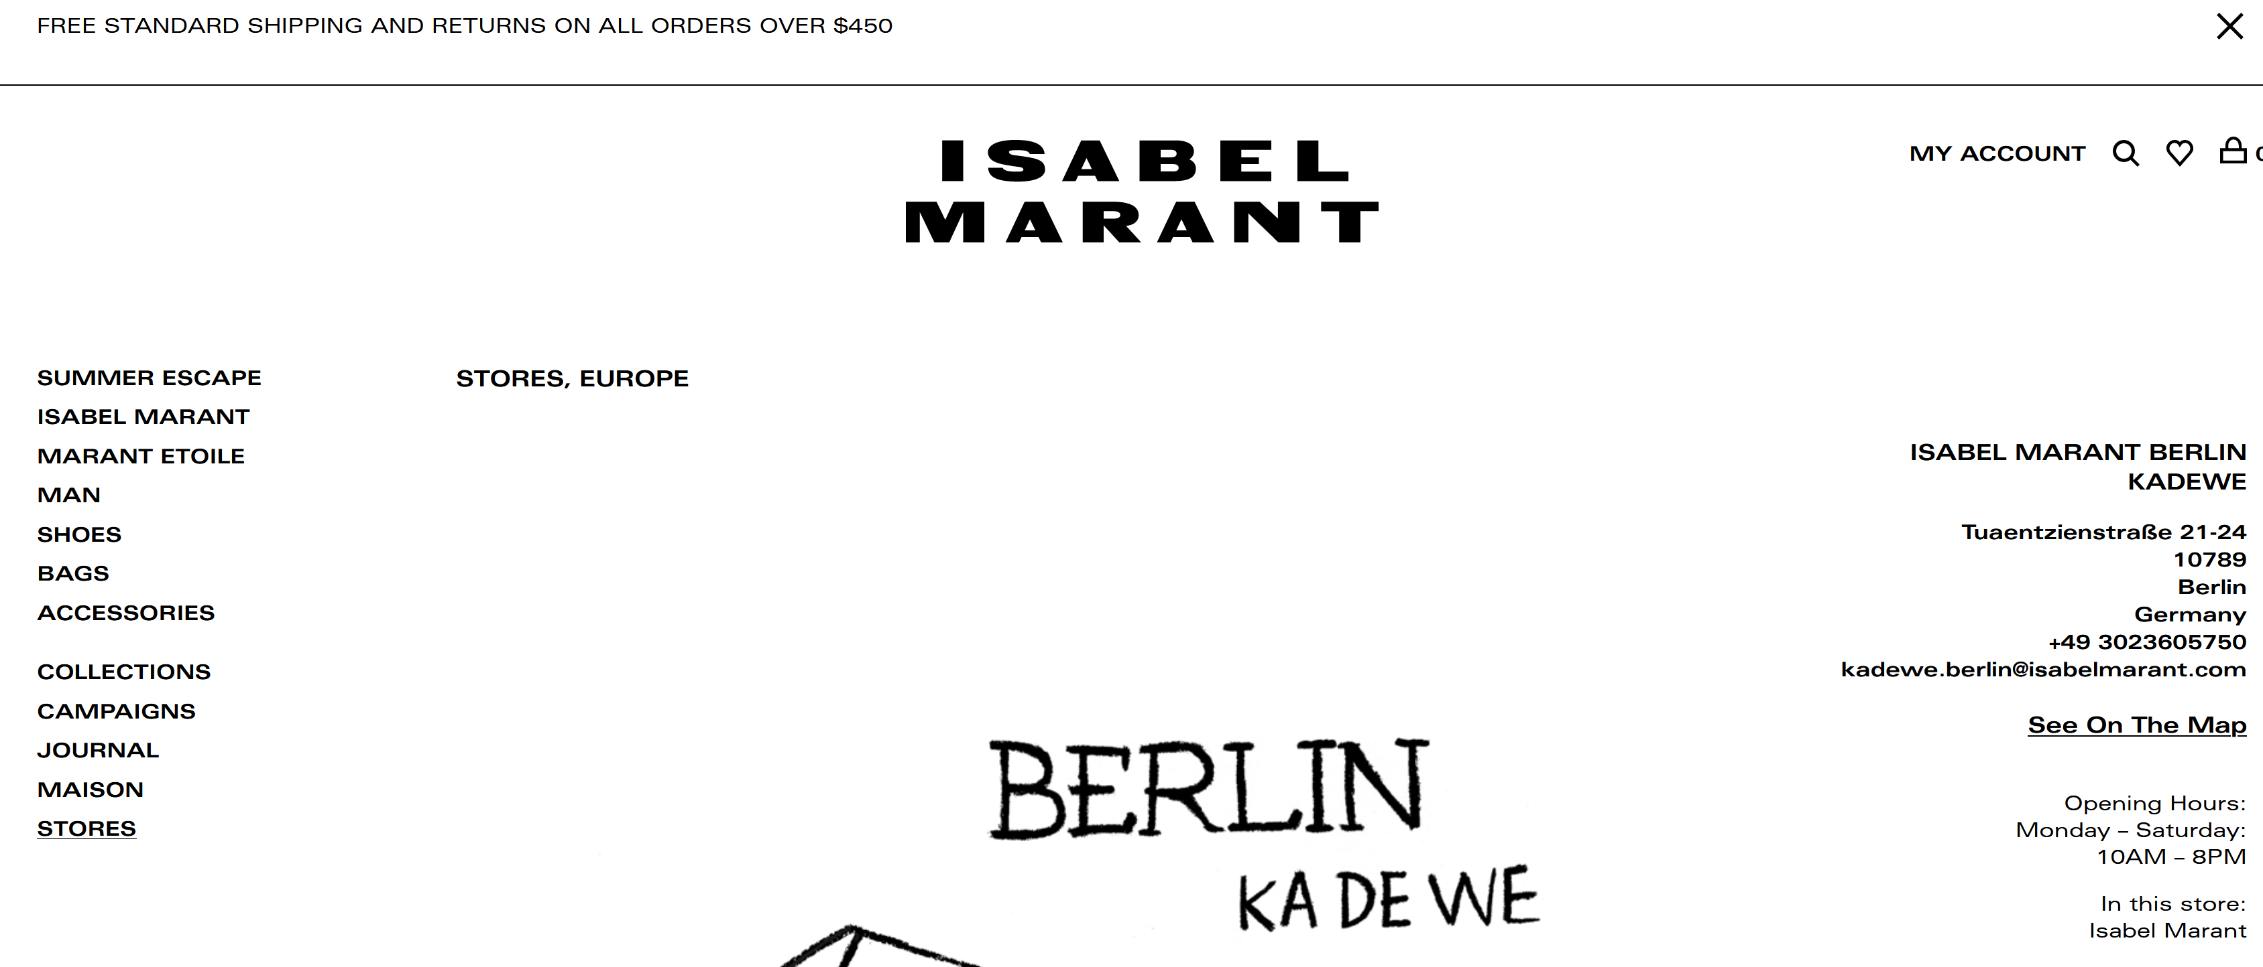
Region | Title | Address
Germany | Isabel Marant Berlin Kadewe | Tuaentzienstraße 21-24 10789 Berlin, Germany
Germany | Isabel Marant Berlin Postdamer | Potsdamer Straße 98 10785 Berlin, Germany
Germany | Isabel Marant Hamburg | Neuer Wall 80 203564 Hamburg, Germany

